Reconciliation
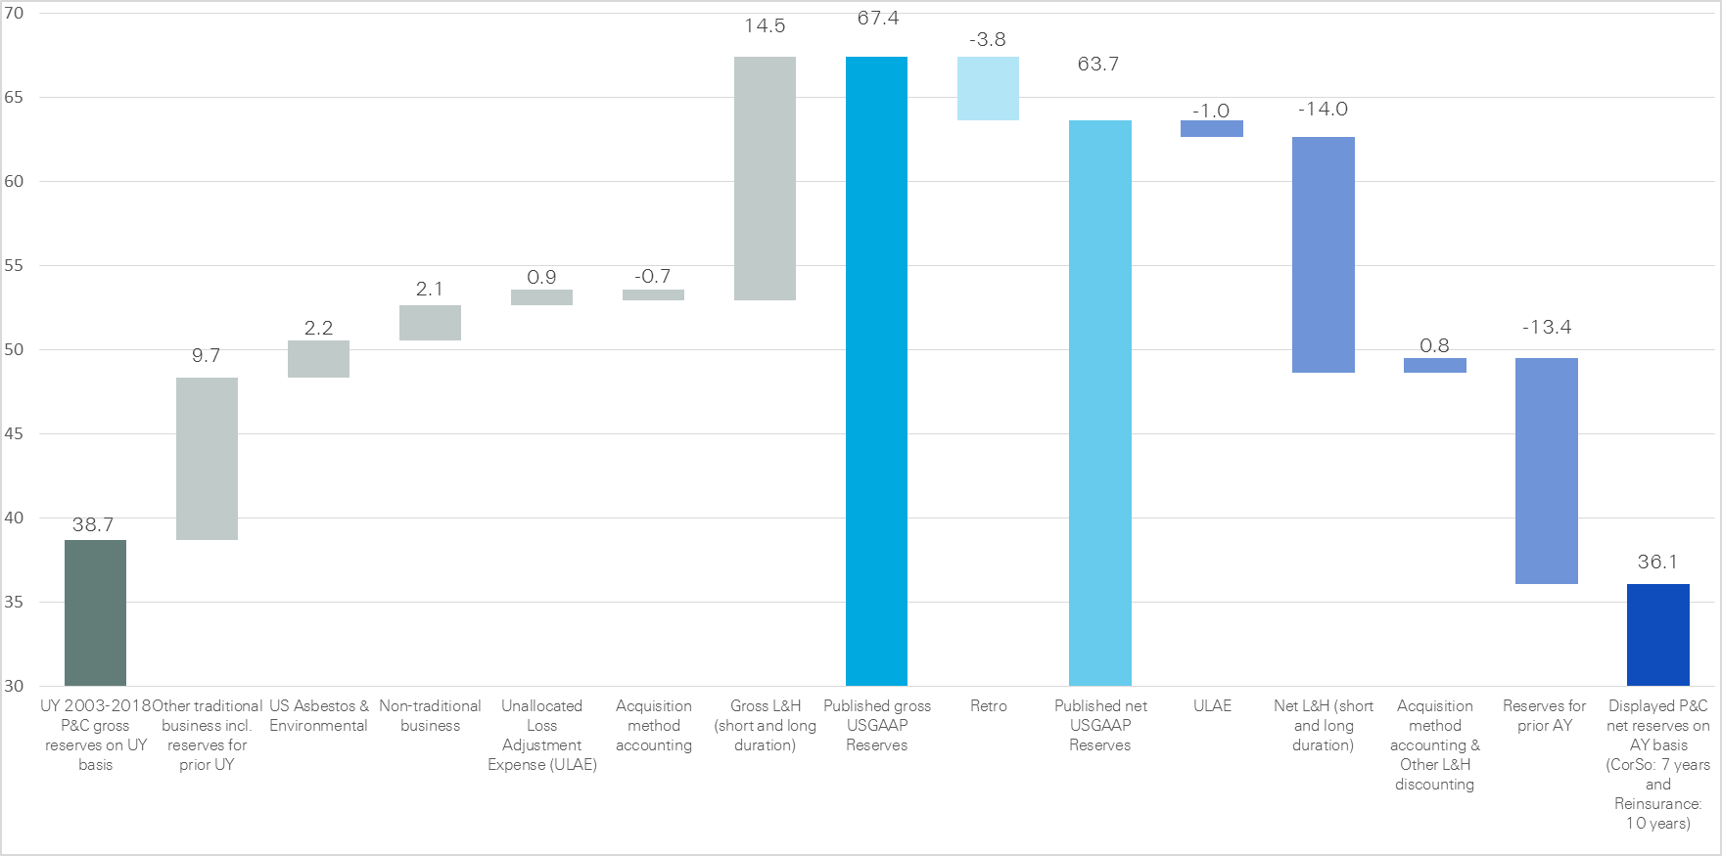
Reserves scope for underwriting and accident year triangles

P&C gross reserves displayed in the underwriting year triangles to gross US GAAP reserves as published in Note 5 in the Financial Report
P&C and L&H reserves as published in the Financial Report
Net US GAAP reserves to net P&C reserves displayed in the accident year triangles

SR GROUP
Total Paid and Reported Losses as a Percentage of Ultimate Earned Premium

All Legal Entities |  |  |  |  |  |  |  |  |  |  |  |  |  |  |  |  |  | SR GROUP

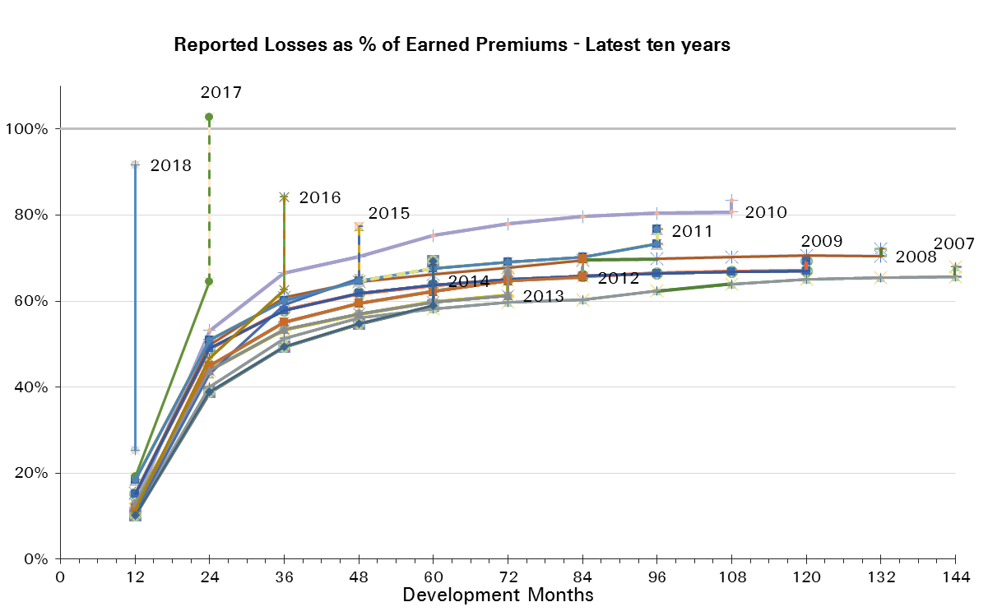
Treaty Year | Earned Premium in USDm | Reported Loss Ratios per Development Month

 |  | 12 | 24 | 36 | 48 | 60 | 72 | 84 | 96 | 108 | 120 | 132 | 144 | 156 | 168 | 180 | 192
2003 | 15,167 | 16% | 33% | 42% | 47% | 50% | 52% | 53% | 53% | 53% | 54% | 54% | 54% | 54% | 54% | 54% | 54%
2004 | 14,759 | 21% | 47% | 57% | 62% | 64% | 66% | 67% | 68% | 68% | 68% | 68% | 68% | 69% | 69% | 69%
2005 | 14,221 | 25% | 70% | 81% | 84% | 87% | 88% | 89% | 89% | 90% | 90% | 90% | 90% | 91% | 91%
2006 | 12,948 | 7% | 33% | 42% | 47% | 50% | 52% | 52% | 53% | 53% | 54% | 54% | 54% | 54%
2007 | 12,049 | 11% | 40% | 51% | 56% | 58% | 60% | 60% | 62% | 64% | 65% | 65% | 66%
2008 | 10,930 | 15% | 50% | 61% | 64% | 66% | 68% | 70% | 70% | 70% | 71% | 70%
2009 | 10,484 | 15% | 49% | 58% | 62% | 64% | 65% | 66% | 66% | 67% | 67%
2010 | 9,645 | 13% | 53% | 67% | 70% | 75% | 78% | 80% | 80% | 81%
2011 | 11,685 | 18% | 51% | 60% | 65% | 68% | 69% | 70% | 73%
2012 | 14,696 | 12% | 45% | 55% | 59% | 62% | 65% | 66%
2013 | 13,726 | 13% | 44% | 53% | 57% | 60% | 61%
2014 | 13,918 | 10% | 39% | 49% | 55% | 59%
2015 | 14,236 | 11% | 43% | 59% | 65%
2016 | 16,240 | 12% | 47% | 63%
2017 | 15,159 | 19% | 65%
2018 | 8,646 | 25%

Treaty Year | Earned Premium in USDm | Paid Loss Ratios per Development Month
 |  | 12 | 24 | 36 | 48 | 60 | 72 | 84 | 96 | 108 | 120 | 132 | 144 | 156 | 168 | 180 | 192
2003 | 15,167 | 4% | 18% | 28% | 34% | 38% | 42% | 44% | 46% | 47% | 48% | 49% | 50% | 50% | 51% | 51% | 51%
2004 | 14,759 | 4% | 26% | 40% | 47% | 52% | 57% | 59% | 61% | 63% | 64% | 64% | 65% | 65% | 66% | 66%
2005 | 14,221 | 5% | 36% | 57% | 67% | 76% | 80% | 82% | 83% | 85% | 86% | 87% | 87% | 88% | 88%
2006 | 12,948 | 2% | 17% | 29% | 36% | 40% | 44% | 46% | 48% | 49% | 50% | 50% | 51% | 51%
2007 | 12,049 | 4% | 23% | 37% | 43% | 48% | 52% | 54% | 56% | 58% | 59% | 61% | 61%
2008 | 10,930 | 4% | 29% | 44% | 51% | 56% | 59% | 63% | 64% | 65% | 66% | 67%
2009 | 10,484 | 6% | 29% | 44% | 51% | 55% | 58% | 60% | 62% | 62% | 63%
2010 | 9,645 | 4% | 27% | 44% | 54% | 63% | 69% | 73% | 76% | 77%
2011 | 11,685 | 6% | 29% | 45% | 54% | 60% | 63% | 66% | 67%
2012 | 14,696 | 6% | 31% | 45% | 51% | 56% | 59% | 61%
2013 | 13,726 | 5% | 27% | 42% | 49% | 53% | 56%
2014 | 13,918 | 4% | 24% | 37% | 45% | 51%
2015 | 14,236 | 4% | 25% | 44% | 54%
2016 | 16,240 | 4% | 27% | 45%
2017 | 15,159 | 6% | 38%
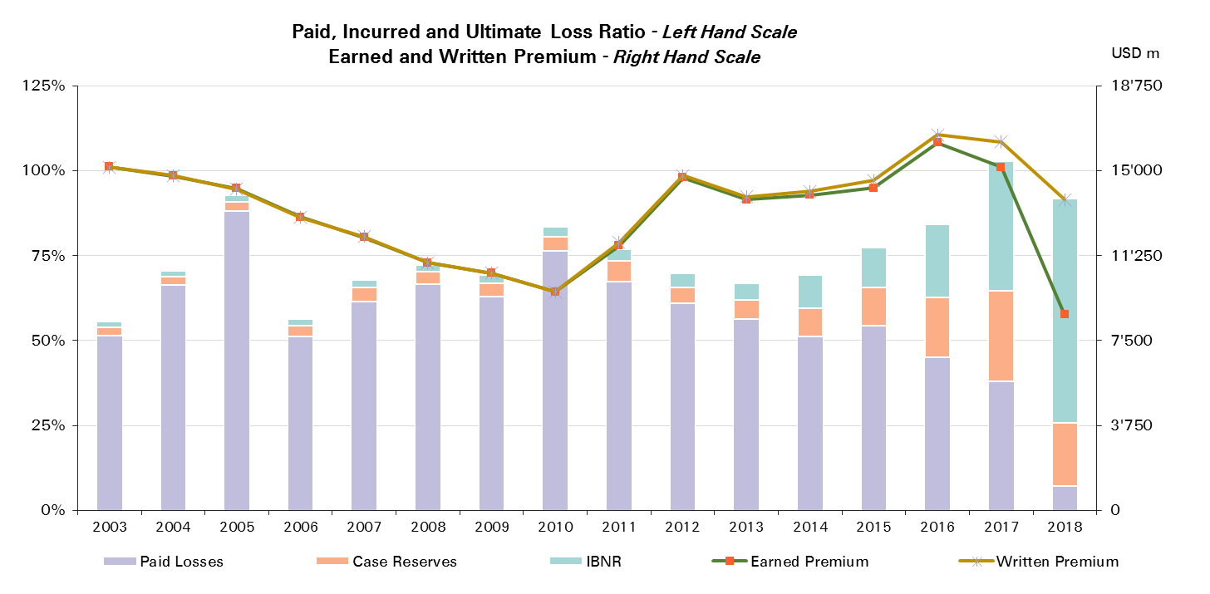
2018 | 8,646 | 7%

Treaty Year | Ult Loss Ratio | Paid Losses | Case Reserves | IBNR
2003 | 55% | 51% | 2% | 2%
2004 | 71% | 66% | 3% | 2%
2005 | 93% | 88% | 3% | 2%
2006 | 56% | 51% | 3% | 2%
2007 | 68% | 61% | 4% | 2%
2008 | 72% | 67% | 4% | 2%
2009 | 69% | 63% | 4% | 2%
2010 | 84% | 77% | 4% | 3%
2011 | 77% | 67% | 6% | 3%
2012 | 70% | 61% | 5% | 4%
2013 | 66% | 56% | 6% | 5%
2014 | 69% | 51% | 8% | 10%
2015 | 77% | 54% | 11% | 12%
2016 | 84% | 45% | 18% | 22%
2017 | 103% | 38% | 27% | 38%
2018 | 92% | 7% | 19% | 66%

SR Reinsurance - All Lines
Total Paid and Reported Losses as a Percentage of Ultimate Earned Premium

All Legal Entities |  |  |  |  |  |  |  |  |  |  |  |  |  |  |  |  |  | SR Reinsurance

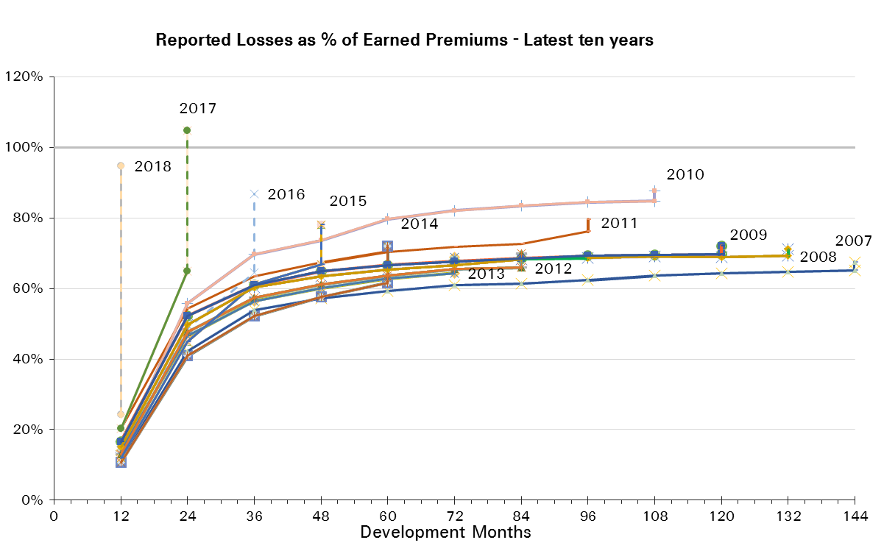
Treaty Year | Earned Premium in USDm | Reported Loss Ratios per Development Month

 |  | 12 | 24 | 36 | 48 | 60 | 72 | 84 | 96 | 108 | 120 | 132 | 144 | 156 | 168 | 180 | 192
2003 | 11,440 | 18% | 35% | 44% | 47% | 50% | 51% | 52% | 52% | 52% | 53% | 53% | 53% | 53% | 53% | 53% | 52%
2004 | 11,321 | 22% | 48% | 59% | 63% | 65% | 67% | 68% | 68% | 68% | 68% | 68% | 68% | 69% | 69% | 69%
2005 | 11,329 | 23% | 73% | 84% | 87% | 91% | 92% | 92% | 92% | 93% | 93% | 93% | 93% | 94% | 94%
2006 | 10,168 | 7% | 35% | 45% | 50% | 53% | 55% | 55% | 55% | 55% | 56% | 56% | 56% | 56%
2007 | 9,811 | 11% | 42% | 54% | 57% | 59% | 61% | 61% | 62% | 64% | 64% | 65% | 65%
2008 | 9,051 | 15% | 50% | 60% | 64% | 65% | 67% | 68% | 69% | 69% | 69% | 69%
2009 | 8,827 | 17% | 52% | 61% | 65% | 67% | 68% | 69% | 69% | 69% | 70%
2010 | 7,963 | 14% | 56% | 70% | 74% | 80% | 82% | 84% | 84% | 85%
2011 | 9,840 | 20% | 54% | 63% | 67% | 70% | 72% | 73% | 76%
2012 | 12,411 | 13% | 48% | 57% | 61% | 64% | 65% | 66%
2013 | 11,071 | 14% | 47% | 56% | 60% | 63% | 64%
2014 | 11,001 | 11% | 41% | 52% | 58% | 62%
2015 | 11,313 | 12% | 45% | 61% | 67%
2016 | 13,014 | 13% | 49% | 64%
2017 | 11,931 | 20% | 65%
2018 | 6,780 | 24%

Treaty Year | Earned Premium in USDm | Paid Loss Ratios per Development Month
 |  | 12 | 24 | 36 | 48 | 60 | 72 | 84 | 96 | 108 | 120 | 132 | 144 | 156 | 168 | 180 | 192
2003 | 11,440 | 4% | 19% | 28% | 35% | 38% | 41% | 43% | 45% | 46% | 47% | 47% | 48% | 49% | 49% | 49% | 50%
2004 | 11,321 | 4% | 27% | 40% | 47% | 53% | 57% | 60% | 62% | 63% | 64% | 64% | 65% | 65% | 66% | 66%
2005 | 11,329 | 4% | 37% | 59% | 70% | 78% | 82% | 84% | 86% | 87% | 88% | 89% | 90% | 90% | 91%
2006 | 10,168 | 1% | 18% | 30% | 38% | 42% | 46% | 48% | 49% | 50% | 51% | 52% | 52% | 53%
2007 | 9,811 | 4% | 24% | 39% | 45% | 49% | 53% | 55% | 57% | 58% | 59% | 60% | 61%
2008 | 9,051 | 4% | 30% | 44% | 50% | 55% | 58% | 61% | 63% | 64% | 65% | 65%
2009 | 8,827 | 7% | 32% | 47% | 53% | 57% | 61% | 63% | 64% | 65% | 66%
2010 | 7,963 | 5% | 29% | 46% | 56% | 65% | 72% | 76% | 79% | 80%
2011 | 9,840 | 6% | 31% | 48% | 57% | 63% | 65% | 68% | 69%
2012 | 12,411 | 6% | 33% | 47% | 53% | 57% | 60% | 61%
2013 | 11,071 | 5% | 29% | 44% | 51% | 55% | 58%
2014 | 11,001 | 4% | 26% | 40% | 47% | 53%
2015 | 11,313 | 4% | 27% | 46% | 56%
2016 | 13,014 | 4% | 28% | 46%
2017 | 11,931 | 6% | 38%
2018 | 6,780 | 6%

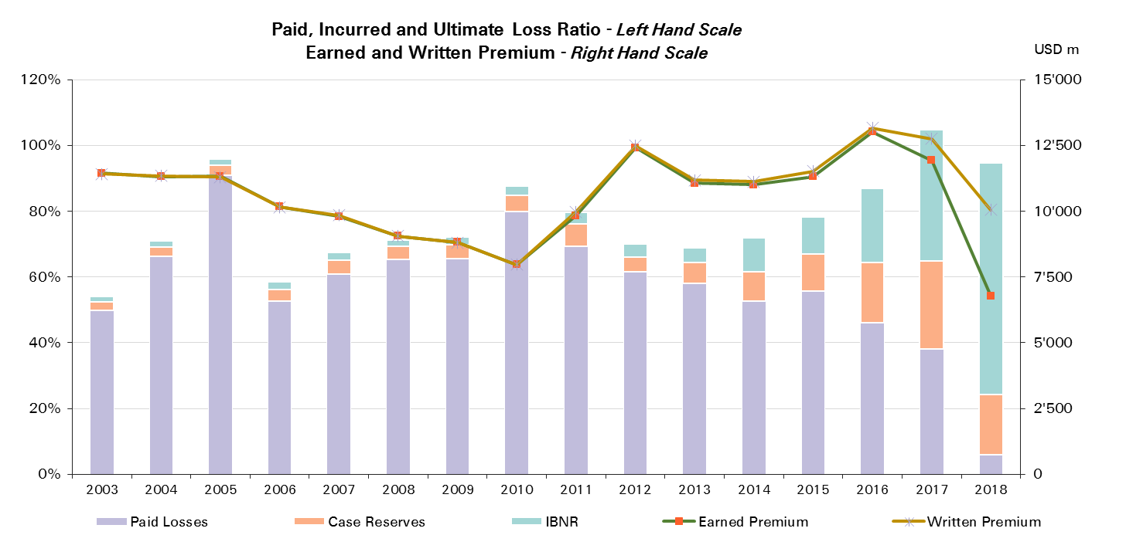
Treaty Year | Ult Loss Ratio | Paid Losses | Case Reserves | IBNR
2003 | 54% | 50% | 3% | 2%
2004 | 71% | 66% | 3% | 2%
2005 | 96% | 91% | 3% | 2%
2006 | 58% | 53% | 4% | 2%
2007 | 68% | 61% | 4% | 2%
2008 | 71% | 65% | 4% | 2%
2009 | 72% | 66% | 4% | 2%
2010 | 88% | 80% | 5% | 3%
2011 | 80% | 69% | 7% | 3%
2012 | 70% | 61% | 4% | 4%
2013 | 69% | 58% | 6% | 4%
2014 | 72% | 53% | 9% | 10%
2015 | 78% | 56% | 11% | 11%
2016 | 87% | 46% | 18% | 22%
2017 | 105% | 38% | 27% | 40%
2018 | 95% | 6% | 18% | 70%

SR CorSo - All Lines
Total Paid and Reported Losses as a Percentage of Ultimate Earned Premium

All Legal Entities |  |  |  |  |  |  |  |  |  |  |  |  |  |  |  |  |  | SR Corporate Solutions

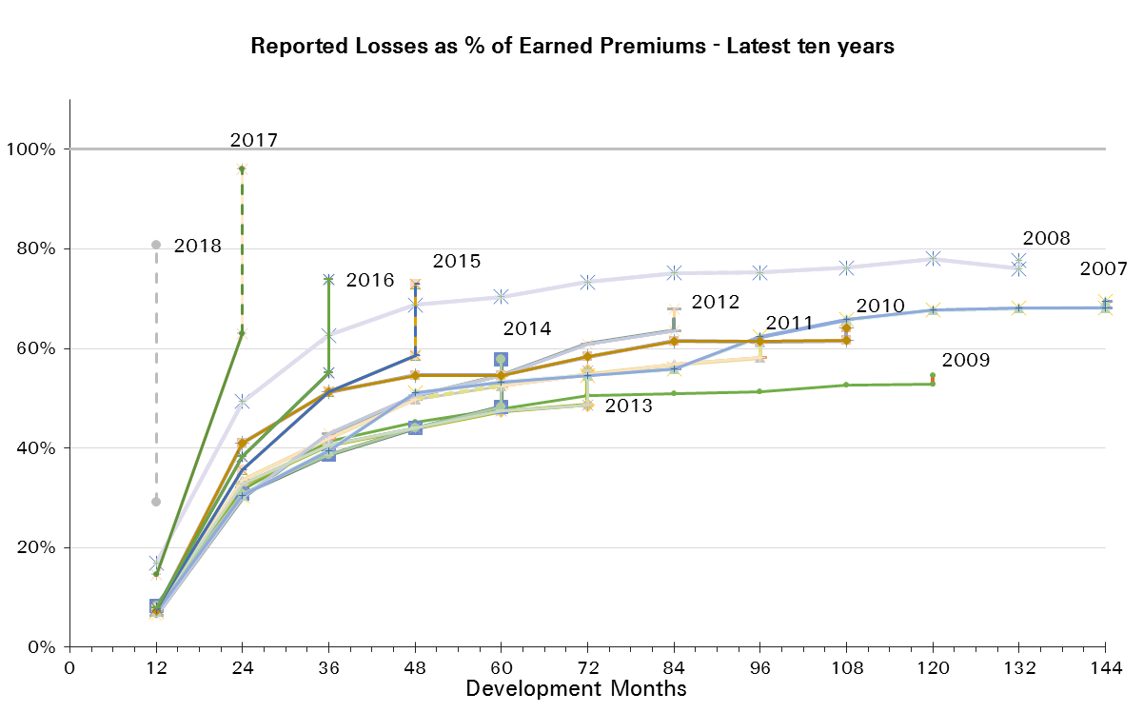
Treaty Year | Earned Premium in USDm | Reported Loss Ratios per Development Month

 |  | 12 | 24 | 36 | 48 | 60 | 72 | 84 | 96 | 108 | 120 | 132 | 144 | 156 | 168 | 180 | 192
2003 | 3,727 | 9% | 26% | 36% | 47% | 50% | 54% | 55% | 56% | 57% | 57% | 58% | 58% | 57% | 57% | 57% | 58%
2004 | 3,438 | 17% | 41% | 52% | 57% | 60% | 62% | 65% | 66% | 67% | 68% | 68% | 68% | 68% | 68% | 68%
2005 | 2,892 | 33% | 59% | 67% | 72% | 75% | 76% | 77% | 78% | 78% | 78% | 79% | 79% | 79% | 79%
2006 | 2,781 | 9% | 24% | 32% | 36% | 41% | 44% | 45% | 45% | 46% | 46% | 47% | 47% | 47%
2007 | 2,239 | 7% | 31% | 39% | 51% | 53% | 55% | 56% | 62% | 66% | 68% | 68% | 68%
2008 | 1,878 | 17% | 49% | 63% | 69% | 70% | 73% | 75% | 75% | 76% | 78% | 76%
2009 | 1,657 | 7% | 32% | 41% | 45% | 48% | 51% | 51% | 51% | 53% | 53%
2010 | 1,682 | 7% | 41% | 51% | 55% | 55% | 58% | 61% | 61% | 62%
2011 | 1,845 | 8% | 34% | 42% | 50% | 53% | 55% | 57% | 58%
2012 | 2,286 | 6% | 30% | 43% | 51% | 55% | 61% | 64%
2013 | 2,655 | 8% | 33% | 41% | 44% | 47% | 49%
2014 | 2,917 | 8% | 31% | 39% | 44% | 48%
2015 | 2,924 | 8% | 36% | 51% | 59%
2016 | 3,226 | 8% | 38% | 55%
2017 | 3,227 | 15% | 63%
2018 | 1,866 | 29%

Treaty Year | Earned Premium in USDm | Paid Loss Ratios per Development Month
 |  | 12 | 24 | 36 | 48 | 60 | 72 | 84 | 96 | 108 | 120 | 132 | 144 | 156 | 168 | 180 | 192
2003 | 3,727 | 4% | 15% | 25% | 33% | 39% | 43% | 46% | 48% | 50% | 51% | 52% | 55% | 56% | 56% | 56% | 57%
2004 | 3,438 | 6% | 24% | 37% | 45% | 51% | 56% | 58% | 60% | 63% | 64% | 64% | 65% | 65% | 66% | 67%
2005 | 2,892 | 7% | 31% | 48% | 59% | 67% | 71% | 73% | 74% | 75% | 76% | 77% | 78% | 78% | 78%
2006 | 2,781 | 3% | 13% | 22% | 28% | 32% | 38% | 41% | 42% | 43% | 44% | 45% | 45% | 46%
2007 | 2,239 | 3% | 17% | 30% | 36% | 46% | 48% | 52% | 54% | 59% | 60% | 63% | 63%
2008 | 1,878 | 4% | 28% | 45% | 54% | 61% | 68% | 70% | 71% | 72% | 73% | 72%
2009 | 1,657 | 3% | 17% | 31% | 37% | 41% | 46% | 47% | 48% | 49% | 50%
2010 | 1,682 | 2% | 19% | 35% | 43% | 51% | 55% | 59% | 60% | 61%
2011 | 1,845 | 4% | 20% | 33% | 39% | 49% | 52% | 55% | 55%
2012 | 2,286 | 3% | 19% | 31% | 41% | 50% | 54% | 57%
2013 | 2,655 | 4% | 20% | 32% | 39% | 44% | 46%
2014 | 2,917 | 3% | 17% | 29% | 37% | 42%
2015 | 2,924 | 3% | 19% | 36% | 47%
2016 | 3,226 | 4% | 23% | 39%
2017 | 3,227 | 6% | 35%
2018 | 1,866 | 10%

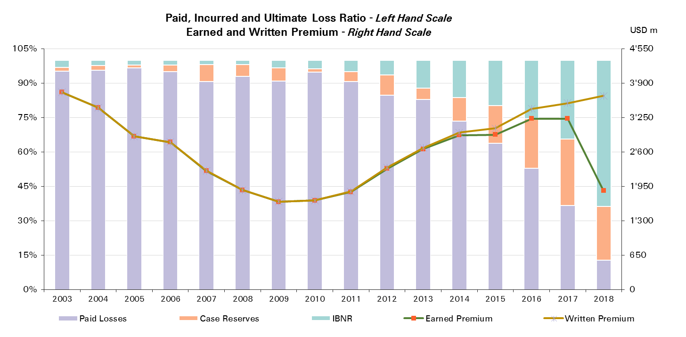
Treaty Year | Ult Loss Ratio | Paid Losses | Case Reserves | IBNR
2003 | 59% | 57% | 1% | 2%
2004 | 70% | 67% | 1% | 2%
2005 | 81% | 78% | 1% | 2%
2006 | 48% | 46% | 1% | 1%
2007 | 70% | 63% | 5% | 1%
2008 | 78% | 72% | 4% | 2%
2009 | 55% | 50% | 3% | 2%
2010 | 64% | 61% | 1% | 2%
2011 | 61% | 55% | 3% | 3%
2012 | 68% | 57% | 6% | 4%
2013 | 55% | 46% | 3% | 7%
2014 | 58% | 42% | 6% | 9%
2015 | 73% | 47% | 12% | 14%
2016 | 74% | 39% | 16% | 19%
2017 | 96% | 35% | 28% | 33%
2018 | 81% | 10% | 19% | 52%

Property
Total Paid and Reported Losses as a Percentage of Ultimate Earned Premium

All Legal Entities |  |  |  |  |  |  |  |  |  |  |  |  |  |  |  |  |  | Property

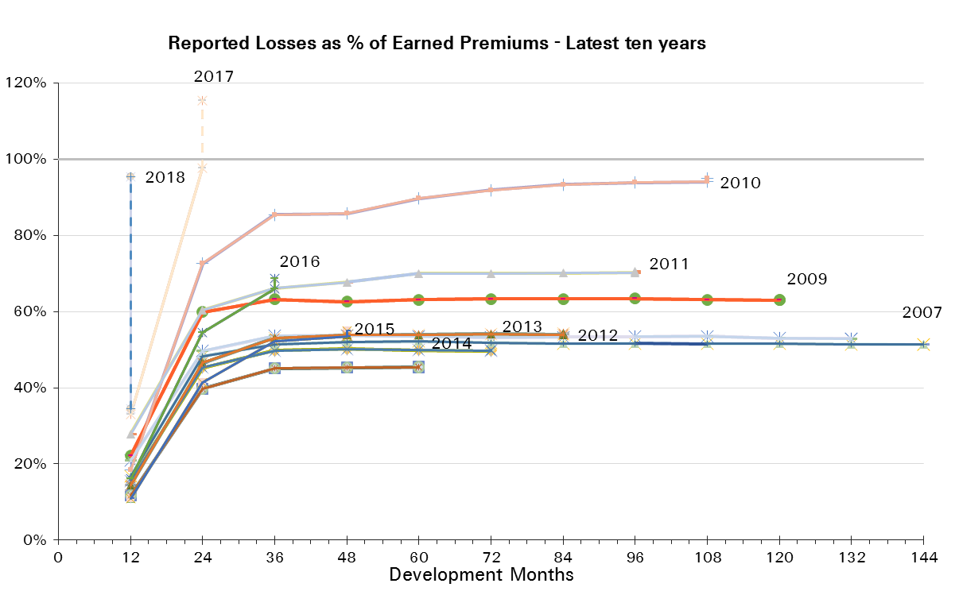
Treaty Year | Earned Premium in USDm | Reported Loss Ratios per Development Month

 |  | 12 | 24 | 36 | 48 | 60 | 72 | 84 | 96 | 108 | 120 | 132 | 144 | 156 | 168 | 180 | 192
2003 | 4,597 | 22% | 39% | 47% | 47% | 47% | 47% | 47% | 46% | 46% | 46% | 46% | 46% | 46% | 46% | 46% | 46%
2004 | 4,663 | 36% | 73% | 83% | 83% | 83% | 83% | 82% | 82% | 82% | 82% | 82% | 82% | 82% | 82% | 82%
2005 | 4,752 | 54% | 122% | 129% | 129% | 129% | 128% | 128% | 127% | 128% | 127% | 127% | 127% | 127% | 127%
2006 | 4,519 | 10% | 36% | 40% | 40% | 40% | 39% | 39% | 39% | 39% | 39% | 39% | 39% | 39%
2007 | 4,398 | 17% | 48% | 51% | 52% | 52% | 52% | 52% | 52% | 52% | 52% | 51% | 51%
2008 | 4,391 | 21% | 50% | 54% | 54% | 53% | 53% | 53% | 53% | 54% | 53% | 53%
2009 | 4,580 | 22% | 60% | 63% | 63% | 63% | 63% | 63% | 63% | 63% | 63%
2010 | 4,437 | 18% | 73% | 85% | 86% | 90% | 92% | 93% | 94% | 94%
2011 | 5,446 | 28% | 60% | 66% | 68% | 70% | 70% | 70% | 70%
2012 | 7,008 | 14% | 47% | 53% | 54% | 54% | 54% | 54%
2013 | 6,378 | 15% | 45% | 50% | 50% | 50% | 50%
2014 | 5,992 | 12% | 40% | 45% | 45% | 45%
2015 | 6,309 | 11% | 41% | 52% | 53%
2016 | 6,383 | 16% | 55% | 66%
2017 | 6,227 | 33% | 98%
2018 | 4,019 | 34%

Treaty Year | Earned Premium in USDm | Paid Loss Ratios per Development Month
 |  | 12 | 24 | 36 | 48 | 60 | 72 | 84 | 96 | 108 | 120 | 132 | 144 | 156 | 168 | 180 | 192
2003 | 4,597 | 3% | 23% | 34% | 42% | 44% | 45% | 45% | 46% | 46% | 46% | 46% | 46% | 46% | 46% | 46% | 46%
2004 | 4,663 | 7% | 44% | 65% | 74% | 78% | 80% | 81% | 81% | 81% | 82% | 82% | 82% | 82% | 82% | 82%
2005 | 4,752 | 8% | 68% | 102% | 115% | 122% | 124% | 125% | 126% | 126% | 127% | 127% | 127% | 127% | 127%
2006 | 4,519 | 3% | 21% | 33% | 36% | 38% | 38% | 38% | 38% | 38% | 39% | 39% | 39% | 39%
2007 | 4,398 | 5% | 31% | 42% | 46% | 48% | 50% | 50% | 51% | 51% | 51% | 51% | 51%
2008 | 4,391 | 4% | 34% | 44% | 49% | 51% | 52% | 52% | 52% | 53% | 52% | 52%
2009 | 4,580 | 8% | 37% | 53% | 58% | 60% | 61% | 62% | 62% | 62% | 62%
2010 | 4,437 | 5% | 35% | 57% | 69% | 78% | 84% | 89% | 92% | 93%
2011 | 5,446 | 7% | 32% | 49% | 59% | 66% | 67% | 69% | 69%
2012 | 7,008 | 6% | 31% | 45% | 49% | 51% | 52% | 52%
2013 | 6,378 | 4% | 27% | 41% | 46% | 48% | 48%
2014 | 5,992 | 4% | 25% | 37% | 42% | 43%
2015 | 6,309 | 3% | 24% | 42% | 49%
2016 | 6,383 | 5% | 31% | 52%
2017 | 6,227 | 9% | 59%
2018 | 4,019 | 6%

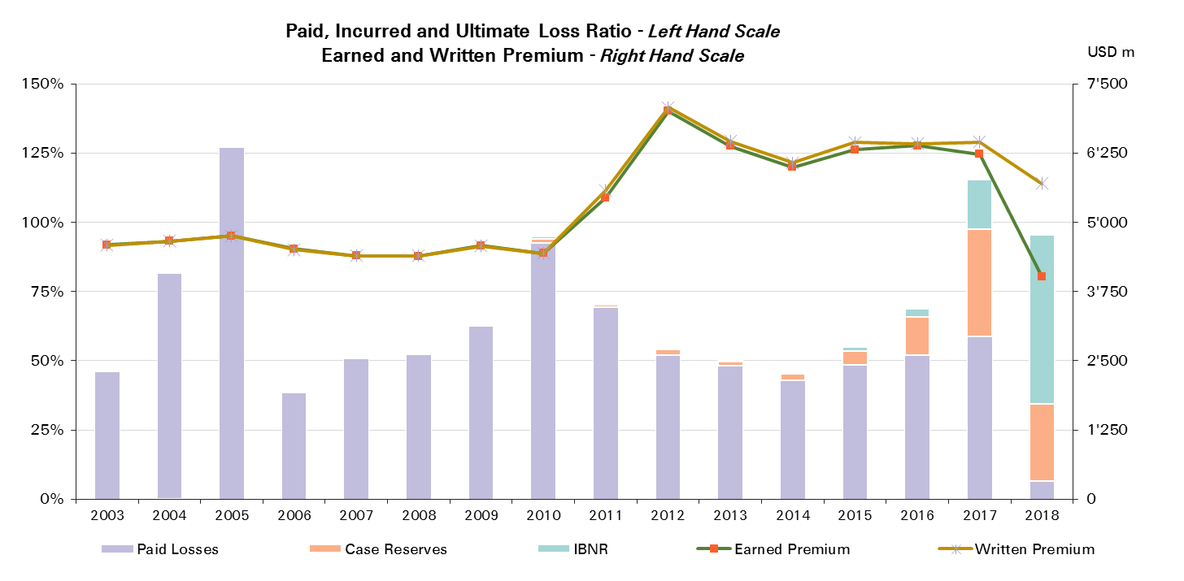
Treaty Year | Ult Loss Ratio | Paid Losses | Case Reserves | IBNR
2003 | 46% | 46% | 0% | 0%
2004 | 82% | 82% | 0% | 0%
2005 | 127% | 127% | 0% | 0%
2006 | 39% | 39% | 0% | 0%
2007 | 51% | 51% | 0% | 0%
2008 | 53% | 52% | 1% | 0%
2009 | 63% | 62% | 1% | 0%
2010 | 95% | 93% | 1% | 1%
2011 | 71% | 69% | 1% | 0%
2012 | 54% | 52% | 2% | 0%
2013 | 50% | 48% | 1% | 0%
2014 | 46% | 43% | 2% | 0%
2015 | 55% | 49% | 5% | 1%
2016 | 69% | 52% | 14% | 3%
2017 | 115% | 59% | 39% | 18%
2018 | 95% | 6% | 28% | 61%

Property Reinsurance
Total Paid and Reported Losses as a Percentage of Ultimate Earned Premium

Reinsurance |  |  |  |  |  |  |  |  |  |  |  |  |  |  |  |  |  | Property Reinsurance

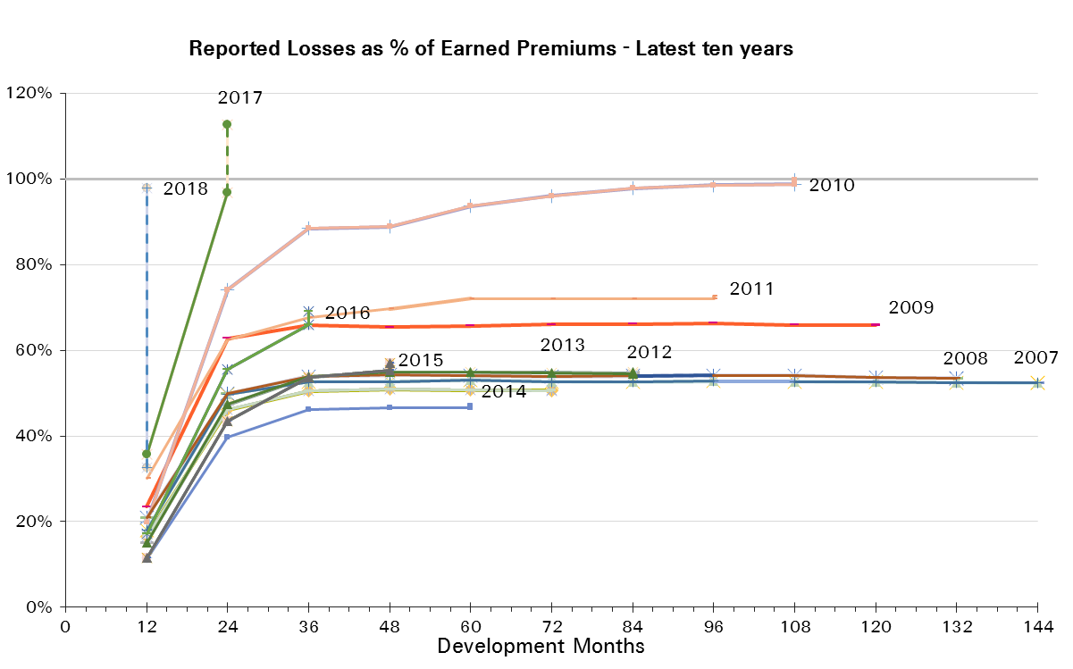
Treaty Year | Earned Premium in USDm | Reported Loss Ratios per Development Month

 |  | 12 | 24 | 36 | 48 | 60 | 72 | 84 | 96 | 108 | 120 | 132 | 144 | 156 | 168 | 180 | 192
2003 | 3,766 | 23% | 39% | 47% | 48% | 47% | 47% | 47% | 47% | 46% | 46% | 46% | 46% | 46% | 46% | 46% | 46%
2004 | 3,861 | 33% | 66% | 76% | 75% | 76% | 76% | 75% | 75% | 75% | 75% | 75% | 75% | 75% | 75% | 75%
2005 | 3,955 | 46% | 117% | 126% | 126% | 126% | 125% | 124% | 124% | 124% | 124% | 124% | 124% | 124% | 124%
2006 | 3,658 | 10% | 37% | 42% | 42% | 41% | 41% | 40% | 40% | 40% | 40% | 40% | 40% | 40%
2007 | 3,800 | 18% | 50% | 53% | 53% | 53% | 53% | 53% | 53% | 53% | 53% | 52% | 52%
2008 | 3,916 | 21% | 50% | 54% | 54% | 54% | 54% | 54% | 54% | 54% | 54% | 54%
2009 | 4,102 | 23% | 63% | 66% | 65% | 66% | 66% | 66% | 66% | 66% | 66%
2010 | 3,921 | 20% | 74% | 88% | 89% | 94% | 96% | 98% | 99% | 99%
2011 | 4,825 | 30% | 62% | 68% | 70% | 72% | 72% | 72% | 72%
2012 | 6,215 | 15% | 47% | 54% | 55% | 55% | 55% | 55%
2013 | 5,401 | 17% | 46% | 50% | 51% | 51% | 51%
2014 | 4,907 | 11% | 40% | 46% | 47% | 47%
2015 | 5,189 | 11% | 43% | 54% | 55%
2016 | 5,209 | 17% | 56% | 66%
2017 | 4,978 | 36% | 97%
2018 | 3,364 | 33%

Treaty Year | Earned Premium in USDm | Paid Loss Ratios per Development Month
 |  | 12 | 24 | 36 | 48 | 60 | 72 | 84 | 96 | 108 | 120 | 132 | 144 | 156 | 168 | 180 | 192
2003 | 3,766 | 2% | 23% | 34% | 42% | 44% | 45% | 45% | 46% | 46% | 46% | 46% | 46% | 46% | 46% | 46% | 46%
2004 | 3,861 | 4% | 41% | 61% | 68% | 71% | 73% | 74% | 74% | 74% | 75% | 75% | 75% | 75% | 75% | 75%
2005 | 3,955 | 6% | 66% | 98% | 111% | 118% | 121% | 121% | 122% | 123% | 123% | 123% | 123% | 123% | 124%
2006 | 3,658 | 2% | 22% | 34% | 38% | 39% | 39% | 40% | 40% | 40% | 40% | 40% | 40% | 40%
2007 | 3,800 | 5% | 31% | 43% | 46% | 48% | 51% | 51% | 52% | 52% | 52% | 52% | 52%
2008 | 3,916 | 3% | 34% | 44% | 49% | 52% | 52% | 53% | 53% | 53% | 53% | 53%
2009 | 4,102 | 9% | 38% | 56% | 61% | 63% | 64% | 65% | 65% | 65% | 65%
2010 | 3,921 | 6% | 37% | 58% | 71% | 81% | 87% | 93% | 96% | 97%
2011 | 4,825 | 8% | 33% | 50% | 61% | 68% | 69% | 71% | 71%
2012 | 6,215 | 6% | 33% | 46% | 51% | 53% | 53% | 53%
2013 | 5,401 | 5% | 28% | 41% | 47% | 48% | 49%
2014 | 4,907 | 4% | 26% | 38% | 43% | 44%
2015 | 5,189 | 3% | 26% | 43% | 50%
2016 | 5,209 | 5% | 33% | 53%
2017 | 4,978 | 9% | 59%
2018 | 3,364 | 6%

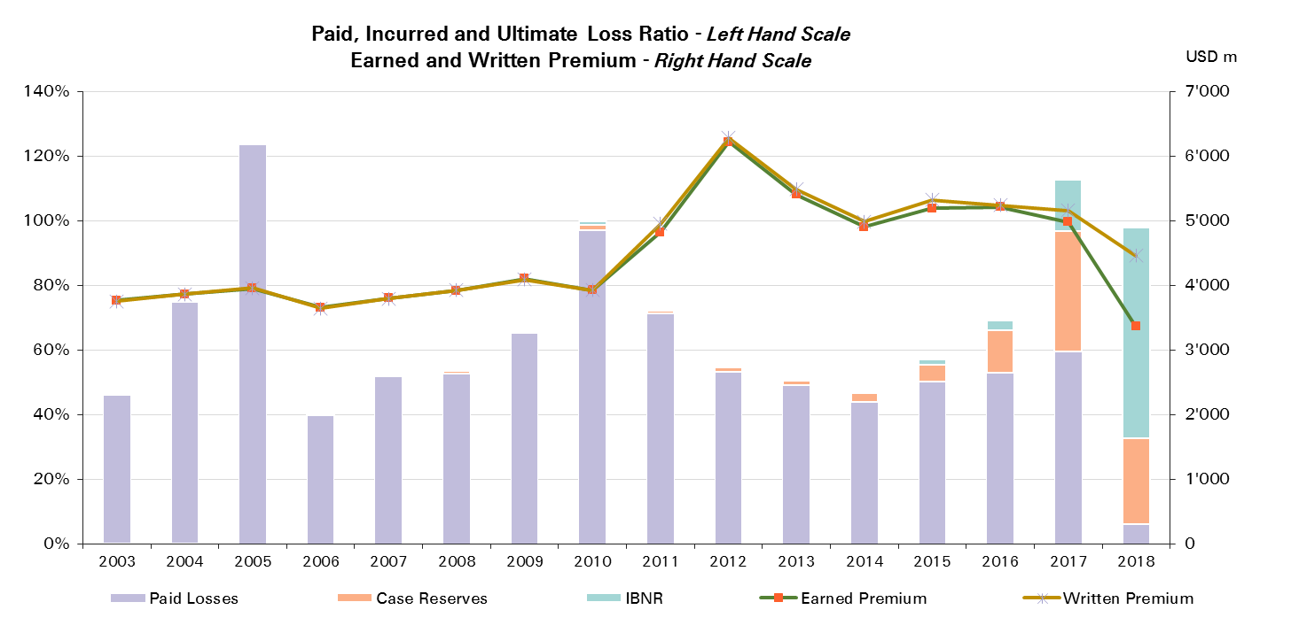
Treaty Year | Ult Loss Ratio | Paid Losses | Case Reserves | IBNR
2003 | 46% | 46% | 0% | 0%
2004 | 75% | 75% | 0% | 0%
2005 | 124% | 124% | 0% | 0%
2006 | 40% | 40% | 0% | 0%
2007 | 52% | 52% | 1% | 0%
2008 | 54% | 53% | 1% | 0%
2009 | 66% | 65% | 1% | 0%
2010 | 100% | 97% | 2% | 1%
2011 | 73% | 71% | 1% | 0%
2012 | 55% | 53% | 1% | 0%
2013 | 51% | 49% | 2% | 0%
2014 | 47% | 44% | 3% | 0%
2015 | 57% | 50% | 5% | 2%
2016 | 69% | 53% | 13% | 3%
2017 | 113% | 59% | 37% | 16%
2018 | 98% | 6% | 27% | 65%

Property CorSo
Total Paid and Reported Losses as a Percentage of Ultimate Earned Premium

Corporate Solutions |  |  |  |  |  |  |  |  |  |  |  |  |  |  |  |  |  | Property Corporate Solutions

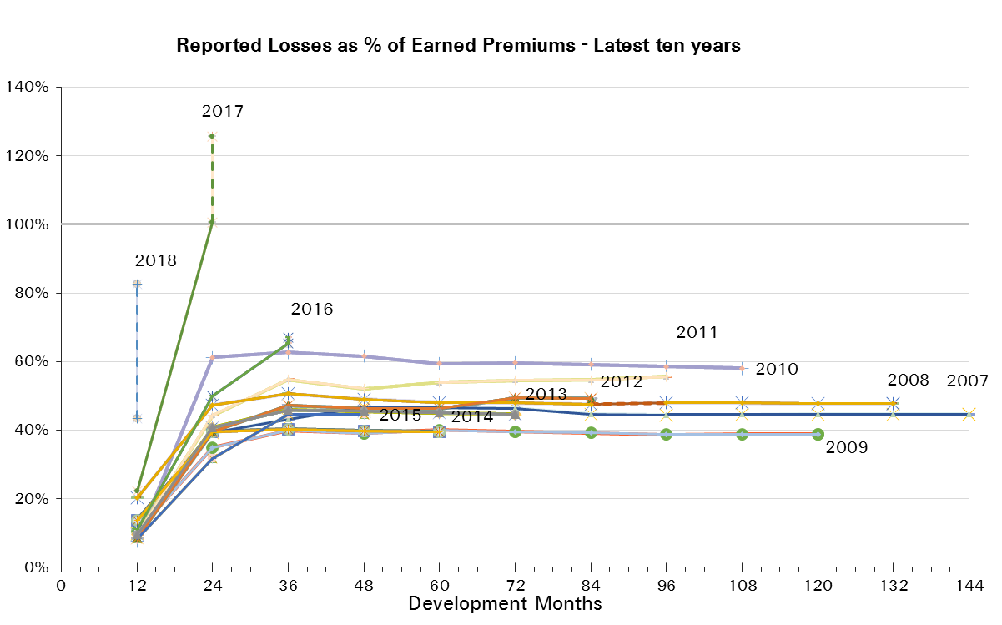
Treaty Year | Earned Premium in USDm | Reported Loss Ratios per Development Month

 |  | 12 | 24 | 36 | 48 | 60 | 72 | 84 | 96 | 108 | 120 | 132 | 144 | 156 | 168 | 180 | 192
2003 | 830 | 20% | 42% | 46% | 46% | 45% | 46% | 46% | 46% | 46% | 46% | 46% | 46% | 46% | 46% | 46% | 46%
2004 | 802 | 53% | 103% | 117% | 118% | 116% | 117% | 116% | 116% | 116% | 116% | 116% | 116% | 116% | 116% | 116%
2005 | 797 | 95% | 142% | 146% | 147% | 146% | 145% | 144% | 144% | 144% | 144% | 144% | 144% | 144% | 144%
2006 | 861 | 14% | 30% | 34% | 34% | 33% | 33% | 33% | 33% | 33% | 33% | 33% | 33% | 33%
2007 | 598 | 10% | 39% | 43% | 47% | 47% | 46% | 45% | 44% | 45% | 45% | 45% | 45%
2008 | 475 | 20% | 47% | 51% | 49% | 48% | 48% | 48% | 48% | 48% | 48% | 48%
2009 | 478 | 11% | 35% | 40% | 39% | 40% | 40% | 39% | 39% | 39% | 39%
2010 | 516 | 8% | 61% | 63% | 62% | 59% | 60% | 59% | 59% | 58%
2011 | 621 | 10% | 44% | 55% | 52% | 54% | 55% | 55% | 56%
2012 | 793 | 9% | 40% | 47% | 46% | 46% | 49% | 49%
2013 | 977 | 9% | 41% | 46% | 46% | 45% | 45%
2014 | 1,085 | 14% | 40% | 40% | 40% | 40%
2015 | 1,120 | 8% | 32% | 45% | 45%
2016 | 1,174 | 11% | 50% | 65%
2017 | 1,249 | 22% | 101%
2018 | 655 | 43%

Treaty Year | Earned Premium in USDm | Paid Loss Ratios per Development Month
 |  | 12 | 24 | 36 | 48 | 60 | 72 | 84 | 96 | 108 | 120 | 132 | 144 | 156 | 168 | 180 | 192
2003 | 830 | 7% | 23% | 34% | 41% | 43% | 45% | 45% | 45% | 45% | 46% | 46% | 46% | 46% | 46% | 46% | 46%
2004 | 802 | 17% | 59% | 89% | 102% | 109% | 113% | 113% | 115% | 115% | 116% | 116% | 116% | 116% | 116% | 116%
2005 | 797 | 19% | 80% | 121% | 135% | 142% | 143% | 143% | 144% | 144% | 144% | 144% | 144% | 144% | 144%
2006 | 861 | 5% | 19% | 28% | 31% | 32% | 33% | 33% | 33% | 33% | 33% | 33% | 33% | 33%
2007 | 598 | 5% | 26% | 37% | 41% | 43% | 44% | 44% | 44% | 44% | 45% | 45% | 45%
2008 | 475 | 7% | 33% | 45% | 47% | 47% | 48% | 48% | 48% | 48% | 48% | 48%
2009 | 478 | 3% | 22% | 34% | 37% | 39% | 40% | 39% | 39% | 39% | 39%
2010 | 516 | 2% | 24% | 43% | 49% | 58% | 58% | 58% | 58% | 58%
2011 | 621 | 4% | 21% | 43% | 50% | 53% | 53% | 54% | 55%
2012 | 793 | 2% | 21% | 33% | 38% | 39% | 41% | 41%
2013 | 977 | 3% | 21% | 37% | 41% | 44% | 44%
2014 | 1,085 | 3% | 22% | 34% | 38% | 38%
2015 | 1,120 | 2% | 16% | 34% | 41%
2016 | 1,174 | 5% | 25% | 48%
2017 | 1,249 | 8% | 56%
2018 | 655 | 8%

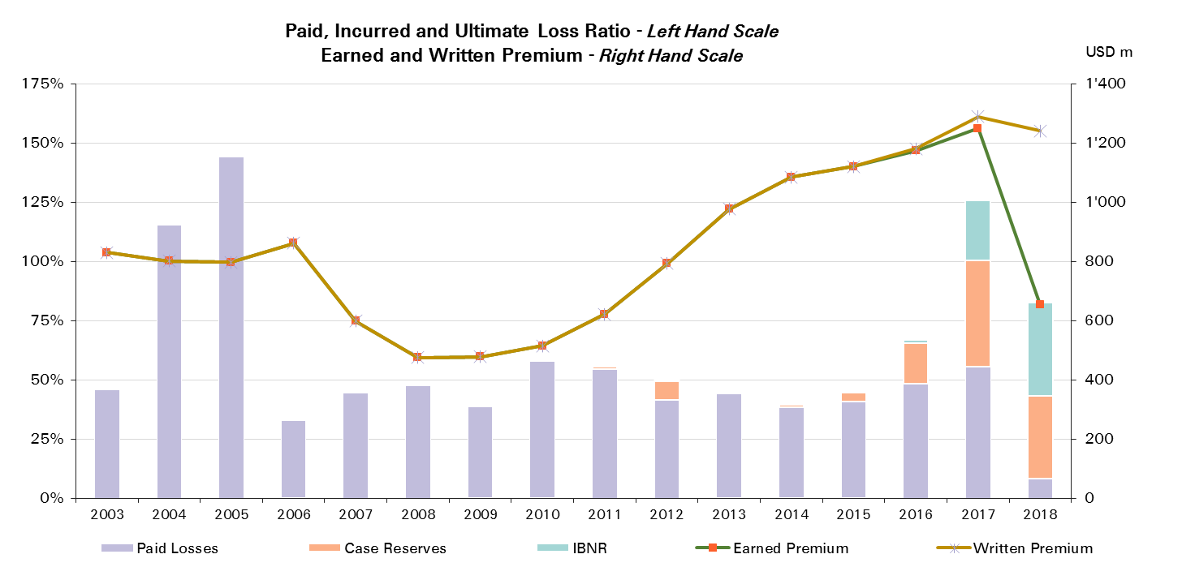
Treaty Year | Ult Loss Ratio | Paid Losses | Case Reserves | IBNR
2003 | 46% | 46% | 0% | 0%
2004 | 116% | 116% | 0% | 0%
2005 | 144% | 144% | 0% | 0%
2006 | 33% | 33% | 0% | 0%
2007 | 45% | 45% | 0% | 0%
2008 | 48% | 48% | 0% | 0%
2009 | 39% | 39% | 0% | 0%
2010 | 58% | 58% | 0% | 0%
2011 | 56% | 55% | 1% | 0%
2012 | 49% | 41% | 8% | 0%
2013 | 45% | 44% | 1% | 0%
2014 | 39% | 38% | 1% | 0%
2015 | 45% | 41% | 4% | 0%
2016 | 67% | 48% | 17% | 2%
2017 | 126% | 56% | 45% | 25%
2018 | 83% | 8% | 35% | 39%

Motor
Total Paid and Reported Losses as a Percentage of Ultimate Earned Premium

All Legal Entities |  |  |  |  |  |  |  |  |  |  |  |  |  |  |  |  |  | Motor

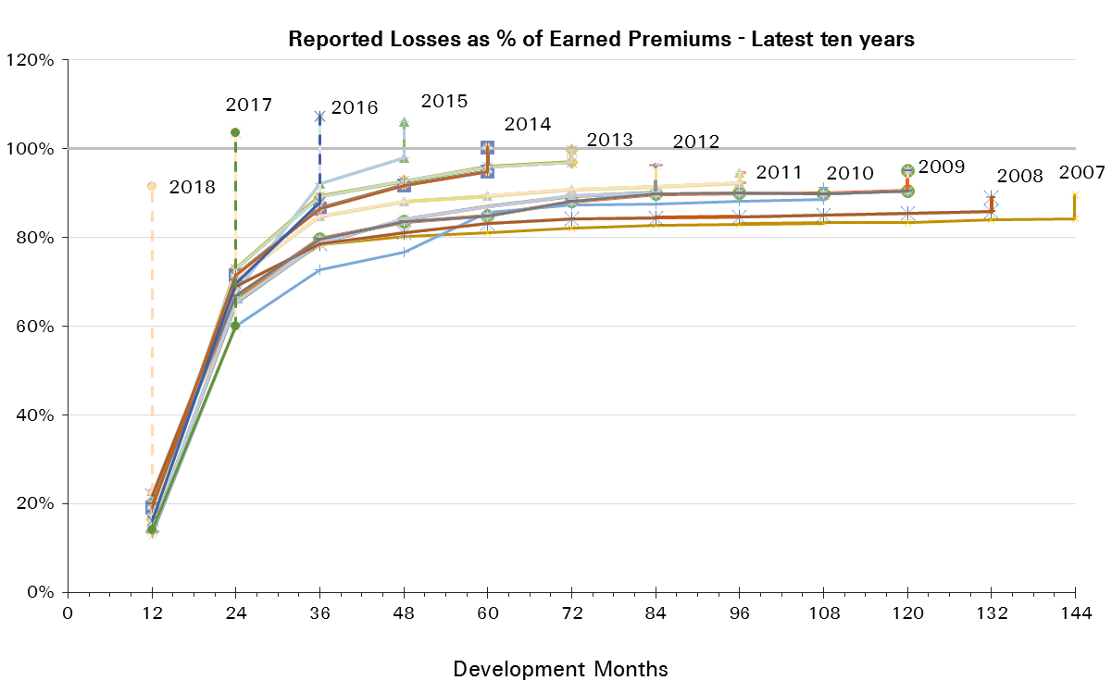
Treaty Year | Earned Premium in USDm | Reported Loss Ratios per Development Month

 |  | 12 | 24 | 36 | 48 | 60 | 72 | 84 | 96 | 108 | 120 | 132 | 144 | 156 | 168 | 180 | 192
2003 | 1,768 | 40% | 64% | 72% | 76% | 78% | 79% | 80% | 79% | 79% | 80% | 80% | 80% | 80% | 81% | 81% | 81%
2004 | 1,769 | 36% | 64% | 72% | 79% | 80% | 81% | 81% | 81% | 81% | 81% | 81% | 81% | 81% | 82% | 82%
2005 | 1,413 | 17% | 59% | 66% | 68% | 70% | 71% | 71% | 71% | 72% | 72% | 72% | 73% | 74% | 74%
2006 | 1,231 | 5% | 56% | 69% | 73% | 74% | 75% | 75% | 76% | 75% | 75% | 75% | 76% | 77%
2007 | 1,378 | 13% | 66% | 78% | 80% | 81% | 82% | 83% | 83% | 83% | 83% | 84% | 84%
2008 | 1,372 | 22% | 69% | 79% | 81% | 83% | 84% | 85% | 85% | 85% | 85% | 86%
2009 | 1,409 | 20% | 67% | 80% | 84% | 85% | 88% | 90% | 90% | 90% | 91%
2010 | 1,119 | 13% | 60% | 73% | 77% | 86% | 87% | 88% | 88% | 89%
2011 | 1,906 | 18% | 71% | 85% | 88% | 89% | 91% | 91% | 92%
2012 | 2,450 | 14% | 65% | 79% | 84% | 87% | 89% | 90%
2013 | 2,319 | 16% | 73% | 89% | 93% | 96% | 97%
2014 | 2,117 | 19% | 72% | 87% | 92% | 95%
2015 | 2,477 | 18% | 68% | 92% | 98%
2016 | 3,021 | 16% | 70% | 88%
2017 | 2,497 | 14% | 60%
2018 | 1,220 | 23%

Treaty Year | Earned Premium in USDm | Paid Loss Ratios per Development Month
 |  | 12 | 24 | 36 | 48 | 60 | 72 | 84 | 96 | 108 | 120 | 132 | 144 | 156 | 168 | 180 | 192
2003 | 1,768 | 13% | 39% | 49% | 54% | 60% | 63% | 65% | 67% | 68% | 69% | 69% | 70% | 71% | 72% | 72% | 73%
2004 | 1,769 | 12% | 39% | 49% | 56% | 61% | 63% | 66% | 68% | 70% | 71% | 72% | 72% | 73% | 73% | 74%
2005 | 1,413 | 10% | 33% | 42% | 49% | 53% | 56% | 58% | 60% | 61% | 62% | 63% | 64% | 64% | 64%
2006 | 1,231 | -1% | 30% | 44% | 51% | 55% | 58% | 61% | 63% | 64% | 65% | 65% | 66% | 66%
2007 | 1,378 | 8% | 43% | 59% | 63% | 67% | 69% | 71% | 73% | 74% | 75% | 75% | 76%
2008 | 1,372 | 13% | 48% | 60% | 67% | 70% | 73% | 76% | 77% | 78% | 78% | 79%
2009 | 1,409 | 11% | 46% | 63% | 69% | 72% | 78% | 80% | 81% | 82% | 83%
2010 | 1,119 | 8% | 40% | 53% | 62% | 73% | 76% | 78% | 79% | 80%
2011 | 1,906 | 9% | 50% | 72% | 78% | 81% | 84% | 85% | 86%
2012 | 2,450 | 10% | 51% | 68% | 75% | 78% | 81% | 83%
2013 | 2,319 | 9% | 54% | 76% | 82% | 86% | 89%
2014 | 2,117 | 11% | 52% | 72% | 79% | 85%
2015 | 2,477 | 12% | 49% | 73% | 84%
2016 | 3,021 | 8% | 44% | 66%
2017 | 2,497 | 7% | 39%
2018 | 1,220 | 11%

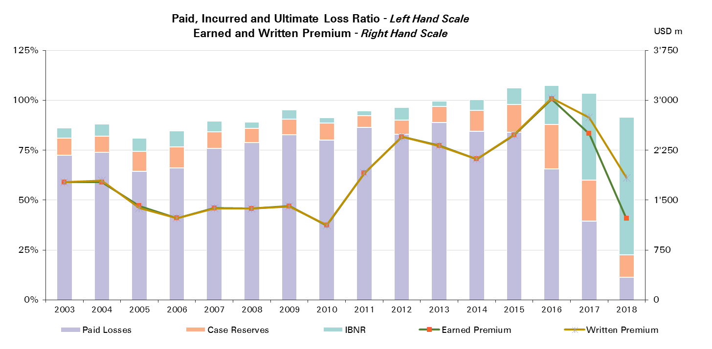
Treaty Year | Ult Loss Ratio | Paid Losses | Case Reserves | IBNR
2003 | 86% | 73% | 9% | 5%
2004 | 88% | 74% | 8% | 6%
2005 | 81% | 64% | 10% | 7%
2006 | 85% | 66% | 11% | 8%
2007 | 90% | 76% | 8% | 5%
2008 | 89% | 79% | 7% | 3%
2009 | 95% | 83% | 8% | 5%
2010 | 91% | 80% | 9% | 3%
2011 | 95% | 86% | 6% | 2%
2012 | 96% | 83% | 7% | 6%
2013 | 100% | 89% | 8% | 3%
2014 | 100% | 85% | 10% | 5%
2015 | 106% | 84% | 14% | 8%
2016 | 107% | 66% | 22% | 19%
2017 | 104% | 39% | 20% | 44%
2018 | 92% | 11% | 11% | 69%

Motor Reinsurance
Total Paid and Reported Losses as a Percentage of Ultimate Earned Premium

Reinsurance |  |  |  |  |  |  |  |  |  |  |  |  |  |  |  |  |  | Motor Reinsurance

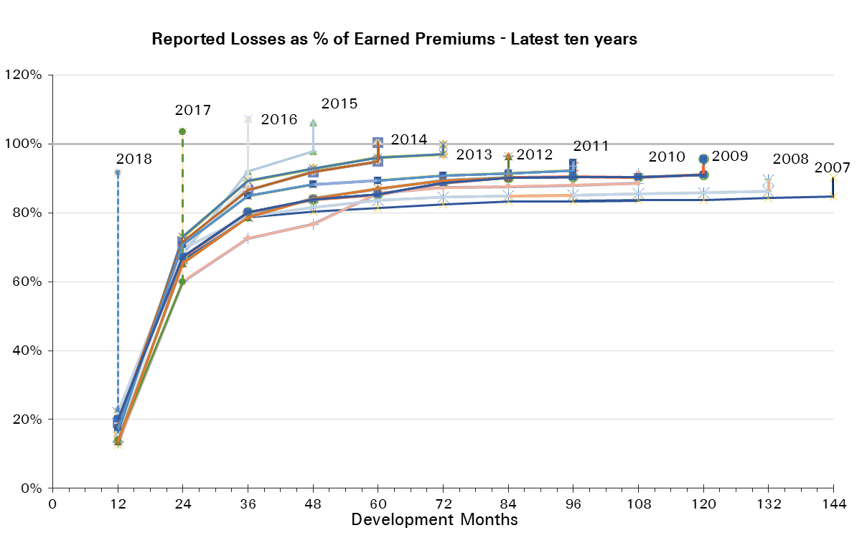
Treaty Year | Earned Premium in USDm | Reported Loss Ratios per Development Month

 |  | 12 | 24 | 36 | 48 | 60 | 72 | 84 | 96 | 108 | 120 | 132 | 144 | 156 | 168 | 180 | 192
2003 | 1,555 | 44% | 68% | 76% | 79% | 80% | 81% | 81% | 81% | 81% | 82% | 82% | 81% | 82% | 82% | 83% | 83%
2004 | 1,574 | 39% | 67% | 75% | 81% | 81% | 82% | 82% | 82% | 82% | 82% | 82% | 82% | 82% | 83% | 83%
2005 | 1,300 | 17% | 61% | 67% | 68% | 71% | 71% | 71% | 71% | 72% | 73% | 73% | 73% | 74% | 75%
2006 | 1,153 | 3% | 57% | 69% | 73% | 74% | 75% | 74% | 75% | 74% | 75% | 75% | 76% | 76%
2007 | 1,344 | 13% | 66% | 79% | 80% | 81% | 82% | 83% | 83% | 84% | 84% | 84% | 85%
2008 | 1,355 | 22% | 70% | 79% | 82% | 84% | 85% | 85% | 85% | 85% | 86% | 86%
2009 | 1,395 | 20% | 67% | 80% | 84% | 85% | 89% | 90% | 90% | 90% | 91%
2010 | 1,116 | 13% | 60% | 73% | 77% | 86% | 87% | 88% | 88% | 89%
2011 | 1,902 | 18% | 71% | 85% | 88% | 89% | 91% | 92% | 92%
2012 | 2,447 | 14% | 65% | 79% | 84% | 87% | 89% | 90%
2013 | 2,316 | 16% | 73% | 89% | 93% | 96% | 97%
2014 | 2,113 | 19% | 72% | 87% | 92% | 95%
2015 | 2,474 | 18% | 68% | 92% | 98%
2016 | 3,018 | 16% | 70% | 88%
2017 | 2,493 | 14% | 60%
2018 | 1,218 | 23%

Treaty Year | Earned Premium in USDm | Paid Loss Ratios per Development Month
 |  | 12 | 24 | 36 | 48 | 60 | 72 | 84 | 96 | 108 | 120 | 132 | 144 | 156 | 168 | 180 | 192
2003 | 1,555 | 15% | 42% | 52% | 55% | 60% | 63% | 65% | 67% | 68% | 69% | 70% | 71% | 72% | 72% | 73% | 73%
2004 | 1,574 | 12% | 41% | 51% | 57% | 61% | 63% | 66% | 68% | 70% | 71% | 72% | 72% | 73% | 73% | 74%
2005 | 1,300 | 10% | 34% | 43% | 48% | 52% | 55% | 58% | 59% | 61% | 62% | 62% | 63% | 64% | 64%
2006 | 1,153 | -1% | 31% | 45% | 50% | 54% | 57% | 59% | 61% | 63% | 63% | 64% | 64% | 65%
2007 | 1,344 | 8% | 43% | 59% | 63% | 67% | 69% | 71% | 73% | 74% | 75% | 75% | 76%
2008 | 1,355 | 14% | 48% | 61% | 67% | 71% | 73% | 76% | 77% | 78% | 79% | 79%
2009 | 1,395 | 11% | 46% | 63% | 69% | 72% | 78% | 80% | 82% | 82% | 83%
2010 | 1,116 | 8% | 40% | 53% | 62% | 73% | 76% | 78% | 79% | 80%
2011 | 1,902 | 9% | 50% | 72% | 78% | 81% | 84% | 85% | 87%
2012 | 2,447 | 10% | 51% | 68% | 75% | 78% | 81% | 83%
2013 | 2,316 | 9% | 54% | 76% | 82% | 86% | 89%
2014 | 2,113 | 11% | 52% | 72% | 79% | 85%
2015 | 2,474 | 12% | 49% | 73% | 84%
2016 | 3,018 | 8% | 44% | 66%
2017 | 2,493 | 7% | 39%
2018 | 1,218 | 11%
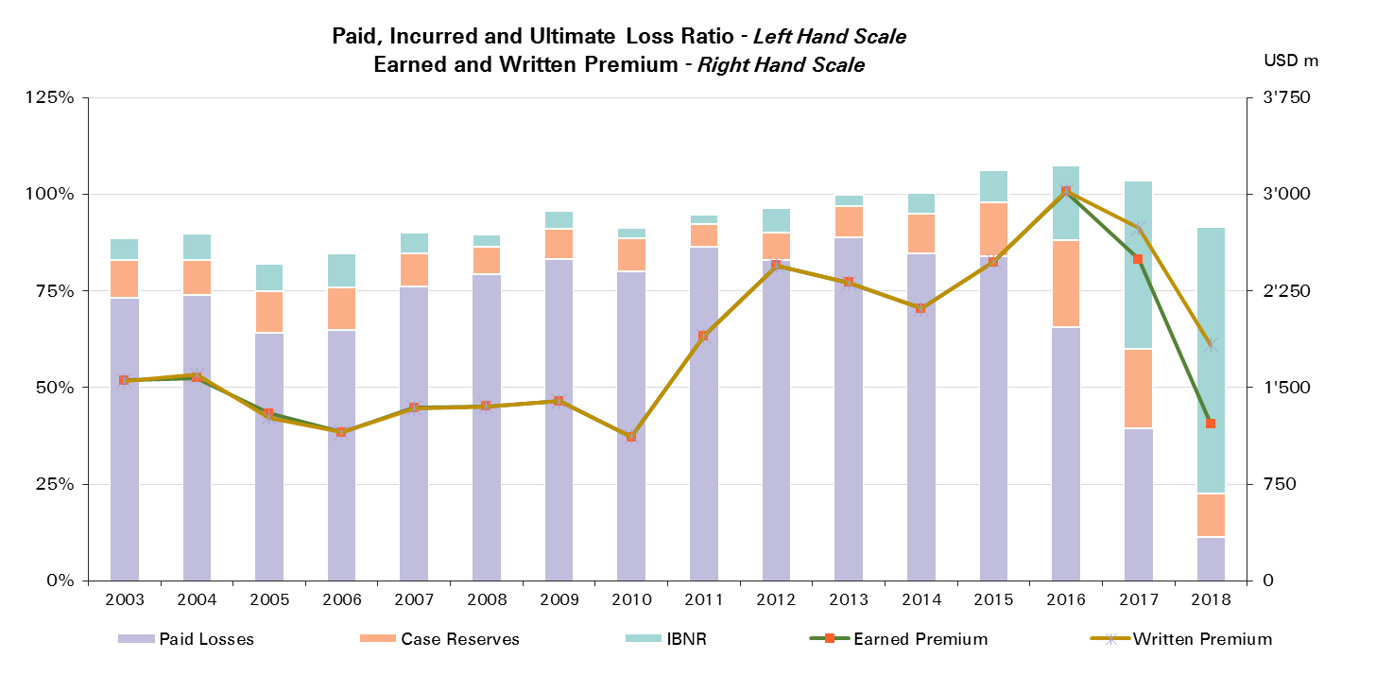

Treaty Year | Ult Loss Ratio | Paid Losses | Case Reserves | IBNR
2003 | 89% | 73% | 10% | 6%
2004 | 90% | 74% | 9% | 7%
2005 | 82% | 64% | 11% | 7%
2006 | 85% | 65% | 11% | 9%
2007 | 90% | 76% | 8% | 5%
2008 | 89% | 79% | 7% | 3%
2009 | 96% | 83% | 8% | 5%
2010 | 91% | 80% | 9% | 3%
2011 | 95% | 87% | 6% | 2%
2012 | 96% | 83% | 7% | 6%
2013 | 100% | 89% | 8% | 3%
2014 | 100% | 85% | 10% | 5%
2015 | 106% | 84% | 14% | 8%
2016 | 107% | 66% | 22% | 19%
2017 | 104% | 39% | 20% | 44%
2018 | 92% | 11% | 11% | 69%

Motor - Prop & Direct Reins
Total Paid and Reported Losses as a Percentage of Ultimate Earned Premium

Reinsurance |  |  |  |  |  |  |  |  |  |  |  |  |  |  |  |  |  | Motor Prop Reinsurance

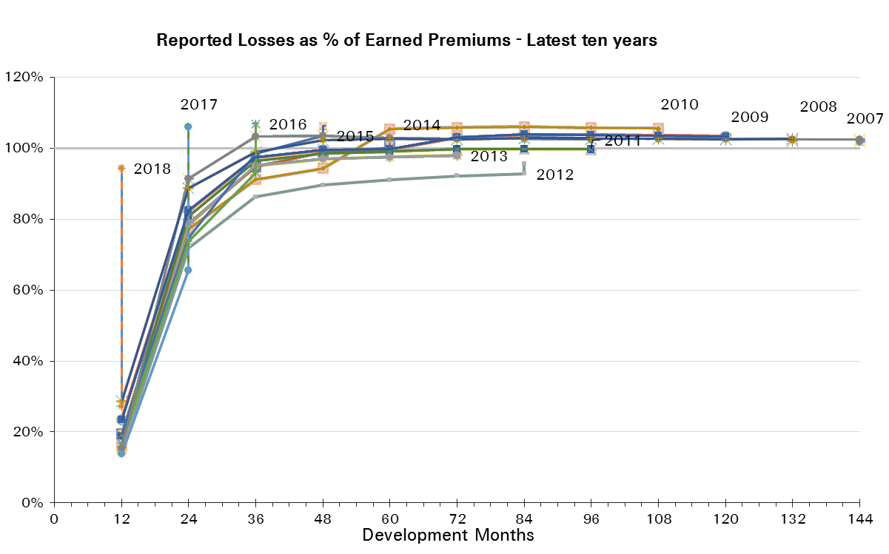
Treaty Year | Earned Premium in USDm | Reported Loss Ratios per Development Month

 |  | 12 | 24 | 36 | 48 | 60 | 72 | 84 | 96 | 108 | 120 | 132 | 144 | 156 | 168 | 180 | 192
2003 | 913 | 64% | 89% | 97% | 97% | 98% | 97% | 97% | 96% | 96% | 95% | 95% | 95% | 95% | 95% | 95% | 95%
2004 | 908 | 58% | 91% | 97% | 101% | 100% | 100% | 99% | 99% | 99% | 99% | 99% | 99% | 99% | 98% | 98%
2005 | 655 | 25% | 87% | 93% | 91% | 91% | 91% | 90% | 90% | 90% | 90% | 89% | 89% | 89% | 89%
2006 | 589 | 1% | 87% | 101% | 103% | 102% | 102% | 101% | 101% | 100% | 100% | 100% | 100% | 100%
2007 | 831 | 16% | 91% | 103% | 104% | 103% | 103% | 103% | 103% | 103% | 103% | 103% | 102%
2008 | 863 | 29% | 89% | 99% | 102% | 103% | 103% | 103% | 103% | 103% | 103% | 103%
2009 | 984 | 23% | 82% | 97% | 100% | 100% | 103% | 104% | 104% | 104% | 103%
2010 | 754 | 16% | 77% | 91% | 94% | 105% | 106% | 106% | 106% | 106%
2011 | 1,516 | 19% | 81% | 96% | 99% | 99% | 100% | 100% | 100%
2012 | 2,027 | 14% | 72% | 86% | 90% | 91% | 92% | 93%
2013 | 1,905 | 15% | 78% | 95% | 97% | 98% | 98%
2014 | 1,697 | 19% | 79% | 95% | 99% | 100%
2015 | 2,020 | 19% | 75% | 99% | 104%
2016 | 2,468 | 17% | 74% | 93%
2017 | 1,982 | 14% | 65%
2018 | 820 | 27%

Treaty Year | Earned Premium in USDm | Paid Loss Ratios per Development Month
 |  | 12 | 24 | 36 | 48 | 60 | 72 | 84 | 96 | 108 | 120 | 132 | 144 | 156 | 168 | 180 | 192
2003 | 913 | 24% | 68% | 80% | 82% | 87% | 88% | 90% | 91% | 91% | 91% | 91% | 92% | 92% | 92% | 92% | 92%
2004 | 908 | 20% | 66% | 79% | 85% | 88% | 89% | 92% | 92% | 94% | 94% | 94% | 95% | 95% | 95% | 95%
2005 | 655 | 20% | 63% | 75% | 79% | 81% | 83% | 84% | 85% | 85% | 85% | 86% | 86% | 86% | 86%
2006 | 589 | -3% | 57% | 79% | 85% | 88% | 91% | 92% | 93% | 94% | 94% | 95% | 95% | 95%
2007 | 831 | 12% | 67% | 88% | 93% | 95% | 96% | 97% | 98% | 98% | 99% | 99% | 99%
2008 | 863 | 20% | 70% | 85% | 92% | 94% | 96% | 98% | 99% | 99% | 99% | 100%
2009 | 984 | 16% | 61% | 82% | 88% | 91% | 98% | 99% | 100% | 100% | 100%
2010 | 754 | 12% | 58% | 73% | 84% | 98% | 99% | 101% | 102% | 102%
2011 | 1,516 | 11% | 61% | 87% | 93% | 95% | 96% | 97% | 98%
2012 | 2,027 | 12% | 61% | 80% | 85% | 88% | 90% | 91%
2013 | 1,905 | 11% | 62% | 86% | 91% | 94% | 95%
2014 | 1,697 | 14% | 63% | 84% | 92% | 96%
2015 | 2,020 | 14% | 59% | 85% | 95%
2016 | 2,468 | 9% | 52% | 76%
2017 | 1,982 | 9% | 48%
2018 | 820 | 17%

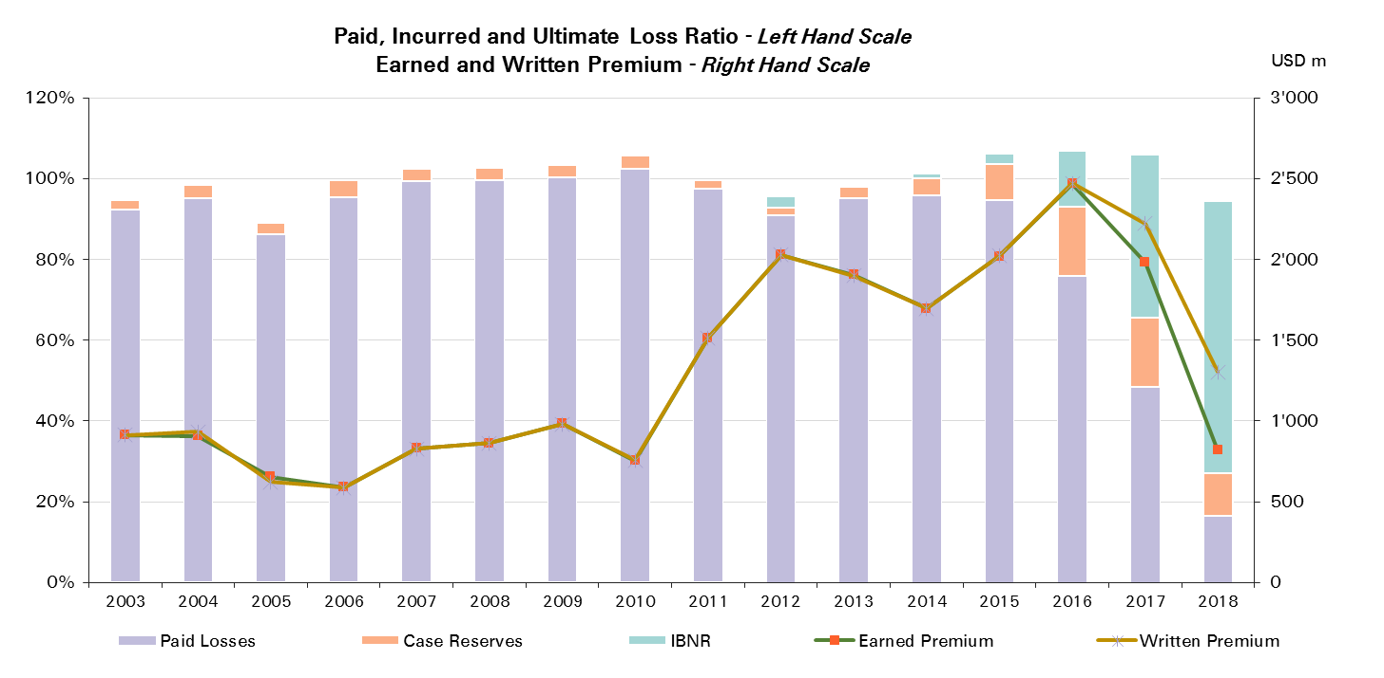
Treaty Year | Ult Loss Ratio | Paid Losses | Case Reserves | IBNR
2003 | 94% | 92% | 2% | 0%
2004 | 98% | 95% | 3% | -1%
2005 | 89% | 86% | 3% | 0%
2006 | 99% | 95% | 4% | -1%
2007 | 102% | 99% | 3% | 0%
2008 | 102% | 100% | 3% | -1%
2009 | 103% | 100% | 3% | 0%
2010 | 105% | 102% | 3% | 0%
2011 | 100% | 98% | 2% | 0%
2012 | 96% | 91% | 2% | 3%
2013 | 98% | 95% | 3% | 0%
2014 | 101% | 96% | 4% | 1%
2015 | 106% | 95% | 9% | 3%
2016 | 107% | 76% | 17% | 14%
2017 | 106% | 48% | 17% | 41%
2018 | 94% | 17% | 11% | 67%

Motor - NP & Fac Reinsurance
Total Paid and Reported Losses as a Percentage of Ultimate Earned Premium

Reinsurance |  |  |  |  |  |  |  |  |  |  |  |  |  |  |  |  |  | Motor - NP & Fac Reinsurance

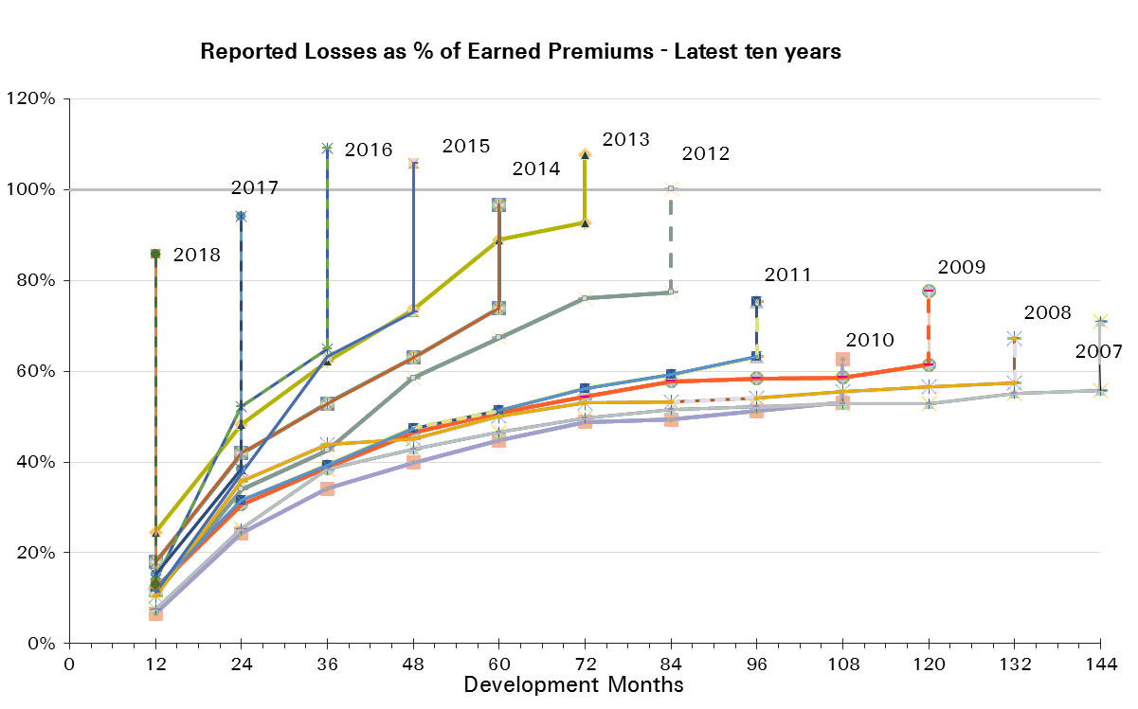
Treaty Year | Earned Premium in USDm | Reported Loss Ratios per Development Month

 |  | 12 | 24 | 36 | 48 | 60 | 72 | 84 | 96 | 108 | 120 | 132 | 144 | 156 | 168 | 180 | 192
2003 | 642 | 15% | 39% | 46% | 53% | 55% | 58% | 59% | 59% | 60% | 62% | 63% | 62% | 64% | 65% | 67% | 66%
2004 | 666 | 13% | 35% | 45% | 53% | 55% | 58% | 58% | 59% | 59% | 59% | 58% | 59% | 60% | 62% | 62%
2005 | 645 | 9% | 34% | 40% | 45% | 50% | 51% | 52% | 52% | 54% | 55% | 56% | 57% | 59% | 60%
2006 | 564 | 5% | 26% | 35% | 41% | 45% | 46% | 46% | 48% | 47% | 48% | 48% | 51% | 51%
2007 | 512 | 8% | 25% | 38% | 43% | 47% | 50% | 52% | 52% | 53% | 53% | 55% | 56%
2008 | 492 | 11% | 36% | 44% | 45% | 50% | 53% | 53% | 54% | 55% | 57% | 57%
2009 | 412 | 12% | 31% | 39% | 47% | 51% | 54% | 58% | 58% | 59% | 61%
2010 | 362 | 7% | 24% | 34% | 40% | 45% | 49% | 49% | 51% | 53%
2011 | 386 | 12% | 32% | 39% | 48% | 51% | 56% | 59% | 63%
2012 | 420 | 11% | 34% | 43% | 59% | 67% | 76% | 77%
2013 | 411 | 25% | 48% | 62% | 74% | 89% | 93%
2014 | 416 | 18% | 42% | 53% | 63% | 74%
2015 | 454 | 11% | 37% | 63% | 73%
2016 | 550 | 14% | 52% | 65%
2017 | 511 | 15% | 38%
2018 | 399 | 13%

Treaty Year | Earned Premium in USDm | Paid Loss Ratios per Development Month
 |  | 12 | 24 | 36 | 48 | 60 | 72 | 84 | 96 | 108 | 120 | 132 | 144 | 156 | 168 | 180 | 192
2003 | 642 | 1% | 6% | 11% | 17% | 22% | 27% | 30% | 34% | 36% | 38% | 39% | 41% | 43% | 44% | 45% | 46%
2004 | 666 | 2% | 7% | 13% | 20% | 24% | 28% | 30% | 34% | 37% | 39% | 40% | 42% | 43% | 44% | 45%
2005 | 645 | 1% | 5% | 11% | 17% | 23% | 27% | 31% | 34% | 36% | 38% | 39% | 40% | 41% | 41%
2006 | 564 | 0% | 4% | 9% | 13% | 19% | 22% | 25% | 28% | 30% | 31% | 32% | 32% | 33%
2007 | 512 | 2% | 4% | 11% | 16% | 21% | 25% | 30% | 32% | 34% | 36% | 37% | 39%
2008 | 492 | 2% | 11% | 18% | 25% | 29% | 34% | 37% | 39% | 41% | 42% | 43%
2009 | 412 | 1% | 10% | 18% | 23% | 28% | 31% | 35% | 39% | 40% | 42%
2010 | 362 | 0% | 3% | 10% | 15% | 21% | 26% | 30% | 32% | 33%
2011 | 386 | 1% | 7% | 14% | 20% | 29% | 34% | 38% | 43%
2012 | 420 | 0% | 4% | 11% | 25% | 33% | 41% | 45%
2013 | 411 | 2% | 16% | 30% | 41% | 50% | 60%
2014 | 416 | 1% | 10% | 20% | 28% | 39%
2015 | 454 | 0% | 5% | 20% | 36%
2016 | 550 | 1% | 9% | 19%
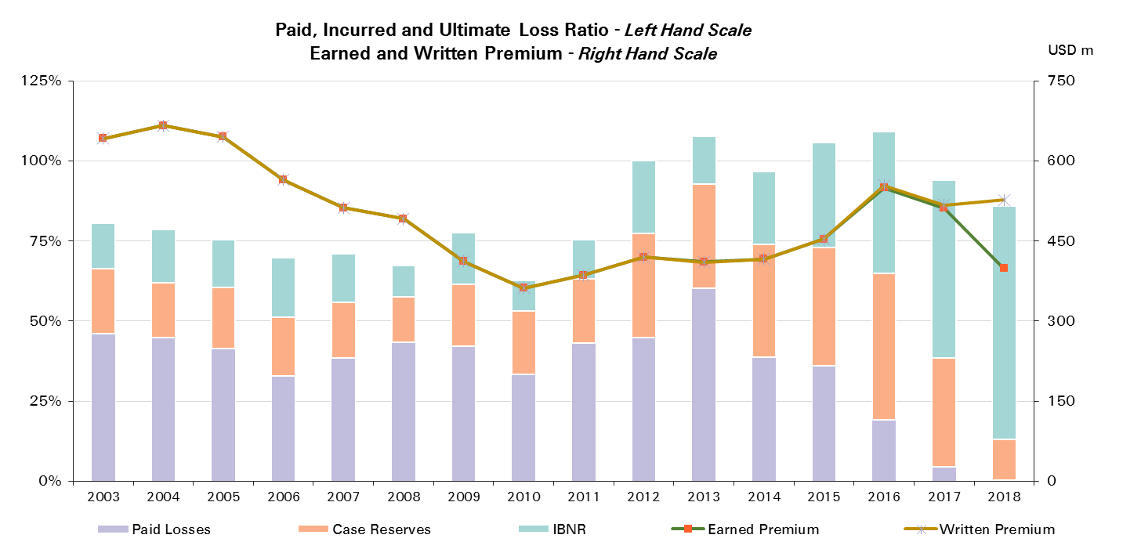
2017 | 511 | 0% | 5%
2018 | 399 | 0%

Treaty Year | Ult Loss Ratio | Paid Losses | Case Reserves | IBNR
2003 | 81% | 46% | 20% | 14%
2004 | 79% | 45% | 17% | 17%
2005 | 75% | 41% | 19% | 15%
2006 | 70% | 33% | 18% | 19%
2007 | 71% | 39% | 17% | 15%
2008 | 67% | 43% | 14% | 10%
2009 | 78% | 42% | 19% | 16%
2010 | 63% | 33% | 20% | 9%
2011 | 75% | 43% | 20% | 12%
2012 | 100% | 45% | 32% | 23%
2013 | 108% | 60% | 33% | 15%
2014 | 97% | 39% | 35% | 23%
2015 | 106% | 36% | 37% | 33%
2016 | 109% | 19% | 46% | 44%
2017 | 94% | 5% | 34% | 56%
2018 | 86% | 0% | 13% | 73%

Liability
Total Paid and Reported Losses as a Percentage of Ultimate Earned Premium

All Legal Entities |  |  |  |  |  |  |  |  |  |  |  |  |  |  |  |  |  | Liability

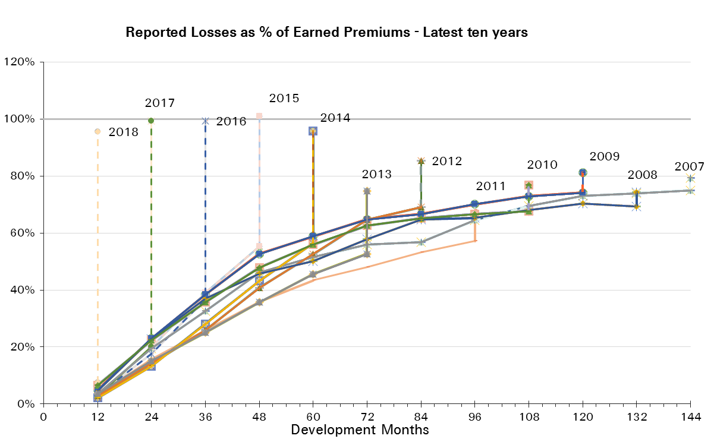
Treaty Year | Earned Premium in USDm | Reported Loss Ratios per Development Month

 |  | 12 | 24 | 36 | 48 | 60 | 72 | 84 | 96 | 108 | 120 | 132 | 144 | 156 | 168 | 180 | 192
2003 | 4,303 | 6% | 15% | 22% | 35% | 43% | 48% | 49% | 50% | 52% | 53% | 54% | 54% | 53% | 53% | 54% | 52%
2004 | 4,099 | 6% | 18% | 28% | 36% | 42% | 46% | 49% | 51% | 52% | 53% | 54% | 54% | 55% | 55% | 55%
2005 | 3,500 | 2% | 15% | 24% | 31% | 38% | 41% | 44% | 44% | 46% | 46% | 47% | 48% | 49% | 49%
2006 | 3,067 | 4% | 18% | 25% | 36% | 45% | 52% | 52% | 53% | 56% | 57% | 57% | 58% | 59%
2007 | 2,543 | 4% | 19% | 33% | 46% | 52% | 56% | 57% | 64% | 69% | 73% | 74% | 75%
2008 | 1,981 | 5% | 23% | 37% | 46% | 50% | 58% | 65% | 65% | 68% | 70% | 69%
2009 | 1,728 | 5% | 23% | 38% | 53% | 59% | 65% | 67% | 70% | 73% | 74%
2010 | 1,639 | 7% | 22% | 36% | 48% | 56% | 63% | 65% | 67% | 68%
2011 | 1,698 | 3% | 16% | 26% | 36% | 43% | 48% | 53% | 57%
2012 | 2,173 | 3% | 14% | 26% | 41% | 53% | 65% | 69%
2013 | 2,228 | 4% | 15% | 25% | 36% | 46% | 53%
2014 | 2,693 | 2% | 13% | 28% | 43% | 56%
2015 | 2,481 | 3% | 20% | 39% | 55%
2016 | 3,272 | 3% | 18% | 37%
2017 | 3,131 | 3% | 20%
2018 | 1,558 | 8%

Treaty Year | Earned Premium in USDm | Paid Loss Ratios per Development Month
 |  | 12 | 24 | 36 | 48 | 60 | 72 | 84 | 96 | 108 | 120 | 132 | 144 | 156 | 168 | 180 | 192
2003 | 4,303 | 1% | 4% | 9% | 17% | 22% | 29% | 33% | 37% | 40% | 42% | 44% | 47% | 47% | 48% | 49% | 50%
2004 | 4,099 | 0% | 5% | 11% | 17% | 26% | 32% | 38% | 42% | 45% | 47% | 48% | 50% | 51% | 52% | 53%
2005 | 3,500 | 0% | 4% | 9% | 16% | 24% | 30% | 34% | 37% | 39% | 41% | 43% | 45% | 46% | 47%
2006 | 3,067 | 0% | 4% | 10% | 18% | 25% | 37% | 42% | 45% | 47% | 50% | 51% | 53% | 54%
2007 | 2,543 | 1% | 5% | 14% | 24% | 36% | 42% | 48% | 52% | 57% | 61% | 64% | 66%
2008 | 1,981 | 1% | 6% | 14% | 21% | 28% | 38% | 50% | 54% | 58% | 61% | 61%
2009 | 1,728 | 2% | 9% | 18% | 31% | 38% | 48% | 53% | 58% | 61% | 63%
2010 | 1,639 | 2% | 8% | 19% | 29% | 40% | 50% | 54% | 57% | 60%
2011 | 1,698 | 1% | 6% | 13% | 22% | 31% | 38% | 44% | 49%
2012 | 2,173 | 1% | 7% | 13% | 26% | 40% | 50% | 59%
2013 | 2,228 | 1% | 5% | 12% | 22% | 33% | 41%
2014 | 2,693 | 1% | 4% | 13% | 26% | 40%
2015 | 2,481 | 1% | 7% | 18% | 34%
2016 | 3,272 | 1% | 6% | 16%
2017 | 3,131 | 0% | 5%
2018 | 1,558 | 1%

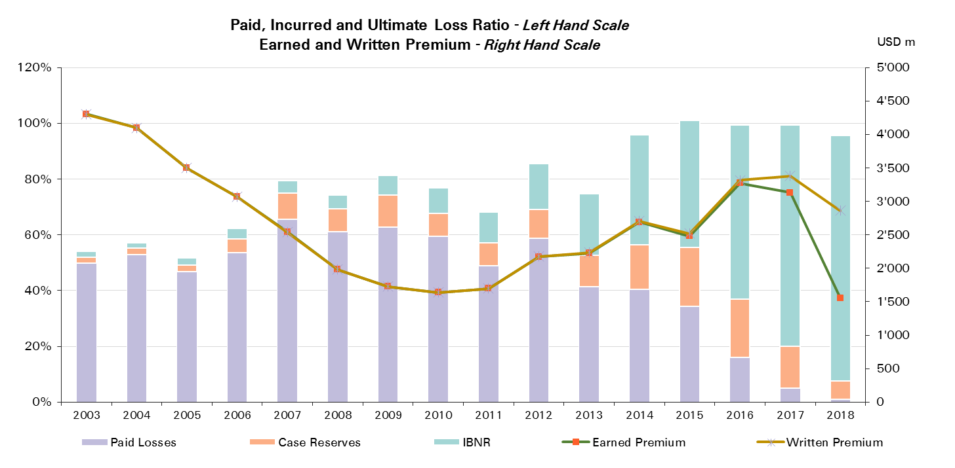
Treaty Year | Ult Loss Ratio | Paid Losses | Case Reserves | IBNR
2003 | 54% | 50% | 2% | 2%
2004 | 57% | 53% | 2% | 2%
2005 | 52% | 47% | 2% | 3%
2006 | 62% | 54% | 5% | 4%
2007 | 79% | 66% | 9% | 4%
2008 | 74% | 61% | 8% | 5%
2009 | 81% | 63% | 11% | 7%
2010 | 77% | 60% | 8% | 9%
2011 | 68% | 49% | 8% | 11%
2012 | 85% | 59% | 10% | 16%
2013 | 75% | 41% | 11% | 22%
2014 | 96% | 40% | 16% | 39%
2015 | 101% | 34% | 21% | 46%
2016 | 99% | 16% | 21% | 63%
2017 | 99% | 5% | 15% | 79%
2018 | 96% | 1% | 7% | 88%

Liability Reinsurance
Total Paid and Reported Losses as a Percentage of Ultimate Earned Premium

Reinsurance |  |  |  |  |  |  |  |  |  |  |  |  |  |  |  |  |  | Liability Reinsurance

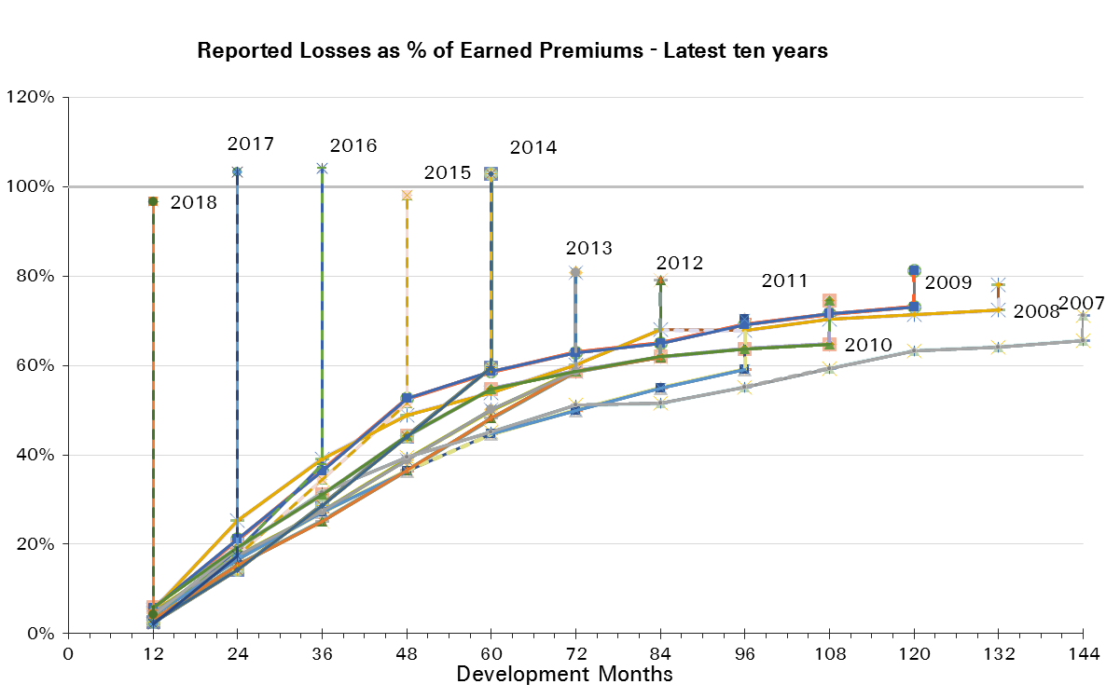
Treaty Year | Earned Premium in USDm | Reported Loss Ratios per Development Month

 |  | 12 | 24 | 36 | 48 | 60 | 72 | 84 | 96 | 108 | 120 | 132 | 144 | 156 | 168 | 180 | 192
2003 | 2,668 | 7% | 16% | 23% | 31% | 41% | 43% | 45% | 46% | 48% | 49% | 49% | 49% | 49% | 50% | 51% | 48%
2004 | 2,579 | 8% | 22% | 32% | 42% | 47% | 50% | 52% | 54% | 55% | 56% | 56% | 57% | 58% | 59% | 59%
2005 | 2,413 | 2% | 15% | 23% | 29% | 37% | 41% | 43% | 44% | 45% | 46% | 47% | 48% | 49% | 50%
2006 | 2,003 | 4% | 21% | 27% | 39% | 47% | 54% | 54% | 56% | 58% | 59% | 60% | 60% | 61%
2007 | 1,727 | 4% | 19% | 32% | 39% | 45% | 51% | 52% | 55% | 59% | 63% | 64% | 66%
2008 | 1,329 | 5% | 25% | 39% | 49% | 54% | 60% | 68% | 68% | 70% | 71% | 72%
2009 | 1,213 | 6% | 21% | 36% | 53% | 59% | 63% | 65% | 69% | 72% | 73%
2010 | 1,113 | 6% | 19% | 31% | 44% | 55% | 59% | 62% | 64% | 65%
2011 | 1,156 | 4% | 17% | 27% | 36% | 45% | 50% | 55% | 59%
2012 | 1,500 | 3% | 15% | 25% | 37% | 48% | 59% | 62%
2013 | 1,446 | 5% | 17% | 27% | 39% | 50% | 59%
2014 | 1,855 | 2% | 14% | 29% | 44% | 60%
2015 | 1,593 | 3% | 17% | 34% | 52%
2016 | 2,317 | 4% | 19% | 38%
2017 | 2,204 | 2% | 17%
2018 | 1,062 | 4%

Treaty Year | Earned Premium in USDm | Paid Loss Ratios per Development Month
 |  | 12 | 24 | 36 | 48 | 60 | 72 | 84 | 96 | 108 | 120 | 132 | 144 | 156 | 168 | 180 | 192
2003 | 2,668 | 1% | 3% | 8% | 14% | 19% | 25% | 29% | 33% | 35% | 37% | 39% | 40% | 41% | 42% | 44% | 44%
2004 | 2,579 | 0% | 5% | 12% | 18% | 27% | 34% | 40% | 44% | 47% | 49% | 50% | 52% | 53% | 55% | 56%
2005 | 2,413 | 0% | 3% | 8% | 13% | 21% | 28% | 32% | 35% | 37% | 39% | 41% | 44% | 45% | 46%
2006 | 2,003 | 1% | 4% | 9% | 19% | 26% | 37% | 41% | 45% | 48% | 50% | 52% | 53% | 54%
2007 | 1,727 | 1% | 5% | 11% | 21% | 29% | 36% | 41% | 45% | 48% | 51% | 55% | 58%
2008 | 1,329 | 1% | 6% | 15% | 21% | 28% | 35% | 50% | 55% | 59% | 63% | 64%
2009 | 1,213 | 3% | 10% | 16% | 28% | 35% | 44% | 49% | 56% | 59% | 61%
2010 | 1,113 | 2% | 8% | 15% | 24% | 35% | 43% | 47% | 51% | 53%
2011 | 1,156 | 2% | 6% | 14% | 22% | 31% | 38% | 44% | 50%
2012 | 1,500 | 1% | 7% | 13% | 23% | 34% | 43% | 50%
2013 | 1,446 | 1% | 6% | 13% | 23% | 34% | 44%
2014 | 1,855 | 1% | 5% | 13% | 26% | 41%
2015 | 1,593 | 1% | 6% | 16% | 30%
2016 | 2,317 | 1% | 6% | 16%
2017 | 2,204 | 0% | 5%
2018 | 1,062 | 1%
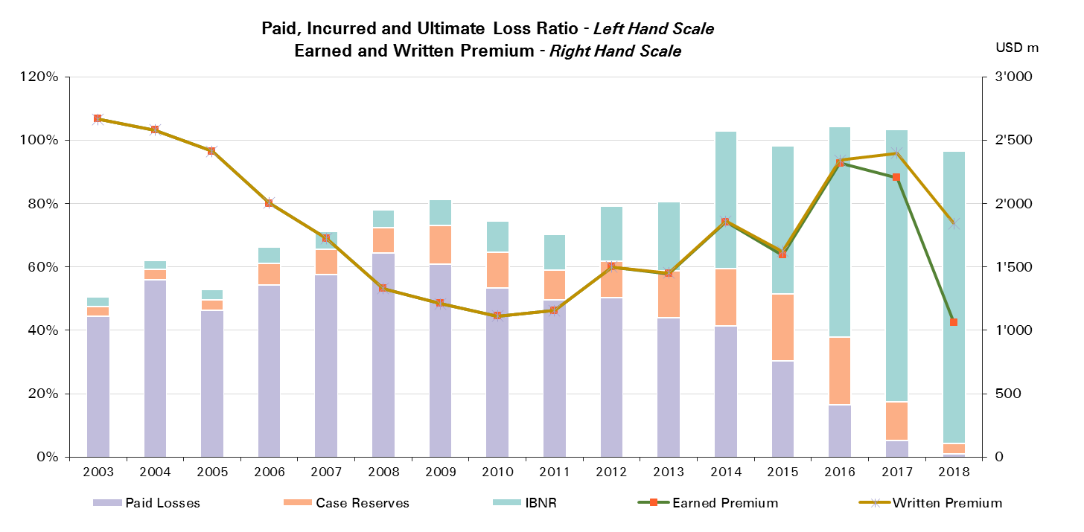

Treaty Year | Ult Loss Ratio | Paid Losses | Case Reserves | IBNR
2003 | 50% | 44% | 3% | 3%
2004 | 62% | 56% | 3% | 3%
2005 | 53% | 46% | 3% | 3%
2006 | 66% | 54% | 7% | 5%
2007 | 71% | 58% | 8% | 6%
2008 | 78% | 64% | 8% | 6%
2009 | 81% | 61% | 12% | 8%
2010 | 75% | 53% | 11% | 10%
2011 | 70% | 50% | 10% | 11%
2012 | 79% | 50% | 12% | 17%
2013 | 81% | 44% | 15% | 22%
2014 | 103% | 41% | 18% | 43%
2015 | 98% | 30% | 21% | 47%
2016 | 104% | 16% | 21% | 66%
2017 | 103% | 5% | 12% | 86%
2018 | 97% | 1% | 3% | 92%

Liability CorSo
Total Paid and Reported Losses as a Percentage of Ultimate Earned Premium

Corporate Solutions |  |  |  |  |  |  |  |  |  |  |  |  |  |  |  |  |  | Liability Corporate Solutions

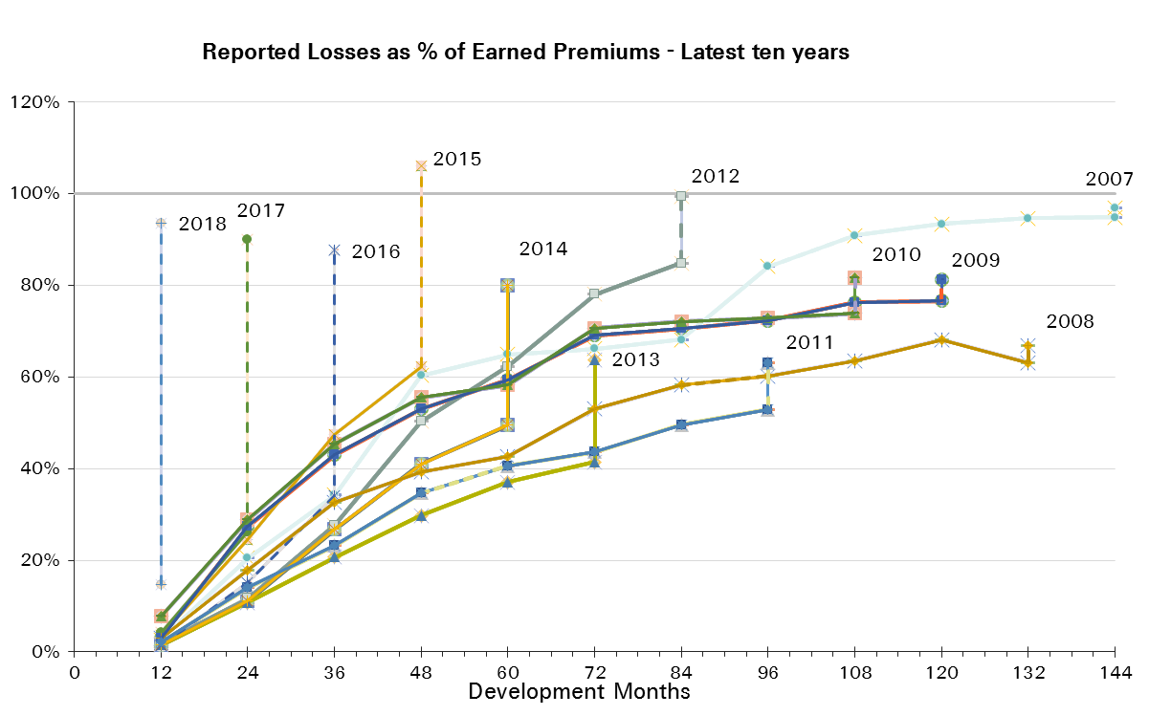
Treaty Year | Earned Premium in USDm | Reported Loss Ratios per Development Month

 |  | 12 | 24 | 36 | 48 | 60 | 72 | 84 | 96 | 108 | 120 | 132 | 144 | 156 | 168 | 180 | 192
2003 | 1,635 | 2% | 12% | 21% | 41% | 47% | 54% | 56% | 58% | 60% | 60% | 61% | 61% | 59% | 59% | 59% | 59%
2004 | 1,519 | 2% | 11% | 20% | 27% | 35% | 38% | 43% | 46% | 47% | 48% | 49% | 49% | 49% | 48% | 48%
2005 | 1,087 | 2% | 16% | 26% | 34% | 39% | 42% | 45% | 46% | 46% | 47% | 48% | 48% | 48% | 48%
2006 | 1,064 | 3% | 13% | 22% | 31% | 41% | 47% | 48% | 49% | 51% | 53% | 53% | 53% | 54%
2007 | 815 | 3% | 21% | 34% | 60% | 65% | 66% | 68% | 84% | 91% | 93% | 95% | 95%
2008 | 652 | 3% | 18% | 33% | 39% | 43% | 53% | 58% | 60% | 64% | 68% | 63%
2009 | 515 | 3% | 27% | 43% | 53% | 59% | 69% | 71% | 72% | 76% | 77%
2010 | 526 | 8% | 29% | 45% | 56% | 58% | 71% | 72% | 73% | 74%
2011 | 541 | 2% | 14% | 23% | 35% | 41% | 44% | 50% | 53%
2012 | 673 | 2% | 12% | 28% | 50% | 62% | 78% | 85%
2013 | 782 | 1% | 11% | 21% | 30% | 37% | 41%
2014 | 838 | 1% | 11% | 27% | 41% | 49%
2015 | 889 | 4% | 24% | 47% | 62%
2016 | 955 | 1% | 15% | 34%
2017 | 927 | 4% | 26%
2018 | 496 | 15%

Treaty Year | Earned Premium in USDm | Paid Loss Ratios per Development Month
 |  | 12 | 24 | 36 | 48 | 60 | 72 | 84 | 96 | 108 | 120 | 132 | 144 | 156 | 168 | 180 | 192
2003 | 1,635 | 1% | 4% | 11% | 21% | 28% | 36% | 41% | 45% | 49% | 50% | 52% | 58% | 58% | 58% | 59% | 59%
2004 | 1,519 | 0% | 4% | 11% | 17% | 24% | 30% | 34% | 37% | 41% | 43% | 44% | 45% | 46% | 46% | 48%
2005 | 1,087 | 0% | 5% | 11% | 21% | 29% | 36% | 39% | 41% | 43% | 44% | 46% | 47% | 48% | 48%
2006 | 1,064 | 0% | 4% | 11% | 18% | 24% | 38% | 43% | 45% | 47% | 49% | 50% | 52% | 52%
2007 | 815 | 0% | 5% | 21% | 31% | 51% | 55% | 63% | 67% | 77% | 80% | 82% | 82%
2008 | 652 | 1% | 5% | 13% | 21% | 29% | 44% | 49% | 52% | 55% | 58% | 54%
2009 | 515 | 1% | 6% | 24% | 36% | 45% | 57% | 62% | 64% | 66% | 68%
2010 | 526 | 1% | 9% | 27% | 38% | 51% | 65% | 69% | 70% | 72%
2011 | 541 | 1% | 5% | 13% | 22% | 33% | 38% | 45% | 48%
2012 | 673 | 0% | 5% | 13% | 31% | 53% | 67% | 78%
2013 | 782 | 0% | 4% | 11% | 21% | 31% | 36%
2014 | 838 | 0% | 3% | 11% | 26% | 38%
2015 | 889 | 0% | 7% | 23% | 41%
2016 | 955 | 0% | 6% | 15%
2017 | 927 | 0% | 4%
2018 | 496 | 1%

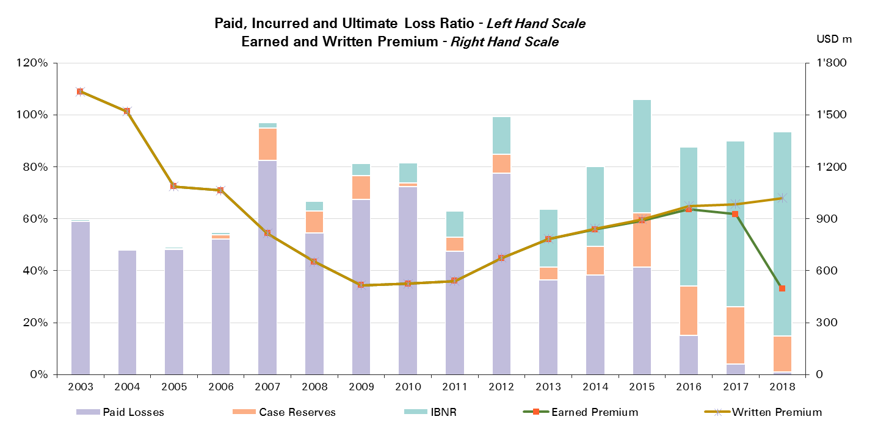
Treaty Year | Ult Loss Ratio | Paid Losses | Case Reserves | IBNR
2003 | 60% | 59% | 0% | 1%
2004 | 49% | 48% | 0% | 0%
2005 | 49% | 48% | 0% | 1%
2006 | 55% | 52% | 1% | 1%
2007 | 97% | 82% | 12% | 2%
2008 | 67% | 54% | 9% | 4%
2009 | 81% | 68% | 9% | 5%
2010 | 82% | 72% | 1% | 8%
2011 | 63% | 48% | 5% | 10%
2012 | 99% | 78% | 7% | 14%
2013 | 64% | 36% | 5% | 22%
2014 | 80% | 38% | 11% | 31%
2015 | 106% | 41% | 21% | 44%
2016 | 88% | 15% | 19% | 53%
2017 | 90% | 4% | 22% | 64%
2018 | 94% | 1% | 14% | 79%

Liability - NP
Total Paid and Reported Losses as a Percentage of Ultimate Earned Premium

Reinsurance |  |  |  |  |  |  |  |  |  |  |  |  |  |  |  |  |  | Liability NP Reinsurance

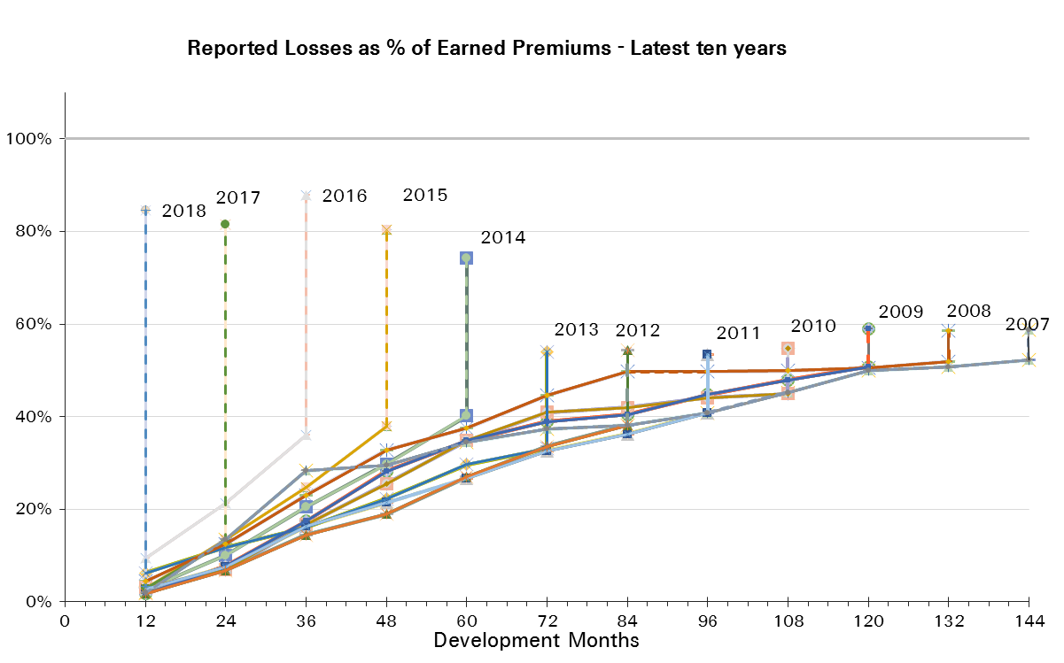
Treaty Year | Earned Premium in USDm | Reported Loss Ratios per Development Month

 |  | 12 | 24 | 36 | 48 | 60 | 72 | 84 | 96 | 108 | 120 | 132 | 144 | 156 | 168 | 180 | 192
2003 | 1,608 | 4% | 11% | 18% | 26% | 35% | 37% | 38% | 39% | 42% | 43% | 43% | 43% | 43% | 43% | 43% | 39%
2004 | 1,524 | 7% | 21% | 32% | 42% | 45% | 47% | 47% | 49% | 49% | 50% | 51% | 51% | 52% | 52% | 52%
2005 | 1,298 | 2% | 10% | 18% | 24% | 28% | 30% | 32% | 31% | 32% | 33% | 34% | 34% | 35% | 35%
2006 | 1,031 | 5% | 19% | 23% | 33% | 40% | 46% | 46% | 46% | 48% | 50% | 51% | 50% | 51%
2007 | 834 | 2% | 13% | 28% | 29% | 34% | 37% | 38% | 41% | 45% | 50% | 51% | 52%
2008 | 655 | 4% | 12% | 23% | 33% | 38% | 45% | 50% | 50% | 50% | 50% | 52%
2009 | 521 | 2% | 8% | 17% | 28% | 35% | 39% | 40% | 45% | 48% | 51%
2010 | 520 | 3% | 7% | 17% | 26% | 35% | 41% | 42% | 44% | 45%
2011 | 532 | 3% | 8% | 16% | 21% | 27% | 33% | 36% | 41%
2012 | 533 | 2% | 7% | 14% | 19% | 27% | 34% | 38%
2013 | 561 | 6% | 12% | 16% | 22% | 30% | 33%
2014 | 549 | 3% | 10% | 21% | 30% | 40%
2015 | 522 | 3% | 13% | 25% | 38%
2016 | 505 | 9% | 21% | 36%
2017 | 500 | 3% | 13%
2018 | 347 | 3%

Treaty Year | Earned Premium in USDm | Paid Loss Ratios per Development Month
 |  | 12 | 24 | 36 | 48 | 60 | 72 | 84 | 96 | 108 | 120 | 132 | 144 | 156 | 168 | 180 | 192
2003 | 1,608 | 0% | 1% | 4% | 9% | 14% | 19% | 22% | 26% | 28% | 30% | 31% | 32% | 32% | 33% | 35% | 35%
2004 | 1,524 | 0% | 4% | 10% | 15% | 25% | 31% | 35% | 39% | 41% | 43% | 45% | 46% | 48% | 48% | 48%
2005 | 1,298 | 0% | 2% | 5% | 9% | 14% | 18% | 20% | 23% | 25% | 27% | 28% | 30% | 31% | 31%
2006 | 1,031 | 0% | 2% | 6% | 13% | 19% | 28% | 31% | 34% | 36% | 39% | 41% | 42% | 43%
2007 | 834 | 0% | 1% | 5% | 12% | 18% | 23% | 27% | 31% | 33% | 35% | 40% | 41%
2008 | 655 | 0% | 2% | 7% | 11% | 17% | 23% | 36% | 39% | 41% | 43% | 44%
2009 | 521 | 0% | 2% | 5% | 10% | 14% | 24% | 27% | 28% | 31% | 32%
2010 | 520 | 1% | 2% | 4% | 13% | 21% | 24% | 27% | 31% | 33%
2011 | 532 | 0% | 1% | 5% | 11% | 18% | 24% | 27% | 31%
2012 | 533 | 0% | 1% | 3% | 9% | 14% | 19% | 25%
2013 | 561 | 0% | 1% | 5% | 10% | 15% | 18%
2014 | 549 | 0% | 1% | 7% | 13% | 22%
2015 | 522 | 0% | 1% | 5% | 15%
2016 | 505 | 0% | 5% | 9%
2017 | 500 | 0% | 2%
2018 | 347 | 0%
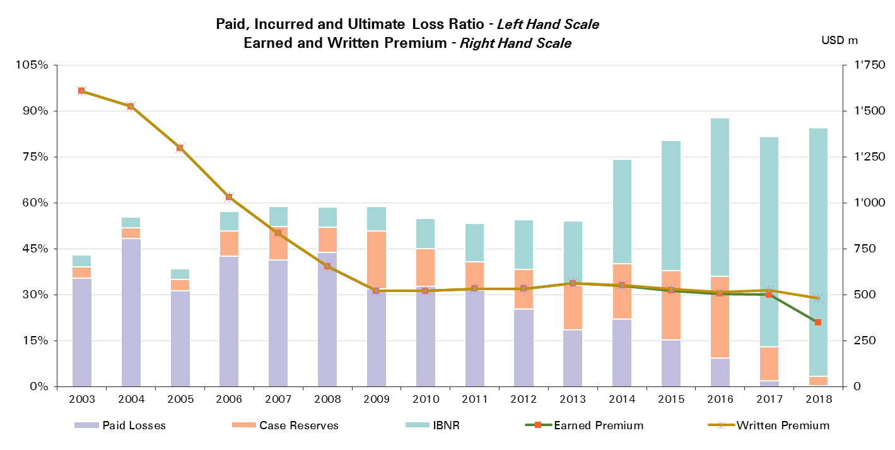

Treaty Year | Ult Loss Ratio | Paid Losses | Case Reserves | IBNR
2003 | 43% | 35% | 4% | 4%
2004 | 55% | 48% | 3% | 4%
2005 | 39% | 31% | 4% | 4%
2006 | 57% | 43% | 8% | 6%
2007 | 59% | 41% | 11% | 7%
2008 | 59% | 44% | 8% | 7%
2009 | 59% | 32% | 19% | 8%
2010 | 55% | 33% | 12% | 10%
2011 | 53% | 31% | 9% | 13%
2012 | 54% | 25% | 13% | 16%
2013 | 54% | 18% | 15% | 21%
2014 | 74% | 22% | 18% | 34%
2015 | 80% | 15% | 23% | 43%
2016 | 88% | 9% | 27% | 52%
2017 | 82% | 2% | 11% | 69%
2018 | 85% | 0% | 3% | 81%

Liability - Prop & Direct
Total Paid and Reported Losses as a Percentage of Ultimate Earned Premium

Reinsurance |  |  |  |  |  |  |  |  |  |  |  |  |  |  |  |  |  | Liability - Prop & Direct Reinsurance

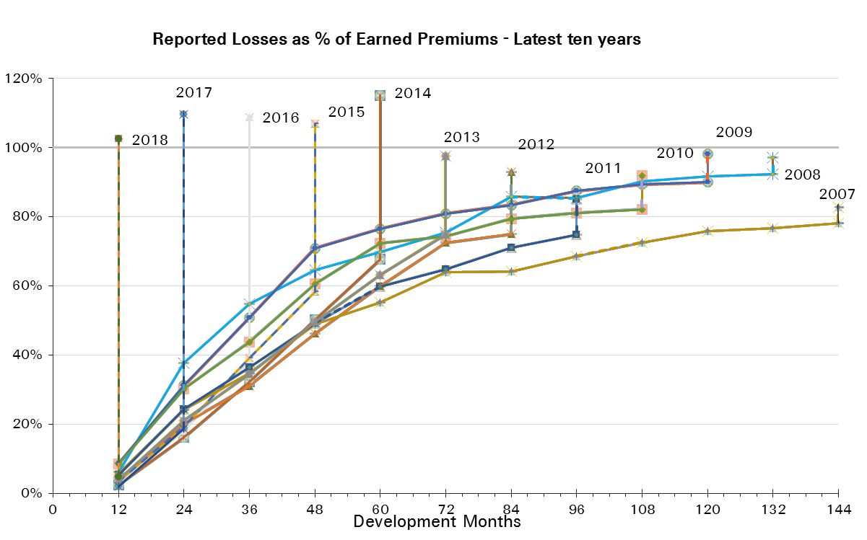
Treaty Year | Earned Premium in USDm | Reported Loss Ratios per Development Month

 |  | 12 | 24 | 36 | 48 | 60 | 72 | 84 | 96 | 108 | 120 | 132 | 144 | 156 | 168 | 180 | 192
2003 | 1,060 | 13% | 25% | 31% | 40% | 49% | 53% | 55% | 56% | 57% | 58% | 58% | 59% | 59% | 60% | 61% | 61%
2004 | 1,055 | 10% | 24% | 32% | 41% | 50% | 56% | 60% | 62% | 64% | 64% | 65% | 65% | 67% | 69% | 70%
2005 | 1,114 | 2% | 22% | 29% | 36% | 48% | 54% | 57% | 58% | 60% | 61% | 62% | 63% | 65% | 67%
2006 | 972 | 3% | 22% | 31% | 46% | 55% | 63% | 64% | 65% | 68% | 70% | 70% | 71% | 72%
2007 | 894 | 6% | 24% | 35% | 49% | 55% | 64% | 64% | 69% | 73% | 76% | 77% | 78%
2008 | 674 | 6% | 38% | 55% | 65% | 70% | 75% | 86% | 85% | 90% | 92% | 92%
2009 | 692 | 9% | 31% | 51% | 71% | 76% | 81% | 83% | 87% | 89% | 90%
2010 | 593 | 8% | 30% | 44% | 61% | 72% | 74% | 79% | 81% | 82%
2011 | 624 | 5% | 24% | 36% | 49% | 60% | 65% | 71% | 75%
2012 | 967 | 4% | 20% | 31% | 46% | 60% | 72% | 75%
2013 | 885 | 4% | 21% | 34% | 49% | 63% | 75%
2014 | 1,306 | 2% | 16% | 32% | 50% | 68%
2015 | 1,071 | 3% | 19% | 39% | 58%
2016 | 1,813 | 2% | 18% | 38%
2017 | 1,704 | 2% | 19%
2018 | 715 | 5%

Treaty Year | Earned Premium in USDm | Paid Loss Ratios per Development Month
 |  | 12 | 24 | 36 | 48 | 60 | 72 | 84 | 96 | 108 | 120 | 132 | 144 | 156 | 168 | 180 | 192
2003 | 1,060 | 1% | 7% | 13% | 21% | 27% | 34% | 39% | 44% | 47% | 49% | 51% | 53% | 54% | 56% | 57% | 58%
2004 | 1,055 | 1% | 6% | 14% | 22% | 29% | 38% | 48% | 52% | 55% | 57% | 59% | 60% | 62% | 65% | 67%
2005 | 1,114 | 0% | 5% | 12% | 18% | 30% | 40% | 45% | 49% | 52% | 54% | 57% | 59% | 61% | 64%
2006 | 972 | 1% | 7% | 13% | 25% | 34% | 47% | 52% | 57% | 60% | 62% | 63% | 65% | 67%
2007 | 894 | 2% | 8% | 17% | 29% | 38% | 47% | 54% | 58% | 61% | 66% | 70% | 73%
2008 | 674 | 1% | 10% | 23% | 30% | 38% | 47% | 64% | 70% | 77% | 82% | 85%
2009 | 692 | 5% | 17% | 24% | 42% | 51% | 60% | 67% | 76% | 80% | 83%
2010 | 593 | 4% | 13% | 25% | 35% | 47% | 59% | 65% | 68% | 72%
2011 | 624 | 2% | 11% | 21% | 31% | 41% | 50% | 59% | 65%
2012 | 967 | 2% | 11% | 19% | 31% | 45% | 56% | 64%
2013 | 885 | 1% | 9% | 19% | 32% | 46% | 60%
2014 | 1,306 | 1% | 7% | 16% | 31% | 50%
2015 | 1,071 | 1% | 8% | 21% | 38%
2016 | 1,813 | 1% | 6% | 18%
2017 | 1,704 | 1% | 6%
2018 | 715 | 1%

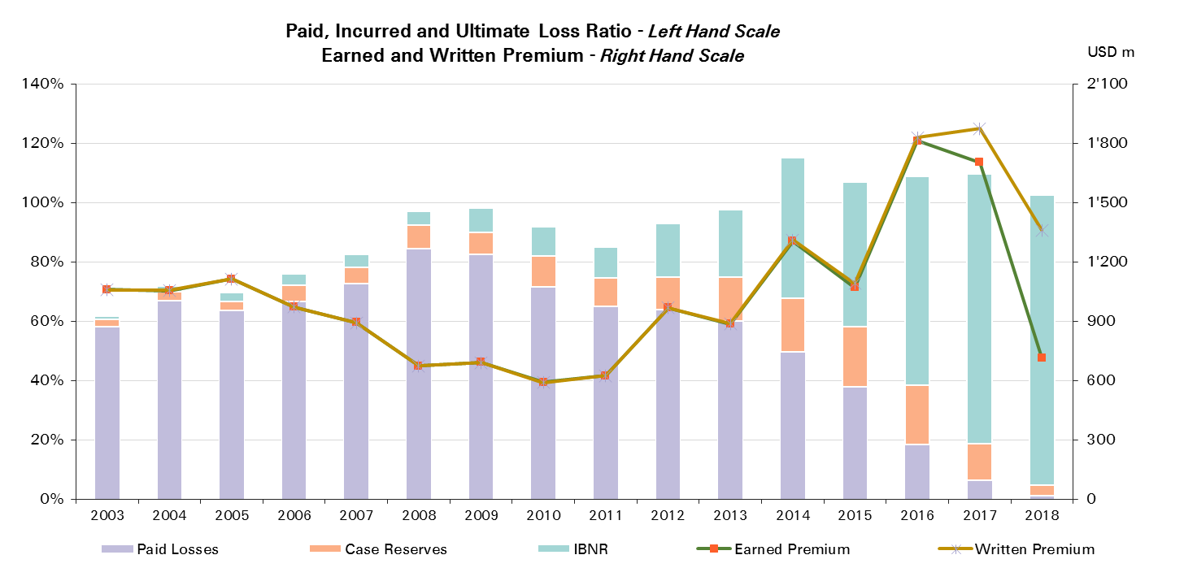
Treaty Year | Ult Loss Ratio | Paid Losses | Case Reserves | IBNR
2003 | 62% | 58% | 2% | 1%
2004 | 72% | 67% | 3% | 2%
2005 | 70% | 64% | 3% | 3%
2006 | 76% | 67% | 5% | 4%
2007 | 83% | 73% | 5% | 5%
2008 | 97% | 85% | 8% | 5%
2009 | 98% | 83% | 7% | 8%
2010 | 92% | 72% | 11% | 10%
2011 | 85% | 65% | 10% | 10%
2012 | 93% | 64% | 11% | 18%
2013 | 98% | 60% | 15% | 23%
2014 | 115% | 50% | 18% | 47%
2015 | 107% | 38% | 20% | 49%
2016 | 109% | 18% | 20% | 70%
2017 | 110% | 6% | 12% | 91%
2018 | 102% | 1% | 3% | 98%

Accident & Health and WC
Total Paid and Reported Losses as a Percentage of Ultimate Earned Premium

All Legal Entities |  |  |  |  |  |  |  |  |  |  |  |  |  |  |  |  |  | Accident & Health and WC

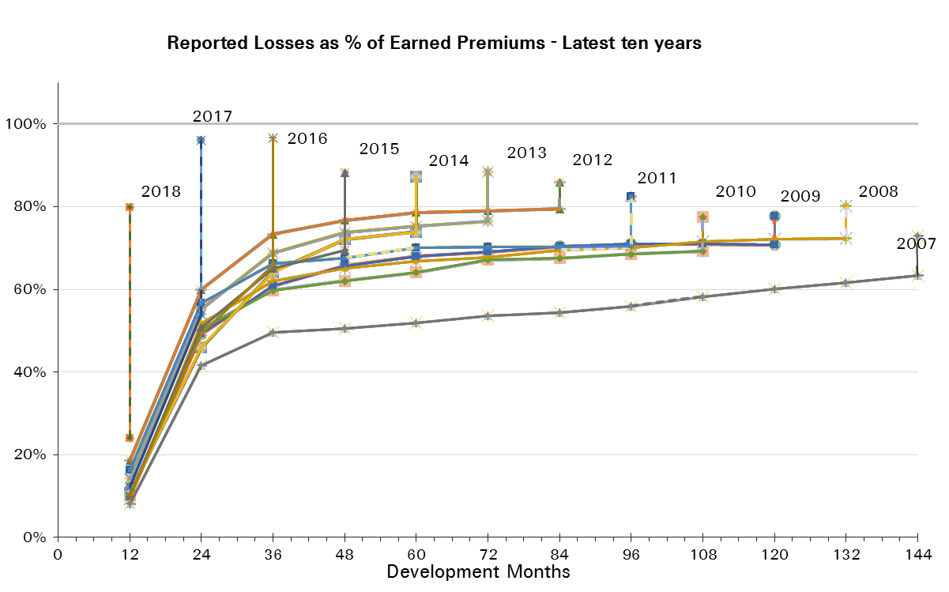
Treaty Year | Earned Premium in USDm | Reported Loss Ratios per Development Month

 |  | 12 | 24 | 36 | 48 | 60 | 72 | 84 | 96 | 108 | 120 | 132 | 144 | 156 | 168 | 180 | 192
2003 | 1,045 | 15% | 44% | 57% | 60% | 61% | 63% | 66% | 65% | 66% | 66% | 67% | 68% | 69% | 70% | 70% | 70%
2004 | 843 | 15% | 46% | 53% | 56% | 57% | 58% | 61% | 61% | 61% | 62% | 63% | 63% | 64% | 64% | 65%
2005 | 977 | 10% | 45% | 55% | 58% | 60% | 62% | 63% | 65% | 66% | 66% | 66% | 67% | 68% | 68%
2006 | 789 | 9% | 46% | 58% | 59% | 60% | 62% | 63% | 63% | 65% | 66% | 66% | 67% | 67%
2007 | 711 | 8% | 42% | 50% | 51% | 52% | 54% | 54% | 56% | 58% | 60% | 62% | 63%
2008 | 512 | 9% | 52% | 62% | 65% | 67% | 68% | 70% | 70% | 72% | 72% | 72%
2009 | 465 | 10% | 49% | 61% | 66% | 68% | 69% | 70% | 71% | 71% | 71%
2010 | 332 | 10% | 50% | 60% | 62% | 64% | 67% | 68% | 69% | 69%
2011 | 337 | 16% | 57% | 66% | 68% | 70% | 70% | 70% | 70%
2012 | 724 | 19% | 60% | 73% | 77% | 79% | 79% | 79%
2013 | 452 | 14% | 55% | 69% | 74% | 75% | 76%
2014 | 658 | 11% | 46% | 64% | 72% | 74%
2015 | 444 | 10% | 51% | 65% | 69%
2016 | 1,039 | 10% | 49% | 66%
2017 | 999 | 12% | 54%
2018 | 446 | 24%

Treaty Year | Earned Premium in USDm | Paid Loss Ratios per Development Month
 |  | 12 | 24 | 36 | 48 | 60 | 72 | 84 | 96 | 108 | 120 | 132 | 144 | 156 | 168 | 180 | 192
2003 | 1,045 | 5% | 27% | 40% | 46% | 49% | 52% | 54% | 55% | 57% | 58% | 59% | 61% | 62% | 63% | 63% | 65%
2004 | 843 | 5% | 27% | 35% | 41% | 43% | 46% | 48% | 50% | 51% | 52% | 53% | 54% | 55% | 56% | 57%
2005 | 977 | 3% | 23% | 34% | 41% | 46% | 50% | 52% | 54% | 55% | 56% | 57% | 58% | 59% | 60%
2006 | 789 | 4% | 22% | 37% | 43% | 49% | 52% | 54% | 56% | 57% | 58% | 59% | 60% | 61%
2007 | 711 | 3% | 20% | 32% | 38% | 42% | 44% | 46% | 47% | 49% | 50% | 52% | 54%
2008 | 512 | 4% | 29% | 44% | 53% | 57% | 60% | 62% | 63% | 65% | 65% | 66%
2009 | 465 | 5% | 31% | 46% | 54% | 58% | 61% | 62% | 64% | 65% | 66%
2010 | 332 | 6% | 35% | 48% | 52% | 55% | 57% | 58% | 62% | 63%
2011 | 337 | 11% | 40% | 51% | 56% | 59% | 61% | 63% | 63%
2012 | 724 | 16% | 50% | 64% | 69% | 72% | 74% | 75%
2013 | 452 | 9% | 39% | 54% | 60% | 64% | 66%
2014 | 658 | 6% | 29% | 45% | 55% | 61%
2015 | 444 | 5% | 32% | 48% | 56%
2016 | 1,039 | 7% | 33% | 49%
2017 | 999 | 8% | 36%
2018 | 446 | 21%

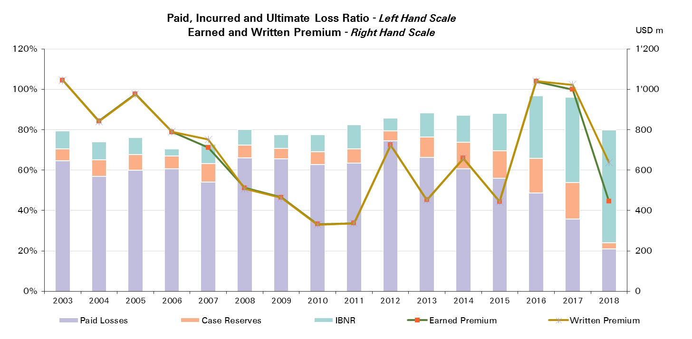
Treaty Year | Ult Loss Ratio | Paid Losses | Case Reserves | IBNR
2003 | 79% | 65% | 6% | 9%
2004 | 74% | 57% | 8% | 9%
2005 | 76% | 60% | 8% | 9%
2006 | 71% | 61% | 6% | 3%
2007 | 73% | 54% | 9% | 10%
2008 | 80% | 66% | 6% | 8%
2009 | 78% | 66% | 5% | 7%
2010 | 78% | 63% | 6% | 8%
2011 | 82% | 63% | 7% | 12%
2012 | 86% | 75% | 5% | 6%
2013 | 88% | 66% | 10% | 12%
2014 | 87% | 61% | 13% | 13%
2015 | 88% | 56% | 13% | 19%
2016 | 97% | 49% | 17% | 31%
2017 | 96% | 36% | 18% | 42%
2018 | 80% | 21% | 3% | 56%

Accident & Health and WC Reins
Total Paid and Reported Losses as a Percentage of Ultimate Earned Premium

Reinsurance |  |  |  |  |  |  |  |  |  |  |  |  |  |  |  |  |  | Accident & Health Reinsurance

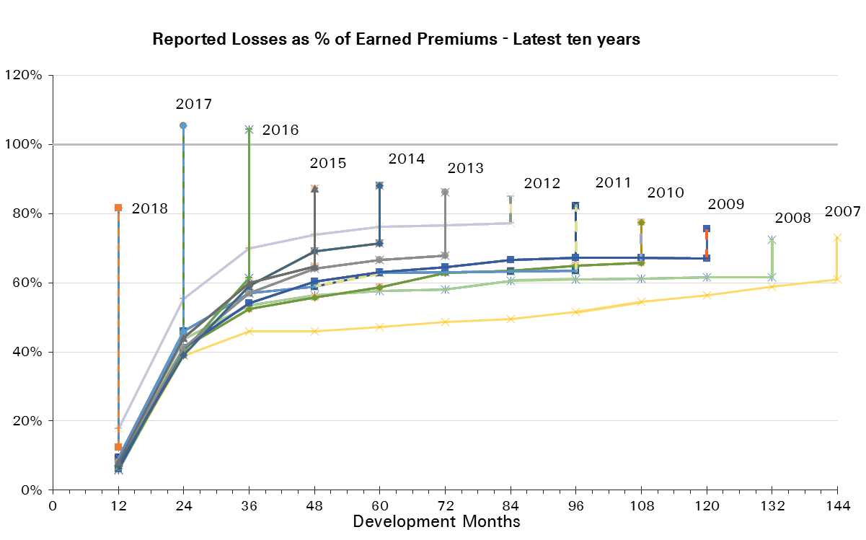
Treaty Year | Earned Premium in USDm | Reported Loss Ratios per Development Month

 |  | 12 | 24 | 36 | 48 | 60 | 72 | 84 | 96 | 108 | 120 | 132 | 144 | 156 | 168 | 180 | 192
2003 | 458 | 16% | 43% | 46% | 47% | 48% | 49% | 55% | 49% | 49% | 48% | 48% | 50% | 51% | 51% | 51% | 51%
2004 | 419 | 17% | 47% | 50% | 54% | 54% | 54% | 55% | 55% | 55% | 55% | 56% | 55% | 56% | 56% | 58%
2005 | 605 | 6% | 43% | 53% | 55% | 56% | 58% | 59% | 61% | 61% | 62% | 62% | 63% | 62% | 62%
2006 | 503 | 7% | 43% | 53% | 55% | 55% | 57% | 58% | 59% | 60% | 61% | 61% | 62% | 62%
2007 | 459 | 6% | 39% | 46% | 46% | 47% | 49% | 50% | 52% | 54% | 56% | 59% | 61%
2008 | 325 | 6% | 44% | 54% | 56% | 58% | 58% | 61% | 61% | 61% | 62% | 62%
2009 | 309 | 6% | 41% | 54% | 60% | 63% | 65% | 67% | 67% | 67% | 67%
2010 | 236 | 7% | 41% | 52% | 56% | 59% | 63% | 63% | 65% | 66%
2011 | 212 | 9% | 46% | 57% | 59% | 63% | 63% | 63% | 63%
2012 | 599 | 18% | 55% | 70% | 74% | 76% | 77% | 77%
2013 | 289 | 8% | 41% | 57% | 64% | 67% | 68%
2014 | 518 | 7% | 39% | 59% | 69% | 71%
2015 | 362 | 8% | 44% | 60% | 65%
2016 | 740 | 6% | 40% | 61%
2017 | 689 | 8% | 46%
2018 | 156 | 12%

Treaty Year | Earned Premium in USDm | Paid Loss Ratios per Development Month
 |  | 12 | 24 | 36 | 48 | 60 | 72 | 84 | 96 | 108 | 120 | 132 | 144 | 156 | 168 | 180 | 192
2003 | 458 | 1% | 16% | 24% | 30% | 34% | 36% | 38% | 39% | 40% | 41% | 42% | 43% | 44% | 44% | 45% | 45%
2004 | 419 | 2% | 20% | 28% | 34% | 36% | 39% | 42% | 45% | 46% | 47% | 47% | 48% | 49% | 49% | 51%
2005 | 605 | 0% | 16% | 27% | 35% | 41% | 45% | 46% | 48% | 50% | 51% | 51% | 52% | 53% | 54%
2006 | 503 | 2% | 17% | 30% | 37% | 44% | 47% | 49% | 51% | 52% | 53% | 54% | 55% | 56%
2007 | 459 | 2% | 14% | 25% | 30% | 35% | 36% | 38% | 40% | 41% | 44% | 46% | 48%
2008 | 325 | 1% | 16% | 31% | 42% | 46% | 49% | 51% | 52% | 54% | 54% | 55%
2009 | 309 | 2% | 20% | 35% | 45% | 49% | 54% | 55% | 57% | 59% | 60%
2010 | 236 | 2% | 20% | 36% | 42% | 46% | 48% | 50% | 56% | 57%
2011 | 212 | 2% | 19% | 33% | 41% | 46% | 48% | 51% | 52%
2012 | 599 | 15% | 43% | 58% | 64% | 68% | 70% | 71%
2013 | 289 | 2% | 17% | 34% | 43% | 49% | 52%
2014 | 518 | 2% | 19% | 35% | 47% | 55%
2015 | 362 | 2% | 22% | 39% | 48%
2016 | 740 | 2% | 19% | 38%
2017 | 689 | 2% | 20%
2018 | 156 | 4%
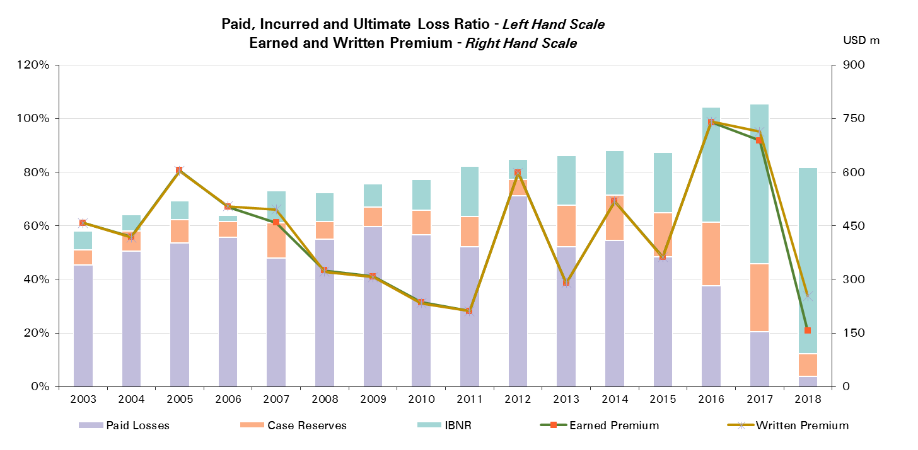

Treaty Year | Ult Loss Ratio | Paid Losses | Case Reserves | IBNR
2003 | 58% | 45% | 6% | 7%
2004 | 64% | 51% | 8% | 6%
2005 | 69% | 54% | 9% | 7%
2006 | 64% | 56% | 6% | 2%
2007 | 73% | 48% | 13% | 12%
2008 | 72% | 55% | 7% | 11%
2009 | 76% | 60% | 7% | 9%
2010 | 77% | 57% | 9% | 12%
2011 | 82% | 52% | 11% | 19%
2012 | 85% | 71% | 6% | 8%
2013 | 86% | 52% | 16% | 18%
2014 | 88% | 55% | 17% | 17%
2015 | 87% | 48% | 16% | 23%
2016 | 104% | 38% | 24% | 43%
2017 | 105% | 20% | 25% | 60%
2018 | 82% | 4% | 9% | 69%

A&H and WC CorSo
Total Paid and Reported Losses as a Percentage of Ultimate Earned Premium

Corporate Solutions |  |  |  |  |  |  |  |  |  |  |  |  |  |  |  |  |  | Accident & Health Corporate Solutions

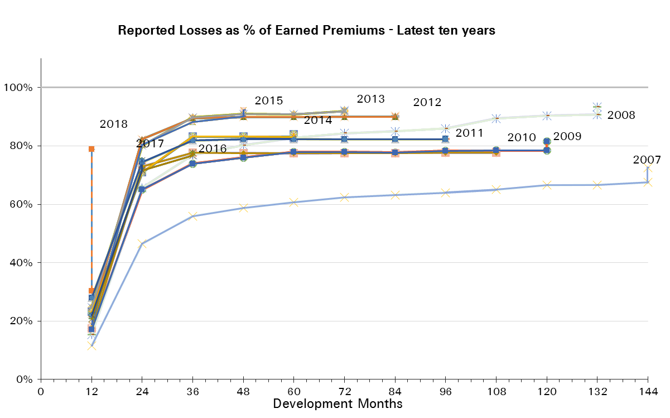
Treaty Year | Earned Premium in USDm | Reported Loss Ratios per Development Month

 |  | 12 | 24 | 36 | 48 | 60 | 72 | 84 | 96 | 108 | 120 | 132 | 144 | 156 | 168 | 180 | 192
2003 | 587 | 14% | 44% | 66% | 69% | 71% | 74% | 76% | 78% | 79% | 80% | 81% | 83% | 84% | 84% | 84% | 86%
2004 | 423 | 13% | 46% | 56% | 59% | 60% | 62% | 66% | 68% | 68% | 68% | 69% | 71% | 71% | 72% | 72%
2005 | 372 | 16% | 49% | 58% | 62% | 65% | 68% | 70% | 72% | 73% | 72% | 74% | 75% | 76% | 76%
2006 | 286 | 14% | 51% | 67% | 66% | 68% | 70% | 71% | 71% | 73% | 75% | 75% | 76% | 77%
2007 | 252 | 12% | 46% | 56% | 59% | 61% | 62% | 63% | 64% | 65% | 67% | 67% | 68%
2008 | 187 | 15% | 66% | 77% | 80% | 83% | 84% | 85% | 86% | 89% | 90% | 91%
2009 | 156 | 17% | 65% | 74% | 76% | 78% | 78% | 78% | 78% | 78% | 78%
2010 | 96 | 17% | 73% | 78% | 78% | 77% | 78% | 78% | 78% | 78%
2011 | 126 | 28% | 74% | 82% | 82% | 82% | 82% | 82% | 82%
2012 | 126 | 23% | 82% | 89% | 90% | 90% | 90% | 90%
2013 | 163 | 25% | 80% | 90% | 91% | 91% | 92%
2014 | 140 | 23% | 71% | 83% | 83% | 83%
2015 | 81 | 19% | 80% | 88% | 90%
2016 | 299 | 21% | 72% | 77%
2017 | 310 | 22% | 72%
2018 | 291 | 30%

Treaty Year | Earned Premium in USDm | Paid Loss Ratios per Development Month
 |  | 12 | 24 | 36 | 48 | 60 | 72 | 84 | 96 | 108 | 120 | 132 | 144 | 156 | 168 | 180 | 192
2003 | 587 | 9% | 35% | 53% | 59% | 62% | 64% | 66% | 68% | 70% | 72% | 73% | 75% | 76% | 77% | 78% | 80%
2004 | 423 | 8% | 33% | 41% | 48% | 51% | 53% | 55% | 56% | 57% | 58% | 60% | 61% | 61% | 62% | 63%
2005 | 372 | 9% | 34% | 45% | 51% | 56% | 58% | 61% | 63% | 65% | 66% | 67% | 68% | 70% | 70%
2006 | 286 | 7% | 31% | 49% | 53% | 58% | 62% | 63% | 64% | 66% | 67% | 68% | 69% | 69%
2007 | 252 | 5% | 31% | 45% | 52% | 55% | 57% | 59% | 60% | 62% | 63% | 64% | 65%
2008 | 187 | 9% | 50% | 66% | 72% | 76% | 79% | 82% | 83% | 84% | 85% | 86%
2009 | 156 | 12% | 55% | 67% | 71% | 73% | 75% | 76% | 77% | 77% | 77%
2010 | 96 | 16% | 72% | 77% | 77% | 77% | 78% | 78% | 78% | 78%
2011 | 126 | 27% | 74% | 82% | 82% | 82% | 82% | 82% | 82%
2012 | 126 | 22% | 82% | 89% | 90% | 90% | 90% | 90%
2013 | 163 | 23% | 79% | 90% | 91% | 91% | 92%
2014 | 140 | 20% | 67% | 82% | 83% | 83%
2015 | 81 | 18% | 76% | 88% | 90%
2016 | 299 | 20% | 70% | 76%
2017 | 310 | 21% | 70%
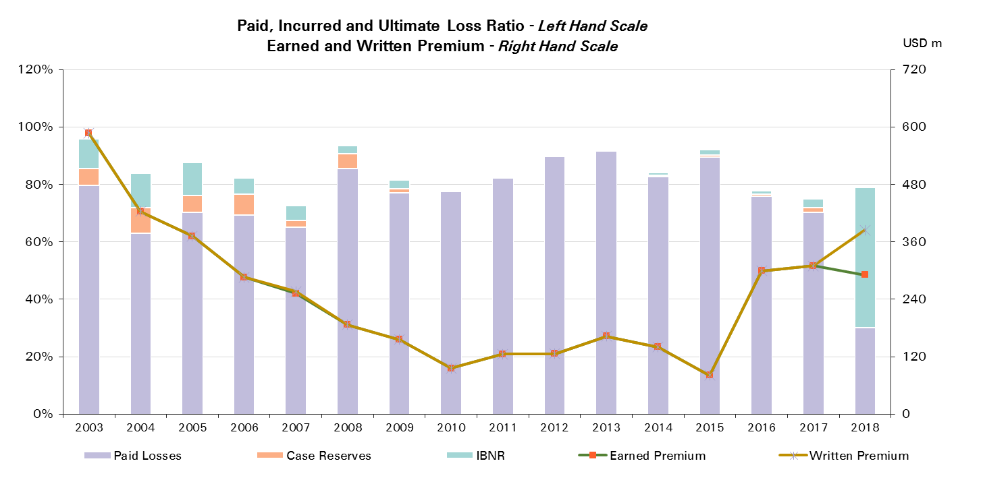
2018 | 291 | 30%

Treaty Year | Ult Loss Ratio | Paid Losses | Case Reserves | IBNR
2003 | 96% | 80% | 6% | 10%
2004 | 84% | 63% | 9% | 12%
2005 | 88% | 70% | 6% | 11%
2006 | 82% | 69% | 7% | 6%
2007 | 73% | 65% | 2% | 5%
2008 | 93% | 86% | 5% | 3%
2009 | 82% | 77% | 1% | 3%
2010 | 78% | 78% | 0% | 0%
2011 | 83% | 82% | 0% | 0%
2012 | 90% | 90% | 0% | 0%
2013 | 92% | 92% | 0% | 0%
2014 | 84% | 83% | 0% | 1%
2015 | 92% | 90% | 1% | 2%
2016 | 78% | 76% | 1% | 1%
2017 | 75% | 70% | 1% | 3%
2018 | 79% | 30% | 0% | 49%

Specialty
Total Paid and Reported Losses as a Percentage of Ultimate Earned Premium

All Legal Entities |  |  |  |  |  |  |  |  |  |  |  |  |  |  |  |  |  | Specialty

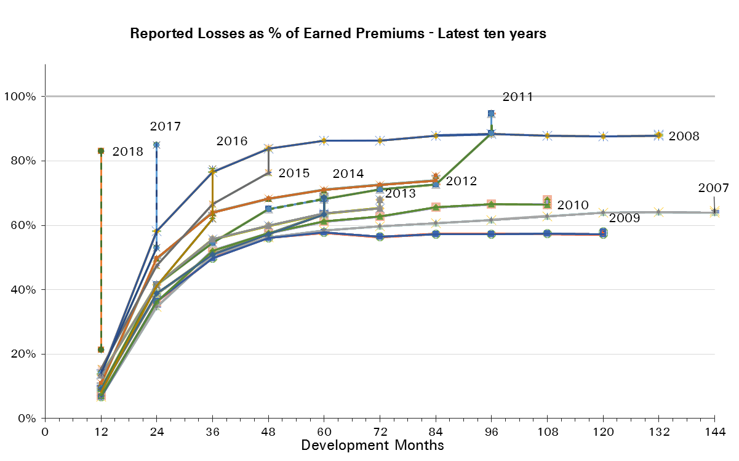
Treaty Year | Earned Premium in USDm | Reported Loss Ratios per Development Month

 |  | 12 | 24 | 36 | 48 | 60 | 72 | 84 | 96 | 108 | 120 | 132 | 144 | 156 | 168 | 180 | 192
2003 | 2,820 | 8% | 27% | 37% | 42% | 44% | 45% | 45% | 45% | 45% | 45% | 45% | 45% | 45% | 45% | 44% | 44%
2004 | 2,788 | 11% | 38% | 53% | 59% | 61% | 62% | 62% | 62% | 62% | 62% | 61% | 61% | 61% | 61% | 61%
2005 | 2,816 | 18% | 74% | 94% | 100% | 101% | 103% | 103% | 104% | 103% | 103% | 103% | 103% | 103% | 103%
2006 | 2,434 | 5% | 30% | 45% | 52% | 54% | 55% | 56% | 55% | 55% | 54% | 55% | 55% | 55%
2007 | 2,142 | 7% | 35% | 51% | 56% | 58% | 60% | 61% | 62% | 63% | 64% | 64% | 64%
2008 | 1,967 | 14% | 58% | 77% | 84% | 86% | 86% | 88% | 88% | 88% | 88% | 88%
2009 | 1,712 | 7% | 36% | 50% | 56% | 58% | 56% | 57% | 57% | 57% | 57%
2010 | 1,626 | 7% | 36% | 52% | 58% | 61% | 63% | 66% | 67% | 66%
2011 | 1,666 | 9% | 42% | 55% | 65% | 68% | 71% | 73% | 89%
2012 | 1,813 | 11% | 50% | 64% | 68% | 71% | 73% | 74%
2013 | 1,769 | 13% | 42% | 56% | 60% | 64% | 65%
2014 | 1,826 | 9% | 39% | 51% | 57% | 63%
2015 | 1,888 | 16% | 48% | 67% | 76%
2016 | 1,846 | 8% | 41% | 62%
2017 | 1,707 | 14% | 53%
2018 | 1,079 | 21%

Treaty Year | Earned Premium in USDm | Paid Loss Ratios per Development Month
 |  | 12 | 24 | 36 | 48 | 60 | 72 | 84 | 96 | 108 | 120 | 132 | 144 | 156 | 168 | 180 | 192
2003 | 2,820 | 2% | 13% | 24% | 31% | 36% | 38% | 40% | 41% | 42% | 42% | 43% | 43% | 43% | 43% | 43% | 43%
2004 | 2,788 | 2% | 22% | 36% | 44% | 50% | 53% | 56% | 57% | 58% | 58% | 59% | 59% | 59% | 59% | 59%
2005 | 2,816 | 2% | 30% | 59% | 75% | 86% | 91% | 94% | 96% | 98% | 99% | 100% | 100% | 101% | 101%
2006 | 2,434 | 2% | 15% | 29% | 38% | 43% | 46% | 48% | 50% | 51% | 52% | 52% | 53% | 53%
2007 | 2,142 | 2% | 18% | 33% | 41% | 46% | 50% | 53% | 55% | 56% | 58% | 60% | 61%
2008 | 1,967 | 2% | 25% | 47% | 60% | 70% | 75% | 78% | 80% | 82% | 84% | 84%
2009 | 1,712 | 2% | 18% | 32% | 40% | 45% | 48% | 52% | 53% | 54% | 55%
2010 | 1,626 | 2% | 18% | 33% | 41% | 47% | 54% | 59% | 61% | 62%
2011 | 1,666 | 3% | 22% | 39% | 48% | 57% | 61% | 64% | 67%
2012 | 1,813 | 4% | 27% | 47% | 55% | 60% | 64% | 68%
2013 | 1,769 | 5% | 21% | 35% | 46% | 51% | 56%
2014 | 1,826 | 3% | 21% | 35% | 44% | 51%
2015 | 1,888 | 4% | 21% | 44% | 59%
2016 | 1,846 | 3% | 22% | 41%
2017 | 1,707 | 3% | 26%
2018 | 1,079 | 5%

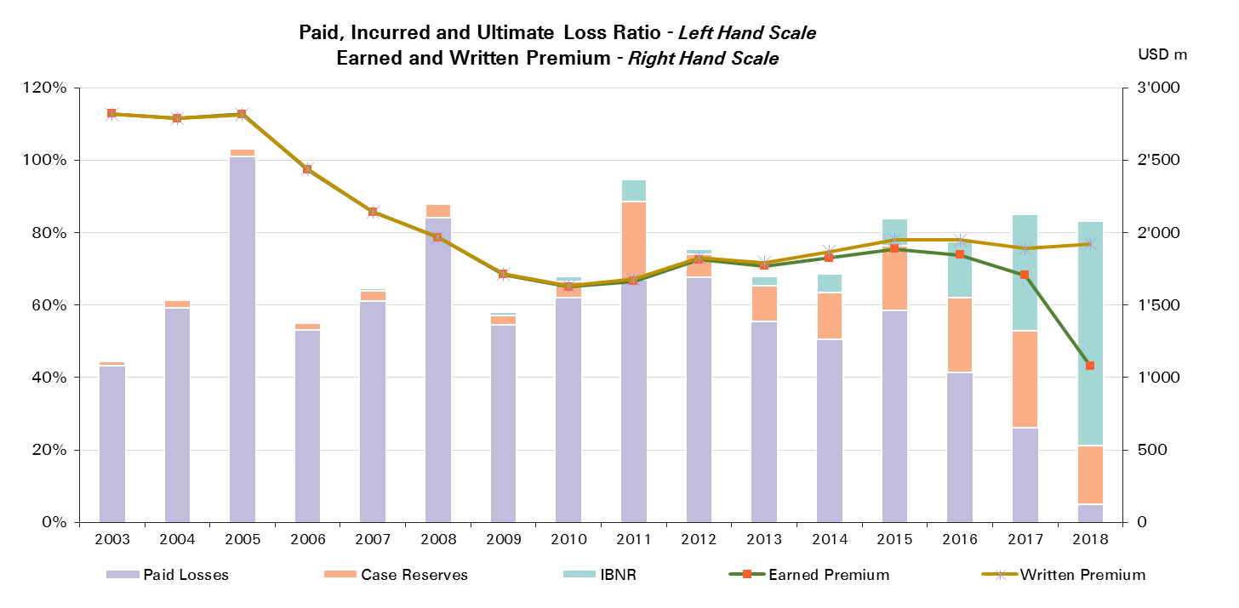
Treaty Year | Ult Loss Ratio | Paid Losses | Case Reserves | IBNR
2003 | 44% | 43% | 1% | 0%
2004 | 61% | 59% | 2% | 0%
2005 | 103% | 101% | 2% | 0%
2006 | 55% | 53% | 2% | 0%
2007 | 65% | 61% | 3% | 1%
2008 | 88% | 84% | 4% | 0%
2009 | 58% | 55% | 3% | 1%
2010 | 68% | 62% | 4% | 2%
2011 | 95% | 67% | 22% | 6%
2012 | 75% | 68% | 6% | 1%
2013 | 68% | 56% | 10% | 3%
2014 | 69% | 51% | 13% | 5%
2015 | 84% | 59% | 18% | 8%
2016 | 78% | 41% | 21% | 16%
2017 | 85% | 26% | 27% | 32%
2018 | 83% | 5% | 16% | 62%

Specialty Reinsurance
Total Paid and Reported Losses as a Percentage of Ultimate Earned Premium

Reinsurance |  |  |  |  |  |  |  |  |  |  |  |  |  |  |  |  |  | Specialty Reinsurance

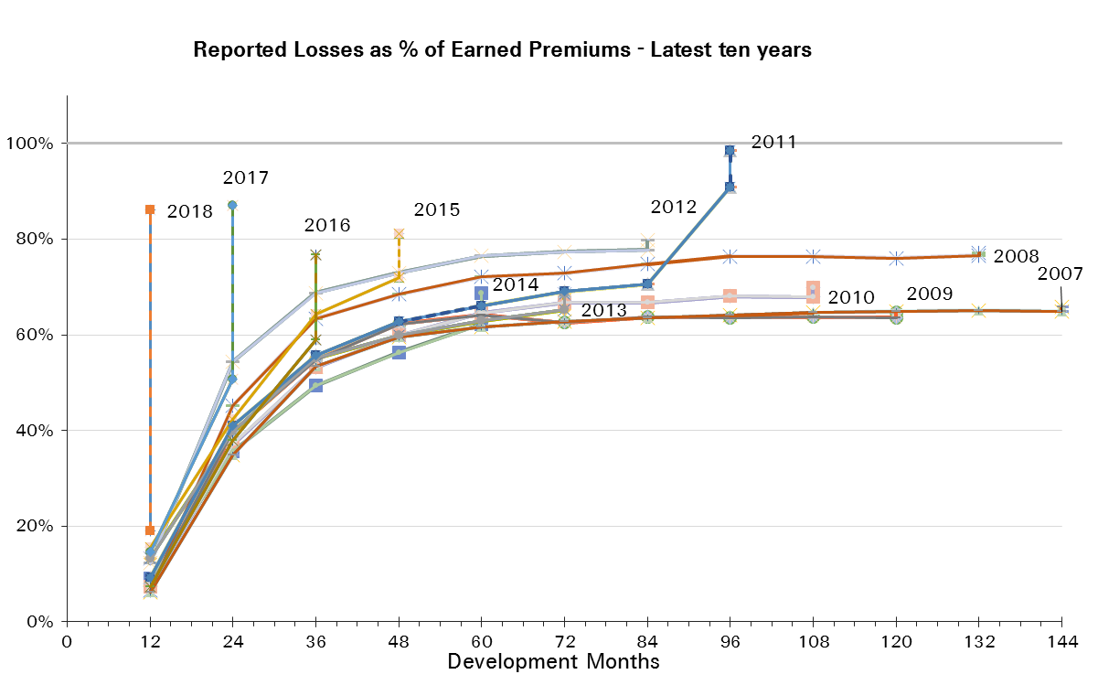
Treaty Year | Earned Premium in USDm | Reported Loss Ratios per Development Month

 |  | 12 | 24 | 36 | 48 | 60 | 72 | 84 | 96 | 108 | 120 | 132 | 144 | 156 | 168 | 180 | 192
2003 | 2,469 | 8% | 27% | 38% | 42% | 45% | 46% | 46% | 46% | 46% | 46% | 46% | 46% | 46% | 46% | 46% | 46%
2004 | 2,407 | 11% | 38% | 54% | 60% | 63% | 63% | 64% | 64% | 64% | 64% | 63% | 63% | 63% | 63% | 63%
2005 | 2,420 | 17% | 79% | 101% | 107% | 108% | 110% | 111% | 111% | 111% | 110% | 110% | 110% | 110% | 110%
2006 | 2,051 | 5% | 32% | 48% | 55% | 58% | 59% | 59% | 59% | 59% | 58% | 59% | 59% | 59%
2007 | 1,739 | 6% | 35% | 53% | 59% | 62% | 63% | 64% | 64% | 65% | 65% | 65% | 65%
2008 | 1,583 | 7% | 45% | 63% | 68% | 72% | 73% | 75% | 76% | 76% | 76% | 77%
2009 | 1,328 | 7% | 40% | 55% | 62% | 64% | 63% | 64% | 64% | 64% | 64%
2010 | 1,235 | 7% | 37% | 53% | 60% | 65% | 67% | 67% | 68% | 68%
2011 | 1,314 | 9% | 41% | 56% | 63% | 66% | 69% | 71% | 91%
2012 | 1,328 | 12% | 54% | 69% | 73% | 76% | 77% | 78%
2013 | 1,301 | 13% | 40% | 55% | 60% | 63% | 65%
2014 | 1,278 | 9% | 36% | 49% | 56% | 62%
2015 | 1,352 | 16% | 42% | 64% | 72%
2016 | 1,323 | 7% | 38% | 59%
2017 | 1,221 | 15% | 51%
2018 | 781 | 19%

Treaty Year | Earned Premium in USDm | Paid Loss Ratios per Development Month
 |  | 12 | 24 | 36 | 48 | 60 | 72 | 84 | 96 | 108 | 120 | 132 | 144 | 156 | 168 | 180 | 192
2003 | 2,469 | 2% | 14% | 25% | 31% | 36% | 39% | 41% | 42% | 43% | 43% | 44% | 44% | 44% | 44% | 44% | 44%
2004 | 2,407 | 2% | 22% | 35% | 44% | 50% | 54% | 57% | 59% | 59% | 60% | 60% | 60% | 60% | 61% | 61%
2005 | 2,420 | 2% | 33% | 65% | 81% | 92% | 97% | 101% | 103% | 105% | 106% | 107% | 107% | 108% | 108%
2006 | 2,051 | 2% | 15% | 31% | 41% | 46% | 49% | 51% | 53% | 55% | 55% | 56% | 56% | 57%
2007 | 1,739 | 2% | 18% | 34% | 42% | 47% | 52% | 55% | 57% | 59% | 60% | 61% | 62%
2008 | 1,583 | 2% | 19% | 39% | 49% | 56% | 61% | 64% | 67% | 70% | 72% | 72%
2009 | 1,328 | 2% | 20% | 35% | 43% | 49% | 52% | 57% | 59% | 59% | 60%
2010 | 1,235 | 2% | 18% | 34% | 41% | 47% | 57% | 59% | 61% | 63%
2011 | 1,314 | 2% | 21% | 38% | 48% | 54% | 58% | 61% | 64%
2012 | 1,328 | 4% | 28% | 49% | 58% | 63% | 68% | 71%
2013 | 1,301 | 4% | 20% | 34% | 45% | 50% | 54%
2014 | 1,278 | 2% | 19% | 33% | 42% | 49%
2015 | 1,352 | 2% | 16% | 41% | 56%
2016 | 1,323 | 2% | 19% | 37%
2017 | 1,221 | 3% | 24%
2018 | 781 | 3%
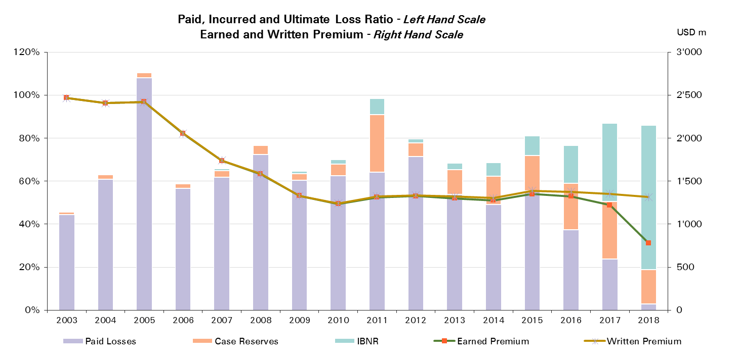

Treaty Year | Ult Loss Ratio | Paid Losses | Case Reserves | IBNR
2003 | 46% | 44% | 1% | 0%
2004 | 63% | 61% | 2% | 0%
2005 | 111% | 108% | 2% | 0%
2006 | 59% | 57% | 2% | 0%
2007 | 66% | 62% | 3% | 1%
2008 | 77% | 72% | 4% | 0%
2009 | 65% | 60% | 3% | 1%
2010 | 70% | 63% | 5% | 2%
2011 | 99% | 64% | 27% | 8%
2012 | 80% | 71% | 6% | 2%
2013 | 68% | 54% | 11% | 3%
2014 | 69% | 49% | 13% | 6%
2015 | 81% | 56% | 17% | 9%
2016 | 77% | 37% | 21% | 18%
2017 | 87% | 24% | 27% | 36%
2018 | 86% | 3% | 16% | 67%

Specialty CorSo
Total Paid and Reported Losses as a Percentage of Ultimate Earned Premium

Corporate Solutions |  |  |  |  |  |  |  |  |  |  |  |  |  |  |  |  |  | Specialty Corporate Solutions

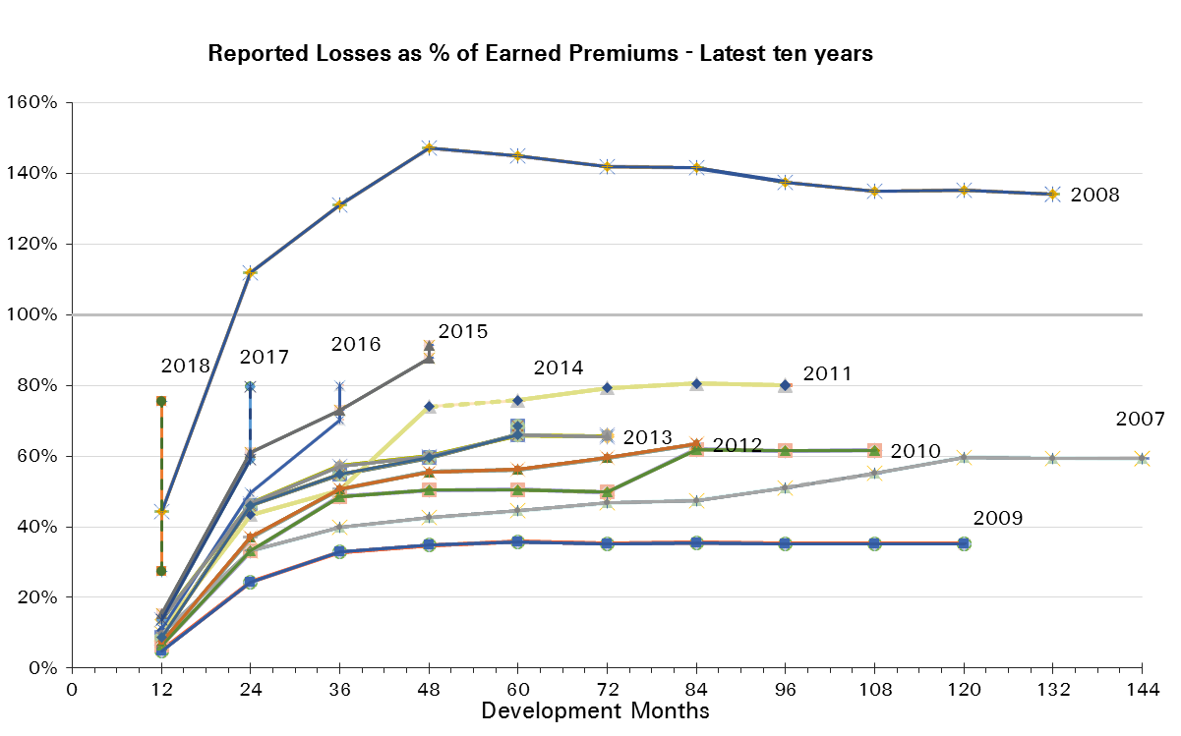
Treaty Year | Earned Premium in USDm | Reported Loss Ratios per Development Month

 |  | 12 | 24 | 36 | 48 | 60 | 72 | 84 | 96 | 108 | 120 | 132 | 144 | 156 | 168 | 180 | 192
2003 | 351 | 4% | 21% | 29% | 38% | 39% | 39% | 38% | 38% | 37% | 37% | 36% | 36% | 36% | 36% | 36% | 35%
2004 | 381 | 10% | 35% | 46% | 50% | 52% | 51% | 51% | 51% | 51% | 50% | 50% | 50% | 50% | 50% | 50%
2005 | 396 | 23% | 41% | 49% | 56% | 58% | 59% | 59% | 59% | 59% | 58% | 58% | 58% | 58% | 58%
2006 | 382 | 6% | 23% | 30% | 32% | 34% | 35% | 36% | 35% | 35% | 35% | 35% | 35% | 35%
2007 | 404 | 10% | 33% | 40% | 43% | 45% | 47% | 48% | 51% | 55% | 60% | 59% | 59%
2008 | 384 | 44% | 112% | 131% | 147% | 145% | 142% | 142% | 137% | 135% | 135% | 134%
2009 | 384 | 5% | 24% | 33% | 35% | 36% | 35% | 35% | 35% | 35% | 35%
2010 | 391 | 6% | 33% | 48% | 50% | 51% | 50% | 62% | 62% | 62%
2011 | 352 | 11% | 43% | 50% | 74% | 76% | 79% | 81% | 80%
2012 | 486 | 7% | 37% | 51% | 56% | 56% | 60% | 63%
2013 | 468 | 14% | 47% | 57% | 60% | 66% | 65%
2014 | 548 | 9% | 46% | 55% | 60% | 66%
2015 | 536 | 15% | 61% | 73% | 88%
2016 | 523 | 11% | 50% | 70%
2017 | 485 | 14% | 59%
2018 | 298 | 27%

Treaty Year | Earned Premium in USDm | Paid Loss Ratios per Development Month
 |  | 12 | 24 | 36 | 48 | 60 | 72 | 84 | 96 | 108 | 120 | 132 | 144 | 156 | 168 | 180 | 192
2003 | 351 | 1% | 10% | 19% | 27% | 32% | 35% | 35% | 36% | 36% | 36% | 36% | 36% | 36% | 36% | 35% | 35%
2004 | 381 | 3% | 27% | 38% | 41% | 45% | 47% | 49% | 49% | 50% | 50% | 50% | 50% | 50% | 50% | 50%
2005 | 396 | 2% | 12% | 24% | 33% | 52% | 55% | 55% | 56% | 57% | 57% | 57% | 58% | 58% | 58%
2006 | 382 | 5% | 13% | 21% | 26% | 28% | 30% | 32% | 34% | 34% | 34% | 35% | 35% | 35%
2007 | 404 | 3% | 22% | 31% | 36% | 39% | 41% | 45% | 46% | 47% | 48% | 58% | 58%
2008 | 384 | 5% | 48% | 84% | 109% | 126% | 131% | 133% | 134% | 132% | 132% | 132%
2009 | 384 | 2% | 11% | 22% | 27% | 30% | 32% | 33% | 34% | 34% | 34%
2010 | 391 | 2% | 16% | 31% | 43% | 47% | 47% | 58% | 60% | 60%
2011 | 352 | 5% | 27% | 41% | 47% | 69% | 71% | 75% | 78%
2012 | 486 | 3% | 25% | 40% | 49% | 52% | 55% | 58%
2013 | 468 | 6% | 24% | 39% | 50% | 56% | 60%
2014 | 548 | 3% | 25% | 39% | 50% | 54%
2015 | 536 | 8% | 34% | 52% | 66%
2016 | 523 | 5% | 30% | 51%
2017 | 485 | 4% | 32%
2018 | 298 | 10%
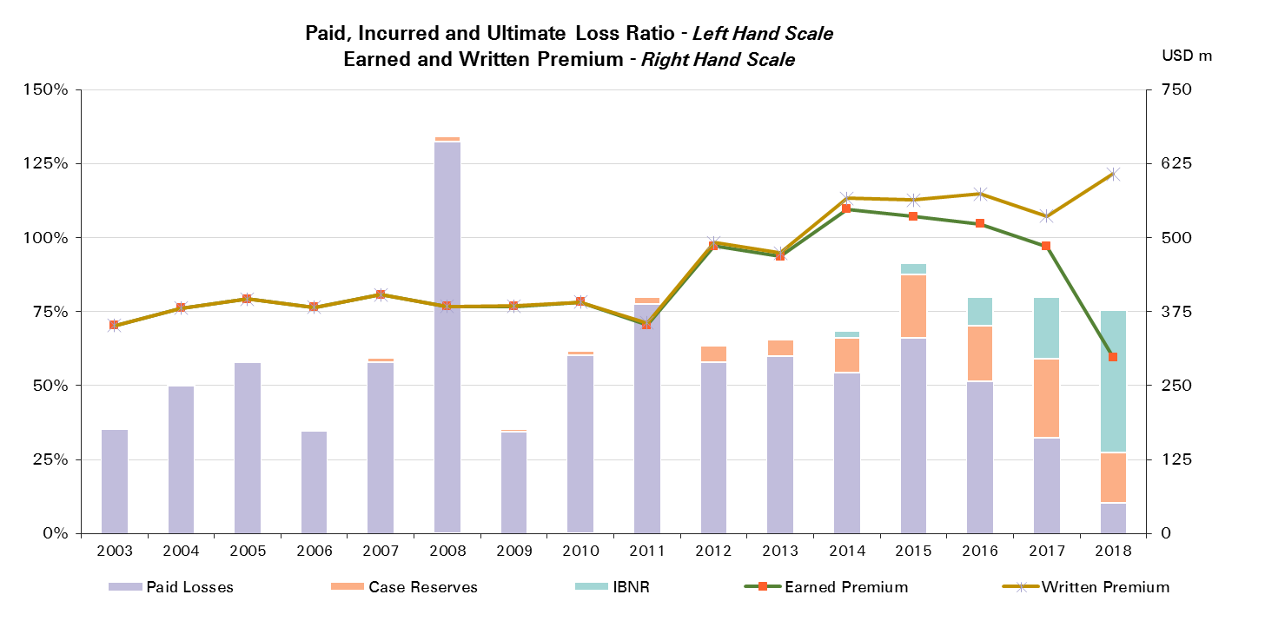

Treaty Year | Ult Loss Ratio | Paid Losses | Case Reserves | IBNR
2003 | 35% | 35% | 0% | 0%
2004 | 50% | 50% | 0% | 0%
2005 | 58% | 58% | 1% | 0%
2006 | 35% | 35% | 0% | 0%
2007 | 59% | 58% | 1% | 0%
2008 | 134% | 132% | 2% | 0%
2009 | 35% | 34% | 1% | 0%
2010 | 62% | 60% | 1% | 0%
2011 | 80% | 78% | 2% | 0%
2012 | 64% | 58% | 5% | 0%
2013 | 66% | 60% | 6% | 1%
2014 | 69% | 54% | 12% | 2%
2015 | 91% | 66% | 21% | 4%
2016 | 80% | 51% | 19% | 10%
2017 | 80% | 32% | 27% | 21%
2018 | 75% | 10% | 17% | 48%

Credit & Surety
Total Paid and Reported Losses as a Percentage of Ultimate Earned Premium

All Legal Entities |  |  |  |  |  |  |  |  |  |  |  |  |  |  |  |  |  | Credit & Surety

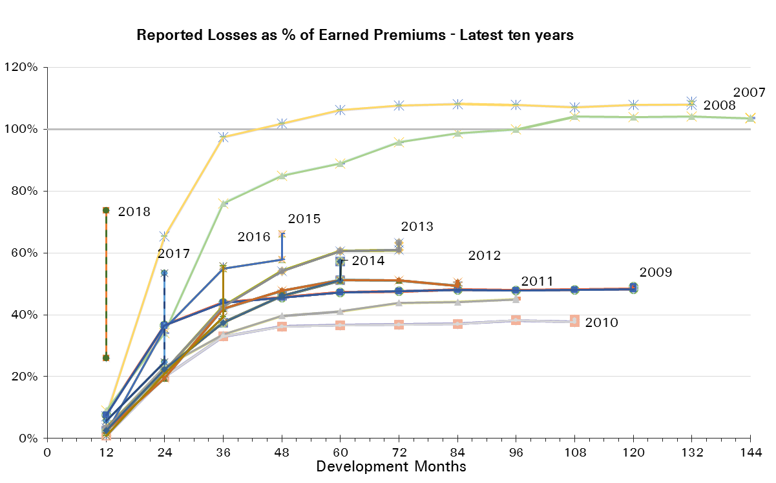
Treaty Year | Earned Premium in USDm | Reported Loss Ratios per Development Month

 |  | 12 | 24 | 36 | 48 | 60 | 72 | 84 | 96 | 108 | 120 | 132 | 144 | 156 | 168 | 180 | 192
2003 | 592 | 4% | 36% | 53% | 53% | 55% | 58% | 63% | 62% | 62% | 61% | 62% | 62% | 61% | 61% | 60% | 60%
2004 | 545 | 3% | 32% | 40% | 46% | 47% | 63% | 66% | 66% | 67% | 67% | 68% | 69% | 68% | 68% | 68%
2005 | 624 | 7% | 28% | 39% | 43% | 68% | 71% | 71% | 71% | 72% | 73% | 73% | 73% | 73% | 74%
2006 | 669 | 8% | 31% | 47% | 70% | 74% | 76% | 77% | 78% | 79% | 80% | 80% | 80% | 80%
2007 | 725 | 9% | 34% | 76% | 85% | 89% | 96% | 99% | 100% | 104% | 104% | 104% | 103%
2008 | 660 | 7% | 65% | 97% | 102% | 106% | 108% | 108% | 108% | 107% | 108% | 108%
2009 | 544 | 8% | 37% | 44% | 46% | 47% | 48% | 48% | 48% | 48% | 48%
2010 | 379 | 1% | 20% | 33% | 36% | 37% | 37% | 37% | 38% | 38%
2011 | 501 | 3% | 23% | 34% | 40% | 41% | 44% | 44% | 45%
2012 | 460 | 3% | 20% | 42% | 48% | 51% | 51% | 49%
2013 | 529 | 3% | 22% | 43% | 54% | 61% | 61%
2014 | 575 | 3% | 22% | 37% | 46% | 51%
2015 | 603 | 2% | 36% | 55% | 58%
2016 | 618 | 1% | 21% | 39%
2017 | 554 | 6% | 25%
2018 | 297 | 26%

Treaty Year | Earned Premium in USDm | Paid Loss Ratios per Development Month
 |  | 12 | 24 | 36 | 48 | 60 | 72 | 84 | 96 | 108 | 120 | 132 | 144 | 156 | 168 | 180 | 192
2003 | 592 | 2% | 21% | 40% | 41% | 44% | 48% | 52% | 53% | 53% | 53% | 54% | 55% | 56% | 57% | 57% | 58%
2004 | 545 | 1% | 17% | 32% | 38% | 41% | 57% | 61% | 62% | 62% | 63% | 64% | 65% | 66% | 65% | 65%
2005 | 624 | 1% | 15% | 31% | 37% | 64% | 67% | 68% | 68% | 69% | 70% | 71% | 71% | 71% | 71%
2006 | 669 | 1% | 18% | 37% | 65% | 70% | 71% | 73% | 74% | 75% | 76% | 77% | 77% | 78%
2007 | 725 | 1% | 18% | 68% | 80% | 84% | 89% | 91% | 96% | 100% | 101% | 102% | 102%
2008 | 660 | 1% | 47% | 90% | 96% | 99% | 101% | 102% | 103% | 103% | 103% | 103%
2009 | 544 | 2% | 25% | 38% | 42% | 44% | 45% | 45% | 46% | 47% | 47%
2010 | 379 | 0% | 13% | 28% | 33% | 34% | 35% | 36% | 37% | 36%
2011 | 501 | 1% | 16% | 30% | 34% | 39% | 44% | 44% | 42%
2012 | 460 | 1% | 13% | 35% | 45% | 51% | 50% | 47%
2013 | 529 | 1% | 19% | 42% | 52% | 57% | 55%
2014 | 575 | 2% | 12% | 30% | 40% | 46%
2015 | 603 | 1% | 21% | 46% | 51%
2016 | 618 | 1% | 14% | 27%
2017 | 554 | 1% | 16%
2018 | 297 | 11%
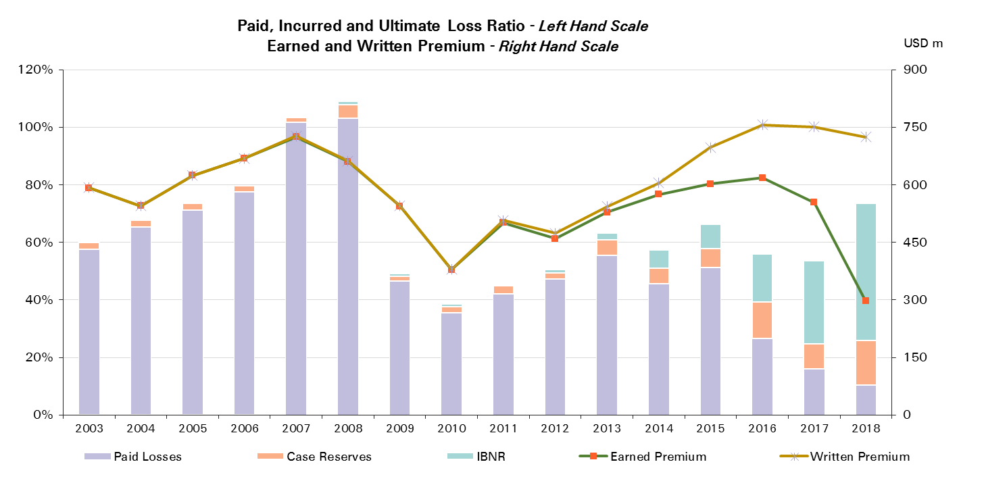

Treaty Year | Ult Loss Ratio | Paid Losses | Case Reserves | IBNR
2003 | 59% | 58% | 2% | 0%
2004 | 67% | 65% | 2% | 0%
2005 | 73% | 71% | 2% | 0%
2006 | 80% | 78% | 2% | 0%
2007 | 104% | 102% | 2% | 0%
2008 | 109% | 103% | 5% | 1%
2009 | 49% | 47% | 2% | 1%
2010 | 39% | 36% | 2% | 1%
2011 | 46% | 42% | 3% | 1%
2012 | 51% | 47% | 2% | 1%
2013 | 63% | 55% | 6% | 2%
2014 | 57% | 46% | 6% | 6%
2015 | 66% | 51% | 7% | 8%
2016 | 56% | 27% | 13% | 17%
2017 | 54% | 16% | 9% | 29%
2018 | 74% | 11% | 15% | 48%

Credit & Surety Reinsurance
Total Paid and Reported Losses as a Percentage of Ultimate Earned Premium

Reinsurance |  |  |  |  |  |  |  |  |  |  |  |  |  |  |  |  |  | Credit & Surety Reinsurance

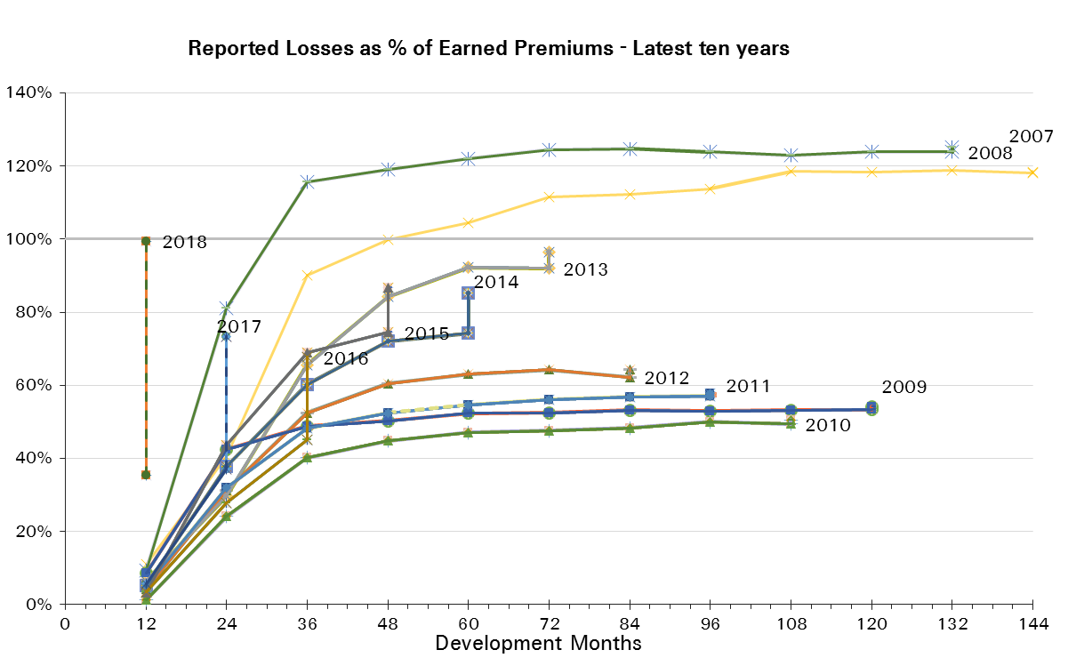
Treaty Year | Earned Premium in USDm | Reported Loss Ratios per Development Month

 |  | 12 | 24 | 36 | 48 | 60 | 72 | 84 | 96 | 108 | 120 | 132 | 144 | 156 | 168 | 180 | 192
2003 | 483 | 5% | 42% | 60% | 60% | 62% | 66% | 71% | 70% | 70% | 69% | 70% | 71% | 70% | 69% | 68% | 68%
2004 | 430 | 3% | 37% | 45% | 51% | 53% | 73% | 76% | 77% | 77% | 77% | 79% | 79% | 79% | 79% | 78%
2005 | 501 | 8% | 33% | 46% | 51% | 81% | 84% | 85% | 85% | 86% | 87% | 88% | 88% | 88% | 88%
2006 | 559 | 9% | 36% | 53% | 80% | 84% | 86% | 87% | 88% | 88% | 89% | 90% | 89% | 89%
2007 | 590 | 11% | 40% | 90% | 100% | 105% | 111% | 112% | 114% | 118% | 118% | 119% | 118%
2008 | 498 | 9% | 81% | 116% | 119% | 122% | 124% | 125% | 124% | 123% | 124% | 124%
2009 | 433 | 9% | 43% | 49% | 50% | 52% | 53% | 53% | 53% | 53% | 53%
2010 | 228 | 1% | 24% | 40% | 45% | 47% | 48% | 48% | 50% | 49%
2011 | 300 | 5% | 32% | 48% | 52% | 55% | 56% | 57% | 57%
2012 | 258 | 4% | 31% | 53% | 60% | 63% | 64% | 62%
2013 | 269 | 6% | 30% | 66% | 84% | 92% | 92%
2014 | 281 | 5% | 38% | 60% | 72% | 74%
2015 | 317 | 3% | 44% | 69% | 74%
2016 | 355 | 4% | 28% | 45%
2017 | 302 | 6% | 37%
2018 | 173 | 35%

Treaty Year | Earned Premium in USDm | Paid Loss Ratios per Development Month
 |  | 12 | 24 | 36 | 48 | 60 | 72 | 84 | 96 | 108 | 120 | 132 | 144 | 156 | 168 | 180 | 192
2003 | 483 | 2% | 24% | 43% | 46% | 50% | 53% | 58% | 59% | 60% | 60% | 61% | 62% | 64% | 64% | 64% | 65%
2004 | 430 | 1% | 19% | 37% | 43% | 46% | 65% | 70% | 71% | 71% | 72% | 74% | 74% | 76% | 75% | 75%
2005 | 501 | 1% | 17% | 37% | 44% | 76% | 80% | 81% | 81% | 82% | 83% | 85% | 85% | 85% | 85%
2006 | 559 | 1% | 21% | 43% | 73% | 78% | 80% | 81% | 83% | 84% | 85% | 86% | 86% | 87%
2007 | 590 | 1% | 20% | 81% | 93% | 99% | 104% | 106% | 109% | 115% | 115% | 116% | 116%
2008 | 498 | 1% | 52% | 101% | 109% | 112% | 115% | 116% | 117% | 118% | 117% | 118%
2009 | 433 | 1% | 29% | 42% | 45% | 48% | 49% | 50% | 51% | 51% | 51%
2010 | 228 | 0% | 14% | 34% | 41% | 43% | 45% | 47% | 49% | 46%
2011 | 300 | 2% | 21% | 41% | 48% | 51% | 53% | 54% | 54%
2012 | 258 | 1% | 21% | 42% | 52% | 56% | 58% | 59%
2013 | 269 | 2% | 20% | 59% | 75% | 80% | 83%
2014 | 281 | 2% | 23% | 44% | 58% | 63%
2015 | 317 | 1% | 19% | 53% | 64%
2016 | 355 | 1% | 16% | 32%
2017 | 302 | 2% | 21%
2018 | 173 | 9%

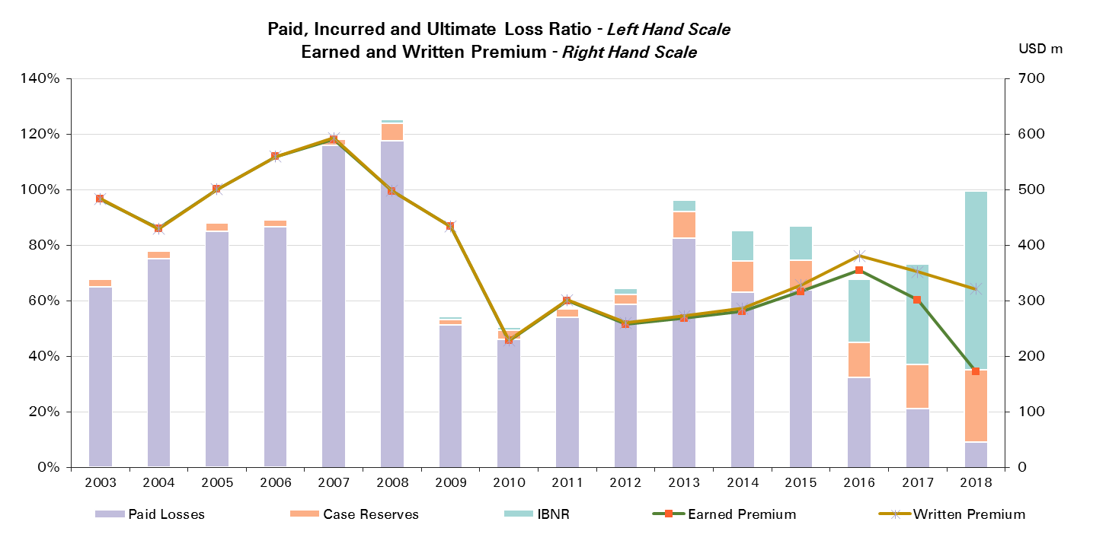
Treaty Year | Ult Loss Ratio | Paid Losses | Case Reserves | IBNR
2003 | 67% | 65% | 3% | 0%
2004 | 77% | 75% | 3% | -1%
2005 | 88% | 85% | 3% | 0%
2006 | 89% | 87% | 3% | 0%
2007 | 118% | 116% | 2% | 0%
2008 | 125% | 118% | 6% | 1%
2009 | 54% | 51% | 2% | 1%
2010 | 51% | 46% | 3% | 1%
2011 | 58% | 54% | 3% | 1%
2012 | 64% | 59% | 4% | 2%
2013 | 96% | 83% | 9% | 4%
2014 | 85% | 63% | 11% | 11%
2015 | 87% | 64% | 11% | 12%
2016 | 68% | 32% | 13% | 23%
2017 | 73% | 21% | 16% | 36%
2018 | 99% | 9% | 26% | 64%

Credit & Surety CorSo
Total Paid and Reported Losses as a Percentage of Ultimate Earned Premium

Corporate Solutions |  |  |  |  |  |  |  |  |  |  |  |  |  |  |  |  |  | Credit & Surety Corporate Solutions

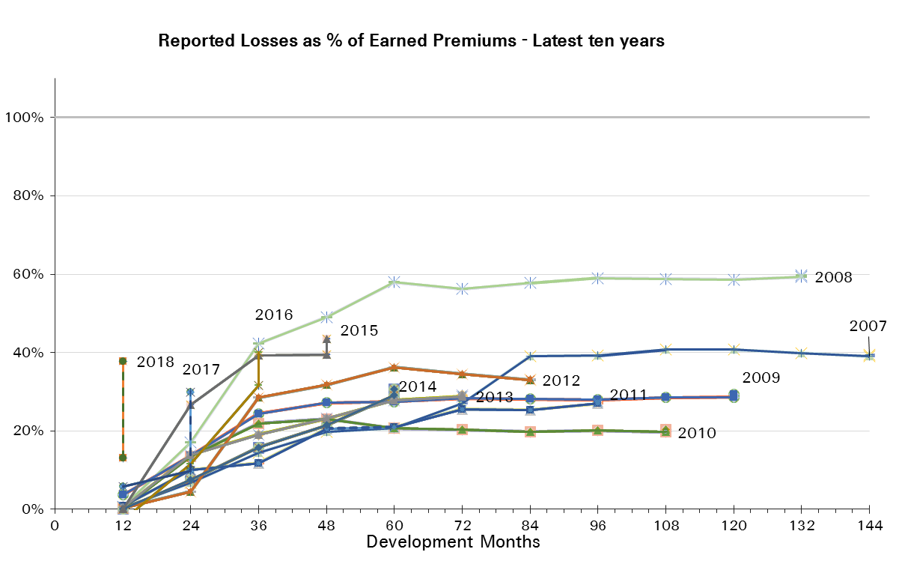
Treaty Year | Earned Premium in USDm | Reported Loss Ratios per Development Month

 |  | 12 | 24 | 36 | 48 | 60 | 72 | 84 | 96 | 108 | 120 | 132 | 144 | 156 | 168 | 180 | 192
2003 | 109 | 1% | 9% | 25% | 24% | 24% | 24% | 26% | 27% | 25% | 25% | 24% | 24% | 24% | 24% | 25% | 24%
2004 | 116 | 4% | 13% | 22% | 25% | 27% | 28% | 29% | 29% | 29% | 29% | 29% | 29% | 29% | 29% | 29%
2005 | 123 | 1% | 5% | 9% | 12% | 14% | 15% | 15% | 15% | 15% | 15% | 15% | 15% | 15% | 15%
2006 | 110 | 1% | 6% | 14% | 20% | 25% | 24% | 29% | 30% | 31% | 31% | 31% | 31% | 31%
2007 | 135 | 0% | 7% | 14% | 20% | 21% | 27% | 39% | 39% | 41% | 41% | 40% | 39%
2008 | 163 | 1% | 17% | 42% | 49% | 58% | 56% | 58% | 59% | 59% | 59% | 59%
2009 | 111 | 4% | 14% | 24% | 27% | 27% | 28% | 28% | 28% | 29% | 29%
2010 | 150 | 0% | 13% | 22% | 23% | 21% | 20% | 20% | 20% | 20%
2011 | 201 | 1% | 10% | 12% | 21% | 21% | 26% | 25% | 27%
2012 | 202 | 0% | 5% | 28% | 32% | 36% | 35% | 33%
2013 | 260 | 0% | 14% | 19% | 23% | 28% | 29%
2014 | 295 | 0% | 7% | 16% | 21% | 29%
2015 | 286 | 0% | 27% | 39% | 39%
2016 | 263 | -3% | 11% | 32%
2017 | 252 | 6% | 10%
2018 | 124 | 13%

Treaty Year | Earned Premium in USDm | Paid Loss Ratios per Development Month
 |  | 12 | 24 | 36 | 48 | 60 | 72 | 84 | 96 | 108 | 120 | 132 | 144 | 156 | 168 | 180 | 192
2003 | 109 | 0% | 6% | 25% | 19% | 20% | 22% | 23% | 25% | 24% | 24% | 24% | 24% | 24% | 24% | 24% | 24%
2004 | 116 | 1% | 9% | 16% | 21% | 25% | 26% | 28% | 28% | 28% | 29% | 29% | 29% | 29% | 29% | 29%
2005 | 123 | 1% | 3% | 7% | 10% | 13% | 14% | 15% | 15% | 15% | 15% | 15% | 15% | 15% | 15%
2006 | 110 | 1% | 4% | 11% | 23% | 27% | 26% | 31% | 31% | 32% | 33% | 32% | 32% | 32%
2007 | 135 | 0% | 8% | 14% | 20% | 21% | 25% | 29% | 37% | 37% | 37% | 40% | 39%
2008 | 163 | 0% | 32% | 57% | 56% | 61% | 60% | 59% | 59% | 58% | 59% | 59%
2009 | 111 | 5% | 13% | 23% | 27% | 28% | 28% | 28% | 28% | 29% | 28%
2010 | 150 | 0% | 11% | 19% | 21% | 20% | 20% | 19% | 19% | 19%
2011 | 201 | 0% | 9% | 12% | 12% | 21% | 30% | 30% | 24%
2012 | 202 | 0% | 3% | 27% | 36% | 46% | 39% | 33%
2013 | 260 | 0% | 19% | 24% | 29% | 32% | 27%
2014 | 295 | 1% | 1% | 17% | 22% | 29%
2015 | 286 | 0% | 22% | 39% | 37%
2016 | 263 | 0% | 11% | 19%
2017 | 252 | 0% | 10%
2018 | 124 | 12%

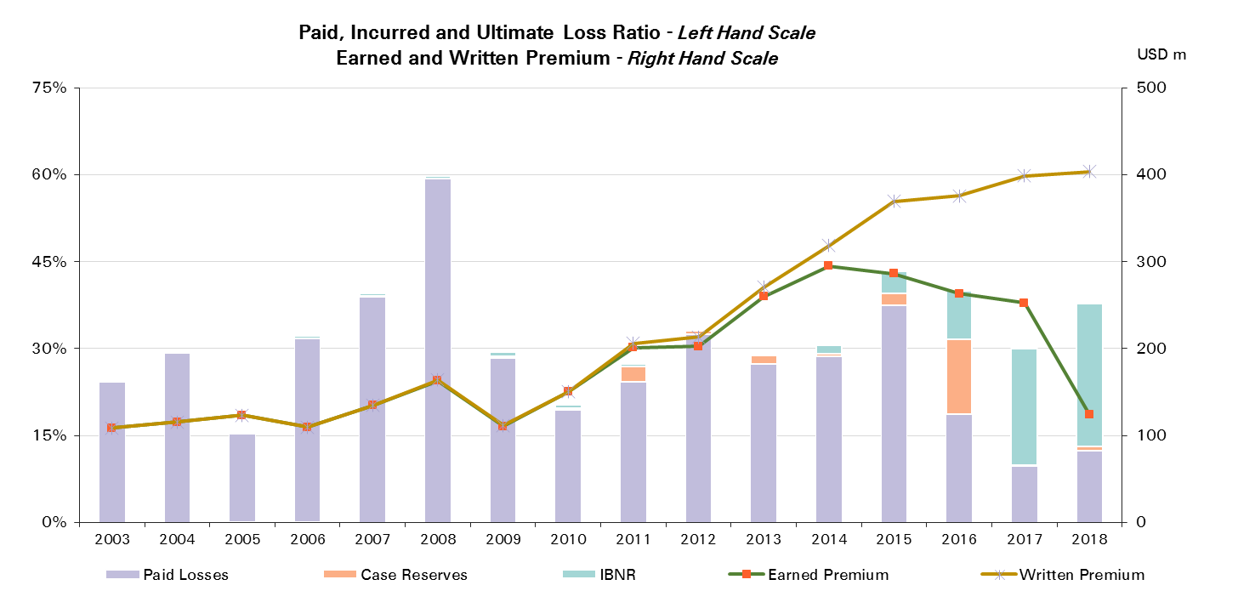
Treaty Year | Ult Loss Ratio | Paid Losses | Case Reserves | IBNR
2003 | 25% | 24% | 0% | 0%
2004 | 29% | 29% | 0% | 0%
2005 | 16% | 15% | 0% | 0%
2006 | 32% | 32% | 0% | 0%
2007 | 39% | 39% | 0% | 0%
2008 | 60% | 59% | 0% | 0%
2009 | 29% | 28% | 0% | 1%
2010 | 20% | 19% | 0% | 1%
2011 | 27% | 24% | 3% | 0%
2012 | 33% | 33% | 1% | 0%
2013 | 29% | 27% | 2% | 0%
2014 | 31% | 29% | 0% | 1%
2015 | 43% | 37% | 2% | 4%
2016 | 40% | 19% | 13% | 8%
2017 | 30% | 10% | 0% | 20%
2018 | 38% | 12% | 1% | 25%

Various other & multilines
Total Paid and Reported Losses as a Percentage of Ultimate Earned Premium

All Legal Entities |  |  |  |  |  |  |  |  |  |  |  |  |  |  |  |  |  | Various other lines & multilines

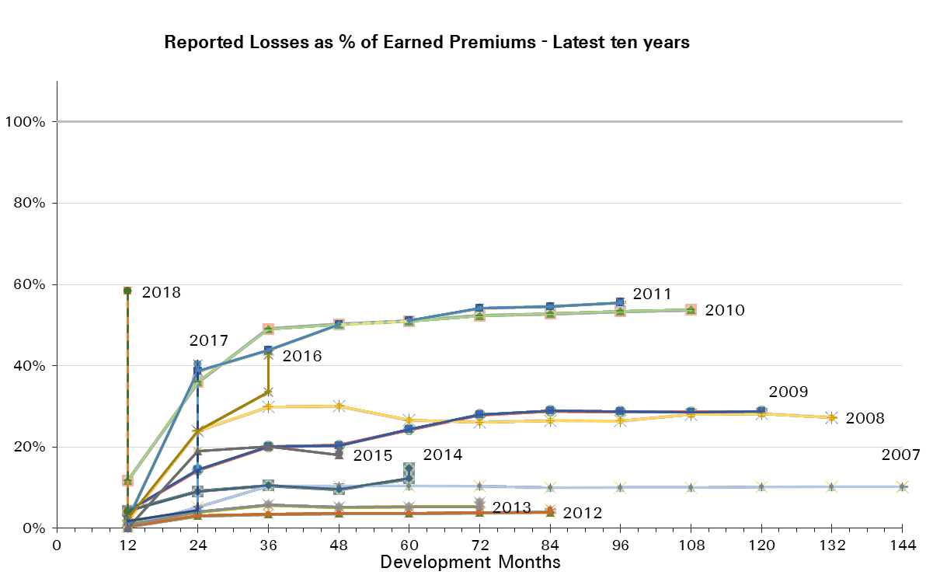
Treaty Year | Earned Premium in USDm | Reported Loss Ratios per Development Month

 |  | 12 | 24 | 36 | 48 | 60 | 72 | 84 | 96 | 108 | 120 | 132 | 144 | 156 | 168 | 180 | 192
2003 | 42 | 5% | 12% | 13% | 15% | 20% | 20% | 20% | 20% | 21% | 21% | 20% | 20% | 20% | 20% | 20% | 20%
2004 | 53 | 4% | 11% | 13% | 24% | 27% | 24% | 24% | 21% | 21% | 21% | 21% | 21% | 21% | 21% | 21%
2005 | 139 | 22% | 54% | 74% | 65% | 64% | 65% | 65% | 65% | 65% | 65% | 65% | 65% | 65% | 65%
2006 | 240 | 9% | 47% | 57% | 56% | 57% | 58% | 57% | 57% | 57% | 57% | 57% | 57% | 57%
2007 | 151 | 1% | 5% | 10% | 10% | 10% | 10% | 10% | 10% | 10% | 10% | 10% | 10%
2008 | 46 | 2% | 24% | 30% | 30% | 27% | 26% | 26% | 26% | 28% | 28% | 27%
2009 | 47 | 4% | 14% | 20% | 20% | 24% | 28% | 29% | 29% | 29% | 29%
2010 | 114 | 12% | 36% | 49% | 50% | 51% | 52% | 53% | 53% | 54%
2011 | 131 | 2% | 39% | 44% | 50% | 51% | 54% | 55% | 56%
2012 | 67 | 0% | 3% | 3% | 4% | 4% | 4% | 4%
2013 | 51 | 1% | 4% | 6% | 5% | 5% | 5%
2014 | 56 | 4% | 9% | 11% | 10% | 12%
2015 | 35 | 0% | 19% | 20% | 18%
2016 | 60 | 2% | 24% | 33%
2017 | 44 | 2% | 4%
2018 | 25 | 4%

Treaty Year | Earned Premium in USDm | Paid Loss Ratios per Development Month
 |  | 12 | 24 | 36 | 48 | 60 | 72 | 84 | 96 | 108 | 120 | 132 | 144 | 156 | 168 | 180 | 192
2003 | 42 | 1% | 7% | 8% | 11% | 17% | 18% | 19% | 19% | 19% | 19% | 19% | 19% | 19% | 19% | 19% | 19%
2004 | 53 | 0% | 4% | 5% | 17% | 17% | 18% | 18% | 20% | 20% | 20% | 20% | 20% | 21% | 21% | 21%
2005 | 139 | 8% | 35% | 55% | 107% | 62% | 63% | 64% | 64% | 64% | 64% | 64% | 64% | 64% | 64%
2006 | 240 | 3% | 33% | 50% | 54% | 55% | 56% | 56% | 57% | 57% | 57% | 57% | 57% | 57%
2007 | 151 | 0% | 3% | 4% | 8% | 9% | 9% | 9% | 9% | 9% | 10% | 10% | 10%
2008 | 46 | 1% | 12% | 15% | 16% | 17% | 18% | 19% | 19% | 20% | 20% | 26%
2009 | 47 | 3% | 11% | 16% | 17% | 21% | 23% | 27% | 28% | 28% | 28%
2010 | 114 | 5% | 22% | 42% | 43% | 45% | 46% | 47% | 48% | 50%
2011 | 131 | 2% | 26% | 36% | 39% | 40% | 41% | 42% | 43%
2012 | 67 | 0% | 1% | 2% | 3% | 3% | 3% | 3%
2013 | 51 | 1% | 1% | 2% | 3% | 4% | 4%
2014 | 56 | 0% | 6% | 7% | 8% | 8%
2015 | 35 |  | 4% | 12% | 16%
2016 | 60 | 0% | 5% | 12%
2017 | 44 | 2% | 3%

2018 | 25 | 1%

Treaty Year | Ult Loss Ratio | Paid Losses | Case Reserves | IBNR
2003 | 20% | 19% | 1% | 0%
2004 | 21% | 21% | 0% | 0%
2005 | 65% | 64% | 0% | 0%
2006 | 57% | 57% | 0% | 0%
2007 | 10% | 10% | 0% | 0%
2008 | 27% | 26% | 1% | 0%
2009 | 29% | 28% | 1% | 0%
2010 | 54% | 50% | 4% | 0%
2011 | 56% | 43% | 12% | 0%
2012 | 5% | 3% | 1% | 1%
2013 | 6% | 4% | 1% | 1%
2014 | 15% | 8% | 4% | 3%
2015 | 19% | 16% | 2% | 1%
2016 | 43% | 12% | 21% | 9%
2017 | 40% | 3% | 1% | 36%
2018 | 58% | 1% | 3% | 54%

