SR GROUP
Total Paid and Reported Losses as a Percentage of Ultimate Earned Premium

 |  |  |  |  |  |  |  |  |  |  |  |  |  |  |  |  |  | SR GROUP

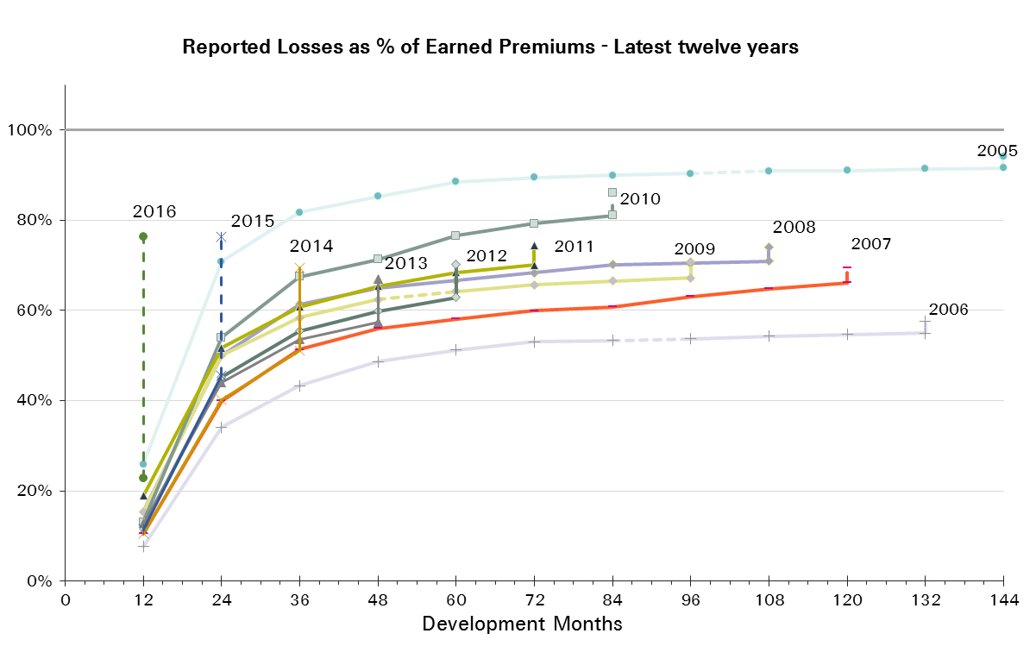
UWY Year | Earned Premium in USDm | Reported Loss Ratios per Development Month

 |  | 12 | 24 | 36 | 48 | 60 | 72 | 84 | 96 | 108 | 120 | 132 | 144 | 156 | 168 | 180 | 192
2001 | 14,635 | 43% | 83% | 100% | 109% | 117% | 124% | 128% | 131% | 131% | 132% | 132% | 133% | 133% | 134% | 134% | 134%
2002 | 15,425 | 17% | 41% | 51% | 60% | 62% | 64% | 65% | 66% | 66% | 66% | 67% | 67% | 67% | 67% | 67%
2003 | 15,068 | 15% | 33% | 42% | 48% | 51% | 52% | 53% | 53% | 54% | 54% | 54% | 54% | 54% | 55%
2004 | 14,567 | 21% | 47% | 58% | 62% | 65% | 66% | 68% | 68% | 68% | 69% | 69% | 69% | 69%
2005 | 14,030 | 26% | 71% | 82% | 85% | 88% | 89% | 90% | 90% | 91% | 91% | 91% | 92%
2006 | 12,749 | 8% | 34% | 43% | 49% | 51% | 53% | 53% | 54% | 54% | 55% | 55%
2007 | 11,969 | 10% | 40% | 51% | 56% | 58% | 60% | 61% | 63% | 65% | 66%
2008 | 10,698 | 15% | 50% | 61% | 65% | 67% | 68% | 70% | 70% | 71%
2009 | 10,255 | 15% | 50% | 58% | 62% | 64% | 66% | 67% | 67%
2010 | 9,437 | 13% | 54% | 67% | 71% | 77% | 79% | 81%
2011 | 11,430 | 19% | 52% | 61% | 65% | 68% | 70%
2012 | 14,294 | 12% | 45% | 55% | 60% | 63%
2013 | 13,367 | 13% | 44% | 54% | 57%
2014 | 13,226 | 11% | 40% | 51%
2015 | 13,307 | 11% | 46%
2016 | 9,192 | 23%

UWY Year | Earned Premium in USDm | Paid Loss Ratios per Development Month
 |  | 12 | 24 | 36 | 48 | 60 | 72 | 84 | 96 | 108 | 120 | 132 | 144 | 156 | 168 | 180 | 192
2001 | 14,635 | 8% | 36% | 58% | 75% | 86% | 94% | 106% | 114% | 117% | 121% | 122% | 123% | 126% | 126% | 127% | 130%
2002 | 15,425 | 5% | 24% | 35% | 42% | 47% | 51% | 54% | 56% | 58% | 60% | 61% | 61% | 62% | 63% | 63%
2003 | 15,068 | 3% | 17% | 27% | 34% | 38% | 42% | 44% | 46% | 47% | 48% | 49% | 50% | 51% | 51%
2004 | 14,567 | 4% | 26% | 40% | 47% | 53% | 57% | 60% | 62% | 63% | 64% | 65% | 65% | 66%
2005 | 14,030 | 5% | 36% | 57% | 68% | 76% | 80% | 82% | 84% | 85% | 86% | 87% | 88%
2006 | 12,749 | 2% | 17% | 29% | 36% | 40% | 45% | 46% | 48% | 49% | 50% | 51%
2007 | 11,969 | 3% | 22% | 36% | 43% | 48% | 52% | 54% | 56% | 59% | 60%
2008 | 10,698 | 4% | 29% | 44% | 51% | 56% | 60% | 63% | 64% | 66%
2009 | 10,255 | 6% | 30% | 44% | 51% | 55% | 58% | 61% | 62%
2010 | 9,437 | 5% | 27% | 45% | 55% | 63% | 69% | 74%
2011 | 11,430 | 6% | 29% | 46% | 54% | 61% | 64%
2012 | 14,294 | 6% | 31% | 45% | 52% | 56%
2013 | 13,367 | 5% | 27% | 42% | 49%
2014 | 13,226 | 4% | 25% | 38%
2015 | 13,307 | 4% | 27%
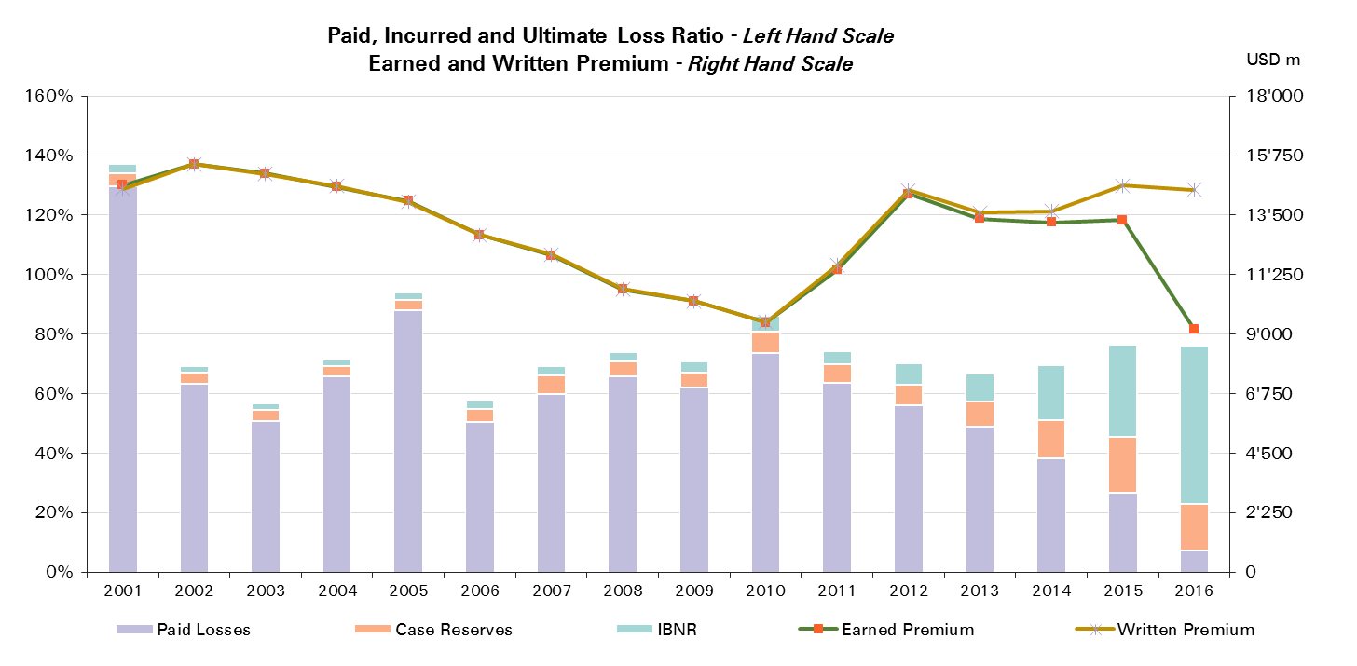
2016 | 9,192 | 7%

UWY Year | Ult Loss Ratio | Paid Losses | Case Reserves | IBNR
2001 | 137% | 130% | 4% | 3%
2002 | 69% | 63% | 4% | 2%
2003 | 57% | 51% | 4% | 2%
2004 | 72% | 66% | 3% | 2%
2005 | 94% | 88% | 3% | 2%
2006 | 58% | 51% | 4% | 3%
2007 | 69% | 60% | 6% | 3%
2008 | 74% | 66% | 5% | 3%
2009 | 71% | 62% | 5% | 3%
2010 | 86% | 74% | 7% | 5%
2011 | 74% | 64% | 6% | 4%
2012 | 70% | 56% | 7% | 7%
2013 | 67% | 49% | 8% | 10%
2014 | 69% | 38% | 13% | 18%
2015 | 76% | 27% | 19% | 31%
2016 | 76% | 7% | 16% | 53%

SR Reinsurance - All Lines
Total Paid and Reported Losses as a Percentage of Ultimate Earned Premium

 |  |  |  |  |  |  |  |  |  |  |  |  |  |  |  |  |  | SR Reinsurance

UWY | Earned Premium in USDm | Reported Loss Ratios per Development Month

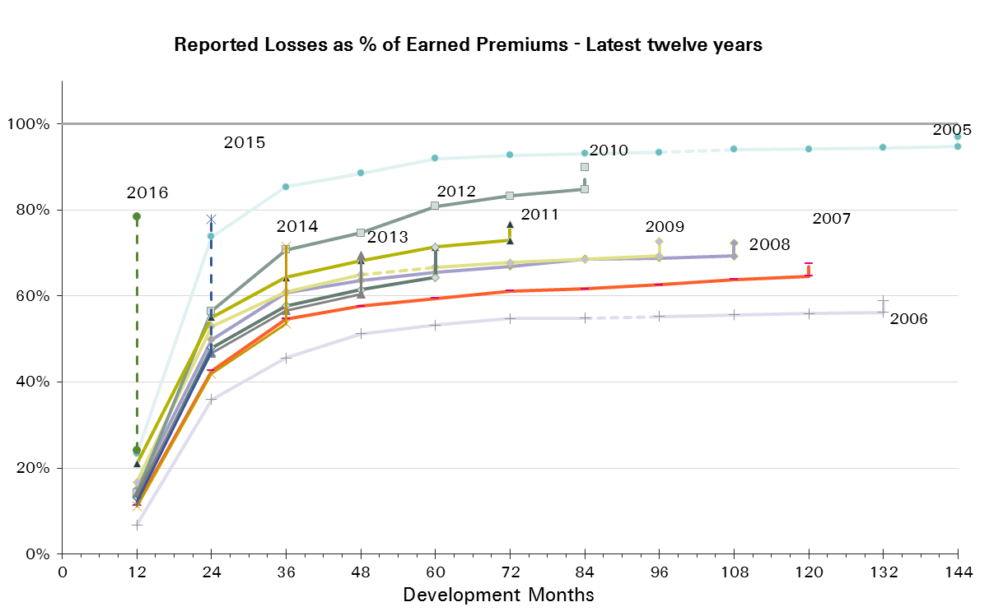
 |  | 12 | 24 | 36 | 48 | 60 | 72 | 84 | 96 | 108 | 120 | 132 | 144 | 156 | 168 | 180 | 192
2001 | 11,047 | 26% | 70% | 86% | 95% | 100% | 105% | 107% | 109% | 109% | 109% | 109% | 109% | 109% | 110% | 110% | 110%
2002 | 11,452 | 18% | 44% | 53% | 63% | 62% | 64% | 65% | 66% | 66% | 66% | 66% | 66% | 66% | 66% | 66%
2003 | 11,109 | 17% | 35% | 44% | 47% | 50% | 51% | 52% | 52% | 52% | 53% | 53% | 53% | 53% | 53%
2004 | 11,002 | 22% | 49% | 59% | 64% | 66% | 67% | 68% | 68% | 69% | 69% | 69% | 69% | 69%
2005 | 11,029 | 23% | 74% | 85% | 88% | 92% | 93% | 93% | 93% | 94% | 94% | 94% | 95%
2006 | 9,875 | 7% | 36% | 46% | 51% | 53% | 55% | 55% | 55% | 56% | 56% | 56%
2007 | 9,518 | 11% | 43% | 55% | 58% | 59% | 61% | 62% | 63% | 64% | 65%
2008 | 8,827 | 15% | 50% | 61% | 64% | 65% | 67% | 69% | 69% | 69%
2009 | 8,605 | 17% | 53% | 61% | 65% | 67% | 68% | 69% | 69%
2010 | 7,756 | 14% | 57% | 71% | 75% | 81% | 83% | 85%
2011 | 9,598 | 21% | 55% | 64% | 68% | 71% | 73%
2012 | 12,054 | 13% | 48% | 58% | 61% | 64%
2013 | 10,799 | 14% | 47% | 57% | 60%
2014 | 10,623 | 11% | 42% | 53%
2015 | 10,833 | 12% | 47%
2016 | 7,682 | 24%

UWY | Earned Premium in USDm | Paid Loss Ratios per Development Month
 |  | 12 | 24 | 36 | 48 | 60 | 72 | 84 | 96 | 108 | 120 | 132 | 144 | 156 | 168 | 180 | 192
2001 | 11,047 | 6% | 33% | 52% | 66% | 74% | 81% | 87% | 91% | 94% | 98% | 100% | 101% | 103% | 103% | 104% | 105%
2002 | 11,452 | 5% | 24% | 36% | 42% | 47% | 50% | 53% | 55% | 57% | 59% | 59% | 60% | 61% | 61% | 62%
2003 | 11,109 | 3% | 18% | 28% | 34% | 38% | 41% | 43% | 45% | 46% | 47% | 47% | 48% | 48% | 49%
2004 | 11,002 | 4% | 27% | 40% | 47% | 53% | 57% | 60% | 62% | 63% | 64% | 65% | 65% | 66%
2005 | 11,029 | 4% | 37% | 59% | 70% | 78% | 83% | 85% | 87% | 88% | 89% | 90% | 91%
2006 | 9,875 | 1% | 18% | 30% | 38% | 42% | 46% | 48% | 49% | 50% | 51% | 52%
2007 | 9,518 | 4% | 24% | 38% | 45% | 49% | 52% | 55% | 56% | 58% | 59%
2008 | 8,827 | 4% | 29% | 44% | 50% | 54% | 57% | 61% | 63% | 64%
2009 | 8,605 | 7% | 32% | 46% | 53% | 57% | 60% | 63% | 64%
2010 | 7,756 | 5% | 29% | 46% | 57% | 66% | 72% | 77%
2011 | 9,598 | 6% | 31% | 48% | 57% | 63% | 66%
2012 | 12,054 | 6% | 33% | 47% | 53% | 57%
2013 | 10,799 | 5% | 29% | 44% | 51%
2014 | 10,623 | 4% | 27% | 40%
2015 | 10,833 | 4% | 28%
2016 | 7,682 | 7%
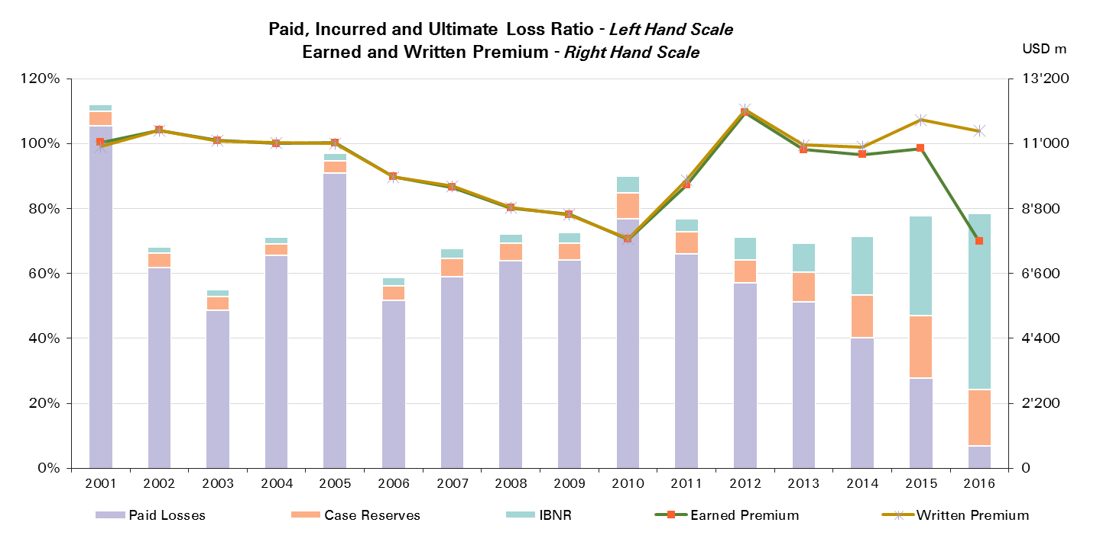

UWY | Ult Loss Ratio | Paid Losses | Case Reserves | IBNR
2001 | 112% | 105% | 5% | 2%
2002 | 68% | 62% | 4% | 2%
2003 | 55% | 49% | 4% | 2%
2004 | 71% | 66% | 3% | 2%
2005 | 97% | 91% | 4% | 2%
2006 | 59% | 52% | 4% | 3%
2007 | 68% | 59% | 6% | 3%
2008 | 72% | 64% | 5% | 3%
2009 | 73% | 64% | 5% | 3%
2010 | 90% | 77% | 8% | 5%
2011 | 77% | 66% | 7% | 4%
2012 | 71% | 57% | 7% | 7%
2013 | 69% | 51% | 9% | 9%
2014 | 71% | 40% | 13% | 18%
2015 | 78% | 28% | 19% | 31%
2016 | 78% | 7% | 17% | 54%

SR Corporate Solutions - All L
Total Paid and Reported Losses as a Percentage of Ultimate Earned Premium

 |  |  |  |  |  |  |  |  |  |  |  |  |  |  |  |  |  | SR Corporate Solutions

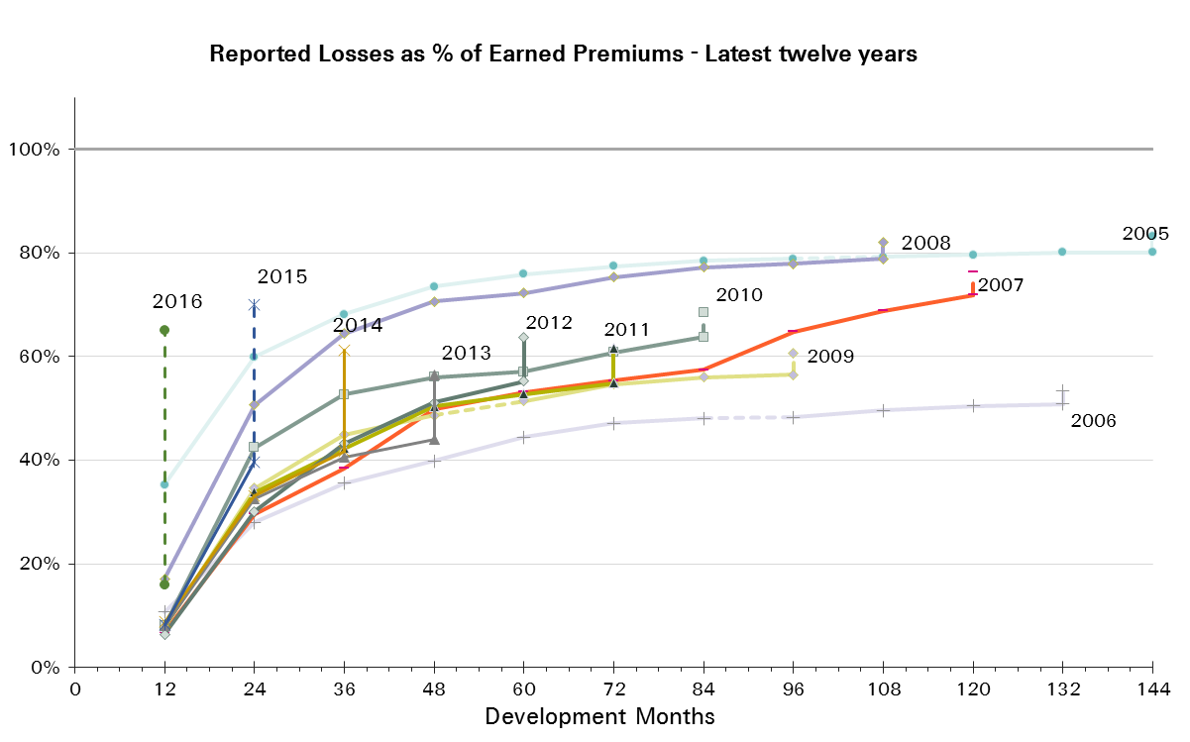
UWY | Earned Premium in USDm | Reported Loss Ratios per Development Month

 |  | 12 | 24 | 36 | 48 | 60 | 72 | 84 | 96 | 108 | 120 | 132 | 144 | 156 | 168 | 180 | 192
2001 | 3,588 | 93% | 123% | 141% | 154% | 169% | 182% | 191% | 199% | 199% | 202% | 202% | 206% | 207% | 208% | 208% | 209%
2002 | 3,974 | 13% | 32% | 46% | 53% | 59% | 62% | 66% | 67% | 67% | 69% | 69% | 70% | 70% | 70% | 70%
2003 | 3,959 | 10% | 26% | 38% | 49% | 51% | 55% | 57% | 57% | 58% | 59% | 59% | 60% | 59% | 59%
2004 | 3,564 | 19% | 42% | 54% | 58% | 62% | 64% | 66% | 67% | 68% | 69% | 69% | 70% | 70%
2005 | 3,001 | 35% | 60% | 68% | 73% | 76% | 77% | 78% | 79% | 79% | 80% | 80% | 80%
2006 | 2,874 | 11% | 28% | 36% | 40% | 44% | 47% | 48% | 48% | 50% | 50% | 51%
2007 | 2,451 | 7% | 30% | 38% | 50% | 53% | 55% | 57% | 65% | 69% | 72%
2008 | 1,872 | 17% | 51% | 64% | 71% | 72% | 75% | 77% | 78% | 79%
2009 | 1,651 | 8% | 35% | 45% | 49% | 51% | 55% | 56% | 56%
2010 | 1,681 | 8% | 42% | 53% | 56% | 57% | 61% | 64%
2011 | 1,832 | 8% | 34% | 42% | 50% | 53% | 55%
2012 | 2,240 | 6% | 30% | 43% | 51% | 55%
2013 | 2,568 | 8% | 33% | 41% | 44%
2014 | 2,603 | 9% | 33% | 42%
2015 | 2,474 | 8% | 40%
2016 | 1,510 | 16%

UWY | Earned Premium in USDm | Paid Loss Ratios per Development Month
 |  | 12 | 24 | 36 | 48 | 60 | 72 | 84 | 96 | 108 | 120 | 132 | 144 | 156 | 168 | 180 | 192
2001 | 3,588 | 16% | 45% | 78% | 103% | 123% | 134% | 166% | 185% | 189% | 194% | 190% | 192% | 196% | 197% | 198% | 204%
2002 | 3,974 | 6% | 21% | 33% | 41% | 47% | 53% | 56% | 59% | 61% | 62% | 64% | 65% | 66% | 67% | 68%
2003 | 3,959 | 3% | 14% | 25% | 33% | 39% | 43% | 47% | 49% | 51% | 52% | 53% | 56% | 57% | 57%
2004 | 3,564 | 7% | 25% | 38% | 46% | 52% | 56% | 59% | 61% | 63% | 64% | 65% | 66% | 67%
2005 | 3,001 | 8% | 31% | 49% | 59% | 68% | 71% | 73% | 75% | 76% | 77% | 78% | 78%
2006 | 2,874 | 4% | 15% | 24% | 30% | 34% | 40% | 43% | 44% | 45% | 46% | 47%
2007 | 2,451 | 3% | 17% | 29% | 36% | 45% | 48% | 53% | 56% | 61% | 64%
2008 | 1,872 | 4% | 29% | 47% | 56% | 63% | 70% | 72% | 73% | 74%
2009 | 1,651 | 4% | 20% | 34% | 41% | 45% | 48% | 51% | 52%
2010 | 1,681 | 3% | 20% | 37% | 45% | 50% | 55% | 59%
2011 | 1,832 | 4% | 20% | 33% | 38% | 48% | 51%
2012 | 2,240 | 3% | 19% | 32% | 42% | 50%
2013 | 2,568 | 4% | 20% | 32% | 39%
2014 | 2,603 | 3% | 18% | 31%
2015 | 2,474 | 3% | 22%
2016 | 1,510 | 9%
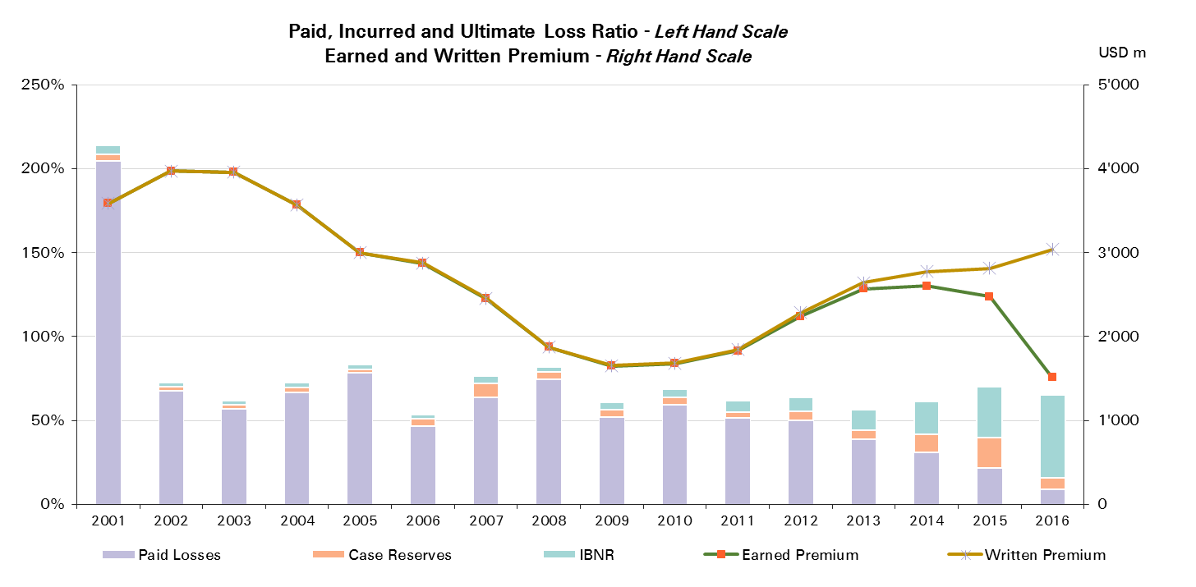

UWY | Ult Loss Ratio | Paid Losses | Case Reserves | IBNR
2001 | 214% | 204% | 4% | 6%
2002 | 73% | 68% | 2% | 3%
2003 | 62% | 57% | 2% | 3%
2004 | 73% | 67% | 3% | 3%
2005 | 83% | 78% | 2% | 3%
2006 | 53% | 47% | 4% | 3%
2007 | 76% | 64% | 8% | 4%
2008 | 82% | 74% | 5% | 3%
2009 | 61% | 52% | 4% | 4%
2010 | 68% | 59% | 4% | 5%
2011 | 62% | 51% | 4% | 7%
2012 | 64% | 50% | 5% | 9%
2013 | 56% | 39% | 5% | 12%
2014 | 61% | 31% | 11% | 19%
2015 | 70% | 22% | 18% | 31%
2016 | 65% | 9% | 7% | 49%

Property
Total Paid and Reported Losses as a Percentage of Ultimate Earned Premium

 |  |  |  |  |  |  |  |  |  |  |  |  |  |  |  |  |  | Property

UWY | Earned Premium in USDm | Reported Loss Ratios per Development Month
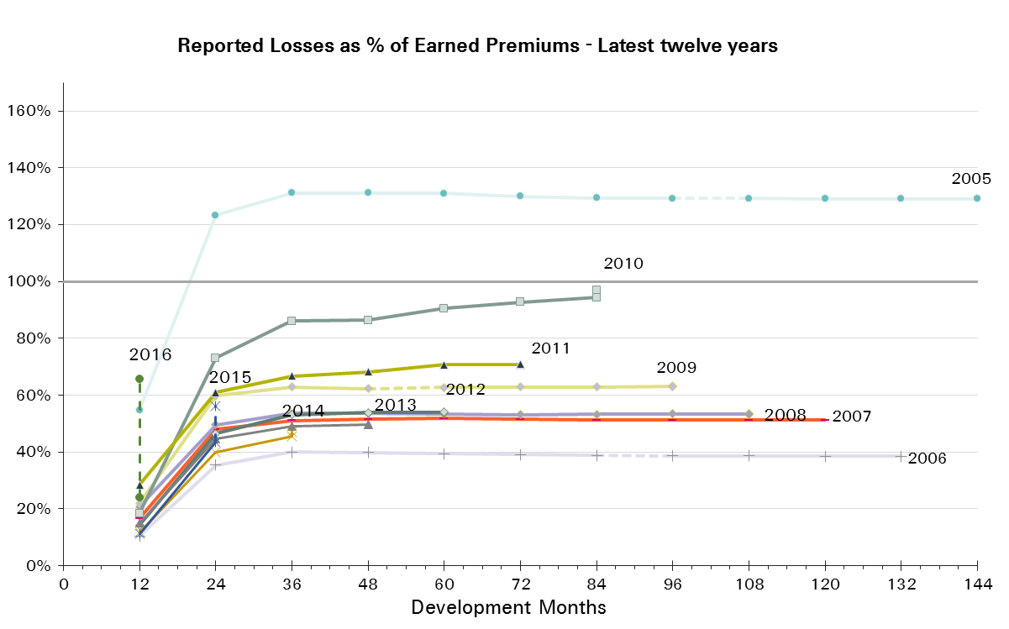
 |  | 12 | 24 | 36 | 48 | 60 | 72 | 84 | 96 | 108 | 120 | 132 | 144 | 156 | 168 | 180 | 192
2001 | 4,217 | 103% | 156% | 164% | 166% | 169% | 174% | 173% | 175% | 174% | 173% | 169% | 168% | 168% | 168% | 168% | 168%
2002 | 4,522 | 26% | 52% | 55% | 55% | 55% | 54% | 54% | 54% | 54% | 54% | 54% | 54% | 54% | 54% | 54%
2003 | 4,474 | 22% | 39% | 47% | 48% | 47% | 47% | 47% | 47% | 46% | 46% | 46% | 46% | 46% | 46%
2004 | 4,543 | 37% | 73% | 84% | 83% | 83% | 83% | 83% | 83% | 83% | 83% | 83% | 83% | 83%
2005 | 4,637 | 55% | 123% | 131% | 131% | 131% | 130% | 129% | 129% | 129% | 129% | 129% | 129%
2006 | 4,407 | 10% | 35% | 40% | 40% | 39% | 39% | 39% | 39% | 39% | 39% | 39%
2007 | 4,295 | 17% | 48% | 51% | 52% | 52% | 51% | 51% | 51% | 51% | 51%
2008 | 4,307 | 21% | 50% | 54% | 54% | 53% | 53% | 53% | 53% | 53%
2009 | 4,499 | 22% | 60% | 63% | 62% | 63% | 63% | 63% | 63%
2010 | 4,360 | 19% | 73% | 86% | 86% | 91% | 93% | 94%
2011 | 5,346 | 28% | 61% | 67% | 68% | 71% | 71%
2012 | 6,865 | 14% | 46% | 53% | 54% | 54%
2013 | 6,238 | 15% | 45% | 49% | 50%
2014 | 5,795 | 12% | 40% | 45%
2015 | 5,849 | 11% | 43%
2016 | 4,173 | 24%

UWY | Earned Premium in USDm | Paid Loss Ratios per Development Month
 |  | 12 | 24 | 36 | 48 | 60 | 72 | 84 | 96 | 108 | 120 | 132 | 144 | 156 | 168 | 180 | 192
2001 | 4,217 | 15% | 62% | 99% | 125% | 138% | 143% | 166% | 171% | 171% | 172% | 168% | 168% | 168% | 168% | 168% | 168%
2002 | 4,522 | 8% | 34% | 46% | 50% | 52% | 53% | 53% | 53% | 53% | 53% | 53% | 53% | 53% | 53% | 53%
2003 | 4,474 | 3% | 23% | 34% | 42% | 44% | 45% | 45% | 46% | 46% | 46% | 46% | 46% | 46% | 46%
2004 | 4,543 | 7% | 45% | 66% | 74% | 78% | 80% | 81% | 82% | 82% | 82% | 82% | 82% | 82%
2005 | 4,637 | 8% | 69% | 103% | 116% | 124% | 126% | 127% | 127% | 128% | 128% | 129% | 129%
2006 | 4,407 | 3% | 21% | 33% | 36% | 37% | 38% | 38% | 38% | 38% | 38% | 38%
2007 | 4,295 | 5% | 30% | 42% | 45% | 47% | 50% | 50% | 50% | 50% | 50%
2008 | 4,307 | 4% | 34% | 44% | 49% | 51% | 52% | 52% | 52% | 52%
2009 | 4,499 | 8% | 37% | 53% | 58% | 60% | 61% | 62% | 62%
2010 | 4,360 | 5% | 35% | 57% | 69% | 79% | 84% | 90%
2011 | 5,346 | 7% | 32% | 50% | 60% | 67% | 68%
2012 | 6,865 | 6% | 31% | 45% | 49% | 51%
2013 | 6,238 | 4% | 27% | 40% | 45%
2014 | 5,795 | 4% | 26% | 37%
2015 | 5,849 | 3% | 25%
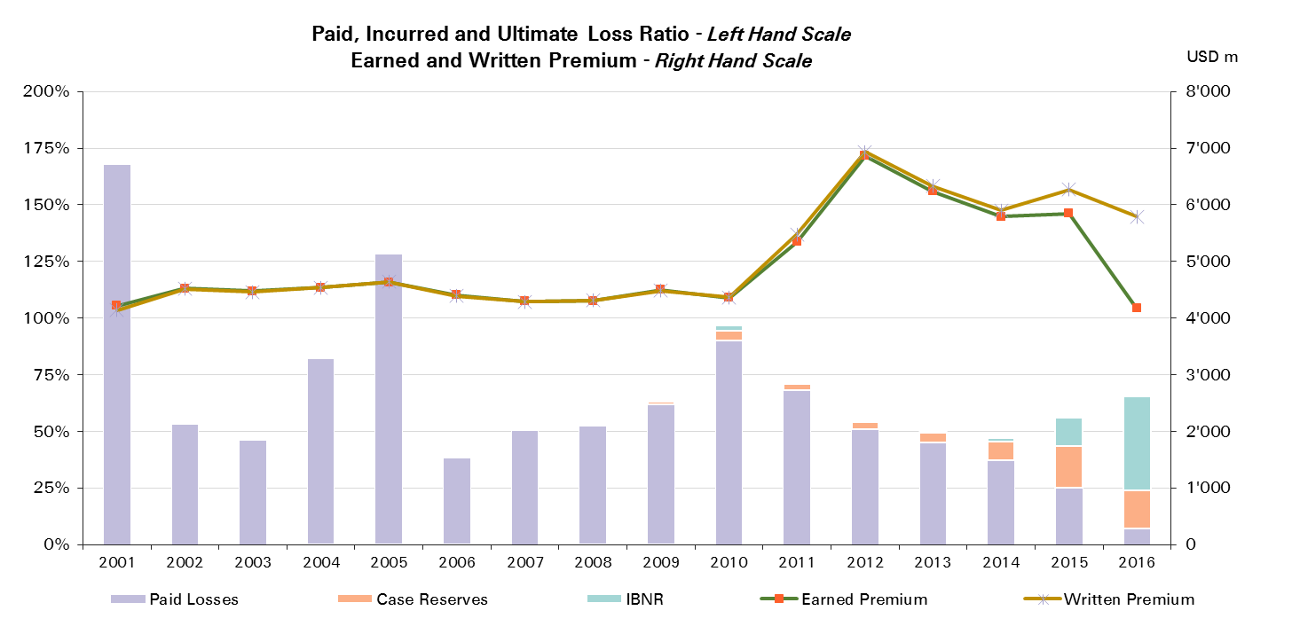
2016 | 4,173 | 7%

UWY | Ult Loss Ratio | Paid Losses | Case Reserves | IBNR
2001 | 168% | 168% | 0% | 0%
2002 | 54% | 53% | 0% | 0%
2003 | 46% | 46% | 0% | 0%
2004 | 83% | 82% | 0% | 0%
2005 | 129% | 129% | 0% | 0%
2006 | 39% | 38% | 0% | 0%
2007 | 51% | 50% | 1% | 0%
2008 | 53% | 52% | 1% | 0%
2009 | 63% | 62% | 1% | 0%
2010 | 97% | 90% | 4% | 2%
2011 | 71% | 68% | 3% | 0%
2012 | 54% | 51% | 3% | 0%
2013 | 50% | 45% | 4% | 0%
2014 | 47% | 37% | 8% | 2%
2015 | 56% | 25% | 18% | 13%
2016 | 66% | 7% | 17% | 42%

Property Reinsurance
Total Paid and Reported Losses as a Percentage of Ultimate Earned Premium

 |  |  |  |  |  |  |  |  |  |  |  |  |  |  |  |  |  | Property Reinsurance

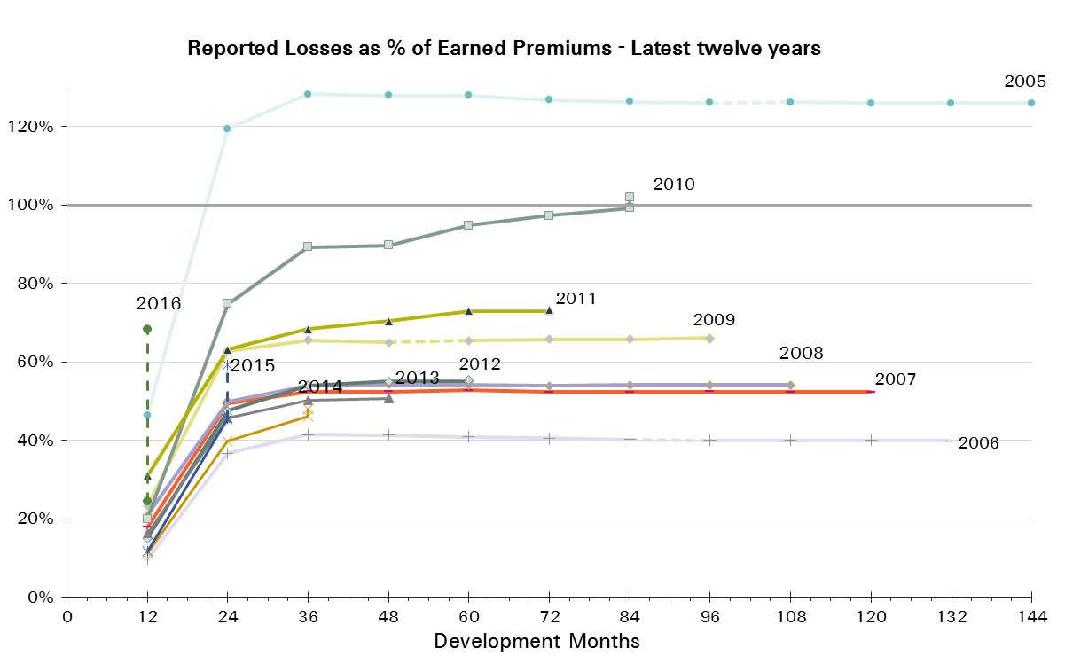
UWY | Earned Premium in USDm | Reported Loss Ratios per Development Month

 |  | 12 | 24 | 36 | 48 | 60 | 72 | 84 | 96 | 108 | 120 | 132 | 144 | 156 | 168 | 180 | 192
2001 | 3,470 | 39% | 95% | 103% | 105% | 105% | 106% | 106% | 105% | 106% | 105% | 105% | 105% | 105% | 104% | 104% | 104%
2002 | 3,657 | 26% | 55% | 58% | 57% | 57% | 56% | 56% | 56% | 56% | 56% | 56% | 56% | 56% | 56% | 56%
2003 | 3,646 | 22% | 39% | 47% | 48% | 47% | 47% | 47% | 47% | 46% | 46% | 46% | 46% | 46% | 46%
2004 | 3,743 | 33% | 67% | 77% | 76% | 76% | 76% | 76% | 76% | 76% | 76% | 76% | 76% | 76%
2005 | 3,843 | 46% | 119% | 128% | 128% | 128% | 127% | 126% | 126% | 126% | 126% | 126% | 126%
2006 | 3,548 | 10% | 37% | 41% | 41% | 41% | 40% | 40% | 40% | 40% | 40% | 40%
2007 | 3,697 | 18% | 49% | 52% | 52% | 53% | 52% | 52% | 52% | 52% | 52%
2008 | 3,832 | 21% | 50% | 54% | 54% | 54% | 54% | 54% | 54% | 54%
2009 | 4,021 | 23% | 63% | 66% | 65% | 65% | 66% | 66% | 66%
2010 | 3,844 | 20% | 75% | 89% | 90% | 95% | 97% | 99%
2011 | 4,724 | 31% | 63% | 68% | 70% | 73% | 73%
2012 | 6,078 | 15% | 48% | 54% | 55% | 55%
2013 | 5,286 | 16% | 46% | 50% | 51%
2014 | 4,831 | 11% | 40% | 46%
2015 | 4,911 | 12% | 45%
2016 | 3,640 | 24%

UWY | Earned Premium in USDm | Paid Loss Ratios per Development Month
 |  | 12 | 24 | 36 | 48 | 60 | 72 | 84 | 96 | 108 | 120 | 132 | 144 | 156 | 168 | 180 | 192
2001 | 3,470 | 7% | 46% | 72% | 88% | 94% | 98% | 101% | 102% | 103% | 103% | 104% | 104% | 104% | 104% | 104% | 104%
2002 | 3,657 | 8% | 35% | 48% | 52% | 54% | 55% | 55% | 55% | 55% | 55% | 55% | 55% | 55% | 55% | 55%
2003 | 3,646 | 2% | 23% | 34% | 42% | 44% | 45% | 46% | 46% | 46% | 46% | 46% | 46% | 46% | 46%
2004 | 3,743 | 5% | 41% | 61% | 68% | 72% | 73% | 74% | 75% | 75% | 75% | 75% | 75% | 75%
2005 | 3,843 | 6% | 67% | 100% | 112% | 120% | 122% | 123% | 124% | 125% | 125% | 125% | 125%
2006 | 3,548 | 2% | 22% | 34% | 37% | 39% | 39% | 39% | 39% | 40% | 40% | 40%
2007 | 3,697 | 5% | 31% | 42% | 46% | 48% | 50% | 51% | 51% | 51% | 51%
2008 | 3,832 | 4% | 34% | 44% | 49% | 51% | 52% | 53% | 53% | 53%
2009 | 4,021 | 9% | 38% | 55% | 60% | 62% | 64% | 64% | 65%
2010 | 3,844 | 6% | 37% | 59% | 72% | 81% | 88% | 94%
2011 | 4,724 | 8% | 34% | 50% | 61% | 68% | 70%
2012 | 6,078 | 6% | 33% | 46% | 51% | 53%
2013 | 5,286 | 4% | 28% | 41% | 46%
2014 | 4,831 | 4% | 26% | 38%
2015 | 4,911 | 3% | 27%
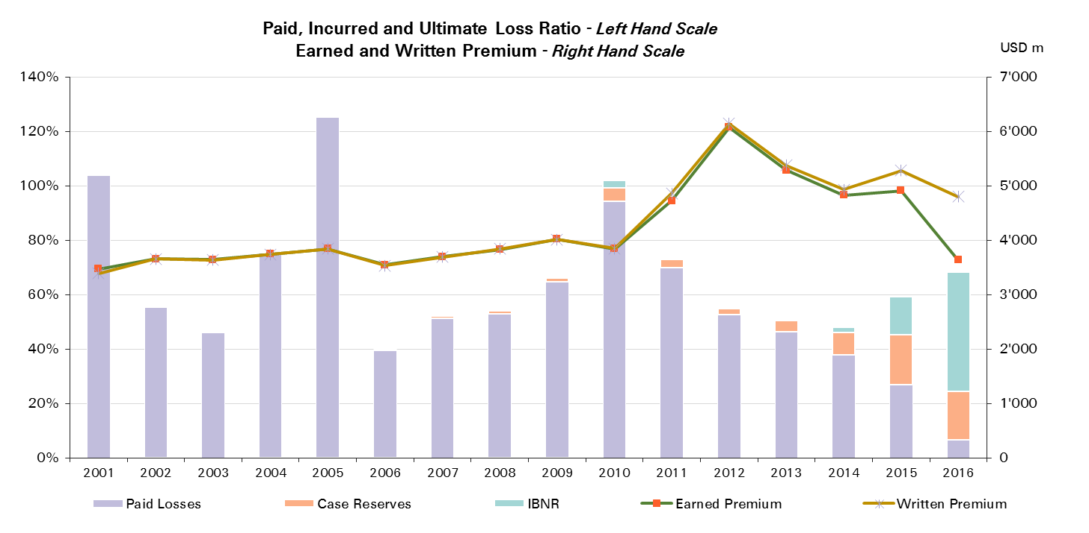
2016 | 3,640 | 7%

UWY | Ult Loss Ratio | Paid Losses | Case Reserves | IBNR
2001 | 104% | 104% | 0% | 0%
2002 | 56% | 55% | 0% | 0%
2003 | 46% | 46% | 0% | 0%
2004 | 76% | 75% | 0% | 0%
2005 | 126% | 125% | 1% | 0%
2006 | 40% | 40% | 0% | 0%
2007 | 52% | 51% | 1% | 0%
2008 | 54% | 53% | 1% | 0%
2009 | 66% | 65% | 1% | 0%
2010 | 102% | 94% | 5% | 3%
2011 | 73% | 70% | 3% | 0%
2012 | 55% | 53% | 2% | 0%
2013 | 51% | 46% | 4% | 0%
2014 | 48% | 38% | 8% | 2%
2015 | 59% | 27% | 19% | 14%
2016 | 68% | 7% | 18% | 44%

Property CS
Total Paid and Reported Losses as a Percentage of Ultimate Earned Premium

 |  |  |  |  |  |  |  |  |  |  |  |  |  |  |  |  |  | Property Corporate Solutions

UWY | Earned Premium in USDm | Reported Loss Ratios per Development Month
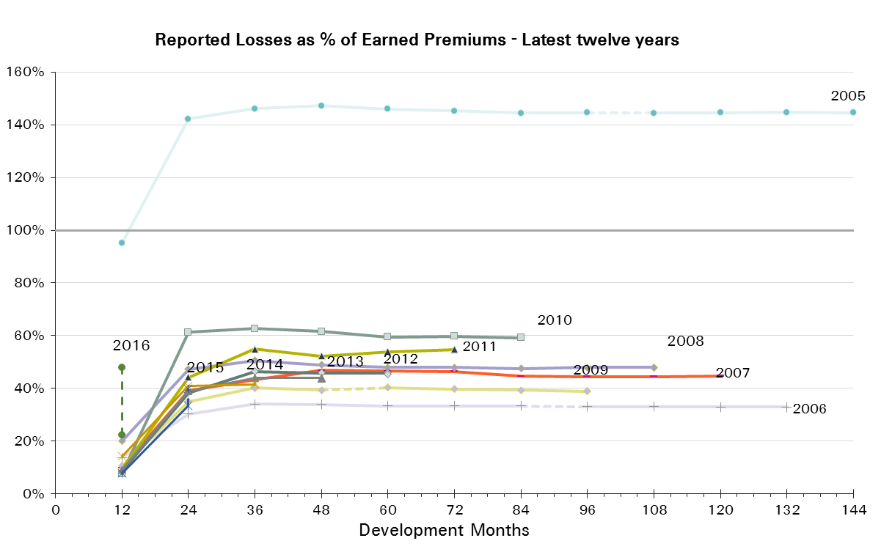
 |  | 12 | 24 | 36 | 48 | 60 | 72 | 84 | 96 | 108 | 120 | 132 | 144 | 156 | 168 | 180 | 192
2001 | 747 | 397% | 440% | 447% | 447% | 467% | 492% | 486% | 497% | 489% | 489% | 466% | 464% | 465% | 464% | 464% | 464%
2002 | 865 | 24% | 38% | 42% | 46% | 46% | 45% | 45% | 45% | 45% | 45% | 45% | 45% | 45% | 45% | 45%
2003 | 829 | 20% | 42% | 46% | 46% | 45% | 46% | 46% | 46% | 46% | 46% | 46% | 46% | 46% | 46%
2004 | 800 | 54% | 103% | 118% | 118% | 116% | 117% | 116% | 116% | 116% | 116% | 116% | 116% | 116%
2005 | 794 | 95% | 142% | 146% | 147% | 146% | 145% | 144% | 145% | 144% | 145% | 145% | 145%
2006 | 859 | 14% | 30% | 34% | 34% | 33% | 33% | 33% | 33% | 33% | 33% | 33%
2007 | 598 | 10% | 39% | 43% | 47% | 47% | 46% | 45% | 44% | 45% | 45%
2008 | 475 | 20% | 47% | 51% | 49% | 48% | 48% | 48% | 48% | 48%
2009 | 478 | 11% | 35% | 40% | 39% | 40% | 40% | 39% | 39%
2010 | 517 | 8% | 61% | 63% | 62% | 60% | 60% | 59%
2011 | 622 | 9% | 44% | 55% | 52% | 54% | 55%
2012 | 787 | 8% | 38% | 46% | 46% | 46%
2013 | 952 | 9% | 39% | 44% | 44%
2014 | 964 | 14% | 41% | 42%
2015 | 938 | 8% | 33%
2016 | 533 | 22%

UWY | Earned Premium in USDm | Paid Loss Ratios per Development Month
 |  | 12 | 24 | 36 | 48 | 60 | 72 | 84 | 96 | 108 | 120 | 132 | 144 | 156 | 168 | 180 | 192
2001 | 747 | 52% | 136% | 228% | 295% | 341% | 348% | 465% | 493% | 489% | 489% | 464% | 464% | 464% | 464% | 464% | 464%
2002 | 865 | 12% | 28% | 37% | 41% | 44% | 44% | 44% | 44% | 45% | 45% | 45% | 45% | 45% | 45% | 45%
2003 | 829 | 7% | 23% | 34% | 41% | 43% | 45% | 45% | 45% | 46% | 46% | 46% | 46% | 46% | 46%
2004 | 800 | 17% | 59% | 89% | 102% | 109% | 113% | 113% | 115% | 116% | 116% | 116% | 116% | 116%
2005 | 794 | 19% | 80% | 121% | 135% | 142% | 143% | 144% | 144% | 144% | 144% | 144% | 144%
2006 | 859 | 6% | 19% | 28% | 31% | 32% | 33% | 33% | 33% | 33% | 33% | 33%
2007 | 598 | 5% | 26% | 37% | 41% | 43% | 44% | 44% | 44% | 44% | 45%
2008 | 475 | 7% | 33% | 45% | 47% | 47% | 47% | 48% | 48% | 48%
2009 | 478 | 3% | 22% | 34% | 38% | 39% | 40% | 39% | 39%
2010 | 517 | 2% | 24% | 43% | 49% | 58% | 58% | 58%
2011 | 622 | 4% | 20% | 43% | 50% | 53% | 54%
2012 | 787 | 2% | 21% | 33% | 38% | 39%
2013 | 952 | 4% | 21% | 36% | 40%
2014 | 964 | 3% | 23% | 35%
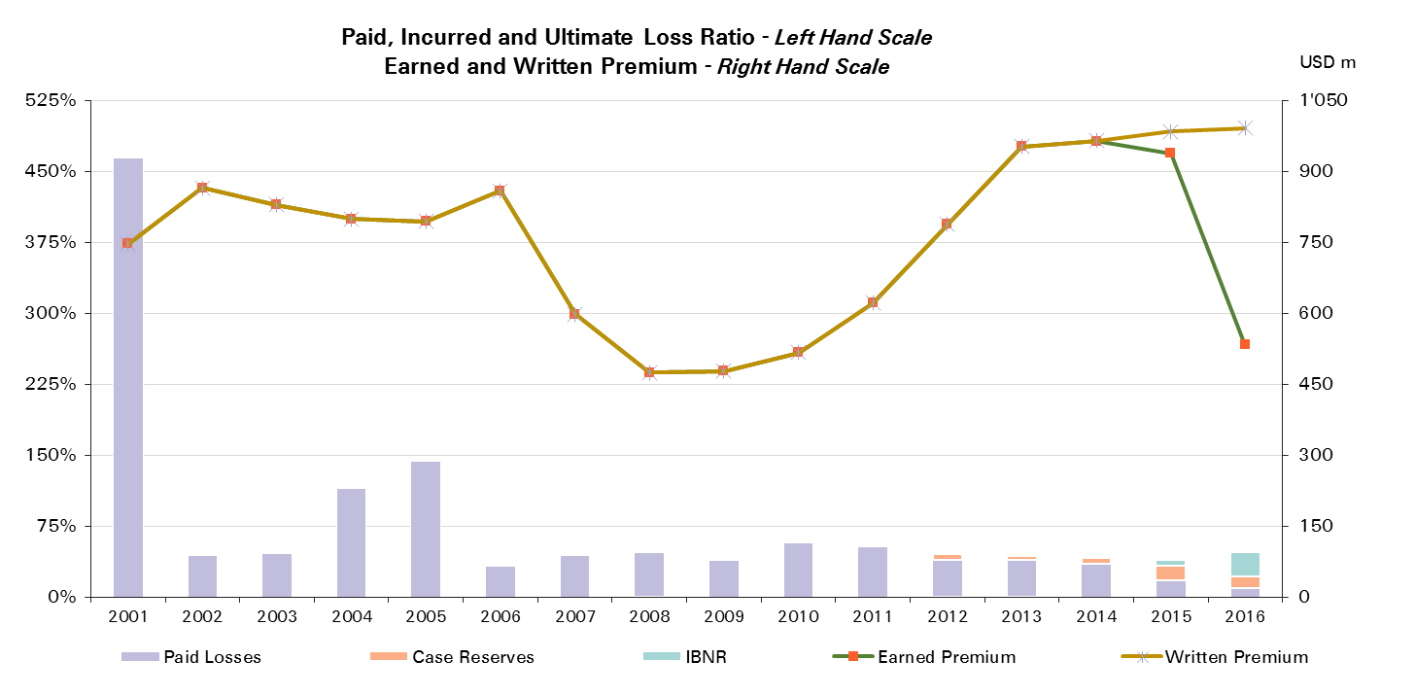
2015 | 938 | 2% | 18%
2016 | 533 | 10%

UWY | Ult Loss Ratio | Paid Losses | Case Reserves | IBNR
2001 | 464% | 464% | 0% | 0%
2002 | 45% | 45% | 0% | 0%
2003 | 46% | 46% | 0% | 0%
2004 | 116% | 116% | 0% | 0%
2005 | 145% | 144% | 0% | 0%
2006 | 33% | 33% | 0% | 0%
2007 | 45% | 45% | 0% | 0%
2008 | 48% | 48% | 0% | 0%
2009 | 39% | 39% | 0% | 0%
2010 | 59% | 58% | 1% | 0%
2011 | 55% | 54% | 1% | 0%
2012 | 45% | 39% | 7% | -1%
2013 | 44% | 40% | 4% | 0%
2014 | 42% | 35% | 7% | 1%
2015 | 40% | 18% | 16% | 6%
2016 | 48% | 10% | 13% | 26%

Motor
Total Paid and Reported Losses as a Percentage of Ultimate Earned Premium

 |  |  |  |  |  |  |  |  |  |  |  |  |  |  |  |  |  | Motor

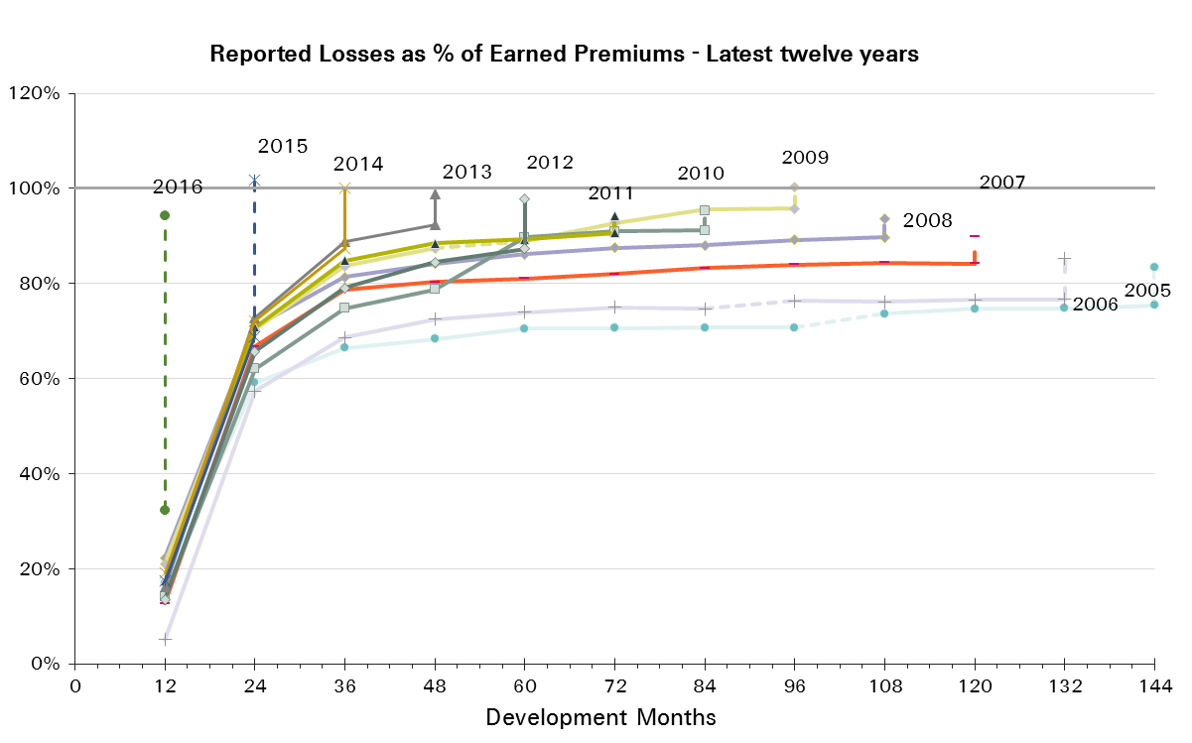
UWY | Earned Premium in USDm | Reported Loss Ratios per Development Month

 |  | 12 | 24 | 36 | 48 | 60 | 72 | 84 | 96 | 108 | 120 | 132 | 144 | 156 | 168 | 180 | 192
2001 | 1,980 | 30% | 77% | 95% | 101% | 104% | 105% | 106% | 106% | 106% | 106% | 106% | 106% | 107% | 107% | 107% | 108%
2002 | 1,617 | 37% | 66% | 80% | 84% | 87% | 87% | 88% | 88% | 88% | 88% | 88% | 89% | 90% | 91% | 91%
2003 | 1,700 | 39% | 63% | 72% | 77% | 78% | 79% | 80% | 79% | 79% | 79% | 80% | 80% | 81% | 81%
2004 | 1,703 | 36% | 64% | 73% | 79% | 80% | 80% | 81% | 81% | 81% | 82% | 82% | 82% | 82%
2005 | 1,359 | 17% | 59% | 66% | 68% | 70% | 71% | 71% | 71% | 74% | 75% | 75% | 75%
2006 | 1,181 | 5% | 57% | 69% | 72% | 74% | 75% | 75% | 76% | 76% | 77% | 77%
2007 | 1,325 | 13% | 67% | 79% | 80% | 81% | 82% | 83% | 84% | 84% | 84%
2008 | 1,320 | 22% | 71% | 81% | 84% | 86% | 88% | 88% | 89% | 90%
2009 | 1,357 | 21% | 70% | 84% | 87% | 89% | 93% | 96% | 96%
2010 | 1,081 | 14% | 62% | 75% | 79% | 90% | 91% | 91%
2011 | 1,856 | 17% | 71% | 85% | 88% | 89% | 91%
2012 | 2,348 | 14% | 66% | 79% | 85% | 87%
2013 | 2,275 | 16% | 73% | 89% | 92%
2014 | 2,059 | 19% | 72% | 87%
2015 | 2,480 | 17% | 69%
2016 | 1,578 | 32%

UWY | Earned Premium in USDm | Paid Loss Ratios per Development Month
 |  | 12 | 24 | 36 | 48 | 60 | 72 | 84 | 96 | 108 | 120 | 132 | 144 | 156 | 168 | 180 | 192
2001 | 1,980 | 12% | 48% | 64% | 73% | 81% | 86% | 89% | 92% | 94% | 95% | 97% | 98% | 98% | 99% | 100% | 100%
2002 | 1,617 | 11% | 42% | 56% | 62% | 67% | 69% | 72% | 74% | 76% | 77% | 78% | 79% | 80% | 80% | 81%
2003 | 1,700 | 13% | 39% | 48% | 54% | 59% | 63% | 65% | 67% | 68% | 68% | 69% | 70% | 71% | 72%
2004 | 1,703 | 11% | 38% | 49% | 56% | 61% | 63% | 66% | 68% | 70% | 71% | 72% | 72% | 73%
2005 | 1,359 | 10% | 32% | 42% | 48% | 53% | 56% | 58% | 60% | 61% | 62% | 63% | 64%
2006 | 1,181 | -1% | 30% | 44% | 50% | 55% | 58% | 61% | 63% | 64% | 65% | 65%
2007 | 1,325 | 8% | 43% | 58% | 63% | 67% | 69% | 71% | 73% | 74% | 75%
2008 | 1,320 | 13% | 50% | 63% | 70% | 73% | 76% | 78% | 79% | 81%
2009 | 1,357 | 12% | 49% | 67% | 73% | 76% | 80% | 84% | 86%
2010 | 1,081 | 9% | 42% | 55% | 64% | 71% | 75% | 78%
2011 | 1,856 | 9% | 50% | 72% | 77% | 81% | 83%
2012 | 2,348 | 10% | 51% | 68% | 75% | 79%
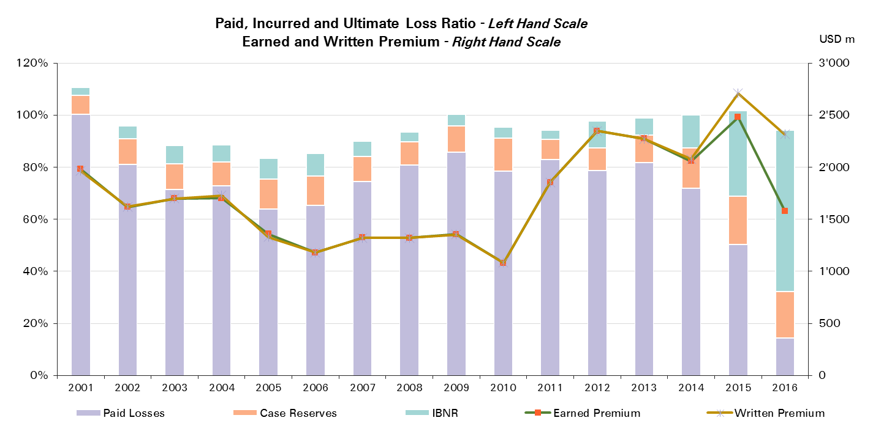
2013 | 2,275 | 9% | 54% | 75% | 82%
2014 | 2,059 | 11% | 52% | 72%
2015 | 2,480 | 11% | 50%
2016 | 1,578 | 14%

UWY | Ult Loss Ratio | Paid Losses | Case Reserves | IBNR
2001 | 111% | 100% | 7% | 3%
2002 | 96% | 81% | 10% | 5%
2003 | 88% | 72% | 10% | 7%
2004 | 89% | 73% | 9% | 7%
2005 | 83% | 64% | 11% | 8%
2006 | 85% | 65% | 11% | 9%
2007 | 90% | 75% | 10% | 6%
2008 | 94% | 81% | 9% | 4%
2009 | 100% | 86% | 10% | 5%
2010 | 95% | 78% | 13% | 4%
2011 | 94% | 83% | 8% | 4%
2012 | 98% | 79% | 9% | 10%
2013 | 99% | 82% | 11% | 6%
2014 | 100% | 72% | 16% | 13%
2015 | 102% | 50% | 18% | 33%
2016 | 94% | 14% | 18% | 62%

Motor Reinsurance
Total Paid and Reported Losses as a Percentage of Ultimate Earned Premium

 |  |  |  |  |  |  |  |  |  |  |  |  |  |  |  |  |  | Motor Reinsurance

UWY | Earned Premium in USDm | Reported Loss Ratios per Development Month

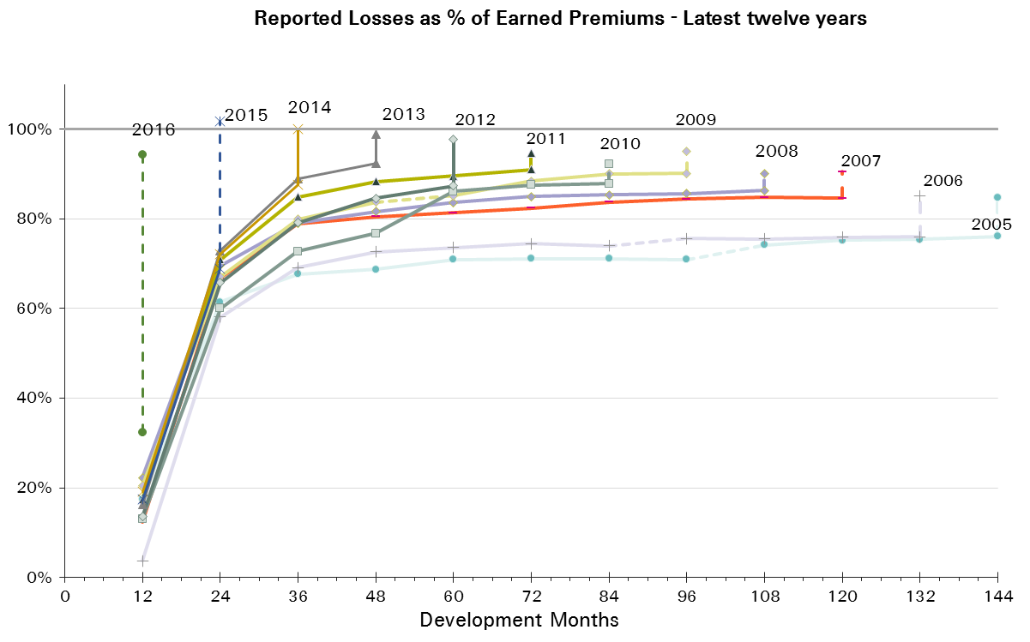
 |  | 12 | 24 | 36 | 48 | 60 | 72 | 84 | 96 | 108 | 120 | 132 | 144 | 156 | 168 | 180 | 192
2001 | 1,724 | 31% | 79% | 97% | 103% | 105% | 106% | 107% | 106% | 106% | 106% | 107% | 107% | 108% | 108% | 108% | 109%
2002 | 1,438 | 40% | 71% | 85% | 89% | 91% | 91% | 91% | 92% | 92% | 92% | 91% | 93% | 94% | 95% | 95%
2003 | 1,480 | 43% | 68% | 76% | 79% | 80% | 81% | 81% | 81% | 81% | 81% | 83% | 82% | 83% | 83%
2004 | 1,503 | 39% | 68% | 76% | 81% | 81% | 82% | 82% | 82% | 82% | 83% | 83% | 83% | 83%
2005 | 1,238 | 17% | 61% | 68% | 69% | 71% | 71% | 71% | 71% | 74% | 75% | 75% | 76%
2006 | 1,100 | 4% | 58% | 69% | 73% | 74% | 74% | 74% | 76% | 75% | 76% | 76%
2007 | 1,289 | 12% | 67% | 79% | 81% | 81% | 82% | 84% | 84% | 85% | 85%
2008 | 1,302 | 22% | 70% | 79% | 82% | 84% | 85% | 85% | 86% | 86%
2009 | 1,344 | 20% | 67% | 80% | 84% | 85% | 88% | 90% | 90%
2010 | 1,077 | 13% | 60% | 73% | 77% | 86% | 88% | 88%
2011 | 1,852 | 17% | 71% | 85% | 88% | 90% | 91%
2012 | 2,345 | 14% | 66% | 79% | 85% | 87%
2013 | 2,272 | 16% | 73% | 89% | 92%
2014 | 2,055 | 19% | 72% | 88%
2015 | 2,477 | 17% | 69%
2016 | 1,577 | 32%

UWY | Earned Premium in USDm | Paid Loss Ratios per Development Month
 |  | 12 | 24 | 36 | 48 | 60 | 72 | 84 | 96 | 108 | 120 | 132 | 144 | 156 | 168 | 180 | 192
2001 | 1,724 | 12% | 49% | 65% | 73% | 80% | 85% | 88% | 91% | 93% | 94% | 96% | 97% | 98% | 99% | 99% | 100%
2002 | 1,438 | 12% | 46% | 59% | 65% | 69% | 72% | 74% | 76% | 78% | 79% | 80% | 81% | 82% | 83% | 84%
2003 | 1,480 | 14% | 42% | 51% | 55% | 60% | 63% | 65% | 67% | 68% | 69% | 69% | 71% | 72% | 72%
2004 | 1,503 | 12% | 41% | 51% | 57% | 61% | 63% | 66% | 68% | 70% | 71% | 72% | 72% | 73%
2005 | 1,238 | 10% | 34% | 43% | 48% | 52% | 55% | 57% | 59% | 61% | 62% | 63% | 64%
2006 | 1,100 | -1% | 31% | 44% | 50% | 54% | 57% | 59% | 61% | 62% | 63% | 64%
2007 | 1,289 | 8% | 43% | 59% | 63% | 67% | 69% | 71% | 73% | 74% | 75%
2008 | 1,302 | 13% | 48% | 60% | 67% | 70% | 73% | 76% | 77% | 78%
2009 | 1,344 | 11% | 46% | 63% | 69% | 72% | 78% | 80% | 82%
2010 | 1,077 | 8% | 40% | 53% | 62% | 73% | 76% | 78%
2011 | 1,852 | 9% | 50% | 72% | 78% | 82% | 84%
2012 | 2,345 | 10% | 51% | 68% | 75% | 79%
2013 | 2,272 | 9% | 54% | 75% | 82%
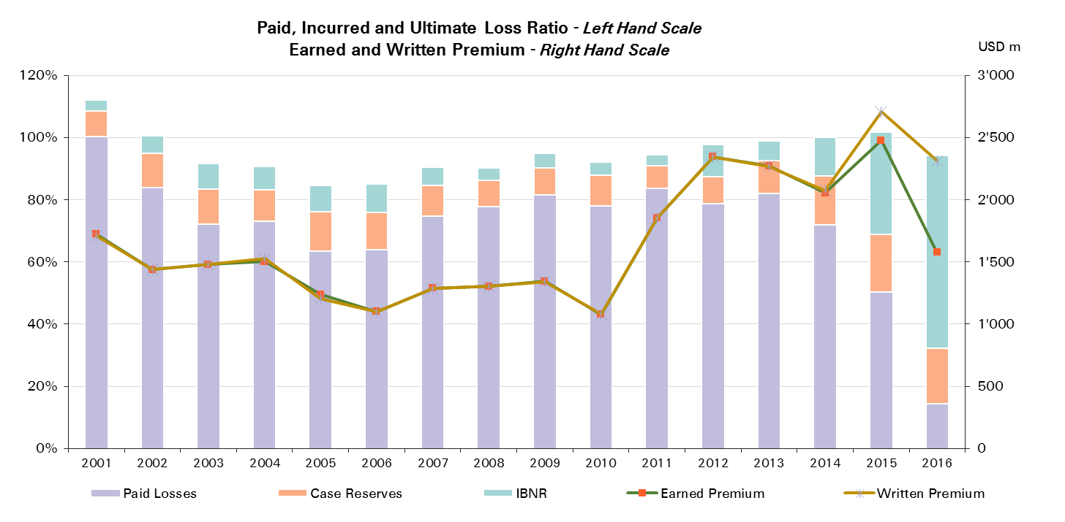
2014 | 2,055 | 11% | 52% | 72%
2015 | 2,477 | 11% | 50%
2016 | 1,577 | 14%

UWY | Ult Loss Ratio | Paid Losses | Case Reserves | IBNR
2001 | 112% | 100% | 8% | 4%
2002 | 100% | 84% | 11% | 6%
2003 | 92% | 72% | 11% | 8%
2004 | 91% | 73% | 10% | 7%
2005 | 85% | 64% | 12% | 9%
2006 | 85% | 64% | 12% | 9%
2007 | 91% | 75% | 10% | 6%
2008 | 90% | 78% | 8% | 4%
2009 | 95% | 82% | 9% | 5%
2010 | 92% | 78% | 10% | 4%
2011 | 95% | 84% | 7% | 4%
2012 | 98% | 79% | 9% | 10%
2013 | 99% | 82% | 11% | 6%
2014 | 100% | 72% | 16% | 12%
2015 | 102% | 50% | 18% | 33%
2016 | 94% | 14% | 18% | 62%

Motor - Prop Reinsurance
Total Paid and Reported Losses as a Percentage of Ultimate Earned Premium

 |  |  |  |  |  |  |  |  |  |  |  |  |  |  |  |  |  | Motor Proportional Reinsurance

UWY | Earned Premium in USDm | Reported Loss Ratios per Development Month

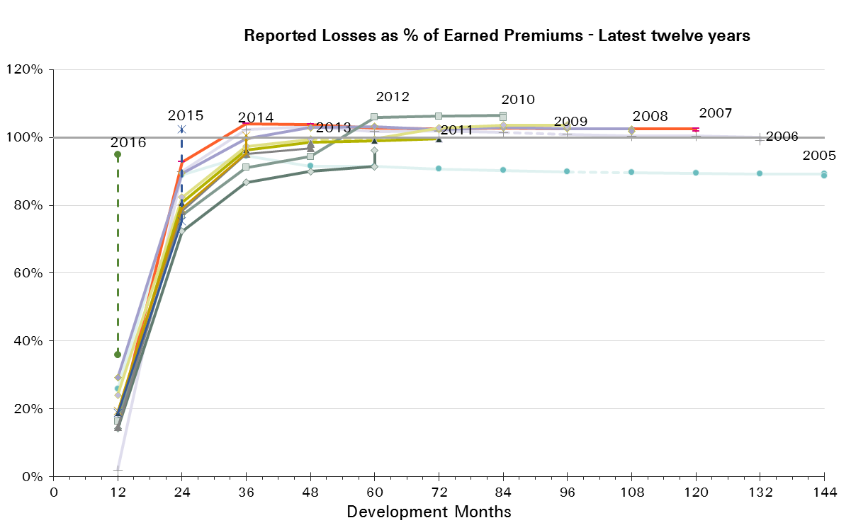
 |  | 12 | 24 | 36 | 48 | 60 | 72 | 84 | 96 | 108 | 120 | 132 | 144 | 156 | 168 | 180 | 192
2001 | 1,224 | 38% | 92% | 108% | 110% | 111% | 109% | 109% | 109% | 109% | 108% | 109% | 108% | 108% | 108% | 108% | 108%
2002 | 880 | 57% | 90% | 105% | 105% | 104% | 103% | 102% | 102% | 101% | 101% | 101% | 101% | 101% | 101% | 101%
2003 | 859 | 63% | 89% | 98% | 97% | 98% | 97% | 97% | 96% | 96% | 95% | 95% | 95% | 95% | 95%
2004 | 859 | 58% | 93% | 98% | 102% | 101% | 100% | 99% | 99% | 99% | 99% | 99% | 99% | 99%
2005 | 616 | 26% | 89% | 95% | 91% | 91% | 91% | 90% | 90% | 90% | 89% | 89% | 89%
2006 | 554 | 2% | 90% | 102% | 103% | 102% | 102% | 101% | 101% | 100% | 100% | 100%
2007 | 792 | 15% | 93% | 104% | 104% | 103% | 103% | 103% | 103% | 103% | 103%
2008 | 823 | 29% | 89% | 100% | 103% | 103% | 102% | 103% | 103% | 103%
2009 | 944 | 24% | 82% | 97% | 99% | 100% | 103% | 104% | 104%
2010 | 726 | 16% | 77% | 91% | 94% | 106% | 106% | 106%
2011 | 1,478 | 19% | 81% | 96% | 99% | 99% | 100%
2012 | 1,939 | 14% | 72% | 87% | 90% | 91%
2013 | 1,869 | 15% | 78% | 95% | 97%
2014 | 1,654 | 19% | 79% | 95%
2015 | 2,045 | 19% | 75%
2016 | 1,216 | 36%

UWY | Earned Premium in USDm | Paid Loss Ratios per Development Month
 |  | 12 | 24 | 36 | 48 | 60 | 72 | 84 | 96 | 108 | 120 | 132 | 144 | 156 | 168 | 180 | 192
2001 | 1,224 | 17% | 67% | 84% | 91% | 97% | 100% | 102% | 103% | 104% | 105% | 105% | 106% | 106% | 106% | 106% | 106%
2002 | 880 | 20% | 71% | 86% | 91% | 94% | 94% | 96% | 96% | 97% | 97% | 98% | 98% | 98% | 98% | 99%
2003 | 859 | 24% | 68% | 80% | 82% | 87% | 88% | 90% | 91% | 91% | 91% | 91% | 92% | 92% | 92%
2004 | 859 | 20% | 66% | 79% | 85% | 88% | 90% | 92% | 93% | 94% | 94% | 95% | 95% | 95%
2005 | 616 | 20% | 63% | 75% | 79% | 81% | 83% | 84% | 84% | 85% | 85% | 86% | 86%
2006 | 554 | -3% | 57% | 79% | 85% | 88% | 91% | 93% | 94% | 94% | 95% | 95%
2007 | 792 | 12% | 67% | 88% | 93% | 95% | 96% | 97% | 98% | 98% | 99%
2008 | 823 | 20% | 70% | 85% | 92% | 94% | 96% | 98% | 99% | 99%
2009 | 944 | 15% | 61% | 82% | 88% | 91% | 97% | 99% | 99%
2010 | 726 | 12% | 57% | 73% | 84% | 97% | 99% | 101%
2011 | 1,478 | 11% | 61% | 87% | 93% | 95% | 96%
2012 | 1,939 | 12% | 61% | 80% | 85% | 88%
2013 | 1,869 | 11% | 62% | 85% | 91%
2014 | 1,654 | 14% | 63% | 84%
2015 | 2,045 | 14% | 60%
2016 | 1,216 | 18%
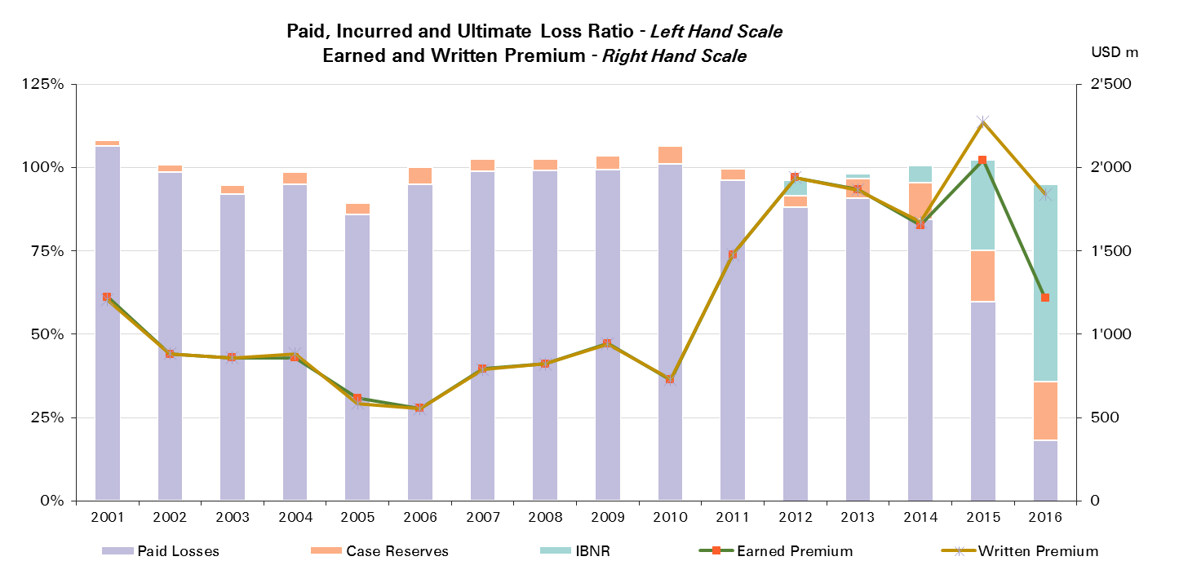

UWY | Ult Loss Ratio | Paid Losses | Case Reserves | IBNR
2001 | 108% | 106% | 2% | 0%
2002 | 100% | 99% | 2% | 0%
2003 | 94% | 92% | 3% | -1%
2004 | 98% | 95% | 4% | -1%
2005 | 89% | 86% | 3% | -1%
2006 | 99% | 95% | 5% | -1%
2007 | 102% | 99% | 4% | -1%
2008 | 102% | 99% | 3% | -1%
2009 | 103% | 99% | 4% | 0%
2010 | 106% | 101% | 5% | -1%
2011 | 100% | 96% | 3% | 0%
2012 | 96% | 88% | 3% | 5%
2013 | 98% | 91% | 6% | 1%
2014 | 101% | 84% | 11% | 5%
2015 | 102% | 60% | 15% | 27%
2016 | 95% | 18% | 18% | 59%

Motor - NP Reinsurance
Total Paid and Reported Losses as a Percentage of Ultimate Earned Premium

 |  |  |  |  |  |  |  |  |  |  |  |  |  |  |  |  |  | Motor Non-Proportional Reinsurance

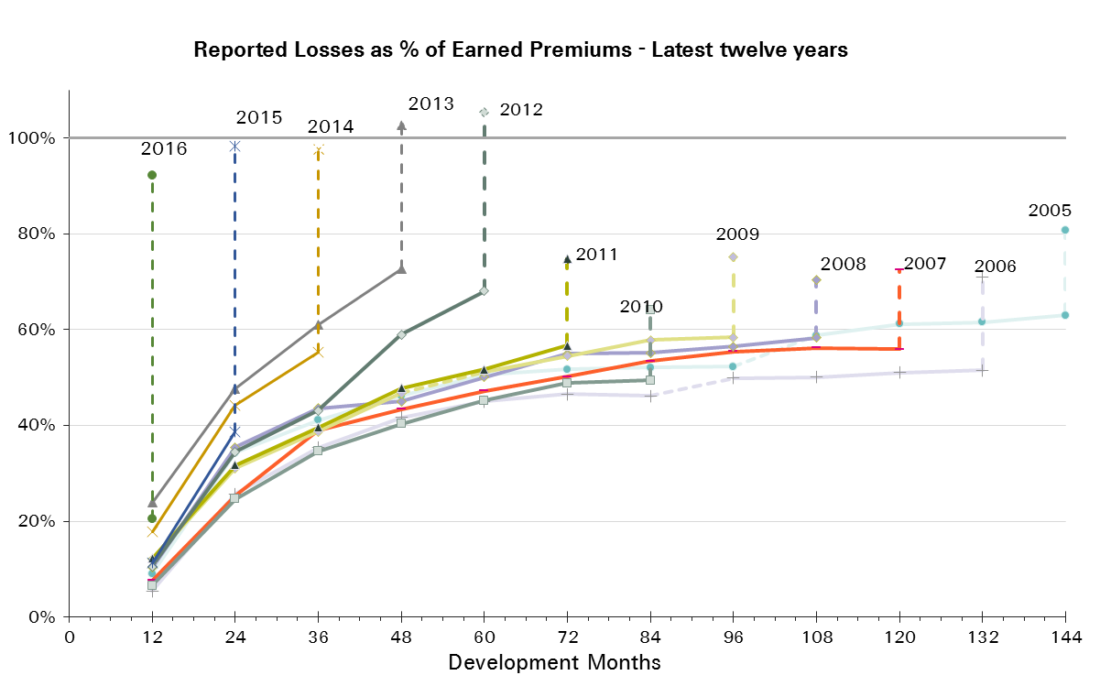
UWY | Earned Premium in USDm | Reported Loss Ratios per Development Month

 |  | 12 | 24 | 36 | 48 | 60 | 72 | 84 | 96 | 108 | 120 | 132 | 144 | 156 | 168 | 180 | 192
2001 | 500 | 14% | 47% | 69% | 85% | 92% | 96% | 100% | 100% | 101% | 101% | 102% | 104% | 106% | 107% | 108% | 110%
2002 | 558 | 14% | 39% | 53% | 64% | 70% | 72% | 74% | 75% | 77% | 77% | 77% | 81% | 83% | 85% | 85%
2003 | 621 | 15% | 39% | 46% | 54% | 57% | 59% | 60% | 59% | 60% | 62% | 65% | 65% | 67% | 68%
2004 | 644 | 13% | 35% | 45% | 54% | 56% | 58% | 60% | 60% | 60% | 62% | 61% | 62% | 63%
2005 | 622 | 9% | 34% | 41% | 46% | 51% | 52% | 52% | 52% | 59% | 61% | 62% | 63%
2006 | 545 | 5% | 26% | 35% | 42% | 45% | 46% | 46% | 50% | 50% | 51% | 52%
2007 | 497 | 8% | 25% | 39% | 43% | 47% | 50% | 53% | 55% | 56% | 56%
2008 | 479 | 10% | 35% | 44% | 45% | 50% | 55% | 55% | 57% | 58%
2009 | 400 | 12% | 31% | 39% | 47% | 51% | 54% | 58% | 58%
2010 | 351 | 7% | 25% | 35% | 40% | 45% | 49% | 49%
2011 | 374 | 12% | 32% | 40% | 48% | 52% | 57%
2012 | 406 | 11% | 35% | 43% | 59% | 68%
2013 | 403 | 24% | 48% | 61% | 73%
2014 | 401 | 18% | 44% | 55%
2015 | 431 | 11% | 39%
2016 | 360 | 20%

UWY | Earned Premium in USDm | Paid Loss Ratios per Development Month
 |  | 12 | 24 | 36 | 48 | 60 | 72 | 84 | 96 | 108 | 120 | 132 | 144 | 156 | 168 | 180 | 192
2001 | 500 | 0% | 7% | 18% | 29% | 39% | 48% | 54% | 61% | 66% | 70% | 74% | 77% | 79% | 81% | 83% | 86%
2002 | 558 | 1% | 6% | 16% | 24% | 31% | 36% | 40% | 45% | 48% | 50% | 53% | 55% | 57% | 58% | 61%
2003 | 621 | 1% | 6% | 11% | 17% | 23% | 27% | 30% | 34% | 36% | 38% | 39% | 42% | 44% | 45%
2004 | 644 | 2% | 7% | 14% | 20% | 25% | 28% | 31% | 34% | 38% | 39% | 41% | 42% | 44%
2005 | 622 | 1% | 5% | 11% | 18% | 23% | 28% | 31% | 34% | 37% | 39% | 40% | 41%
2006 | 545 | 0% | 4% | 9% | 13% | 19% | 23% | 25% | 28% | 30% | 31% | 32%
2007 | 497 | 2% | 4% | 11% | 16% | 22% | 26% | 30% | 33% | 35% | 36%
2008 | 479 | 2% | 10% | 17% | 25% | 29% | 34% | 37% | 39% | 41%
2009 | 400 | 1% | 10% | 18% | 23% | 28% | 32% | 36% | 39%
2010 | 351 | 0% | 3% | 10% | 16% | 21% | 26% | 30%
2011 | 374 | 1% | 7% | 14% | 21% | 29% | 34%
2012 | 406 | 0% | 4% | 11% | 25% | 34%
2013 | 403 | 2% | 15% | 29% | 40%
2014 | 401 | 1% | 10% | 20%
2015 | 431 | 0% | 5%
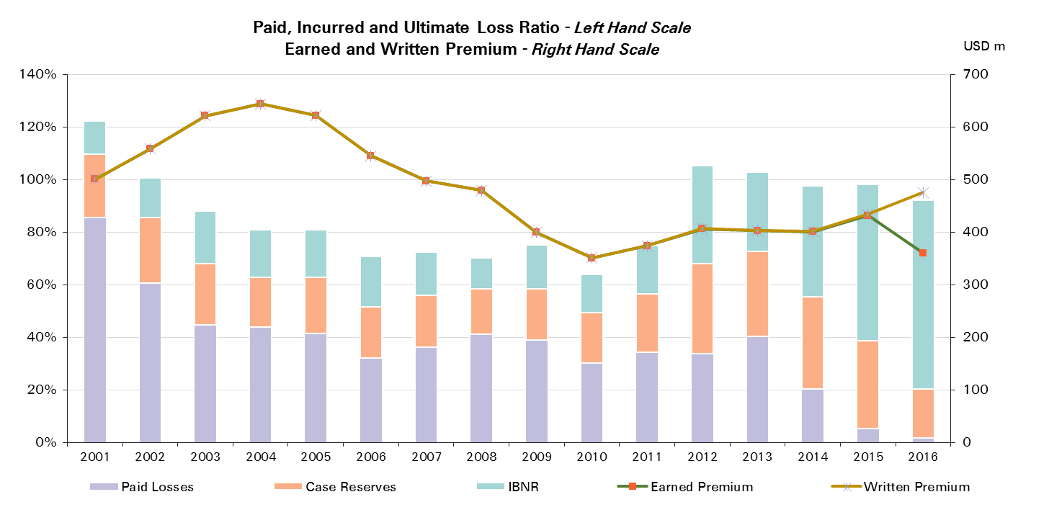
2016 | 360 | 2%

UWY | Ult Loss Ratio | Paid Losses | Case Reserves | IBNR
2001 | 122% | 86% | 24% | 13%
2002 | 101% | 61% | 25% | 15%
2003 | 88% | 45% | 23% | 20%
2004 | 81% | 44% | 19% | 18%
2005 | 81% | 41% | 21% | 18%
2006 | 71% | 32% | 19% | 19%
2007 | 72% | 36% | 20% | 17%
2008 | 70% | 41% | 17% | 12%
2009 | 75% | 39% | 19% | 17%
2010 | 64% | 30% | 19% | 15%
2011 | 75% | 34% | 22% | 18%
2012 | 105% | 34% | 34% | 37%
2013 | 103% | 40% | 32% | 30%
2014 | 98% | 20% | 35% | 42%
2015 | 98% | 5% | 33% | 60%
2016 | 92% | 2% | 19% | 72%

Liability
Total Paid and Reported Losses as a Percentage of Ultimate Earned Premium

 |  |  |  |  |  |  |  |  |  |  |  |  |  |  |  |  |  | Liability

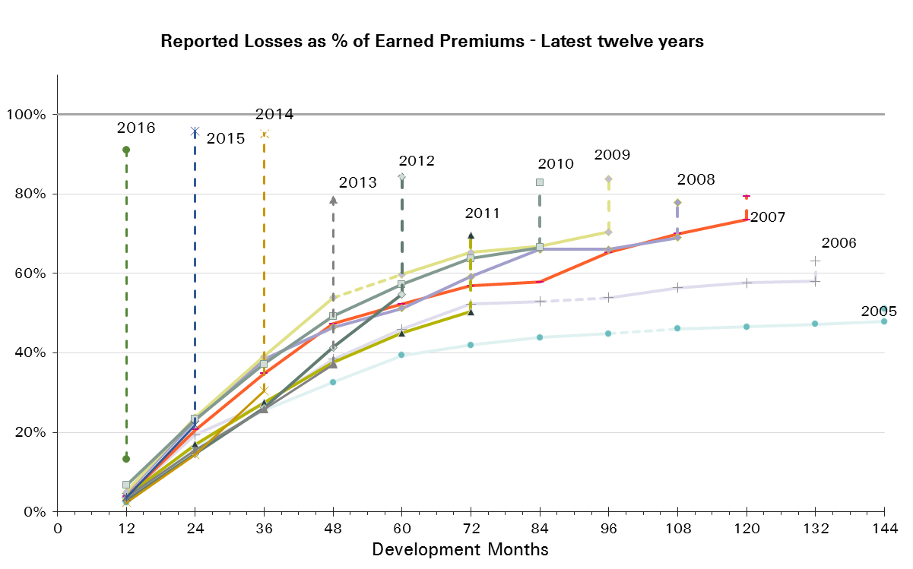
UWY | Earned Premium in USDm | Reported Loss Ratios per Development Month

 |  | 12 | 24 | 36 | 48 | 60 | 72 | 84 | 96 | 108 | 120 | 132 | 144 | 156 | 168 | 180 | 192
2001 | 3,757 | 9% | 32% | 55% | 79% | 99% | 117% | 134% | 144% | 143% | 145% | 150% | 154% | 155% | 156% | 156% | 156%
2002 | 4,189 | 6% | 17% | 32% | 59% | 60% | 66% | 71% | 74% | 74% | 75% | 75% | 76% | 76% | 76% | 76%
2003 | 4,255 | 5% | 15% | 23% | 36% | 44% | 48% | 49% | 51% | 52% | 53% | 54% | 54% | 53% | 53%
2004 | 4,054 | 6% | 18% | 28% | 37% | 43% | 46% | 49% | 51% | 52% | 53% | 54% | 54% | 55%
2005 | 3,458 | 2% | 16% | 26% | 33% | 39% | 42% | 44% | 45% | 46% | 47% | 47% | 48%
2006 | 3,026 | 4% | 19% | 27% | 38% | 46% | 52% | 53% | 54% | 56% | 58% | 58%
2007 | 2,508 | 4% | 21% | 35% | 47% | 52% | 57% | 58% | 65% | 70% | 73%
2008 | 1,957 | 5% | 23% | 38% | 46% | 51% | 59% | 66% | 66% | 69%
2009 | 1,704 | 5% | 24% | 39% | 54% | 60% | 65% | 67% | 70%
2010 | 1,617 | 7% | 23% | 37% | 49% | 57% | 64% | 67%
2011 | 1,676 | 4% | 17% | 27% | 38% | 45% | 50%
2012 | 2,141 | 3% | 15% | 26% | 41% | 55%
2013 | 2,176 | 4% | 15% | 26% | 37%
2014 | 2,517 | 2% | 14% | 30%
2015 | 2,300 | 4% | 22%
2016 | 1,540 | 13%

UWY | Earned Premium in USDm | Paid Loss Ratios per Development Month
 |  | 12 | 24 | 36 | 48 | 60 | 72 | 84 | 96 | 108 | 120 | 132 | 144 | 156 | 168 | 180 | 192
2001 | 3,757 | 1% | 9% | 22% | 41% | 58% | 74% | 89% | 108% | 117% | 129% | 133% | 136% | 141% | 143% | 144% | 152%
2002 | 4,189 | 1% | 5% | 14% | 23% | 32% | 42% | 50% | 55% | 60% | 63% | 65% | 67% | 69% | 70% | 71%
2003 | 4,255 | 1% | 4% | 9% | 17% | 23% | 29% | 33% | 37% | 40% | 42% | 44% | 47% | 48% | 48%
2004 | 4,054 | 0% | 5% | 11% | 17% | 26% | 32% | 38% | 42% | 45% | 47% | 48% | 50% | 51%
2005 | 3,458 | 0% | 4% | 9% | 16% | 24% | 30% | 34% | 37% | 39% | 41% | 43% | 45%
2006 | 3,026 | 0% | 4% | 10% | 19% | 25% | 38% | 42% | 45% | 48% | 50% | 51%
2007 | 2,508 | 1% | 5% | 14% | 24% | 36% | 42% | 48% | 52% | 57% | 61%
2008 | 1,957 | 1% | 6% | 14% | 21% | 28% | 38% | 50% | 54% | 58%
2009 | 1,704 | 2% | 9% | 19% | 31% | 38% | 48% | 53% | 58%
2010 | 1,617 | 2% | 8% | 19% | 29% | 40% | 50% | 54%
2011 | 1,676 | 1% | 6% | 13% | 22% | 31% | 38%
2012 | 2,141 | 1% | 7% | 13% | 26% | 40%
2013 | 2,176 | 1% | 5% | 13% | 23%
2014 | 2,517 | 1% | 5% | 13%
2015 | 2,300 | 1% | 7%
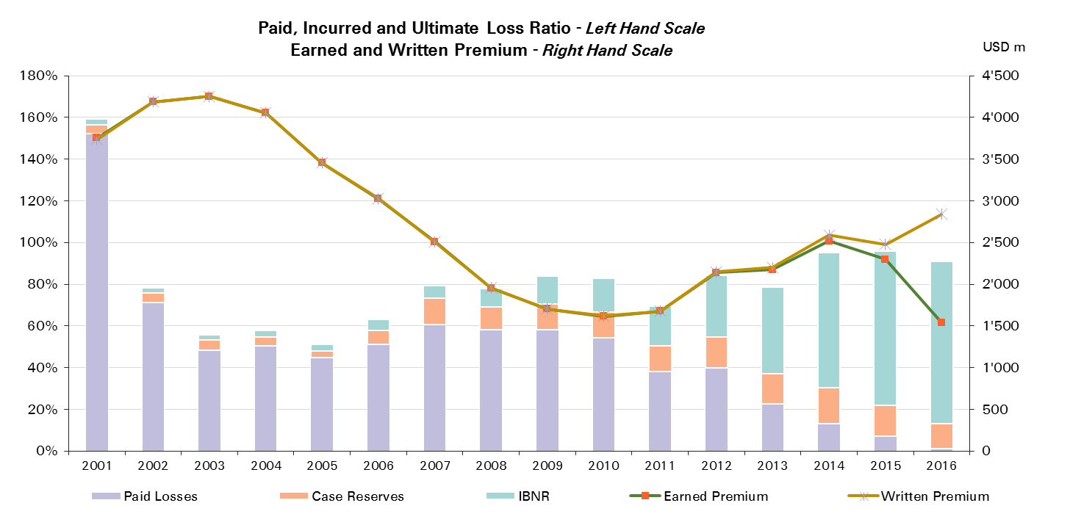
2016 | 1,540 | 1%

UWY | Ult Loss Ratio | Paid Losses | Case Reserves | IBNR
2001 | 159% | 152% | 4% | 3%
2002 | 78% | 71% | 5% | 2%
2003 | 56% | 48% | 5% | 2%
2004 | 58% | 51% | 4% | 3%
2005 | 51% | 45% | 3% | 3%
2006 | 63% | 51% | 7% | 5%
2007 | 79% | 61% | 13% | 6%
2008 | 78% | 58% | 11% | 9%
2009 | 84% | 58% | 12% | 13%
2010 | 83% | 54% | 12% | 16%
2011 | 70% | 38% | 12% | 19%
2012 | 84% | 40% | 15% | 30%
2013 | 79% | 23% | 14% | 41%
2014 | 95% | 13% | 17% | 65%
2015 | 96% | 7% | 15% | 74%
2016 | 91% | 1% | 12% | 78%

Liability Reinsurance
Total Paid and Reported Losses as a Percentage of Ultimate Earned Premium

 |  |  |  |  |  |  |  |  |  |  |  |  |  |  |  |  |  | Liability Reinsurance

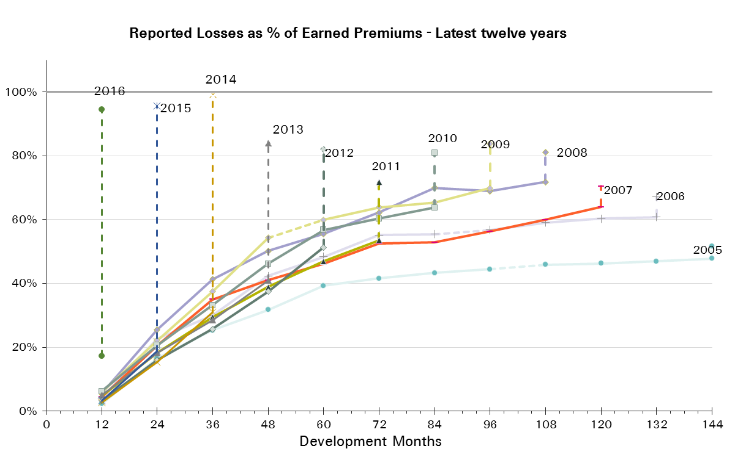
UWY | Earned Premium in USDm | Reported Loss Ratios per Development Month

 |  | 12 | 24 | 36 | 48 | 60 | 72 | 84 | 96 | 108 | 120 | 132 | 144 | 156 | 168 | 180 | 192
2001 | 2,298 | 11% | 36% | 56% | 80% | 97% | 116% | 129% | 137% | 135% | 136% | 138% | 139% | 139% | 140% | 141% | 141%
2002 | 2,639 | 7% | 18% | 31% | 64% | 59% | 64% | 67% | 71% | 72% | 70% | 71% | 71% | 72% | 71% | 72%
2003 | 2,623 | 7% | 17% | 24% | 33% | 42% | 44% | 45% | 46% | 48% | 49% | 49% | 49% | 49% | 50%
2004 | 2,537 | 8% | 23% | 33% | 43% | 48% | 51% | 53% | 55% | 55% | 56% | 57% | 57% | 58%
2005 | 2,373 | 2% | 16% | 25% | 32% | 39% | 42% | 43% | 44% | 46% | 46% | 47% | 48%
2006 | 1,964 | 4% | 23% | 30% | 42% | 48% | 55% | 55% | 57% | 59% | 60% | 61%
2007 | 1,694 | 4% | 21% | 35% | 41% | 46% | 52% | 53% | 56% | 60% | 64%
2008 | 1,306 | 5% | 26% | 41% | 50% | 56% | 62% | 70% | 69% | 72%
2009 | 1,190 | 6% | 22% | 37% | 54% | 60% | 64% | 65% | 70%
2010 | 1,092 | 6% | 21% | 33% | 46% | 57% | 60% | 64%
2011 | 1,136 | 5% | 18% | 29% | 39% | 47% | 54%
2012 | 1,471 | 3% | 16% | 26% | 37% | 51%
2013 | 1,413 | 5% | 18% | 28% | 41%
2014 | 1,750 | 3% | 15% | 31%
2015 | 1,517 | 3% | 19%
2016 | 1,120 | 17%

UWY | Earned Premium in USDm | Paid Loss Ratios per Development Month
 |  | 12 | 24 | 36 | 48 | 60 | 72 | 84 | 96 | 108 | 120 | 132 | 144 | 156 | 168 | 180 | 192
2001 | 2,298 | 1% | 10% | 18% | 36% | 51% | 66% | 81% | 94% | 103% | 116% | 121% | 124% | 128% | 130% | 131% | 135%
2002 | 2,639 | 1% | 4% | 10% | 18% | 26% | 35% | 44% | 49% | 55% | 58% | 59% | 61% | 63% | 64% | 65%
2003 | 2,623 | 1% | 3% | 8% | 14% | 19% | 25% | 29% | 33% | 35% | 37% | 39% | 40% | 41% | 42%
2004 | 2,537 | 0% | 5% | 11% | 18% | 27% | 34% | 40% | 44% | 47% | 49% | 50% | 52% | 53%
2005 | 2,373 | 0% | 3% | 8% | 13% | 21% | 28% | 32% | 35% | 37% | 39% | 41% | 44%
2006 | 1,964 | 0% | 4% | 9% | 19% | 26% | 37% | 41% | 46% | 48% | 51% | 52%
2007 | 1,694 | 1% | 5% | 11% | 21% | 29% | 36% | 41% | 45% | 48% | 51%
2008 | 1,306 | 1% | 6% | 15% | 21% | 28% | 36% | 50% | 55% | 60%
2009 | 1,190 | 3% | 10% | 16% | 28% | 35% | 45% | 49% | 56%
2010 | 1,092 | 2% | 8% | 15% | 25% | 35% | 43% | 47%
2011 | 1,136 | 2% | 6% | 14% | 22% | 31% | 38%
2012 | 1,471 | 1% | 7% | 13% | 23% | 34%
2013 | 1,413 | 1% | 6% | 13% | 24%
2014 | 1,750 | 1% | 5% | 14%
2015 | 1,517 | 1% | 6%
2016 | 1,120 | 1%
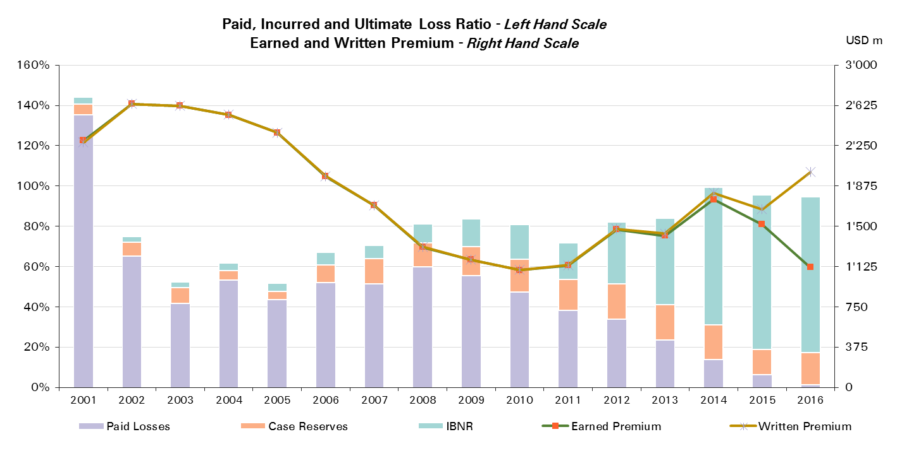

UWY | Ult Loss Ratio | Paid Losses | Case Reserves | IBNR
2001 | 144% | 135% | 5% | 3%
2002 | 75% | 65% | 7% | 3%
2003 | 53% | 42% | 8% | 3%
2004 | 62% | 53% | 5% | 4%
2005 | 52% | 44% | 4% | 4%
2006 | 67% | 52% | 9% | 6%
2007 | 70% | 51% | 13% | 6%
2008 | 81% | 60% | 12% | 9%
2009 | 84% | 56% | 14% | 14%
2010 | 81% | 47% | 16% | 17%
2011 | 72% | 38% | 15% | 18%
2012 | 82% | 34% | 17% | 31%
2013 | 84% | 24% | 17% | 43%
2014 | 99% | 14% | 17% | 68%
2015 | 96% | 6% | 13% | 77%
2016 | 95% | 1% | 16% | 77%

Liability CS
Total Paid and Reported Losses as a Percentage of Ultimate Earned Premium

 |  |  |  |  |  |  |  |  |  |  |  |  |  |  |  |  |  | Liability Corporate Solutions

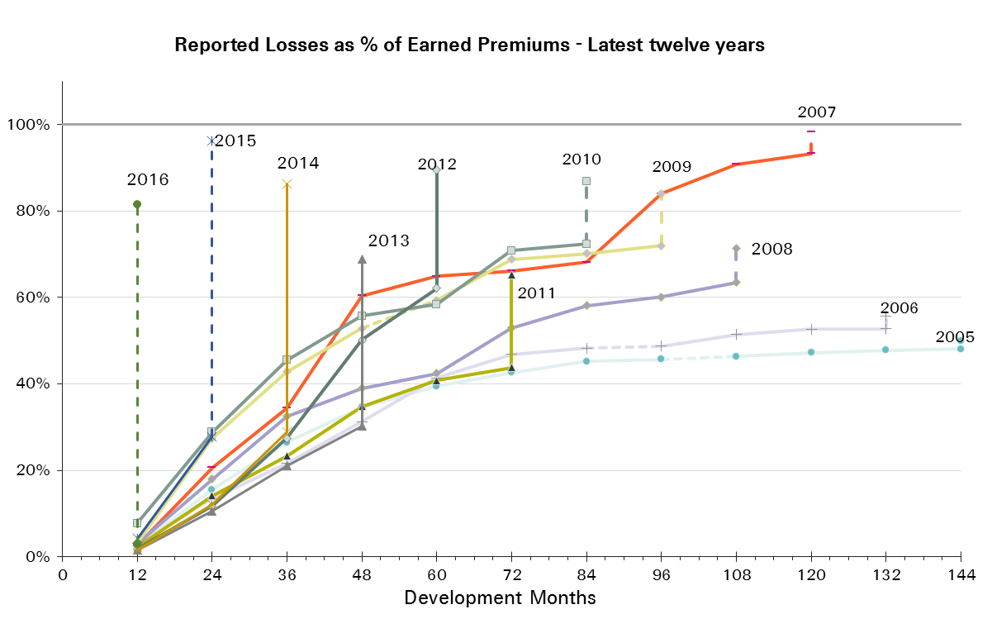
UWY | Earned Premium in USDm | Reported Loss Ratios per Development Month

 |  | 12 | 24 | 36 | 48 | 60 | 72 | 84 | 96 | 108 | 120 | 132 | 144 | 156 | 168 | 180 | 192
2001 | 1,459 | 5% | 26% | 53% | 79% | 101% | 118% | 141% | 154% | 156% | 160% | 170% | 178% | 180% | 181% | 181% | 181%
2002 | 1,550 | 4% | 16% | 33% | 50% | 63% | 69% | 78% | 80% | 79% | 82% | 83% | 84% | 84% | 83% | 83%
2003 | 1,632 | 2% | 12% | 21% | 41% | 47% | 54% | 56% | 58% | 60% | 60% | 61% | 61% | 59% | 59%
2004 | 1,517 | 2% | 11% | 20% | 28% | 35% | 39% | 43% | 46% | 47% | 49% | 49% | 49% | 50%
2005 | 1,085 | 2% | 16% | 26% | 35% | 39% | 43% | 45% | 46% | 46% | 47% | 48% | 48%
2006 | 1,062 | 3% | 13% | 22% | 31% | 41% | 47% | 48% | 49% | 51% | 53% | 53%
2007 | 813 | 3% | 21% | 34% | 60% | 65% | 66% | 68% | 84% | 91% | 93%
2008 | 651 | 3% | 18% | 32% | 39% | 42% | 53% | 58% | 60% | 63%
2009 | 514 | 3% | 27% | 43% | 53% | 59% | 69% | 70% | 72%
2010 | 525 | 8% | 29% | 46% | 56% | 58% | 71% | 72%
2011 | 540 | 2% | 14% | 23% | 35% | 41% | 44%
2012 | 669 | 2% | 12% | 27% | 50% | 62%
2013 | 764 | 1% | 11% | 21% | 30%
2014 | 766 | 2% | 12% | 29%
2015 | 783 | 4% | 28%
2016 | 420 | 3%

UWY | Earned Premium in USDm | Paid Loss Ratios per Development Month
 |  | 12 | 24 | 36 | 48 | 60 | 72 | 84 | 96 | 108 | 120 | 132 | 144 | 156 | 168 | 180 | 192
2001 | 1,459 | 0% | 9% | 29% | 47% | 67% | 86% | 101% | 131% | 140% | 149% | 152% | 154% | 162% | 164% | 164% | 179%
2002 | 1,550 | 1% | 7% | 20% | 33% | 43% | 55% | 61% | 66% | 70% | 73% | 75% | 76% | 79% | 81% | 81%
2003 | 1,632 | 1% | 4% | 12% | 21% | 28% | 36% | 41% | 45% | 49% | 50% | 52% | 58% | 58% | 59%
2004 | 1,517 | 0% | 4% | 11% | 17% | 24% | 30% | 35% | 37% | 41% | 43% | 44% | 45% | 46%
2005 | 1,085 | 0% | 5% | 11% | 21% | 29% | 36% | 39% | 41% | 43% | 44% | 46% | 47%
2006 | 1,062 | 0% | 4% | 11% | 18% | 24% | 38% | 43% | 45% | 47% | 49% | 50%
2007 | 813 | 0% | 5% | 21% | 31% | 51% | 55% | 63% | 67% | 77% | 80%
2008 | 651 | 1% | 5% | 13% | 21% | 29% | 44% | 49% | 52% | 55%
2009 | 514 | 1% | 6% | 24% | 36% | 46% | 57% | 62% | 64%
2010 | 525 | 1% | 9% | 27% | 38% | 51% | 65% | 69%
2011 | 540 | 1% | 5% | 13% | 22% | 33% | 38%
2012 | 669 | 0% | 5% | 13% | 31% | 53%
2013 | 764 | 0% | 4% | 11% | 21%
2014 | 766 | 0% | 3% | 11%
2015 | 783 | 0% | 9%
2016 | 420 | 1%

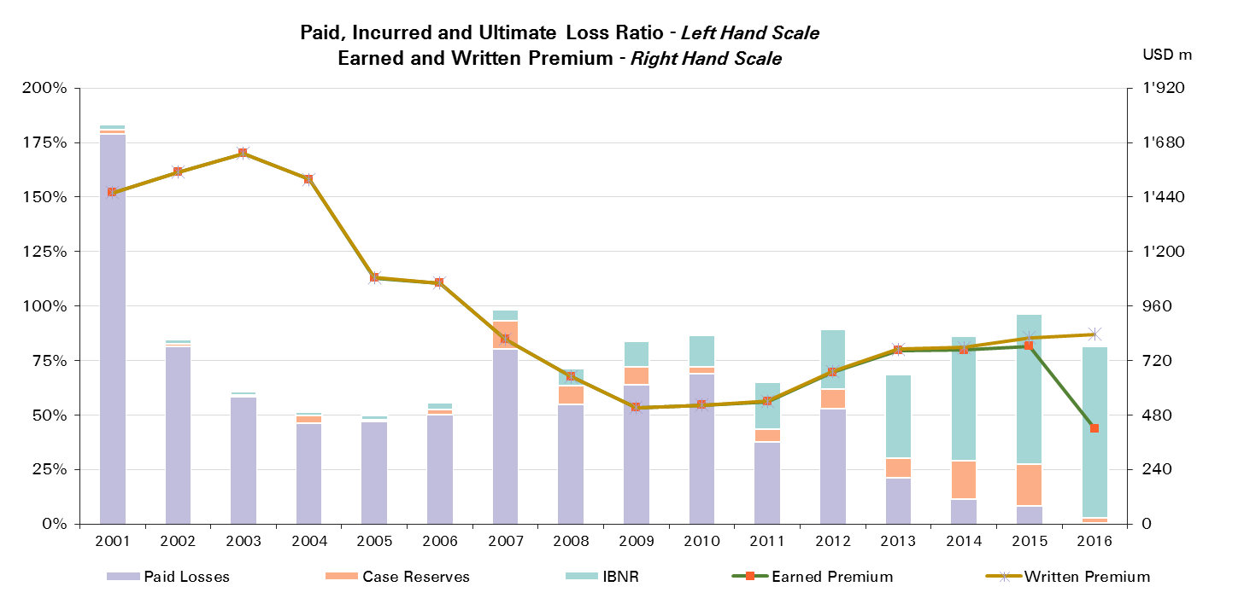

UWY | Ult Loss Ratio | Paid Losses | Case Reserves | IBNR
2001 | 183% | 179% | 2% | 3%
2002 | 84% | 81% | 1% | 2%
2003 | 61% | 59% | 1% | 1%
2004 | 52% | 46% | 4% | 2%
2005 | 50% | 47% | 1% | 2%
2006 | 56% | 50% | 2% | 3%
2007 | 98% | 80% | 13% | 5%
2008 | 71% | 55% | 9% | 8%
2009 | 84% | 64% | 8% | 12%
2010 | 87% | 69% | 3% | 14%
2011 | 65% | 38% | 6% | 21%
2012 | 90% | 53% | 9% | 27%
2013 | 69% | 21% | 9% | 39%
2014 | 86% | 11% | 18% | 57%
2015 | 96% | 9% | 19% | 69%
2016 | 82% | 1% | 2% | 79%

Liability - NP
Total Paid and Reported Losses as a Percentage of Ultimate Earned Premium

 |  |  |  |  |  |  |  |  |  |  |  |  |  |  |  |  |  | Liability Non-Proportional Reinsurance

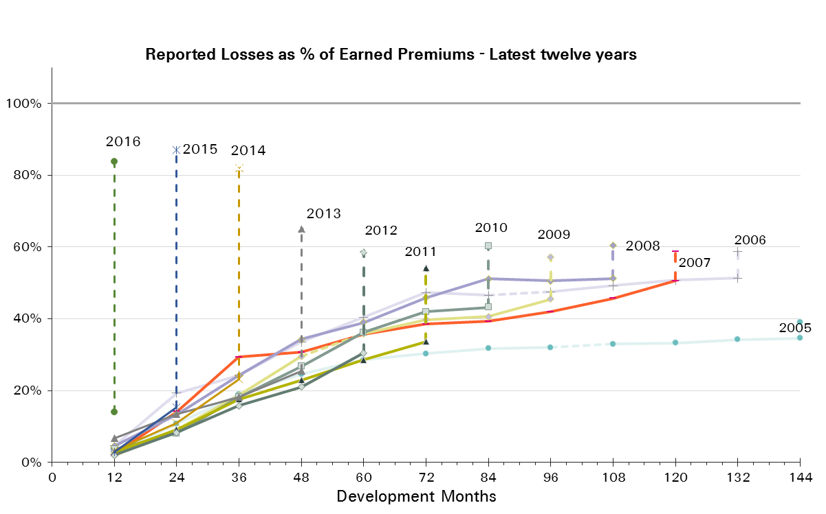
UWY | Earned Premium in USDm | Reported Loss Ratios per Development Month

 |  | 12 | 24 | 36 | 48 | 60 | 72 | 84 | 96 | 108 | 120 | 132 | 144 | 156 | 168 | 180 | 192
2001 | 1,374 | 7% | 28% | 51% | 77% | 97% | 116% | 129% | 138% | 146% | 147% | 150% | 154% | 152% | 154% | 154% | 154%
2002 | 1,485 | 3% | 11% | 23% | 71% | 55% | 57% | 60% | 65% | 65% | 63% | 63% | 64% | 64% | 64% | 64%
2003 | 1,582 | 4% | 12% | 19% | 27% | 36% | 38% | 38% | 40% | 42% | 44% | 43% | 42% | 43% | 43%
2004 | 1,499 | 7% | 21% | 33% | 43% | 45% | 47% | 47% | 49% | 49% | 51% | 51% | 51% | 51%
2005 | 1,276 | 2% | 11% | 19% | 25% | 29% | 30% | 32% | 32% | 33% | 33% | 34% | 35%
2006 | 1,010 | 5% | 19% | 24% | 34% | 40% | 47% | 47% | 47% | 49% | 51% | 51%
2007 | 817 | 2% | 14% | 29% | 31% | 36% | 38% | 39% | 42% | 46% | 51%
2008 | 644 | 5% | 13% | 24% | 34% | 39% | 46% | 51% | 51% | 51%
2009 | 510 | 2% | 9% | 19% | 29% | 36% | 40% | 41% | 46%
2010 | 509 | 4% | 8% | 18% | 27% | 36% | 42% | 43%
2011 | 521 | 3% | 9% | 18% | 23% | 29% | 34%
2012 | 522 | 2% | 8% | 16% | 21% | 30%
2013 | 550 | 7% | 13% | 18% | 26%
2014 | 527 | 3% | 11% | 23%
2015 | 509 | 3% | 15%
2016 | 332 | 14%

UWY | Earned Premium in USDm | Paid Loss Ratios per Development Month
 |  | 12 | 24 | 36 | 48 | 60 | 72 | 84 | 96 | 108 | 120 | 132 | 144 | 156 | 168 | 180 | 192
2001 | 1,374 | 1% | 6% | 14% | 32% | 49% | 66% | 81% | 98% | 107% | 125% | 130% | 134% | 139% | 141% | 142% | 148%
2002 | 1,485 | 0% | 2% | 6% | 11% | 18% | 28% | 36% | 41% | 47% | 50% | 52% | 53% | 54% | 55% | 56%
2003 | 1,582 | 0% | 1% | 4% | 9% | 14% | 19% | 22% | 26% | 28% | 30% | 31% | 32% | 32% | 33%
2004 | 1,499 | 0% | 4% | 9% | 15% | 25% | 31% | 35% | 39% | 41% | 43% | 44% | 46% | 47%
2005 | 1,276 | 0% | 2% | 5% | 9% | 14% | 18% | 20% | 23% | 25% | 27% | 28% | 30%
2006 | 1,010 | 0% | 2% | 6% | 13% | 19% | 28% | 31% | 34% | 37% | 40% | 41%
2007 | 817 | 0% | 1% | 5% | 12% | 19% | 23% | 28% | 31% | 34% | 36%
2008 | 644 | 0% | 2% | 7% | 11% | 17% | 23% | 36% | 40% | 42%
2009 | 510 | 0% | 2% | 5% | 10% | 14% | 24% | 27% | 29%
2010 | 509 | 1% | 2% | 4% | 13% | 21% | 24% | 27%
2011 | 521 | 0% | 1% | 5% | 11% | 18% | 24%
2012 | 522 | 0% | 1% | 3% | 9% | 14%
2013 | 550 | 0% | 1% | 5% | 10%
2014 | 527 | 0% | 1% | 7%
2015 | 509 | 0% | 1%
2016 | 332 | 0%
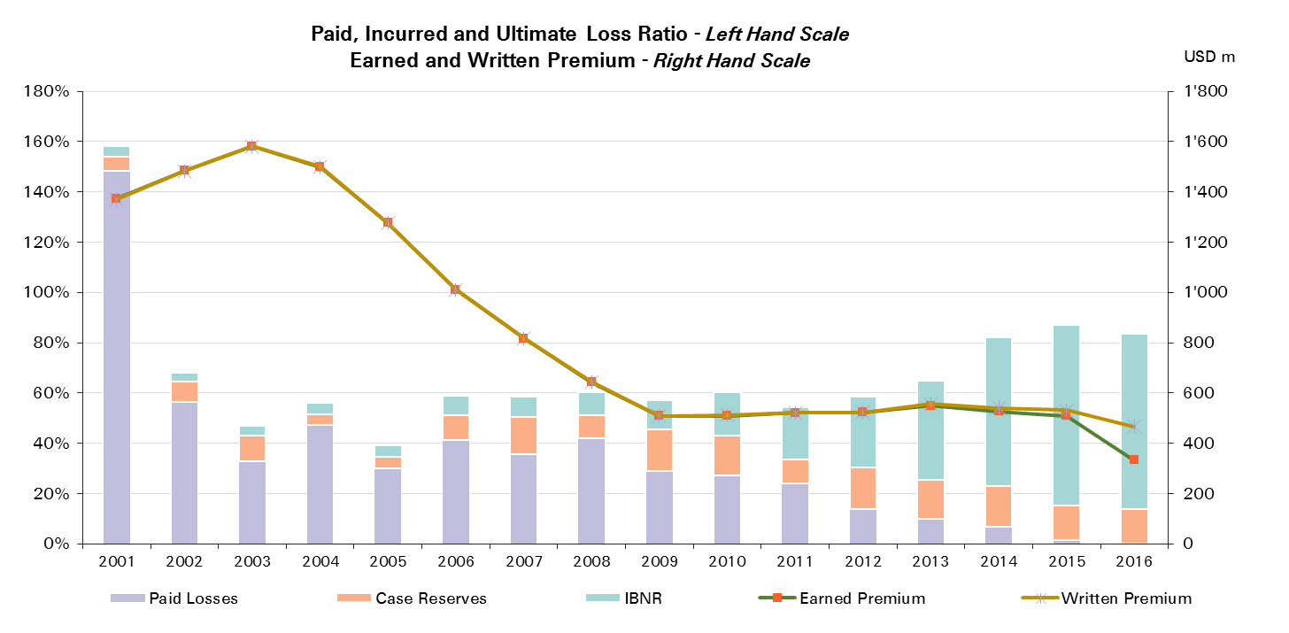

UWY | Ult Loss Ratio | Paid Losses | Case Reserves | IBNR
2001 | 158% | 148% | 6% | 4%
2002 | 68% | 56% | 8% | 4%
2003 | 47% | 33% | 10% | 4%
2004 | 56% | 47% | 4% | 5%
2005 | 39% | 30% | 4% | 5%
2006 | 59% | 41% | 10% | 7%
2007 | 59% | 36% | 15% | 8%
2008 | 60% | 42% | 9% | 9%
2009 | 57% | 29% | 17% | 12%
2010 | 60% | 27% | 16% | 17%
2011 | 54% | 24% | 10% | 21%
2012 | 59% | 14% | 16% | 28%
2013 | 65% | 10% | 16% | 39%
2014 | 82% | 7% | 16% | 59%
2015 | 87% | 1% | 14% | 72%
2016 | 84% | 0% | 14% | 70%

Liability - Prop
Total Paid and Reported Losses as a Percentage of Ultimate Earned Premium

 |  |  |  |  |  |  |  |  |  |  |  |  |  |  |  |  |  | Liability Proportional Reinsurance

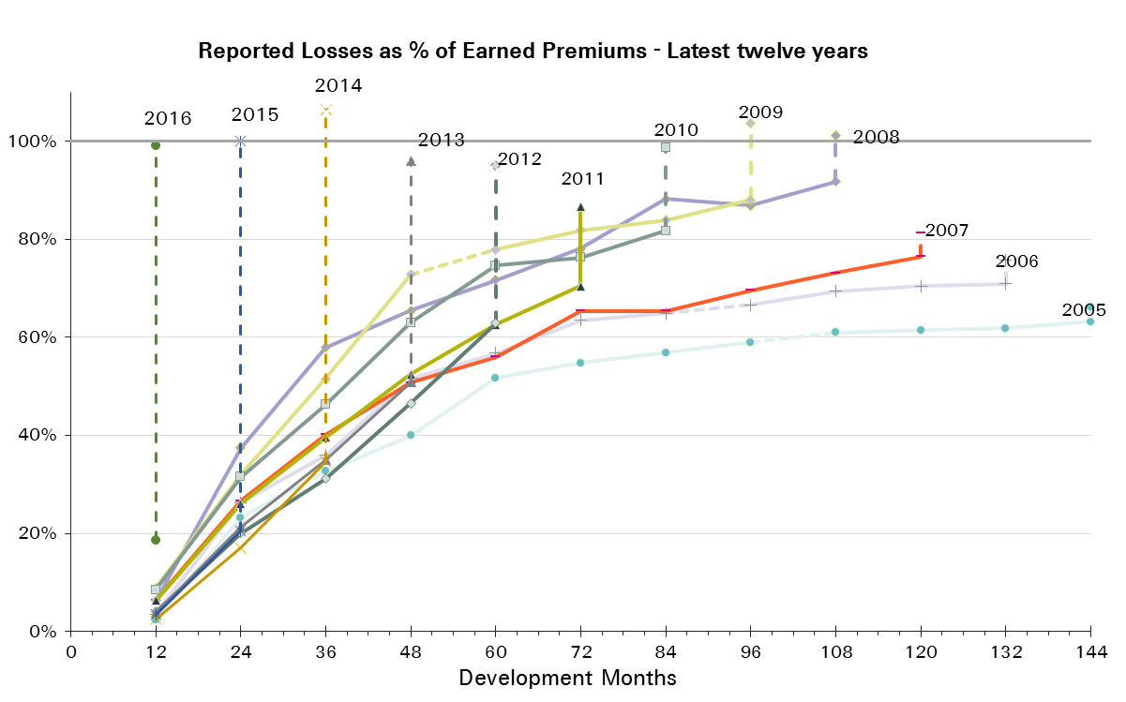
UWY | Earned Premium in USDm | Reported Loss Ratios per Development Month

 |  | 12 | 24 | 36 | 48 | 60 | 72 | 84 | 96 | 108 | 120 | 132 | 144 | 156 | 168 | 180 | 192
2001 | 924 | 17% | 48% | 65% | 83% | 98% | 117% | 129% | 136% | 120% | 119% | 119% | 118% | 118% | 119% | 121% | 121%
2002 | 1,153 | 11% | 27% | 41% | 54% | 64% | 72% | 77% | 79% | 79% | 79% | 81% | 81% | 81% | 81% | 82%
2003 | 1,041 | 12% | 25% | 32% | 41% | 50% | 54% | 55% | 56% | 57% | 58% | 58% | 59% | 59% | 60%
2004 | 1,037 | 9% | 25% | 33% | 42% | 51% | 57% | 61% | 63% | 64% | 65% | 65% | 66% | 67%
2005 | 1,096 | 2% | 23% | 33% | 40% | 52% | 55% | 57% | 59% | 61% | 61% | 62% | 63%
2006 | 954 | 4% | 26% | 36% | 52% | 57% | 63% | 65% | 67% | 69% | 70% | 71%
2007 | 877 | 6% | 27% | 40% | 51% | 56% | 65% | 65% | 70% | 73% | 76%
2008 | 662 | 6% | 37% | 58% | 66% | 72% | 78% | 88% | 87% | 92%
2009 | 681 | 9% | 32% | 52% | 73% | 78% | 82% | 84% | 88%
2010 | 583 | 9% | 32% | 46% | 63% | 75% | 76% | 82%
2011 | 615 | 6% | 26% | 40% | 52% | 63% | 70%
2012 | 949 | 4% | 20% | 31% | 46% | 63%
2013 | 863 | 4% | 21% | 35% | 51%
2014 | 1,223 | 2% | 17% | 35%
2015 | 1,008 | 4% | 21%
2016 | 788 | 19%

UWY | Earned Premium in USDm | Paid Loss Ratios per Development Month
 |  | 12 | 24 | 36 | 48 | 60 | 72 | 84 | 96 | 108 | 120 | 132 | 144 | 156 | 168 | 180 | 192
2001 | 924 | 2% | 16% | 24% | 42% | 55% | 68% | 81% | 89% | 97% | 103% | 107% | 109% | 111% | 113% | 114% | 116%
2002 | 1,153 | 1% | 7% | 15% | 26% | 36% | 44% | 53% | 59% | 64% | 68% | 70% | 71% | 74% | 75% | 76%
2003 | 1,041 | 1% | 7% | 13% | 21% | 27% | 34% | 39% | 44% | 46% | 49% | 50% | 52% | 54% | 55%
2004 | 1,037 | 1% | 6% | 14% | 21% | 29% | 38% | 48% | 52% | 55% | 57% | 59% | 60% | 62%
2005 | 1,096 | 0% | 5% | 11% | 18% | 29% | 39% | 45% | 49% | 52% | 54% | 57% | 59%
2006 | 954 | 1% | 6% | 13% | 25% | 34% | 47% | 52% | 58% | 60% | 62% | 63%
2007 | 877 | 2% | 8% | 17% | 29% | 38% | 47% | 54% | 58% | 61% | 66%
2008 | 662 | 1% | 10% | 23% | 30% | 38% | 47% | 64% | 71% | 77%
2009 | 681 | 5% | 17% | 24% | 42% | 51% | 60% | 66% | 76%
2010 | 583 | 4% | 13% | 25% | 35% | 47% | 59% | 65%
2011 | 615 | 2% | 11% | 21% | 31% | 41% | 50%
2012 | 949 | 2% | 11% | 19% | 32% | 45%
2013 | 863 | 1% | 9% | 19% | 32%
2014 | 1,223 | 1% | 7% | 17%
2015 | 1,008 | 1% | 9%
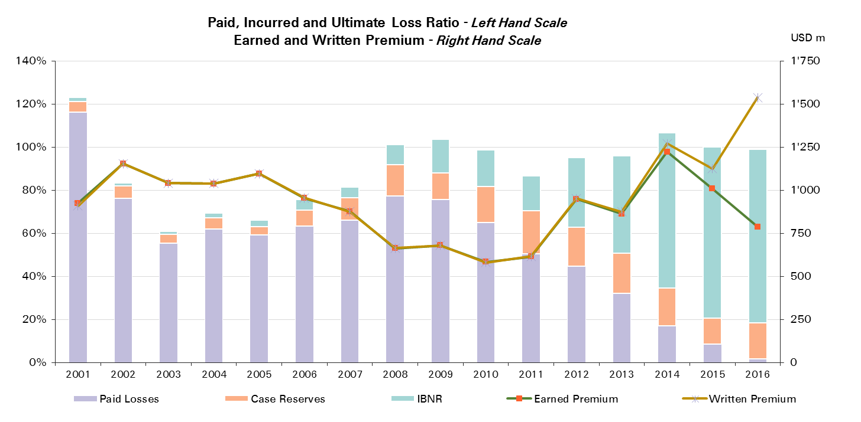
2016 | 788 | 2%

UWY | Ult Loss Ratio | Paid Losses | Case Reserves | IBNR
2001 | 123% | 116% | 5% | 2%
2002 | 83% | 76% | 6% | 1%
2003 | 61% | 55% | 4% | 1%
2004 | 69% | 62% | 5% | 2%
2005 | 66% | 59% | 4% | 3%
2006 | 76% | 63% | 8% | 5%
2007 | 81% | 66% | 10% | 5%
2008 | 101% | 77% | 14% | 9%
2009 | 104% | 76% | 12% | 16%
2010 | 99% | 65% | 17% | 17%
2011 | 87% | 50% | 20% | 16%
2012 | 95% | 45% | 18% | 32%
2013 | 96% | 32% | 19% | 45%
2014 | 107% | 17% | 17% | 72%
2015 | 100% | 9% | 12% | 79%
2016 | 99% | 2% | 17% | 81%

Accident & Health and WC
Total Paid and Reported Losses as a Percentage of Ultimate Earned Premium

 |  |  |  |  |  |  |  |  |  |  |  |  |  |  |  |  |  | Accident & Health and Workers' Compensation

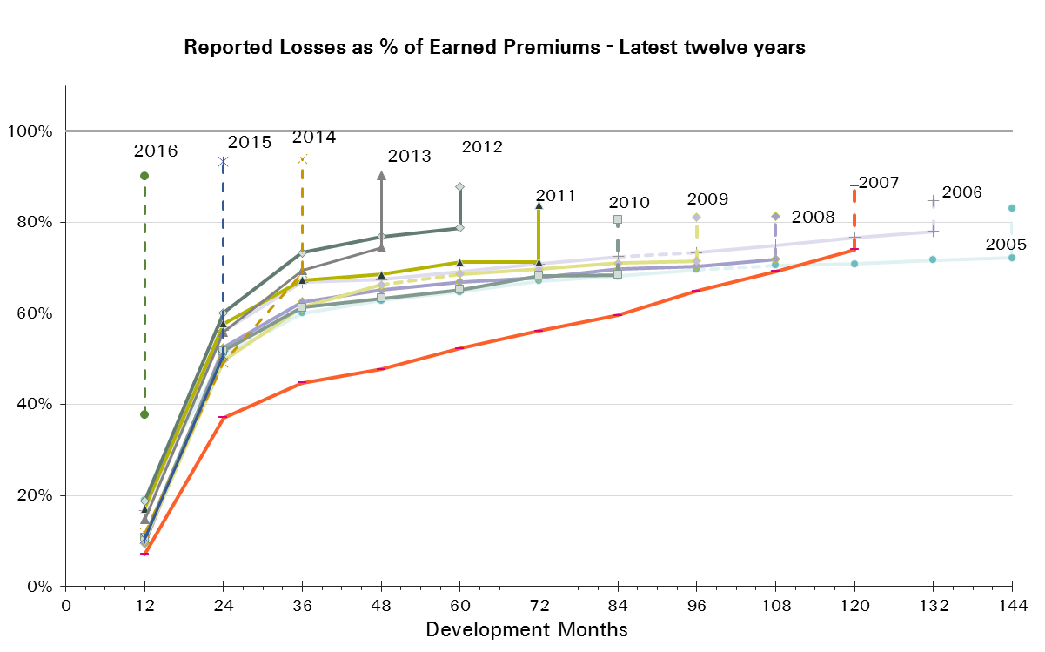
UWY | Earned Premium in USDm | Reported Loss Ratios per Development Month

 |  | 12 | 24 | 36 | 48 | 60 | 72 | 84 | 96 | 108 | 120 | 132 | 144 | 156 | 168 | 180 | 192
2001 | 1,279 | 43% | 77% | 96% | 100% | 107% | 113% | 113% | 114% | 118% | 123% | 128% | 129% | 131% | 133% | 135% | 136%
2002 | 1,479 | 16% | 57% | 70% | 69% | 71% | 76% | 77% | 75% | 77% | 79% | 80% | 81% | 83% | 82% | 83%
2003 | 1,263 | 16% | 42% | 59% | 62% | 64% | 65% | 69% | 68% | 68% | 69% | 69% | 71% | 72% | 72%
2004 | 957 | 24% | 51% | 59% | 62% | 63% | 63% | 65% | 66% | 66% | 67% | 68% | 69% | 69%
2005 | 1,075 | 19% | 51% | 60% | 63% | 65% | 67% | 68% | 70% | 70% | 71% | 72% | 72%
2006 | 874 | 17% | 56% | 67% | 67% | 69% | 71% | 72% | 73% | 75% | 77% | 78%
2007 | 904 | 7% | 37% | 45% | 48% | 52% | 56% | 60% | 65% | 69% | 74%
2008 | 504 | 9% | 52% | 62% | 65% | 67% | 68% | 70% | 70% | 72%
2009 | 458 | 10% | 50% | 61% | 66% | 69% | 70% | 71% | 71%
2010 | 325 | 11% | 52% | 61% | 63% | 65% | 68% | 68%
2011 | 332 | 17% | 58% | 67% | 69% | 71% | 71%
2012 | 700 | 19% | 60% | 73% | 77% | 79%
2013 | 448 | 15% | 56% | 70% | 74%
2014 | 611 | 12% | 49% | 69%
2015 | 448 | 11% | 51%
2016 | 568 | 38%

UWY | Earned Premium in USDm | Paid Loss Ratios per Development Month
 |  | 12 | 24 | 36 | 48 | 60 | 72 | 84 | 96 | 108 | 120 | 132 | 144 | 156 | 168 | 180 | 192
2001 | 1,279 | 12% | 36% | 52% | 61% | 69% | 74% | 80% | 84% | 89% | 94% | 101% | 105% | 108% | 111% | 114% | 116%
2002 | 1,479 | 6% | 31% | 43% | 46% | 50% | 52% | 55% | 57% | 60% | 62% | 64% | 66% | 69% | 70% | 72%
2003 | 1,263 | 3% | 24% | 38% | 43% | 48% | 50% | 54% | 55% | 57% | 59% | 60% | 62% | 63% | 65%
2004 | 957 | 8% | 28% | 36% | 43% | 46% | 49% | 52% | 54% | 55% | 56% | 58% | 59% | 60%
2005 | 1,075 | 7% | 26% | 37% | 44% | 50% | 53% | 55% | 57% | 59% | 61% | 62% | 63%
2006 | 874 | 4% | 28% | 41% | 48% | 53% | 56% | 58% | 60% | 61% | 62% | 64%
2007 | 904 | 3% | 19% | 29% | 35% | 41% | 45% | 49% | 54% | 58% | 63%
2008 | 504 | 4% | 29% | 44% | 53% | 57% | 60% | 62% | 64% | 65%
2009 | 458 | 5% | 32% | 46% | 54% | 58% | 61% | 63% | 64%
2010 | 325 | 6% | 35% | 48% | 53% | 56% | 57% | 59%
2011 | 332 | 12% | 40% | 51% | 56% | 59% | 61%
2012 | 700 | 16% | 49% | 63% | 68% | 71%
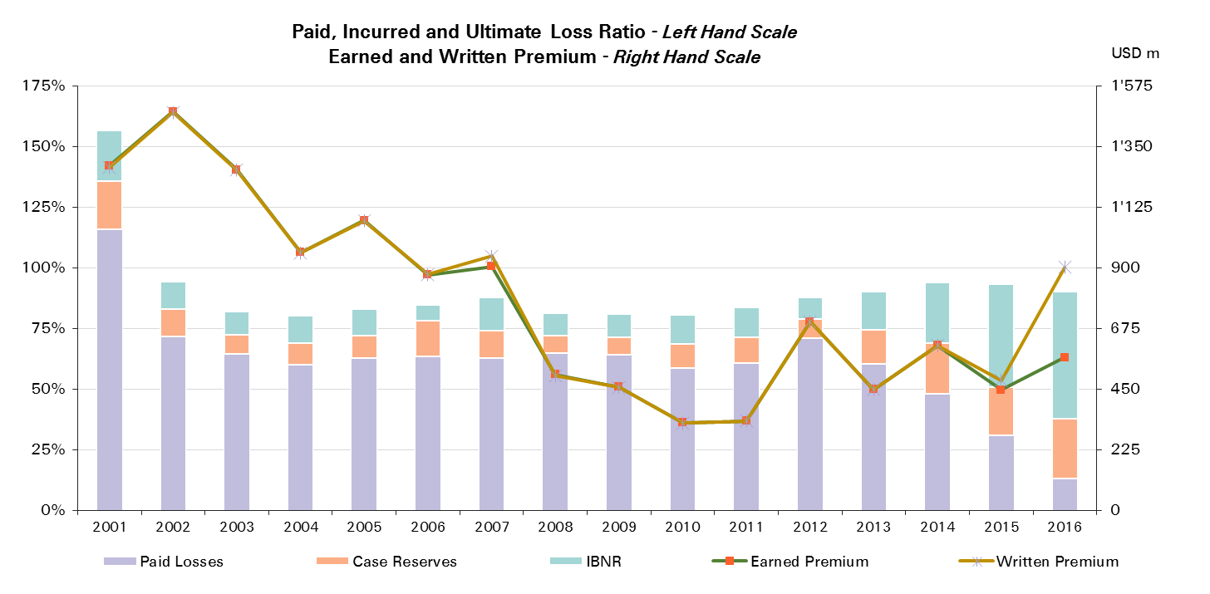
2013 | 448 | 10% | 40% | 54% | 60%
2014 | 611 | 6% | 31% | 48%
2015 | 448 | 5% | 31%
2016 | 568 | 13%

UWY | Ult Loss Ratio | Paid Losses | Case Reserves | IBNR
2001 | 157% | 116% | 20% | 21%
2002 | 94% | 72% | 11% | 11%
2003 | 82% | 65% | 8% | 10%
2004 | 80% | 60% | 9% | 11%
2005 | 83% | 63% | 9% | 11%
2006 | 85% | 64% | 14% | 7%
2007 | 88% | 63% | 11% | 14%
2008 | 81% | 65% | 7% | 10%
2009 | 81% | 64% | 7% | 10%
2010 | 81% | 59% | 10% | 12%
2011 | 84% | 61% | 10% | 12%
2012 | 88% | 71% | 8% | 9%
2013 | 90% | 60% | 14% | 16%
2014 | 94% | 48% | 21% | 25%
2015 | 93% | 31% | 20% | 43%
2016 | 90% | 13% | 25% | 52%

Accident & Health Reinsurance
Total Paid and Reported Losses as a Percentage of Ultimate Earned Premium

 |  |  |  |  |  |  |  |  |  |  |  |  |  |  |  |  |  | Accident & Health Reinsurance

UWY | Earned Premium in USDm | Reported Loss Ratios per Development Month

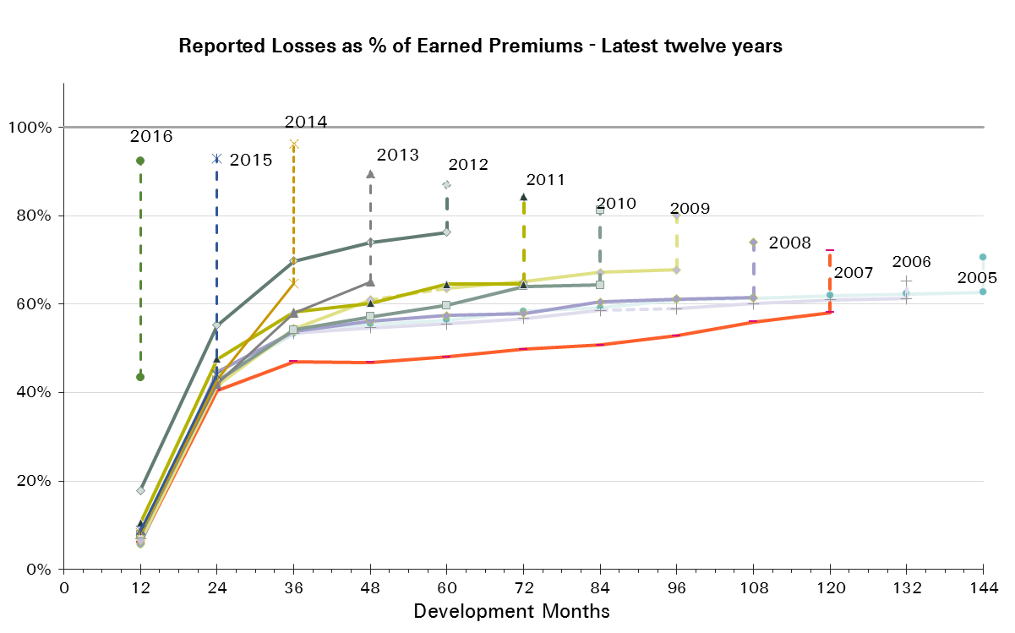
 |  | 12 | 24 | 36 | 48 | 60 | 72 | 84 | 96 | 108 | 120 | 132 | 144 | 156 | 168 | 180 | 192
2001 | 566 | 58% | 85% | 106% | 109% | 118% | 124% | 120% | 118% | 123% | 125% | 131% | 130% | 131% | 132% | 133% | 134%
2002 | 553 | 14% | 56% | 62% | 66% | 66% | 79% | 80% | 72% | 74% | 76% | 77% | 78% | 81% | 79% | 79%
2003 | 444 | 15% | 42% | 45% | 46% | 47% | 48% | 54% | 48% | 48% | 48% | 48% | 49% | 50% | 50%
2004 | 406 | 16% | 46% | 49% | 53% | 53% | 53% | 55% | 54% | 54% | 54% | 55% | 55% | 55%
2005 | 594 | 6% | 43% | 53% | 55% | 56% | 58% | 59% | 61% | 61% | 62% | 62% | 63%
2006 | 492 | 7% | 45% | 53% | 55% | 55% | 57% | 59% | 59% | 60% | 61% | 61%
2007 | 437 | 6% | 41% | 47% | 47% | 48% | 50% | 51% | 53% | 56% | 58%
2008 | 317 | 6% | 45% | 54% | 56% | 57% | 58% | 61% | 61% | 61%
2009 | 302 | 6% | 42% | 54% | 61% | 64% | 65% | 67% | 68%
2010 | 229 | 8% | 43% | 54% | 57% | 60% | 64% | 64%
2011 | 206 | 10% | 48% | 58% | 60% | 64% | 65%
2012 | 574 | 18% | 55% | 70% | 74% | 76%
2013 | 285 | 9% | 42% | 58% | 65%
2014 | 471 | 8% | 43% | 65%
2015 | 366 | 9% | 44%
2016 | 350 | 43%

UWY | Earned Premium in USDm | Paid Loss Ratios per Development Month
 |  | 12 | 24 | 36 | 48 | 60 | 72 | 84 | 96 | 108 | 120 | 132 | 144 | 156 | 168 | 180 | 192
2001 | 566 | 3% | 23% | 39% | 49% | 58% | 64% | 73% | 76% | 80% | 83% | 95% | 99% | 103% | 106% | 108% | 111%
2002 | 553 | 2% | 15% | 23% | 29% | 34% | 37% | 39% | 43% | 46% | 50% | 52% | 55% | 58% | 60% | 62%
2003 | 444 | 1% | 16% | 23% | 29% | 33% | 35% | 37% | 38% | 40% | 40% | 41% | 42% | 43% | 44%
2004 | 406 | 2% | 20% | 27% | 33% | 35% | 38% | 41% | 44% | 45% | 46% | 46% | 47% | 48%
2005 | 594 | 0% | 16% | 27% | 35% | 41% | 45% | 46% | 48% | 50% | 51% | 51% | 52%
2006 | 492 | 2% | 17% | 30% | 37% | 44% | 47% | 49% | 51% | 52% | 53% | 54%
2007 | 437 | 2% | 14% | 26% | 30% | 35% | 37% | 39% | 41% | 42% | 44%
2008 | 317 | 1% | 16% | 31% | 42% | 45% | 48% | 51% | 52% | 53%
2009 | 302 | 2% | 20% | 35% | 45% | 50% | 54% | 56% | 57%
2010 | 229 | 2% | 20% | 36% | 42% | 46% | 49% | 51%
2011 | 206 | 2% | 19% | 33% | 40% | 46% | 48%
2012 | 574 | 14% | 42% | 57% | 63% | 67%
2013 | 285 | 2% | 17% | 34% | 43%
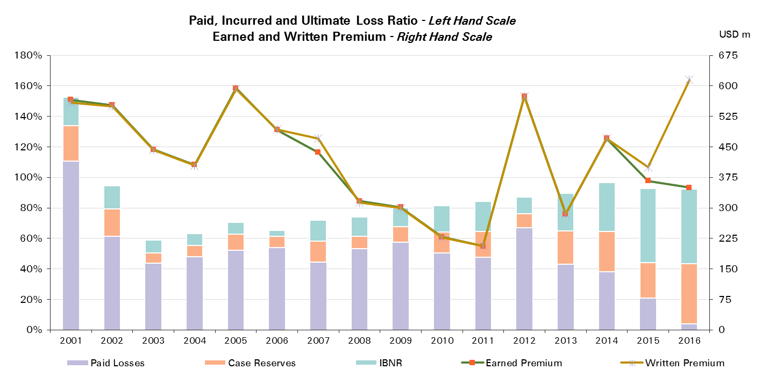
2014 | 471 | 2% | 20% | 38%
2015 | 366 | 2% | 21%
2016 | 350 | 4%

UWY | Ult Loss Ratio | Paid Losses | Case Reserves | IBNR
2001 | 153% | 111% | 24% | 19%
2002 | 95% | 62% | 18% | 15%
2003 | 59% | 44% | 7% | 9%
2004 | 63% | 48% | 8% | 8%
2005 | 71% | 52% | 10% | 8%
2006 | 65% | 54% | 7% | 4%
2007 | 72% | 44% | 14% | 14%
2008 | 74% | 53% | 8% | 13%
2009 | 80% | 57% | 10% | 12%
2010 | 81% | 51% | 14% | 17%
2011 | 84% | 48% | 17% | 20%
2012 | 87% | 67% | 9% | 11%
2013 | 89% | 43% | 22% | 24%
2014 | 96% | 38% | 27% | 32%
2015 | 93% | 21% | 23% | 49%
2016 | 92% | 4% | 39% | 49%

Accident & Health CS
Total Paid and Reported Losses as a Percentage of Ultimate Earned Premium

 |  |  |  |  |  |  |  |  |  |  |  |  |  |  |  |  |  | Accident & Health Corporate Solutions

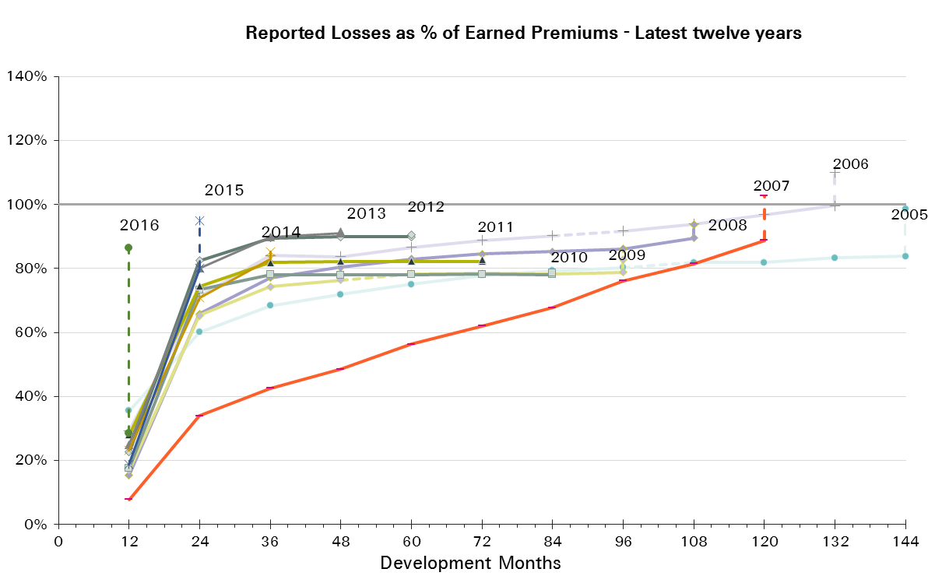
UWY | Earned Premium in USDm | Reported Loss Ratios per Development Month

 |  | 12 | 24 | 36 | 48 | 60 | 72 | 84 | 96 | 108 | 120 | 132 | 144 | 156 | 168 | 180 | 192
2001 | 713 | 30% | 70% | 88% | 93% | 99% | 104% | 107% | 111% | 114% | 121% | 126% | 129% | 132% | 134% | 136% | 137%
2002 | 926 | 16% | 57% | 75% | 71% | 73% | 74% | 76% | 77% | 78% | 80% | 81% | 82% | 84% | 85% | 85%
2003 | 819 | 17% | 42% | 67% | 71% | 72% | 74% | 77% | 78% | 80% | 80% | 81% | 83% | 84% | 84%
2004 | 551 | 29% | 54% | 66% | 69% | 70% | 70% | 73% | 74% | 75% | 76% | 77% | 79% | 79%
2005 | 481 | 36% | 60% | 68% | 72% | 75% | 78% | 79% | 80% | 82% | 82% | 83% | 84%
2006 | 382 | 29% | 71% | 84% | 84% | 87% | 89% | 90% | 92% | 94% | 97% | 100%
2007 | 468 | 8% | 34% | 43% | 48% | 56% | 62% | 68% | 76% | 82% | 89%
2008 | 187 | 15% | 66% | 77% | 80% | 83% | 85% | 85% | 86% | 90%
2009 | 156 | 17% | 65% | 74% | 76% | 78% | 78% | 78% | 79%
2010 | 96 | 18% | 73% | 78% | 78% | 78% | 78% | 78%
2011 | 126 | 28% | 74% | 82% | 82% | 82% | 82%
2012 | 126 | 23% | 82% | 89% | 90% | 90%
2013 | 163 | 25% | 80% | 90% | 91%
2014 | 140 | 23% | 71% | 83%
2015 | 81 | 19% | 80%
2016 | 218 | 28%

UWY | Earned Premium in USDm | Paid Loss Ratios per Development Month
 |  | 12 | 24 | 36 | 48 | 60 | 72 | 84 | 96 | 108 | 120 | 132 | 144 | 156 | 168 | 180 | 192
2001 | 713 | 19% | 46% | 61% | 70% | 78% | 83% | 86% | 91% | 95% | 103% | 106% | 109% | 112% | 116% | 118% | 120%
2002 | 926 | 9% | 40% | 54% | 56% | 59% | 61% | 64% | 66% | 68% | 70% | 71% | 73% | 75% | 76% | 78%
2003 | 819 | 4% | 28% | 46% | 51% | 56% | 58% | 63% | 64% | 66% | 69% | 71% | 73% | 74% | 76%
2004 | 551 | 13% | 35% | 43% | 51% | 54% | 57% | 59% | 61% | 62% | 64% | 66% | 68% | 69%
2005 | 481 | 15% | 38% | 49% | 55% | 61% | 64% | 66% | 69% | 71% | 73% | 75% | 76%
2006 | 382 | 8% | 42% | 56% | 61% | 66% | 69% | 70% | 72% | 73% | 75% | 76%
2007 | 468 | 4% | 23% | 33% | 40% | 47% | 53% | 59% | 67% | 73% | 80%
2008 | 187 | 9% | 50% | 66% | 72% | 77% | 80% | 82% | 83% | 84%
2009 | 156 | 12% | 55% | 68% | 71% | 74% | 75% | 76% | 77%
2010 | 96 | 16% | 72% | 78% | 78% | 78% | 78% | 78%
2011 | 126 | 27% | 74% | 82% | 82% | 82% | 82%
2012 | 126 | 22% | 82% | 89% | 90% | 90%
2013 | 163 | 23% | 79% | 90% | 91%
2014 | 140 | 20% | 67% | 82%
2015 | 81 | 18% | 76%
2016 | 218 | 28%
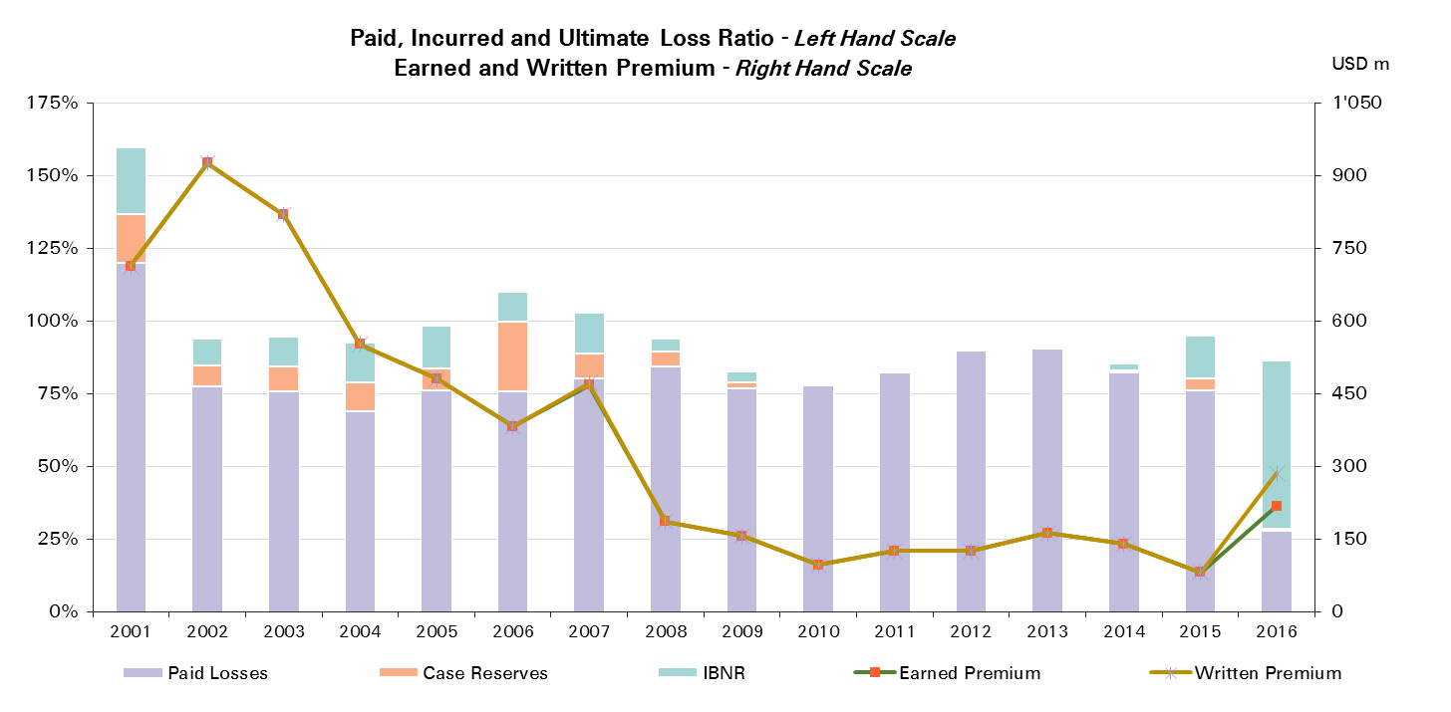

UWY | Ult Loss Ratio | Paid Losses | Case Reserves | IBNR
2001 | 160% | 120% | 17% | 23%
2002 | 94% | 78% | 7% | 9%
2003 | 95% | 76% | 8% | 10%
2004 | 93% | 69% | 10% | 14%
2005 | 99% | 76% | 8% | 15%
2006 | 110% | 76% | 24% | 10%
2007 | 103% | 80% | 9% | 14%
2008 | 94% | 84% | 5% | 4%
2009 | 83% | 77% | 2% | 4%
2010 | 79% | 78% | 0% | 1%
2011 | 83% | 82% | 0% | 0%
2012 | 91% | 90% | 0% | 1%
2013 | 92% | 91% | 0% | 1%
2014 | 85% | 82% | 1% | 2%
2015 | 95% | 76% | 4% | 15%
2016 | 86% | 28% | 1% | 58%

Marine
Total Paid and Reported Losses as a Percentage of Ultimate Earned Premium

 |  |  |  |  |  |  |  |  |  |  |  |  |  |  |  |  |  | Marine

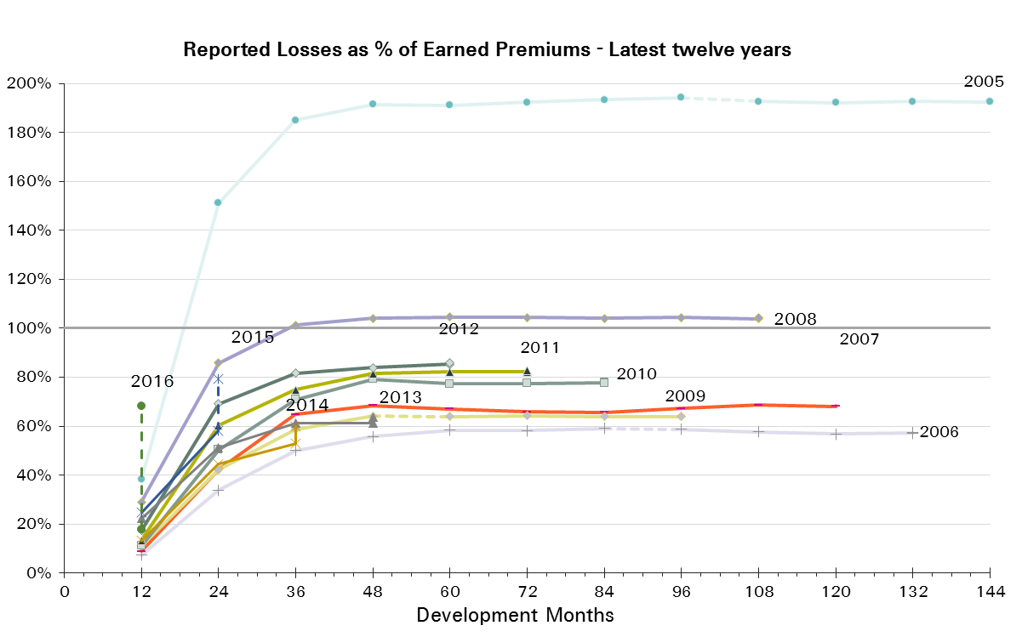
UWY | Earned Premium in USDm | Reported Loss Ratios per Development Month

 |  | 12 | 24 | 36 | 48 | 60 | 72 | 84 | 96 | 108 | 120 | 132 | 144 | 156 | 168 | 180 | 192
2001 | 865 | 25% | 82% | 108% | 117% | 117% | 118% | 117% | 116% | 115% | 116% | 117% | 115% | 115% | 114% | 114% | 114%
2002 | 1,035 | 15% | 42% | 63% | 67% | 68% | 68% | 68% | 68% | 68% | 67% | 67% | 67% | 67% | 67% | 66%
2003 | 1,008 | 13% | 37% | 51% | 56% | 59% | 60% | 60% | 60% | 60% | 60% | 59% | 59% | 59% | 59%
2004 | 936 | 21% | 65% | 91% | 97% | 100% | 100% | 100% | 100% | 99% | 98% | 98% | 98% | 98%
2005 | 1,081 | 38% | 151% | 185% | 192% | 191% | 192% | 193% | 194% | 193% | 192% | 193% | 193%
2006 | 948 | 7% | 34% | 50% | 56% | 58% | 58% | 59% | 59% | 58% | 57% | 57%
2007 | 789 | 9% | 42% | 65% | 68% | 67% | 66% | 66% | 67% | 69% | 68%
2008 | 744 | 29% | 86% | 101% | 104% | 105% | 105% | 104% | 104% | 104%
2009 | 665 | 11% | 42% | 59% | 64% | 64% | 64% | 64% | 64%
2010 | 560 | 11% | 50% | 71% | 79% | 77% | 78% | 78%
2011 | 641 | 13% | 60% | 75% | 81% | 82% | 82%
2012 | 764 | 17% | 69% | 82% | 84% | 85%
2013 | 777 | 22% | 51% | 61% | 61%
2014 | 766 | 13% | 44% | 53%
2015 | 748 | 25% | 58%
2016 | 532 | 18%

UWY | Earned Premium in USDm | Paid Loss Ratios per Development Month
 |  | 12 | 24 | 36 | 48 | 60 | 72 | 84 | 96 | 108 | 120 | 132 | 144 | 156 | 168 | 180 | 192
2001 | 865 | 11% | 44% | 76% | 91% | 97% | 102% | 105% | 107% | 107% | 109% | 110% | 110% | 111% | 111% | 111% | 111%
2002 | 1,035 | 4% | 25% | 45% | 54% | 59% | 62% | 64% | 65% | 65% | 65% | 66% | 66% | 66% | 66% | 66%
2003 | 1,008 | 4% | 19% | 35% | 43% | 51% | 54% | 56% | 57% | 58% | 58% | 58% | 58% | 58% | 59%
2004 | 936 | 3% | 37% | 61% | 76% | 84% | 89% | 92% | 94% | 95% | 95% | 95% | 95% | 95%
2005 | 1,081 | 3% | 61% | 120% | 146% | 168% | 177% | 181% | 184% | 187% | 188% | 189% | 189%
2006 | 948 | 2% | 18% | 33% | 42% | 47% | 50% | 52% | 54% | 55% | 55% | 56%
2007 | 789 | 2% | 21% | 43% | 51% | 55% | 59% | 61% | 62% | 63% | 62%
2008 | 744 | 3% | 38% | 72% | 87% | 96% | 98% | 100% | 101% | 101%
2009 | 665 | 2% | 22% | 38% | 46% | 51% | 53% | 60% | 61%
2010 | 560 | 4% | 24% | 45% | 53% | 59% | 72% | 74%
2011 | 641 | 4% | 32% | 57% | 67% | 72% | 74%
2012 | 764 | 6% | 39% | 64% | 73% | 77%
2013 | 777 | 7% | 31% | 45% | 53%
2014 | 766 | 4% | 22% | 37%
2015 | 748 | 3% | 22%
2016 | 532 | 6%
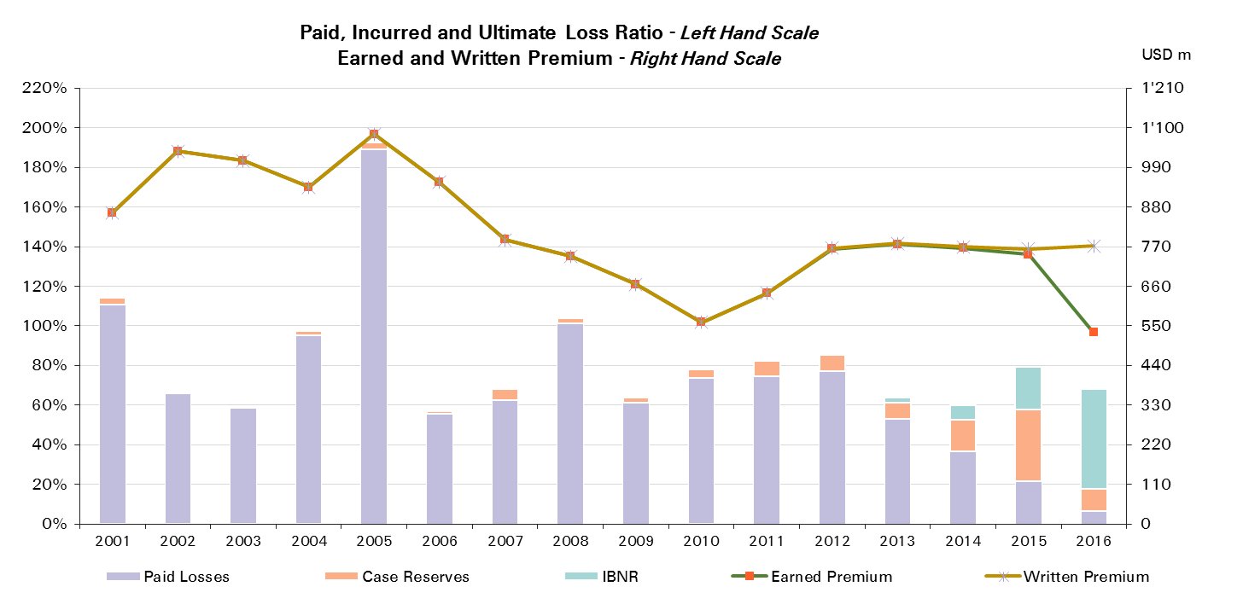

UWY | Ult Loss Ratio | Paid Losses | Case Reserves | IBNR
2001 | 114% | 111% | 3% | 0%
2002 | 66% | 66% | 0% | 0%
2003 | 59% | 59% | 1% | 0%
2004 | 97% | 95% | 2% | 0%
2005 | 193% | 189% | 3% | 0%
2006 | 57% | 56% | 2% | 0%
2007 | 68% | 62% | 6% | 0%
2008 | 104% | 101% | 3% | 0%
2009 | 64% | 61% | 3% | 0%
2010 | 78% | 74% | 4% | 0%
2011 | 83% | 74% | 8% | 1%
2012 | 86% | 77% | 8% | 1%
2013 | 64% | 53% | 8% | 2%
2014 | 60% | 37% | 16% | 7%
2015 | 79% | 22% | 36% | 21%
2016 | 68% | 6% | 11% | 50%

Marine Reinsurance
Total Paid and Reported Losses as a Percentage of Ultimate Earned Premium

 |  |  |  |  |  |  |  |  |  |  |  |  |  |  |  |  |  | Marine Reinsurance

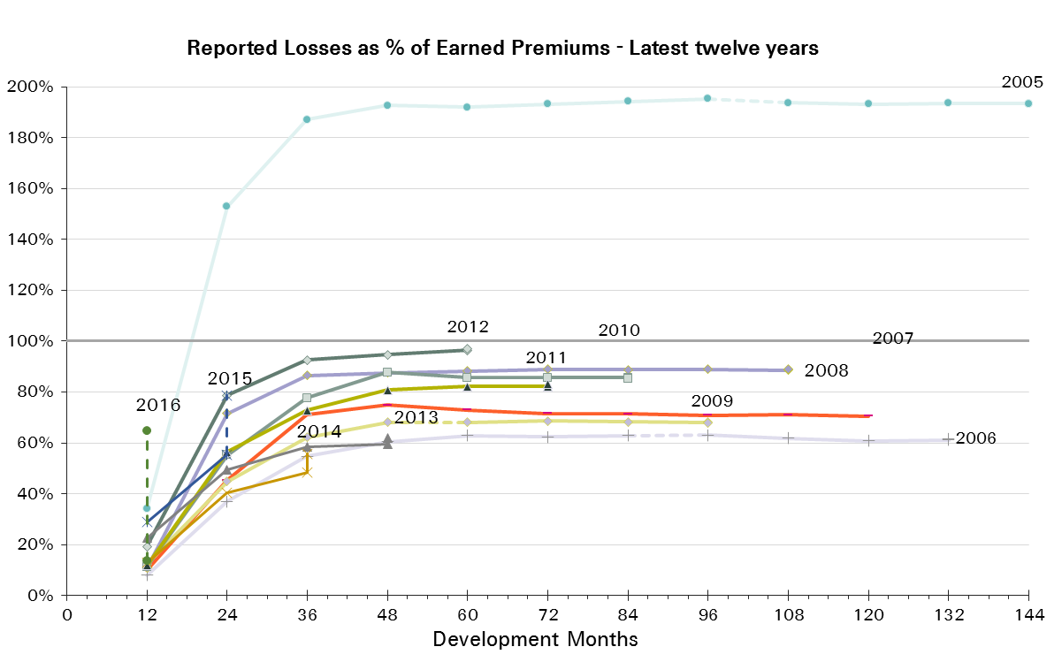
UWY | Earned Premium in USDm | Reported Loss Ratios per Development Month

 |  | 12 | 24 | 36 | 48 | 60 | 72 | 84 | 96 | 108 | 120 | 132 | 144 | 156 | 168 | 180 | 192
2001 | 833 | 26% | 83% | 109% | 119% | 118% | 120% | 119% | 118% | 117% | 118% | 118% | 117% | 116% | 116% | 116% | 116%
2002 | 983 | 15% | 43% | 63% | 67% | 67% | 67% | 67% | 67% | 66% | 66% | 66% | 66% | 65% | 65% | 65%
2003 | 950 | 14% | 37% | 51% | 54% | 57% | 58% | 58% | 58% | 58% | 58% | 57% | 58% | 57% | 57%
2004 | 881 | 20% | 63% | 87% | 94% | 96% | 96% | 97% | 96% | 95% | 95% | 94% | 94% | 94%
2005 | 1,003 | 34% | 153% | 187% | 193% | 192% | 193% | 194% | 195% | 194% | 193% | 194% | 193%
2006 | 816 | 8% | 37% | 55% | 60% | 63% | 62% | 63% | 63% | 62% | 61% | 61%
2007 | 666 | 10% | 45% | 71% | 75% | 73% | 71% | 71% | 71% | 71% | 70%
2008 | 610 | 11% | 72% | 87% | 87% | 88% | 89% | 89% | 89% | 89%
2009 | 500 | 12% | 45% | 62% | 68% | 68% | 69% | 68% | 68%
2010 | 442 | 11% | 55% | 78% | 88% | 86% | 86% | 86%
2011 | 531 | 12% | 57% | 73% | 81% | 82% | 82%
2012 | 606 | 19% | 79% | 93% | 95% | 96%
2013 | 596 | 23% | 49% | 58% | 59%
2014 | 553 | 13% | 40% | 48%
2015 | 541 | 29% | 55%
2016 | 397 | 14%

UWY | Earned Premium in USDm | Paid Loss Ratios per Development Month
 |  | 12 | 24 | 36 | 48 | 60 | 72 | 84 | 96 | 108 | 120 | 132 | 144 | 156 | 168 | 180 | 192
2001 | 833 | 11% | 45% | 77% | 92% | 98% | 103% | 106% | 108% | 109% | 110% | 111% | 112% | 112% | 112% | 112% | 112%
2002 | 983 | 4% | 26% | 45% | 54% | 59% | 61% | 63% | 64% | 64% | 64% | 64% | 65% | 65% | 65% | 65%
2003 | 950 | 4% | 19% | 35% | 42% | 49% | 52% | 54% | 55% | 56% | 56% | 56% | 56% | 57% | 57%
2004 | 881 | 3% | 35% | 57% | 72% | 80% | 85% | 88% | 90% | 91% | 91% | 91% | 91% | 91%
2005 | 1,003 | 3% | 63% | 124% | 150% | 169% | 177% | 182% | 184% | 188% | 188% | 189% | 190%
2006 | 816 | 2% | 20% | 36% | 46% | 51% | 54% | 56% | 57% | 59% | 59% | 59%
2007 | 666 | 3% | 23% | 46% | 56% | 60% | 64% | 66% | 67% | 68% | 68%
2008 | 610 | 2% | 29% | 59% | 71% | 80% | 82% | 84% | 85% | 86%
2009 | 500 | 3% | 24% | 40% | 47% | 53% | 55% | 64% | 65%
2010 | 442 | 5% | 26% | 49% | 58% | 62% | 80% | 81%
2011 | 531 | 4% | 28% | 54% | 64% | 71% | 73%
2012 | 606 | 6% | 44% | 74% | 83% | 87%
2013 | 596 | 7% | 31% | 44% | 51%
2014 | 553 | 4% | 22% | 34%
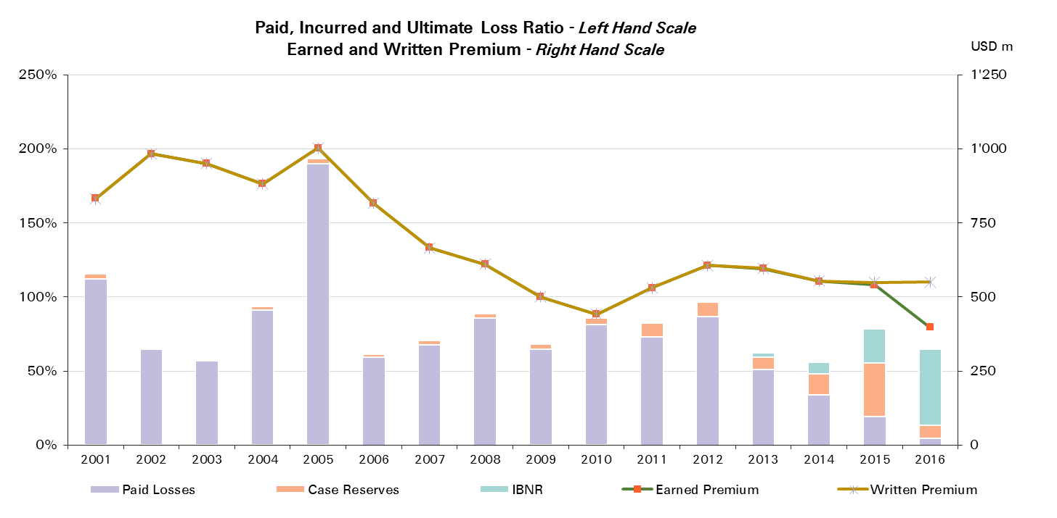
2015 | 541 | 3% | 19%
2016 | 397 | 4%

UWY | Ult Loss Ratio | Paid Losses | Case Reserves | IBNR
2001 | 116% | 112% | 3% | 0%
2002 | 65% | 65% | 0% | 0%
2003 | 57% | 57% | 1% | 0%
2004 | 94% | 91% | 2% | 0%
2005 | 193% | 190% | 4% | 0%
2006 | 62% | 59% | 2% | 0%
2007 | 70% | 68% | 3% | 0%
2008 | 89% | 86% | 3% | 0%
2009 | 68% | 65% | 3% | 0%
2010 | 85% | 81% | 4% | 0%
2011 | 83% | 73% | 9% | 1%
2012 | 97% | 87% | 10% | 1%
2013 | 62% | 51% | 9% | 3%
2014 | 56% | 34% | 14% | 8%
2015 | 79% | 19% | 36% | 23%
2016 | 65% | 4% | 9% | 51%

Marine CS
Total Paid and Reported Losses as a Percentage of Ultimate Earned Premium

 |  |  |  |  |  |  |  |  |  |  |  |  |  |  |  |  |  | Marine Corporate Solutions

UWY | Earned Premium in USDm | Reported Loss Ratios per Development Month

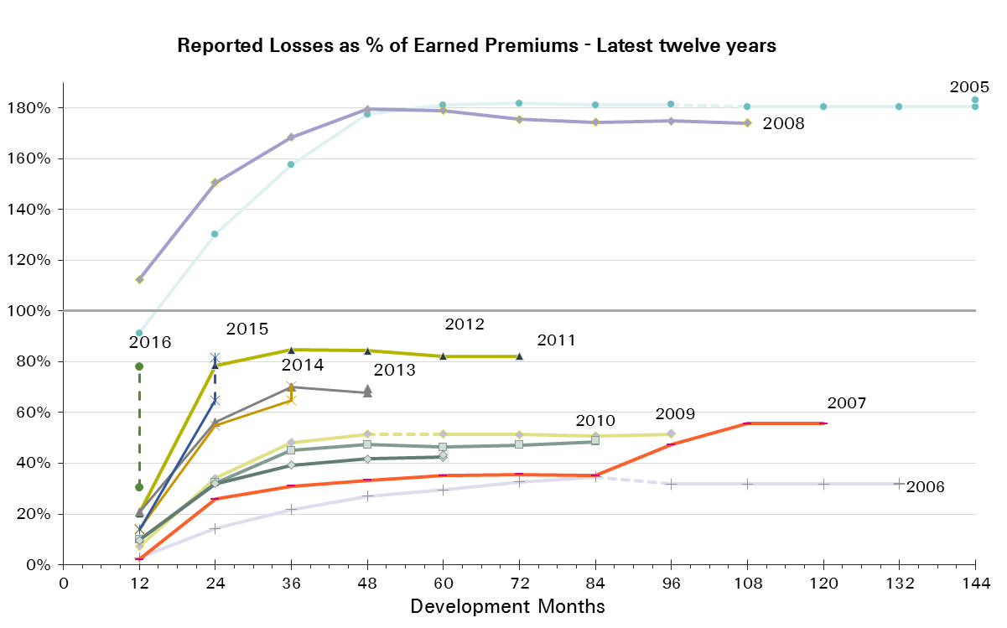
 |  | 12 | 24 | 36 | 48 | 60 | 72 | 84 | 96 | 108 | 120 | 132 | 144 | 156 | 168 | 180 | 192
2001 | 32 | 7% | 65% | 75% | 74% | 75% | 79% | 80% | 74% | 74% | 74% | 74% | 75% | 75% | 75% | 75% | 75%
2002 | 52 | 7% | 32% | 60% | 72% | 89% | 88% | 90% | 89% | 90% | 89% | 91% | 91% | 91% | 91% | 91%
2003 | 58 | 5% | 32% | 51% | 83% | 90% | 90% | 89% | 89% | 89% | 89% | 89% | 89% | 89% | 89%
2004 | 54 | 42% | 97% | 149% | 156% | 163% | 162% | 162% | 161% | 161% | 160% | 160% | 160% | 160%
2005 | 78 | 91% | 130% | 158% | 177% | 181% | 182% | 181% | 181% | 180% | 180% | 180% | 180%
2006 | 133 | 3% | 14% | 22% | 27% | 30% | 33% | 35% | 32% | 32% | 32% | 32%
2007 | 123 | 2% | 26% | 31% | 33% | 35% | 36% | 35% | 47% | 56% | 56%
2008 | 134 | 112% | 151% | 168% | 180% | 179% | 176% | 174% | 175% | 174%
2009 | 165 | 7% | 34% | 48% | 51% | 51% | 51% | 51% | 51%
2010 | 118 | 10% | 32% | 45% | 47% | 46% | 47% | 49%
2011 | 110 | 20% | 79% | 85% | 84% | 82% | 82%
2012 | 157 | 10% | 32% | 39% | 42% | 42%
2013 | 181 | 21% | 56% | 70% | 68%
2014 | 213 | 14% | 55% | 65%
2015 | 207 | 14% | 65%
2016 | 134 | 31%

UWY | Earned Premium in USDm | Paid Loss Ratios per Development Month
 |  | 12 | 24 | 36 | 48 | 60 | 72 | 84 | 96 | 108 | 120 | 132 | 144 | 156 | 168 | 180 | 192
2001 | 32 | 3% | 38% | 52% | 62% | 64% | 70% | 72% | 73% | 73% | 74% | 74% | 75% | 75% | 75% | 75% | 75%
2002 | 52 | 3% | 14% | 38% | 59% | 71% | 82% | 87% | 87% | 89% | 89% | 91% | 91% | 91% | 91% | 91%
2003 | 58 | 1% | 14% | 31% | 59% | 82% | 87% | 87% | 88% | 89% | 89% | 89% | 89% | 89% | 89%
2004 | 54 | 4% | 75% | 130% | 141% | 149% | 153% | 159% | 159% | 160% | 160% | 160% | 160% | 160%
2005 | 78 | 3% | 31% | 64% | 86% | 168% | 176% | 178% | 179% | 180% | 180% | 180% | 180%
2006 | 133 | 0% | 4% | 14% | 19% | 23% | 26% | 27% | 32% | 32% | 32% | 32%
2007 | 123 | 1% | 11% | 25% | 28% | 31% | 32% | 34% | 35% | 35% | 35%
2008 | 134 | 9% | 78% | 132% | 162% | 167% | 171% | 171% | 172% | 172%
2009 | 165 | 1% | 15% | 33% | 41% | 44% | 47% | 49% | 50%
2010 | 118 | 2% | 13% | 31% | 38% | 44% | 44% | 44%
2011 | 110 | 8% | 53% | 70% | 81% | 80% | 81%
2012 | 157 | 5% | 19% | 29% | 36% | 40%
2013 | 181 | 9% | 31% | 49% | 60%
2014 | 213 | 3% | 22% | 44%
2015 | 207 | 5% | 28%
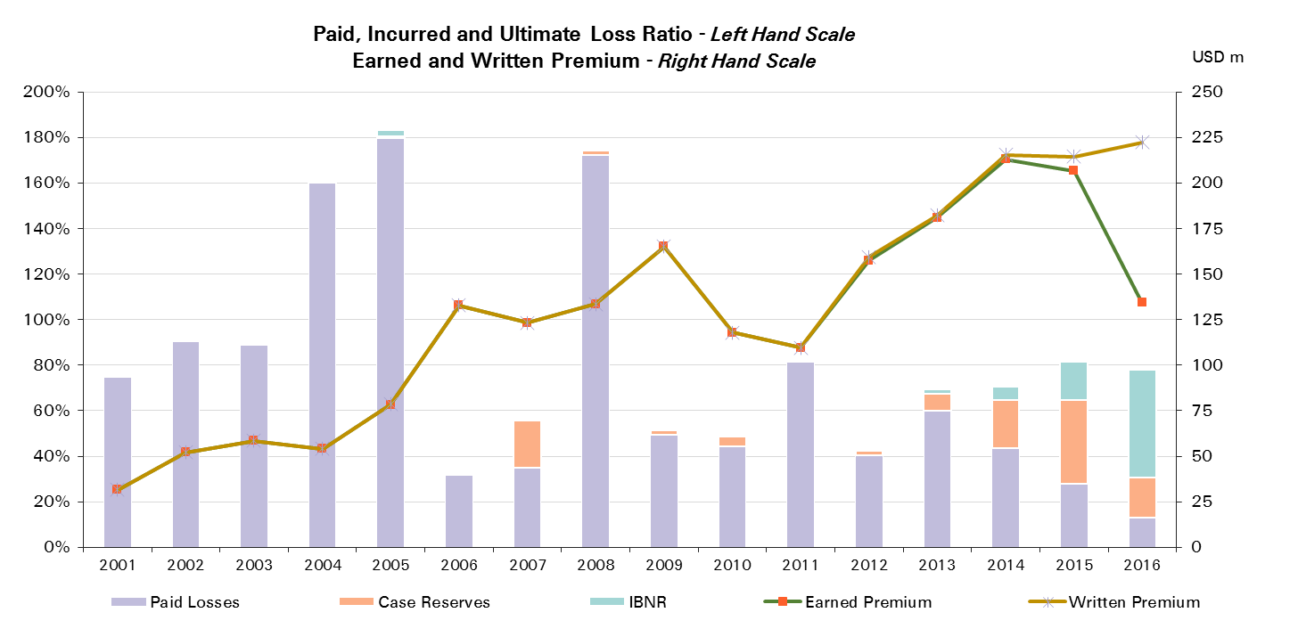
2016 | 134 | 13%

UWY | Ult Loss Ratio | Paid Losses | Case Reserves | IBNR
2001 | 75% | 75% | 0% | 0%
2002 | 91% | 91% | 0% | 0%
2003 | 89% | 89% | 0% | 0%
2004 | 160% | 160% | 0% | 0%
2005 | 183% | 180% | 1% | 3%
2006 | 32% | 32% | 0% | 0%
2007 | 56% | 35% | 21% | 0%
2008 | 174% | 172% | 2% | 0%
2009 | 52% | 50% | 2% | 1%
2010 | 49% | 44% | 4% | 0%
2011 | 82% | 81% | 1% | 0%
2012 | 43% | 40% | 2% | 1%
2013 | 69% | 60% | 8% | 2%
2014 | 70% | 44% | 21% | 6%
2015 | 82% | 28% | 37% | 17%
2016 | 78% | 13% | 18% | 47%

Engineering
Total Paid and Reported Losses as a Percentage of Ultimate Earned Premium

 |  |  |  |  |  |  |  |  |  |  |  |  |  |  |  |  |  | Engineering

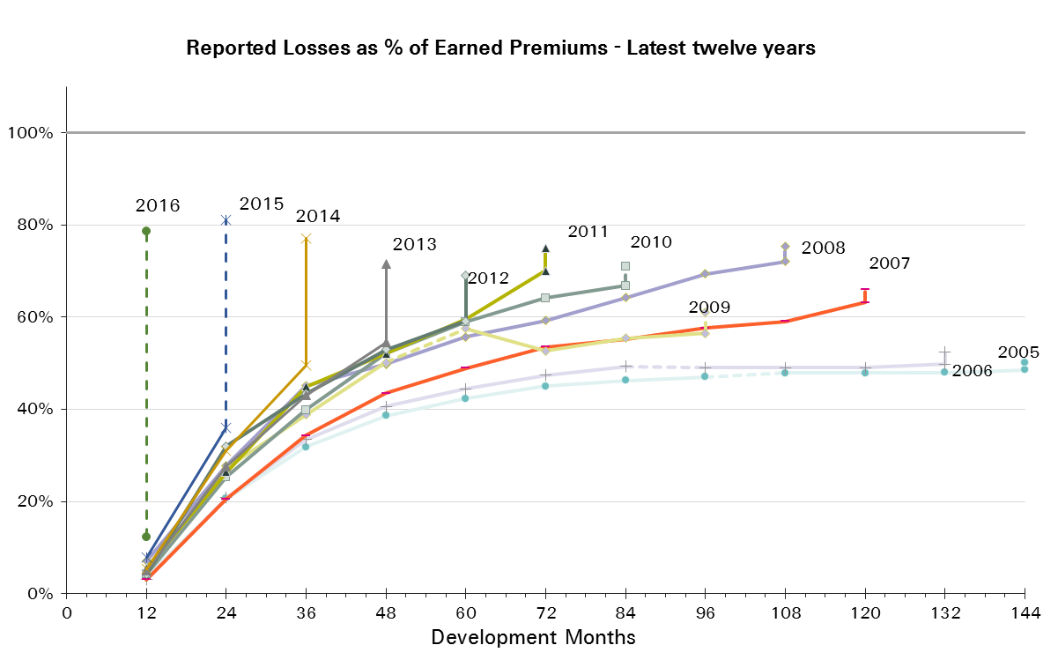
UWY | Earned Premium in USDm | Reported Loss Ratios per Development Month

 |  | 12 | 24 | 36 | 48 | 60 | 72 | 84 | 96 | 108 | 120 | 132 | 144 | 156 | 168 | 180 | 192
2001 | 621 | 7% | 31% | 50% | 59% | 64% | 70% | 72% | 72% | 73% | 73% | 73% | 73% | 73% | 74% | 73% | 73%
2002 | 698 | 11% | 31% | 43% | 51% | 56% | 58% | 58% | 59% | 60% | 61% | 61% | 62% | 62% | 62% | 61%
2003 | 694 | 8% | 23% | 33% | 42% | 46% | 48% | 50% | 51% | 50% | 51% | 51% | 50% | 50% | 50%
2004 | 738 | 9% | 24% | 34% | 43% | 48% | 50% | 50% | 52% | 52% | 52% | 52% | 52% | 51%
2005 | 755 | 4% | 21% | 32% | 39% | 42% | 45% | 46% | 47% | 48% | 48% | 48% | 49%
2006 | 738 | 3% | 21% | 33% | 41% | 44% | 47% | 49% | 49% | 49% | 49% | 50%
2007 | 698 | 3% | 21% | 34% | 43% | 49% | 53% | 55% | 58% | 59% | 63%
2008 | 565 | 7% | 28% | 45% | 50% | 56% | 59% | 64% | 69% | 72%
2009 | 520 | 5% | 27% | 39% | 50% | 58% | 53% | 55% | 56%
2010 | 443 | 4% | 25% | 40% | 52% | 59% | 64% | 67%
2011 | 518 | 6% | 26% | 45% | 52% | 60% | 70%
2012 | 530 | 4% | 32% | 43% | 53% | 59%
2013 | 557 | 5% | 28% | 43% | 54%
2014 | 533 | 5% | 31% | 50%
2015 | 523 | 8% | 36%
2016 | 275 | 12%

UWY | Earned Premium in USDm | Paid Loss Ratios per Development Month
 |  | 12 | 24 | 36 | 48 | 60 | 72 | 84 | 96 | 108 | 120 | 132 | 144 | 156 | 168 | 180 | 192
2001 | 621 | 2% | 14% | 27% | 41% | 46% | 53% | 59% | 62% | 64% | 65% | 67% | 67% | 68% | 69% | 70% | 70%
2002 | 698 | 1% | 16% | 27% | 37% | 42% | 47% | 50% | 52% | 53% | 55% | 56% | 57% | 58% | 58% | 59%
2003 | 694 | 1% | 11% | 22% | 29% | 34% | 37% | 40% | 42% | 44% | 44% | 45% | 46% | 46% | 47%
2004 | 738 | 0% | 12% | 21% | 27% | 34% | 38% | 41% | 44% | 44% | 45% | 46% | 47% | 47%
2005 | 755 | 1% | 8% | 17% | 24% | 30% | 34% | 37% | 40% | 41% | 43% | 44% | 45%
2006 | 738 | 1% | 9% | 19% | 26% | 32% | 37% | 39% | 41% | 44% | 44% | 45%
2007 | 698 | 1% | 9% | 20% | 28% | 34% | 40% | 46% | 49% | 52% | 55%
2008 | 565 | 2% | 12% | 25% | 35% | 41% | 47% | 52% | 55% | 62%
2009 | 520 | 1% | 11% | 23% | 31% | 38% | 43% | 46% | 48%
2010 | 443 | 1% | 12% | 25% | 34% | 40% | 47% | 52%
2011 | 518 | 1% | 11% | 24% | 33% | 40% | 47%
2012 | 530 | 1% | 12% | 24% | 33% | 40%
2013 | 557 | 1% | 10% | 23% | 35%
2014 | 533 | 1% | 13% | 30%
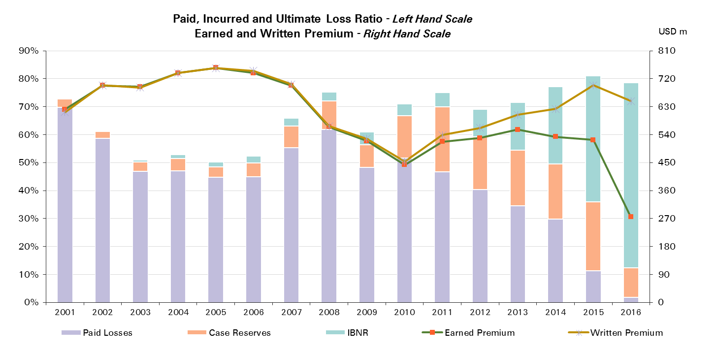
2015 | 523 | 2% | 11%
2016 | 275 | 2%

UWY | Ult Loss Ratio | Paid Losses | Case Reserves | IBNR
2001 | 73% | 70% | 3% | 0%
2002 | 61% | 59% | 3% | 0%
2003 | 51% | 47% | 3% | 1%
2004 | 53% | 47% | 4% | 1%
2005 | 50% | 45% | 4% | 2%
2006 | 52% | 45% | 5% | 3%
2007 | 66% | 55% | 8% | 3%
2008 | 75% | 62% | 10% | 3%
2009 | 61% | 48% | 8% | 5%
2010 | 71% | 52% | 15% | 4%
2011 | 75% | 47% | 23% | 5%
2012 | 69% | 40% | 19% | 10%
2013 | 72% | 35% | 20% | 17%
2014 | 77% | 30% | 20% | 28%
2015 | 81% | 11% | 25% | 45%
2016 | 79% | 2% | 11% | 66%

Engineering Reinsurance
Total Paid and Reported Losses as a Percentage of Ultimate Earned Premium

 |  |  |  |  |  |  |  |  |  |  |  |  |  |  |  |  |  | Engineering Reinsurance

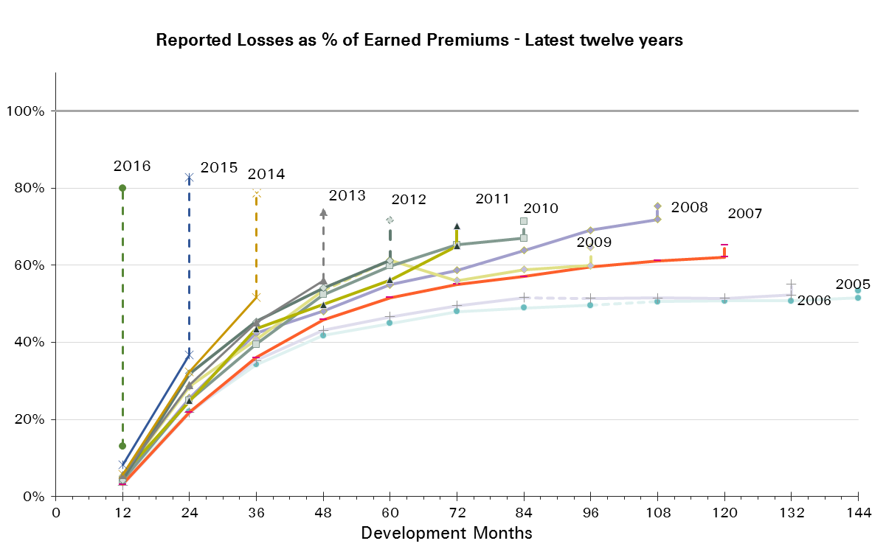
UWY | Earned Premium in USDm | Reported Loss Ratios per Development Month

 |  | 12 | 24 | 36 | 48 | 60 | 72 | 84 | 96 | 108 | 120 | 132 | 144 | 156 | 168 | 180 | 192
2001 | 534 | 6% | 34% | 54% | 65% | 70% | 77% | 79% | 79% | 81% | 81% | 81% | 81% | 81% | 81% | 81% | 80%
2002 | 619 | 12% | 33% | 47% | 54% | 59% | 61% | 61% | 62% | 63% | 64% | 65% | 65% | 65% | 65% | 64%
2003 | 631 | 8% | 24% | 33% | 42% | 46% | 48% | 51% | 51% | 51% | 52% | 51% | 51% | 51% | 51%
2004 | 669 | 9% | 26% | 37% | 46% | 51% | 53% | 53% | 55% | 55% | 55% | 55% | 55% | 54%
2005 | 667 | 4% | 22% | 34% | 42% | 45% | 48% | 49% | 50% | 51% | 51% | 51% | 51%
2006 | 665 | 3% | 22% | 35% | 43% | 47% | 50% | 52% | 51% | 51% | 51% | 52%
2007 | 633 | 3% | 22% | 36% | 46% | 52% | 55% | 57% | 60% | 61% | 62%
2008 | 544 | 5% | 26% | 42% | 48% | 55% | 59% | 64% | 69% | 72%
2009 | 472 | 5% | 29% | 41% | 53% | 61% | 56% | 59% | 60%
2010 | 406 | 4% | 25% | 39% | 52% | 60% | 65% | 67%
2011 | 460 | 6% | 25% | 43% | 50% | 56% | 65%
2012 | 452 | 4% | 32% | 45% | 54% | 61%
2013 | 479 | 6% | 29% | 45% | 56%
2014 | 468 | 6% | 32% | 52%
2015 | 469 | 8% | 37%
2016 | 253 | 13%

UWY | Earned Premium in USDm | Paid Loss Ratios per Development Month
 |  | 12 | 24 | 36 | 48 | 60 | 72 | 84 | 96 | 108 | 120 | 132 | 144 | 156 | 168 | 180 | 192
2001 | 534 | 2% | 15% | 29% | 45% | 51% | 58% | 65% | 68% | 71% | 72% | 73% | 73% | 75% | 76% | 77% | 77%
2002 | 619 | 1% | 17% | 30% | 39% | 44% | 50% | 52% | 54% | 55% | 58% | 59% | 60% | 61% | 61% | 62%
2003 | 631 | 1% | 11% | 21% | 28% | 34% | 37% | 40% | 43% | 44% | 45% | 46% | 46% | 47% | 47%
2004 | 669 | 0% | 13% | 23% | 29% | 36% | 40% | 44% | 47% | 47% | 48% | 49% | 49% | 50%
2005 | 667 | 1% | 9% | 19% | 26% | 32% | 36% | 40% | 42% | 43% | 45% | 46% | 47%
2006 | 665 | 1% | 9% | 19% | 28% | 34% | 39% | 41% | 43% | 45% | 46% | 47%
2007 | 633 | 1% | 10% | 21% | 30% | 36% | 42% | 47% | 51% | 54% | 56%
2008 | 544 | 1% | 12% | 23% | 33% | 40% | 46% | 51% | 54% | 61%
2009 | 472 | 1% | 11% | 24% | 33% | 40% | 46% | 49% | 51%
2010 | 406 | 1% | 12% | 24% | 33% | 39% | 47% | 52%
2011 | 460 | 1% | 10% | 22% | 31% | 38% | 44%
2012 | 452 | 1% | 12% | 25% | 33% | 41%
2013 | 479 | 1% | 11% | 25% | 36%
2014 | 468 | 1% | 14% | 31%
2015 | 469 | 2% | 12%
2016 | 253 | 2%
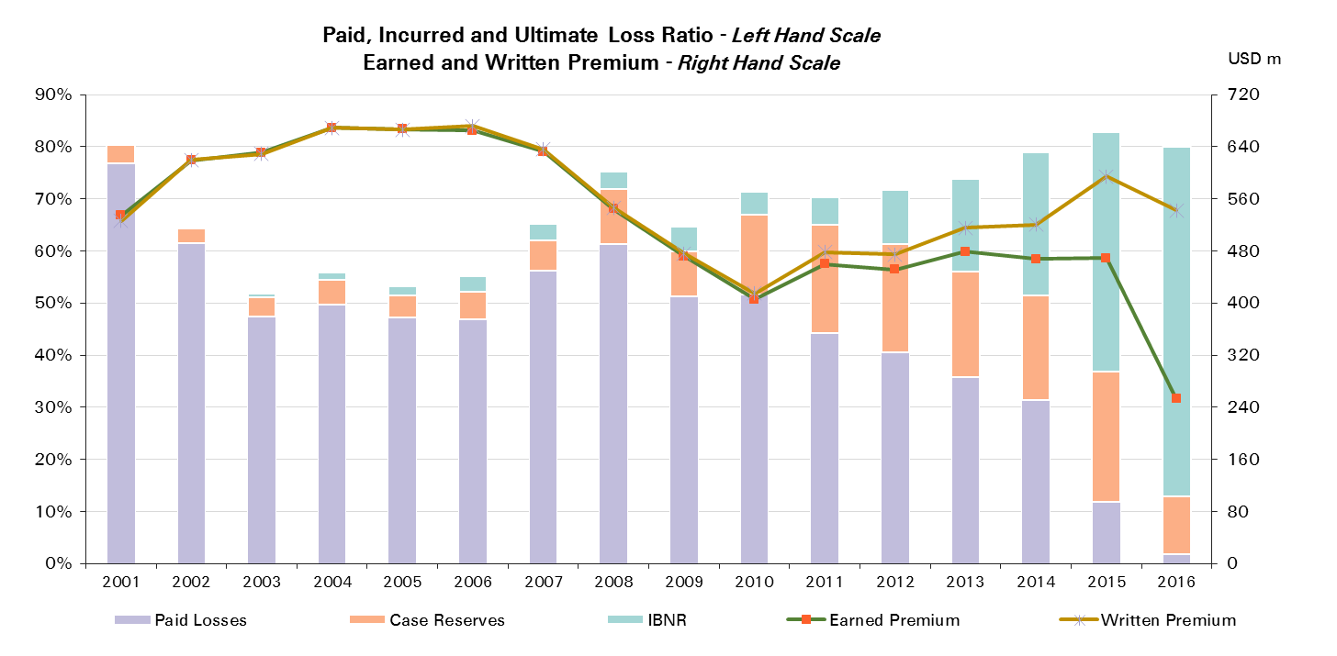

UWY | Ult Loss Ratio | Paid Losses | Case Reserves | IBNR
2001 | 81% | 77% | 4% | 0%
2002 | 65% | 62% | 3% | 0%
2003 | 52% | 47% | 4% | 1%
2004 | 56% | 50% | 5% | 1%
2005 | 53% | 47% | 4% | 2%
2006 | 55% | 47% | 5% | 3%
2007 | 65% | 56% | 6% | 3%
2008 | 75% | 61% | 10% | 3%
2009 | 65% | 51% | 9% | 5%
2010 | 71% | 52% | 15% | 4%
2011 | 70% | 44% | 21% | 5%
2012 | 72% | 41% | 21% | 10%
2013 | 74% | 36% | 20% | 18%
2014 | 79% | 31% | 20% | 27%
2015 | 83% | 12% | 25% | 46%
2016 | 80% | 2% | 11% | 67%

Engineering CS
Total Paid and Reported Losses as a Percentage of Ultimate Earned Premium

 |  |  |  |  |  |  |  |  |  |  |  |  |  |  |  |  |  | Engineering Corporate Solutions

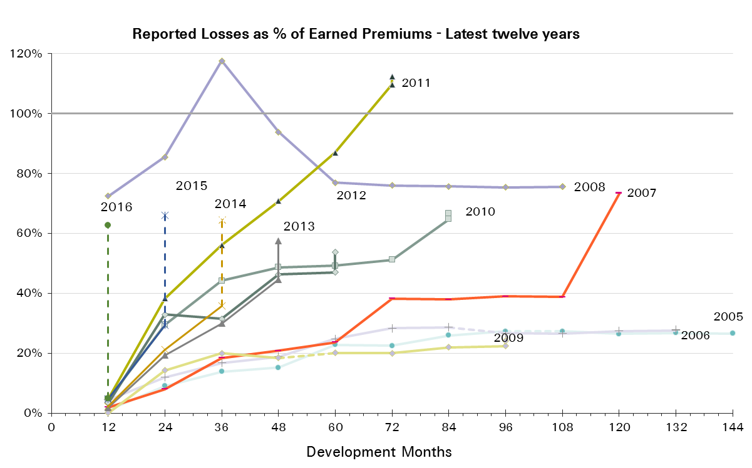
UWY | Earned Premium in USDm | Reported Loss Ratios per Development Month

 |  | 12 | 24 | 36 | 48 | 60 | 72 | 84 | 96 | 108 | 120 | 132 | 144 | 156 | 168 | 180 | 192
2001 | 87 | 14% | 16% | 24% | 25% | 25% | 25% | 27% | 27% | 26% | 26% | 26% | 26% | 26% | 26% | 26% | 26%
2002 | 79 | 9% | 10% | 15% | 25% | 36% | 33% | 33% | 35% | 35% | 36% | 36% | 36% | 36% | 36% | 36%
2003 | 63 | 9% | 21% | 32% | 40% | 43% | 47% | 43% | 42% | 42% | 43% | 42% | 42% | 42% | 41%
2004 | 69 | 1% | 8% | 9% | 18% | 22% | 20% | 20% | 19% | 23% | 23% | 22% | 22% | 23%
2005 | 88 | 1% | 9% | 14% | 15% | 23% | 23% | 26% | 27% | 27% | 26% | 27% | 27%
2006 | 73 | 4% | 12% | 17% | 19% | 25% | 28% | 29% | 27% | 27% | 27% | 28%
2007 | 66 | 2% | 8% | 18% | 21% | 24% | 38% | 38% | 39% | 39% | 73%
2008 | 21 | 72% | 85% | 118% | 94% | 77% | 76% | 76% | 75% | 76%
2009 | 48 | 0% | 14% | 20% | 18% | 20% | 20% | 22% | 22%
2010 | 38 | 5% | 29% | 44% | 49% | 49% | 51% | 65%
2011 | 58 | 5% | 38% | 56% | 71% | 87% | 110%
2012 | 78 | 3% | 33% | 31% | 46% | 47%
2013 | 77 | 2% | 19% | 30% | 45%
2014 | 66 | 2% | 21% | 36%
2015 | 54 | 5% | 29%
2016 | 22 | 5%

UWY | Earned Premium in USDm | Paid Loss Ratios per Development Month
 |  | 12 | 24 | 36 | 48 | 60 | 72 | 84 | 96 | 108 | 120 | 132 | 144 | 156 | 168 | 180 | 192
2001 | 87 | 3% | 8% | 13% | 17% | 18% | 18% | 24% | 26% | 26% | 26% | 26% | 26% | 26% | 26% | 26% | 26%
2002 | 79 | 2% | 8% | 8% | 22% | 24% | 28% | 30% | 32% | 33% | 35% | 35% | 35% | 35% | 35% | 35%
2003 | 63 | 1% | 13% | 27% | 32% | 33% | 37% | 39% | 40% | 40% | 40% | 41% | 41% | 41% | 41%
2004 | 69 | 0% | 2% | 6% | 8% | 11% | 16% | 18% | 18% | 22% | 22% | 22% | 22% | 23%
2005 | 88 | 1% | 2% | 5% | 8% | 14% | 18% | 19% | 20% | 23% | 24% | 24% | 26%
2006 | 73 | 3% | 6% | 12% | 15% | 18% | 21% | 22% | 25% | 26% | 27% | 27%
2007 | 66 | 1% | 3% | 6% | 13% | 17% | 23% | 33% | 35% | 38% | 48%
2008 | 21 | 24% | 30% | 58% | 84% | 73% | 74% | 74% | 75% | 76%
2009 | 48 | 0% | 5% | 8% | 13% | 14% | 18% | 19% | 20%
2010 | 38 | 0% | 17% | 29% | 46% | 48% | 50% | 52%
2011 | 58 | 3% | 20% | 39% | 47% | 56% | 67%
2012 | 78 | 0% | 10% | 18% | 35% | 40%
2013 | 77 | 0% | 5% | 13% | 28%
2014 | 66 | 1% | 7% | 18%
2015 | 54 | 0% | 8%
2016 | 22 | 1%
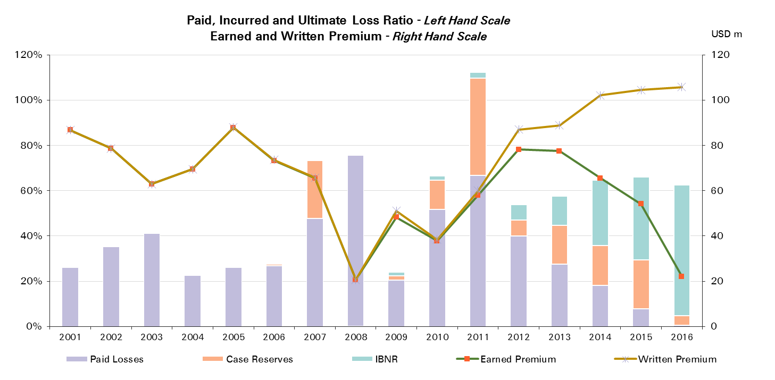

UWY | Ult Loss Ratio | Paid Losses | Case Reserves | IBNR
2001 | 26% | 26% | 0% | 0%
2002 | 36% | 35% | 0% | 0%
2003 | 41% | 41% | 0% | 0%
2004 | 23% | 23% | 0% | 0%
2005 | 27% | 26% | 1% | 0%
2006 | 28% | 27% | 1% | 0%
2007 | 73% | 48% | 26% | 0%
2008 | 76% | 76% | 0% | 0%
2009 | 24% | 20% | 2% | 2%
2010 | 67% | 52% | 13% | 2%
2011 | 112% | 67% | 43% | 3%
2012 | 54% | 40% | 7% | 7%
2013 | 58% | 28% | 17% | 13%
2014 | 65% | 18% | 18% | 29%
2015 | 66% | 8% | 22% | 37%
2016 | 63% | 1% | 4% | 58%

Aviation & Space
Total Paid and Reported Losses as a Percentage of Ultimate Earned Premium

 |  |  |  |  |  |  |  |  |  |  |  |  |  |  |  |  |  | Aviation & Space

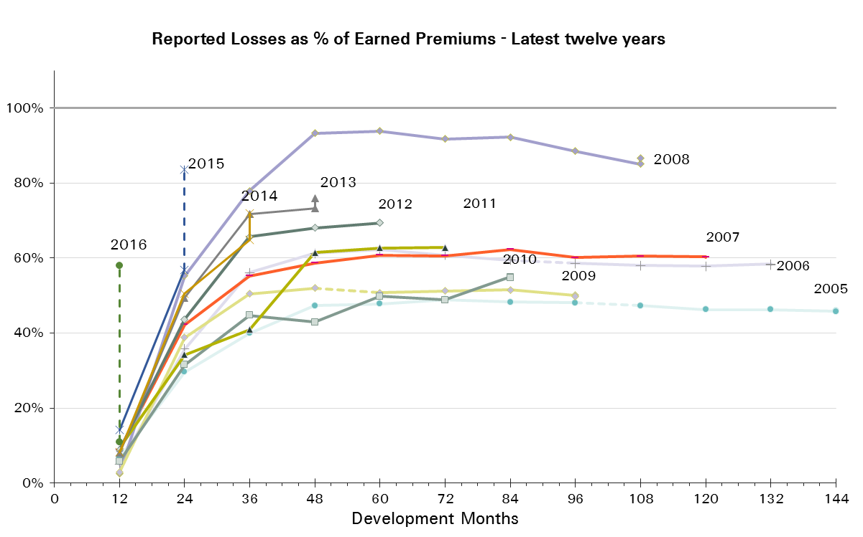
UWY | Earned Premium in USDm | Reported Loss Ratios per Development Month

 |  | 12 | 24 | 36 | 48 | 60 | 72 | 84 | 96 | 108 | 120 | 132 | 144 | 156 | 168 | 180 | 192
2001 | 1,199 | 4% | 29% | 44% | 52% | 53% | 52% | 52% | 53% | 53% | 53% | 47% | 47% | 47% | 47% | 47% | 47%
2002 | 1,174 | 4% | 25% | 34% | 35% | 37% | 36% | 36% | 36% | 36% | 36% | 35% | 35% | 35% | 35% | 35%
2003 | 1,067 | 3% | 19% | 26% | 28% | 28% | 29% | 29% | 28% | 28% | 27% | 27% | 27% | 27% | 27%
2004 | 1,061 | 4% | 24% | 33% | 36% | 37% | 37% | 37% | 37% | 37% | 37% | 36% | 36% | 36%
2005 | 927 | 7% | 30% | 40% | 47% | 48% | 49% | 48% | 48% | 47% | 46% | 46% | 46%
2006 | 693 | 5% | 36% | 56% | 61% | 62% | 61% | 59% | 59% | 58% | 58% | 58%
2007 | 605 | 9% | 42% | 55% | 59% | 61% | 61% | 62% | 60% | 60% | 60%
2008 | 616 | 3% | 55% | 78% | 93% | 94% | 92% | 92% | 88% | 85%
2009 | 489 | 3% | 39% | 50% | 52% | 51% | 51% | 52% | 50%
2010 | 580 | 6% | 32% | 45% | 43% | 50% | 49% | 55%
2011 | 458 | 9% | 34% | 41% | 61% | 63% | 63%
2012 | 450 | 9% | 44% | 66% | 68% | 69%
2013 | 359 | 8% | 49% | 72% | 73%
2014 | 397 | 8% | 50% | 65%
2015 | 444 | 14% | 57%
2016 | 190 | 11%

UWY | Earned Premium in USDm | Paid Loss Ratios per Development Month
 |  | 12 | 24 | 36 | 48 | 60 | 72 | 84 | 96 | 108 | 120 | 132 | 144 | 156 | 168 | 180 | 192
2001 | 1,199 | 1% | 10% | 17% | 27% | 31% | 33% | 35% | 37% | 38% | 43% | 43% | 44% | 44% | 44% | 45% | 45%
2002 | 1,174 | 1% | 14% | 24% | 26% | 30% | 31% | 32% | 33% | 34% | 34% | 34% | 34% | 34% | 34% | 34%
2003 | 1,067 | 1% | 9% | 16% | 20% | 22% | 24% | 24% | 25% | 26% | 26% | 26% | 26% | 26% | 26%
2004 | 1,061 | 2% | 16% | 24% | 27% | 31% | 33% | 34% | 35% | 35% | 35% | 35% | 35% | 35%
2005 | 927 | 2% | 13% | 25% | 35% | 38% | 41% | 41% | 43% | 43% | 43% | 44% | 45%
2006 | 693 | 4% | 18% | 37% | 46% | 49% | 51% | 53% | 55% | 56% | 56% | 57%
2007 | 605 | 2% | 26% | 37% | 43% | 47% | 50% | 52% | 53% | 54% | 55%
2008 | 616 | 1% | 21% | 39% | 53% | 66% | 73% | 77% | 80% | 79%
2009 | 489 | 1% | 21% | 33% | 41% | 45% | 46% | 46% | 47%
2010 | 580 | 2% | 17% | 30% | 36% | 43% | 44% | 52%
2011 | 458 | 3% | 22% | 32% | 40% | 58% | 60%
2012 | 450 | 3% | 29% | 48% | 56% | 60%
2013 | 359 | 4% | 21% | 37% | 56%
2014 | 397 | 4% | 33% | 48%
2015 | 444 | 9% | 36%
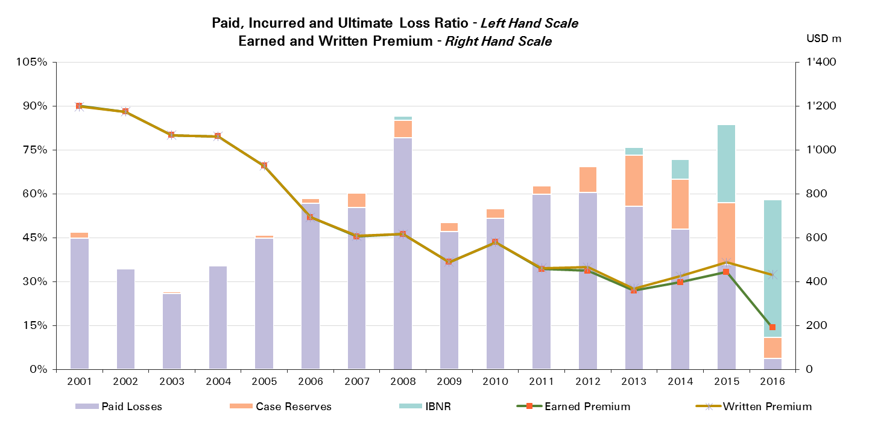
2016 | 190 | 4%

UWY | Ult Loss Ratio | Paid Losses | Case Reserves | IBNR
2001 | 47% | 45% | 2% | 0%
2002 | 35% | 34% | 0% | 0%
2003 | 27% | 26% | 1% | 0%
2004 | 36% | 35% | 0% | 0%
2005 | 46% | 45% | 1% | 0%
2006 | 58% | 57% | 2% | 0%
2007 | 60% | 55% | 5% | 0%
2008 | 87% | 79% | 6% | 2%
2009 | 50% | 47% | 3% | 0%
2010 | 55% | 52% | 3% | 0%
2011 | 63% | 60% | 3% | 0%
2012 | 69% | 60% | 9% | 0%
2013 | 76% | 56% | 18% | 3%
2014 | 72% | 48% | 17% | 7%
2015 | 84% | 36% | 21% | 27%
2016 | 58% | 4% | 7% | 47%

Aviation & Space Reinsurance
Total Paid and Reported Losses as a Percentage of Ultimate Earned Premium

 |  |  |  |  |  |  |  |  |  |  |  |  |  |  |  |  |  | Aviation & Space Reinsurance

UWY | Earned Premium in USDm | Reported Loss Ratios per Development Month

 |  | 12 | 24 | 36 | 48 | 60 | 72 | 84 | 96 | 108 | 120 | 132 | 144 | 156 | 168 | 180 | 192
2001 | 1,023 | 5% | 33% | 50% | 57% | 57% | 57% | 57% | 58% | 58% | 58% | 52% | 52% | 52% | 51% | 51% | 51%
2002 | 977 | 3% | 25% | 34% | 35% | 38% | 37% | 37% | 36% | 37% | 36% | 36% | 36% | 36% | 36% | 35%
2003 | 839 | 3% | 19% | 27% | 28% | 29% | 30% | 30% | 29% | 29% | 29% | 29% | 28% | 28% | 28%
2004 | 806 | 3% | 22% | 32% | 36% | 37% | 38% | 38% | 38% | 38% | 37% | 37% | 37% | 37%
2005 | 698 | 7% | 32% | 45% | 53% | 54% | 55% | 54% | 54% | 53% | 52% | 52% | 52%
2006 | 518 | 3% | 37% | 61% | 68% | 70% | 67% | 66% | 64% | 64% | 64% | 64%
2007 | 393 | 4% | 41% | 57% | 61% | 63% | 63% | 65% | 62% | 61% | 61%
2008 | 391 | 3% | 34% | 60% | 71% | 73% | 71% | 72% | 70% | 67%
2009 | 323 | 2% | 50% | 65% | 67% | 64% | 65% | 65% | 64%
2010 | 346 | 6% | 30% | 40% | 37% | 48% | 47% | 46%
2011 | 281 | 11% | 40% | 48% | 55% | 57% | 58%
2012 | 224 | 10% | 42% | 61% | 62% | 64%
2013 | 176 | 3% | 45% | 82% | 84%
2014 | 198 | 9% | 41% | 62%
2015 | 254 | 6% | 38%
2016 | 117 | 7%

UWY | Earned Premium in USDm | Paid Loss Ratios per Development Month
 |  | 12 | 24 | 36 | 48 | 60 | 72 | 84 | 96 | 108 | 120 | 132 | 144 | 156 | 168 | 180 | 192
2001 | 1,023 | 1% | 11% | 19% | 28% | 32% | 35% | 37% | 40% | 40% | 46% | 46% | 47% | 48% | 48% | 49% | 49%
2002 | 977 | 1% | 14% | 23% | 26% | 30% | 31% | 32% | 34% | 34% | 35% | 35% | 35% | 35% | 35% | 35%
2003 | 839 | 1% | 9% | 17% | 21% | 23% | 25% | 25% | 26% | 27% | 27% | 27% | 27% | 27% | 27%
2004 | 806 | 2% | 15% | 23% | 27% | 31% | 33% | 34% | 35% | 35% | 36% | 36% | 36% | 36%
2005 | 698 | 2% | 14% | 27% | 39% | 42% | 45% | 46% | 48% | 48% | 48% | 50% | 50%
2006 | 518 | 2% | 17% | 39% | 49% | 54% | 56% | 57% | 60% | 61% | 62% | 62%
2007 | 393 | 2% | 21% | 34% | 41% | 46% | 48% | 51% | 52% | 52% | 55%
2008 | 391 | 1% | 15% | 28% | 37% | 44% | 51% | 54% | 59% | 60%
2009 | 323 | 1% | 27% | 42% | 53% | 57% | 59% | 59% | 60%
2010 | 346 | 1% | 16% | 28% | 30% | 40% | 41% | 42%
2011 | 281 | 2% | 27% | 36% | 48% | 51% | 54%
2012 | 224 | 4% | 21% | 35% | 44% | 51%
2013 | 176 | 1% | 12% | 29% | 57%
2014 | 198 | 2% | 24% | 42%
2015 | 254 | 3% | 19%
2016 | 117 | 1%


UWY | Ult Loss Ratio | Paid Losses | Case Reserves | IBNR
2001 | 51% | 49% | 2% | 0%
2002 | 35% | 35% | 0% | 0%
2003 | 28% | 27% | 1% | 0%
2004 | 37% | 36% | 1% | 0%
2005 | 52% | 50% | 1% | 0%
2006 | 64% | 62% | 2% | 0%
2007 | 61% | 55% | 7% | 0%
2008 | 69% | 60% | 7% | 3%
2009 | 63% | 60% | 4% | -1%
2010 | 45% | 42% | 4% | 0%
2011 | 57% | 54% | 4% | 0%
2012 | 63% | 51% | 13% | -1%
2013 | 87% | 57% | 27% | 3%
2014 | 68% | 42% | 19% | 7%
2015 | 68% | 19% | 19% | 30%
2016 | 56% | 1% | 6% | 49%

Aviation & Space CS
Total Paid and Reported Losses as a Percentage of Ultimate Earned Premium

 |  |  |  |  |  |  |  |  |  |  |  |  |  |  |  |  |  | Aviation & Space Corporate Solutions


UWY | Earned Premium in USDm | Reported Loss Ratios per Development Month

 |  | 12 | 24 | 36 | 48 | 60 | 72 | 84 | 96 | 108 | 120 | 132 | 144 | 156 | 168 | 180 | 192
2001 | 177 | 2% | 8% | 10% | 25% | 26% | 27% | 25% | 25% | 25% | 25% | 23% | 23% | 23% | 23% | 23% | 22%
2002 | 197 | 12% | 21% | 33% | 33% | 33% | 33% | 33% | 32% | 32% | 32% | 32% | 32% | 31% | 31% | 31%
2003 | 228 | 2% | 18% | 23% | 27% | 25% | 25% | 24% | 24% | 23% | 22% | 22% | 21% | 21% | 21%
2004 | 255 | 5% | 28% | 34% | 35% | 36% | 36% | 36% | 35% | 34% | 34% | 34% | 34% | 33%
2005 | 229 | 7% | 23% | 26% | 30% | 30% | 31% | 30% | 29% | 29% | 29% | 29% | 28%
2006 | 175 | 10% | 33% | 42% | 42% | 41% | 41% | 41% | 42% | 41% | 41% | 41%
2007 | 212 | 17% | 45% | 52% | 55% | 57% | 56% | 58% | 57% | 60% | 58%
2008 | 226 | 2% | 92% | 109% | 132% | 131% | 128% | 128% | 120% | 116%
2009 | 166 | 4% | 18% | 22% | 23% | 25% | 24% | 24% | 23%
2010 | 234 | 5% | 34% | 51% | 52% | 53% | 51% | 68%
2011 | 177 | 7% | 25% | 29% | 72% | 71% | 71%
2012 | 226 | 8% | 46% | 70% | 74% | 75%
2013 | 183 | 13% | 54% | 62% | 63%
2014 | 199 | 8% | 60% | 68%
2015 | 190 | 26% | 82%
2016 | 73 | 17%

UWY | Earned Premium in USDm | Paid Loss Ratios per Development Month
 |  | 12 | 24 | 36 | 48 | 60 | 72 | 84 | 96 | 108 | 120 | 132 | 144 | 156 | 168 | 180 | 192
2001 | 177 | 0% | 6% | 8% | 21% | 23% | 23% | 22% | 22% | 23% | 23% | 22% | 22% | 22% | 22% | 22% | 22%
2002 | 197 | 1% | 14% | 29% | 30% | 31% | 31% | 31% | 31% | 31% | 31% | 31% | 31% | 31% | 31% | 31%
2003 | 228 | 1% | 8% | 13% | 17% | 20% | 21% | 21% | 21% | 21% | 21% | 21% | 21% | 21% | 21%
2004 | 255 | 4% | 23% | 27% | 29% | 31% | 32% | 33% | 33% | 33% | 33% | 33% | 33% | 33%
2005 | 229 | 3% | 10% | 18% | 24% | 26% | 28% | 27% | 27% | 27% | 28% | 28% | 28%
2006 | 175 | 9% | 22% | 30% | 36% | 37% | 38% | 39% | 40% | 40% | 40% | 40%
2007 | 212 | 4% | 36% | 42% | 47% | 51% | 52% | 54% | 55% | 57% | 57%
2008 | 226 | 1% | 31% | 57% | 79% | 105% | 112% | 115% | 116% | 113%
2009 | 166 | 2% | 10% | 16% | 18% | 21% | 21% | 22% | 22%
2010 | 234 | 3% | 17% | 32% | 46% | 48% | 48% | 66%
2011 | 177 | 4% | 16% | 25% | 27% | 70% | 70%
2012 | 226 | 3% | 36% | 60% | 67% | 70%
2013 | 183 | 7% | 29% | 46% | 54%
2014 | 199 | 5% | 42% | 54%
2015 | 190 | 17% | 59%
2016 | 73 | 7%


UWY | Ult Loss Ratio | Paid Losses | Case Reserves | IBNR
2001 | 22% | 22% | 0% | 0%
2002 | 31% | 31% | 0% | 0%
2003 | 21% | 21% | 0% | 0%
2004 | 33% | 33% | 0% | 0%
2005 | 28% | 28% | 0% | 0%
2006 | 41% | 40% | 1% | 0%
2007 | 58% | 57% | 2% | 0%
2008 | 116% | 113% | 3% | 0%
2009 | 23% | 22% | 1% | 0%
2010 | 68% | 66% | 3% | 0%
2011 | 71% | 70% | 1% | 0%
2012 | 76% | 70% | 5% | 1%
2013 | 65% | 54% | 9% | 2%
2014 | 75% | 54% | 14% | 7%
2015 | 105% | 59% | 24% | 22%
2016 | 60% | 7% | 10% | 44%

Credit & Surety
Total Paid and Reported Losses as a Percentage of Ultimate Earned Premium

 |  |  |  |  |  |  |  |  |  |  |  |  |  |  |  |  |  | Credit & Surety


UWY | Earned Premium in USDm | Reported Loss Ratios per Development Month

 |  | 12 | 24 | 36 | 48 | 60 | 72 | 84 | 96 | 108 | 120 | 132 | 144 | 156 | 168 | 180 | 192
2001 | 666 | 21% | 81% | 102% | 107% | 110% | 110% | 108% | 109% | 109% | 110% | 110% | 114% | 114% | 114% | 114% | 114%
2002 | 625 | 10% | 53% | 68% | 75% | 80% | 82% | 80% | 81% | 82% | 82% | 81% | 81% | 81% | 80% | 80%
2003 | 566 | 5% | 36% | 53% | 52% | 54% | 57% | 62% | 61% | 61% | 61% | 61% | 62% | 61% | 60%
2004 | 524 | 3% | 31% | 39% | 45% | 47% | 63% | 66% | 67% | 67% | 67% | 68% | 69% | 69%
2005 | 602 | 7% | 27% | 38% | 43% | 68% | 71% | 71% | 71% | 72% | 73% | 73% | 74%
2006 | 647 | 7% | 31% | 46% | 70% | 74% | 76% | 77% | 78% | 78% | 79% | 80%
2007 | 699 | 9% | 35% | 76% | 85% | 89% | 96% | 98% | 99% | 104% | 104%
2008 | 641 | 8% | 65% | 97% | 100% | 105% | 106% | 107% | 107% | 106%
2009 | 519 | 8% | 44% | 45% | 46% | 47% | 48% | 48% | 48%
2010 | 362 | 1% | 20% | 33% | 37% | 37% | 37% | 37%
2011 | 476 | 7% | 27% | 34% | 40% | 41% | 45%
2012 | 432 | 5% | 22% | 44% | 50% | 54%
2013 | 488 | 6% | 25% | 45% | 57%
2014 | 502 | 5% | 26% | 43%
2015 | 478 | 4% | 45%
2016 | 301 | 5%

UWY | Earned Premium in USDm | Paid Loss Ratios per Development Month
 |  | 12 | 24 | 36 | 48 | 60 | 72 | 84 | 96 | 108 | 120 | 132 | 144 | 156 | 168 | 180 | 192
2001 | 666 | 5% | 45% | 77% | 89% | 95% | 98% | 99% | 99% | 100% | 101% | 102% | 104% | 106% | 108% | 110% | 111%
2002 | 625 | 8% | 29% | 52% | 59% | 63% | 67% | 71% | 72% | 73% | 74% | 74% | 75% | 76% | 77% | 77%
2003 | 566 | 1% | 21% | 39% | 41% | 44% | 47% | 51% | 52% | 53% | 53% | 54% | 54% | 56% | 56%
2004 | 524 | 1% | 17% | 32% | 37% | 41% | 57% | 61% | 62% | 62% | 63% | 64% | 65% | 66%
2005 | 602 | 1% | 14% | 30% | 37% | 64% | 67% | 68% | 68% | 69% | 70% | 71% | 71%
2006 | 647 | 1% | 17% | 37% | 64% | 69% | 71% | 72% | 74% | 75% | 76% | 76%
2007 | 699 | 1% | 17% | 68% | 79% | 84% | 88% | 91% | 95% | 100% | 100%
2008 | 641 | 1% | 46% | 88% | 93% | 97% | 99% | 100% | 101% | 101%
2009 | 519 | 2% | 25% | 38% | 41% | 44% | 45% | 45% | 46%
2010 | 362 | 0% | 13% | 28% | 33% | 34% | 35% | 36%
2011 | 476 | 1% | 16% | 30% | 34% | 39% | 44%
2012 | 432 | 1% | 13% | 37% | 47% | 54%
2013 | 488 | 1% | 21% | 45% | 57%
2014 | 502 | 2% | 13% | 34%
2015 | 478 | 1% | 26%

2016 | 301 | 1%

UWY | Ult Loss Ratio | Paid Losses | Case Reserves | IBNR
2001 | 114% | 111% | 4% | 0%
2002 | 80% | 77% | 3% | -1%
2003 | 59% | 56% | 4% | -1%
2004 | 68% | 66% | 3% | -1%
2005 | 73% | 71% | 2% | 0%
2006 | 80% | 76% | 3% | 1%
2007 | 107% | 100% | 4% | 3%
2008 | 109% | 101% | 5% | 3%
2009 | 50% | 46% | 2% | 2%
2010 | 40% | 36% | 1% | 3%
2011 | 47% | 44% | 1% | 3%
2012 | 57% | 54% | 0% | 3%
2013 | 62% | 57% | 1% | 5%
2014 | 52% | 34% | 8% | 10%
2015 | 70% | 26% | 19% | 25%
2016 | 53% | 1% | 4% | 48%

Credit & Surety Reinsurance
Total Paid and Reported Losses as a Percentage of Ultimate Earned Premium

 |  |  |  |  |  |  |  |  |  |  |  |  |  |  |  |  |  | Credit & Surety Reinsurance


UWY | Earned Premium in USDm | Reported Loss Ratios per Development Month

 |  | 12 | 24 | 36 | 48 | 60 | 72 | 84 | 96 | 108 | 120 | 132 | 144 | 156 | 168 | 180 | 192
2001 | 550 | 25% | 93% | 115% | 120% | 124% | 124% | 121% | 122% | 123% | 124% | 124% | 129% | 129% | 129% | 129% | 129%
2002 | 502 | 6% | 56% | 72% | 80% | 85% | 86% | 84% | 85% | 86% | 86% | 85% | 85% | 85% | 84% | 84%
2003 | 458 | 6% | 42% | 59% | 59% | 61% | 65% | 71% | 70% | 70% | 69% | 70% | 70% | 69% | 69%
2004 | 409 | 3% | 37% | 44% | 51% | 52% | 73% | 77% | 77% | 78% | 78% | 79% | 80% | 80%
2005 | 479 | 9% | 33% | 45% | 51% | 82% | 85% | 86% | 85% | 87% | 88% | 88% | 88%
2006 | 538 | 9% | 36% | 53% | 80% | 84% | 87% | 87% | 87% | 88% | 89% | 89%
2007 | 565 | 11% | 41% | 91% | 101% | 105% | 112% | 113% | 114% | 119% | 119%
2008 | 478 | 10% | 82% | 115% | 117% | 120% | 123% | 123% | 123% | 121%
2009 | 410 | 10% | 52% | 50% | 50% | 52% | 53% | 53% | 53%
2010 | 212 | 2% | 25% | 41% | 46% | 48% | 49% | 49%
2011 | 279 | 12% | 38% | 50% | 54% | 56% | 58%
2012 | 241 | 8% | 35% | 54% | 63% | 65%
2013 | 246 | 11% | 34% | 69% | 89%
2014 | 255 | 10% | 43% | 66%
2015 | 263 | 7% | 53%
2016 | 194 | 11%

UWY | Earned Premium in USDm | Paid Loss Ratios per Development Month
 |  | 12 | 24 | 36 | 48 | 60 | 72 | 84 | 96 | 108 | 120 | 132 | 144 | 156 | 168 | 180 | 192
2001 | 550 | 6% | 51% | 86% | 99% | 106% | 110% | 110% | 111% | 112% | 113% | 115% | 117% | 119% | 122% | 124% | 125%
2002 | 502 | 4% | 29% | 53% | 61% | 65% | 68% | 73% | 74% | 75% | 76% | 77% | 78% | 78% | 79% | 80%
2003 | 458 | 2% | 24% | 43% | 46% | 49% | 53% | 58% | 59% | 59% | 60% | 61% | 62% | 63% | 64%
2004 | 409 | 1% | 19% | 36% | 42% | 45% | 66% | 70% | 71% | 72% | 73% | 74% | 75% | 76%
2005 | 479 | 1% | 17% | 36% | 43% | 77% | 81% | 81% | 82% | 83% | 84% | 85% | 85%
2006 | 538 | 1% | 20% | 42% | 73% | 78% | 80% | 81% | 82% | 84% | 85% | 85%
2007 | 565 | 1% | 20% | 80% | 93% | 99% | 103% | 106% | 109% | 115% | 115%
2008 | 478 | 2% | 51% | 99% | 106% | 109% | 112% | 114% | 115% | 115%
2009 | 410 | 1% | 28% | 42% | 45% | 48% | 49% | 50% | 51%
2010 | 212 | 0% | 14% | 35% | 41% | 44% | 45% | 48%
2011 | 279 | 2% | 21% | 42% | 49% | 52% | 54%
2012 | 241 | 1% | 21% | 43% | 53% | 58%
2013 | 246 | 2% | 21% | 64% | 81%
2014 | 255 | 2% | 25% | 47%
2015 | 263 | 1% | 22%

2016 | 194 | 2%

UWY | Ult Loss Ratio | Paid Losses | Case Reserves | IBNR
2001 | 129% | 125% | 4% | 0%
2002 | 83% | 80% | 4% | -1%
2003 | 67% | 64% | 5% | -1%
2004 | 79% | 76% | 4% | -1%
2005 | 88% | 85% | 3% | 0%
2006 | 90% | 85% | 4% | 1%
2007 | 122% | 115% | 3% | 3%
2008 | 126% | 115% | 6% | 4%
2009 | 55% | 51% | 2% | 2%
2010 | 54% | 48% | 2% | 4%
2011 | 61% | 54% | 4% | 4%
2012 | 71% | 58% | 8% | 5%
2013 | 96% | 81% | 9% | 7%
2014 | 80% | 47% | 18% | 15%
2015 | 80% | 22% | 30% | 28%
2016 | 67% | 2% | 10% | 55%

Credit & Surety CS
Total Paid and Reported Losses as a Percentage of Ultimate Earned Premium

 |  |  |  |  |  |  |  |  |  |  |  |  |  |  |  |  |  | Credit & Surety Corporate Solutions


UWY | Earned Premium in USDm | Reported Loss Ratios per Development Month

 |  | 12 | 24 | 36 | 48 | 60 | 72 | 84 | 96 | 108 | 120 | 132 | 144 | 156 | 168 | 180 | 192
2001 | 116 | 4% | 25% | 41% | 45% | 46% | 46% | 47% | 46% | 46% | 45% | 44% | 44% | 44% | 44% | 44% | 45%
2002 | 124 | 27% | 40% | 52% | 57% | 60% | 66% | 64% | 65% | 65% | 65% | 65% | 65% | 65% | 65% | 65%
2003 | 108 | 1% | 10% | 25% | 24% | 24% | 24% | 26% | 27% | 25% | 25% | 25% | 25% | 25% | 25%
2004 | 115 | 5% | 13% | 22% | 25% | 27% | 28% | 30% | 29% | 29% | 29% | 29% | 29% | 29%
2005 | 123 | 1% | 5% | 9% | 12% | 14% | 15% | 15% | 15% | 15% | 15% | 15% | 15%
2006 | 109 | 1% | 6% | 14% | 20% | 25% | 24% | 29% | 29% | 31% | 31% | 31%
2007 | 134 | 0% | 7% | 15% | 20% | 21% | 27% | 39% | 39% | 41% | 41%
2008 | 162 | 1% | 17% | 42% | 49% | 58% | 57% | 58% | 60% | 59%
2009 | 109 | 4% | 14% | 25% | 28% | 28% | 29% | 29% | 28%
2010 | 150 | 0% | 14% | 22% | 23% | 21% | 20% | 20%
2011 | 197 | 1% | 10% | 12% | 21% | 21% | 26%
2012 | 191 | 0% | 5% | 31% | 34% | 39%
2013 | 242 | 0% | 15% | 21% | 25%
2014 | 247 | 0% | 9% | 19%
2015 | 215 | 0% | 35%
2016 | 106 | -7%

UWY | Earned Premium in USDm | Paid Loss Ratios per Development Month
 |  | 12 | 24 | 36 | 48 | 60 | 72 | 84 | 96 | 108 | 120 | 132 | 144 | 156 | 168 | 180 | 192
2001 | 116 | 1% | 15% | 33% | 42% | 44% | 43% | 45% | 45% | 44% | 44% | 44% | 44% | 44% | 44% | 44% | 44%
2002 | 124 | 25% | 30% | 46% | 52% | 55% | 63% | 63% | 64% | 65% | 65% | 65% | 65% | 65% | 65% | 65%
2003 | 108 | 0% | 6% | 25% | 19% | 20% | 22% | 23% | 25% | 24% | 24% | 25% | 25% | 24% | 25%
2004 | 115 | 1% | 9% | 16% | 21% | 25% | 26% | 28% | 28% | 28% | 29% | 29% | 29% | 29%
2005 | 123 | 1% | 3% | 7% | 10% | 13% | 14% | 15% | 15% | 15% | 15% | 15% | 15%
2006 | 109 | 1% | 4% | 11% | 23% | 27% | 26% | 31% | 31% | 32% | 33% | 32%
2007 | 134 | 0% | 8% | 14% | 20% | 21% | 25% | 29% | 37% | 37% | 37%
2008 | 162 | 0% | 32% | 58% | 56% | 62% | 60% | 60% | 59% | 59%
2009 | 109 | 5% | 13% | 24% | 27% | 28% | 29% | 29% | 29%
2010 | 150 | 0% | 11% | 19% | 21% | 20% | 20% | 19%
2011 | 197 | 0% | 9% | 13% | 13% | 21% | 30%
2012 | 191 | 0% | 3% | 30% | 39% | 49%
2013 | 242 | 0% | 20% | 26% | 32%
2014 | 247 | 1% | 1% | 21%
2015 | 215 | 0% | 30%
2016 | 106 | 0%


UWY | Ult Loss Ratio | Paid Losses | Case Reserves | IBNR
2001 | 45% | 44% | 0% | 0%
2002 | 65% | 65% | 0% | 0%
2003 | 25% | 25% | 0% | 0%
2004 | 29% | 29% | 0% | 0%
2005 | 16% | 15% | 0% | 0%
2006 | 32% | 32% | -1% | 1%
2007 | 42% | 37% | 4% | 1%
2008 | 60% | 59% | 1% | 1%
2009 | 30% | 29% | 0% | 2%
2010 | 22% | 19% | 1% | 2%
2011 | 27% | 30% | -4% | 1%
2012 | 40% | 49% | -10% | 1%
2013 | 27% | 32% | -7% | 2%
2014 | 24% | 21% | -2% | 5%
2015 | 56% | 30% | 5% | 21%
2016 | 29% | 0% | -7% | 35%

Various other lines & multilin
Total Paid and Reported Losses as a Percentage of Ultimate Earned Premium

 |  |  |  |  |  |  |  |  |  |  |  |  |  |  |  |  |  | Various other lines & multilines


UWY | Earned Premium in USDm | Reported Loss Ratios per Development Month

 |  | 12 | 24 | 36 | 48 | 60 | 72 | 84 | 96 | 108 | 120 | 132 | 144 | 156 | 168 | 180 | 192
2001 | 51 | 4% | 46% | 71% | 80% | 87% | 79% | 74% | 74% | 72% | 72% | 72% | 72% | 71% | 71% | 71% | 71%
2002 | 86 | 18% | 27% | 30% | 38% | 43% | 43% | 42% | 42% | 42% | 42% | 42% | 42% | 42% | 42% | 43%
2003 | 40 | 5% | 12% | 13% | 16% | 19% | 19% | 20% | 20% | 21% | 20% | 20% | 19% | 20% | 20%
2004 | 50 | 4% | 11% | 13% | 24% | 27% | 24% | 24% | 21% | 21% | 21% | 21% | 21% | 21%
2005 | 136 | 22% | 55% | 74% | 66% | 65% | 66% | 65% | 65% | 65% | 65% | 65% | 65%
2006 | 234 | 9% | 47% | 58% | 57% | 58% | 58% | 58% | 58% | 58% | 58% | 58%
2007 | 145 | 1% | 6% | 11% | 11% | 11% | 11% | 10% | 10% | 11% | 11%
2008 | 47 | 2% | 23% | 28% | 29% | 25% | 25% | 25% | 25% | 26%
2009 | 44 | 4% | 15% | 21% | 22% | 25% | 29% | 30% | 29%
2010 | 109 | 12% | 36% | 50% | 51% | 51% | 53% | 53%
2011 | 128 | 2% | 38% | 44% | 50% | 51% | 54%
2012 | 65 | 0% | 3% | 4% | 4% | 4%
2013 | 49 | 1% | 4% | 6% | 5%
2014 | 46 | 5% | 11% | 13%
2015 | 37 | 0% | 17%
2016 | 36 | 4%

UWY | Earned Premium in USDm | Paid Loss Ratios per Development Month
 |  | 12 | 24 | 36 | 48 | 60 | 72 | 84 | 96 | 108 | 120 | 132 | 144 | 156 | 168 | 180 | 192
2001 | 51 | 2% | 19% | 25% | 41% | 63% | 68% | 70% | 70% | 71% | 71% | 71% | 71% | 71% | 71% | 71% | 71%
2002 | 86 | 16% | 22% | 23% | 35% | 41% | 42% | 42% | 42% | 42% | 42% | 42% | 42% | 42% | 42% | 42%
2003 | 40 | 1% | 6% | 8% | 11% | 17% | 18% | 19% | 19% | 19% | 19% | 19% | 19% | 19% | 19%
2004 | 50 | 0% | 3% | 5% | 16% | 17% | 18% | 18% | 20% | 19% | 20% | 20% | 20% | 21%
2005 | 136 | 8% | 36% | 55% | 108% | 63% | 64% | 64% | 64% | 65% | 65% | 65% | 65%
2006 | 234 | 3% | 33% | 51% | 55% | 56% | 57% | 57% | 57% | 57% | 57% | 58%
2007 | 145 | 0% | 3% | 5% | 9% | 9% | 9% | 9% | 10% | 10% | 10%
2008 | 47 | 1% | 11% | 14% | 15% | 16% | 16% | 17% | 18% | 19%
2009 | 44 | 3% | 12% | 17% | 18% | 21% | 23% | 28% | 28%
2010 | 109 | 5% | 22% | 42% | 44% | 45% | 46% | 47%
2011 | 128 | 2% | 25% | 36% | 39% | 40% | 41%
2012 | 65 | 0% | 1% | 2% | 3% | 3%

2013 | 49 | 1% | 1% | 2% | 3%
2014 | 46 | 0% | 7% | 8%
2015 | 37 |  | 3%
2016 | 36 | 0%

UWY | Ult Loss Ratio | Paid Losses | Case Reserves | IBNR
2001 | 71% | 71% | 0% | 0%
2002 | 43% | 42% | 0% | 0%
2003 | 20% | 19% | 0% | 0%
2004 | 21% | 21% | 0% | 0%
2005 | 65% | 65% | 0% | 0%
2006 | 58% | 58% | 0% | 0%
2007 | 10% | 10% | 1% | 0%
2008 | 27% | 19% | 8% | 1%
2009 | 30% | 28% | 1% | 1%
2010 | 54% | 47% | 6% | 0%
2011 | 57% | 41% | 13% | 3%
2012 | 6% | 3% | 1% | 3%
2013 | 11% | 3% | 2% | 6%
2014 | 27% | 8% | 4% | 14%
2015 | 33% | 3% | 14% | 16%
2016 | 50% | 0% | 4% | 46%

