Reconciliation
Reserves scope for underwriting and accident year triangles

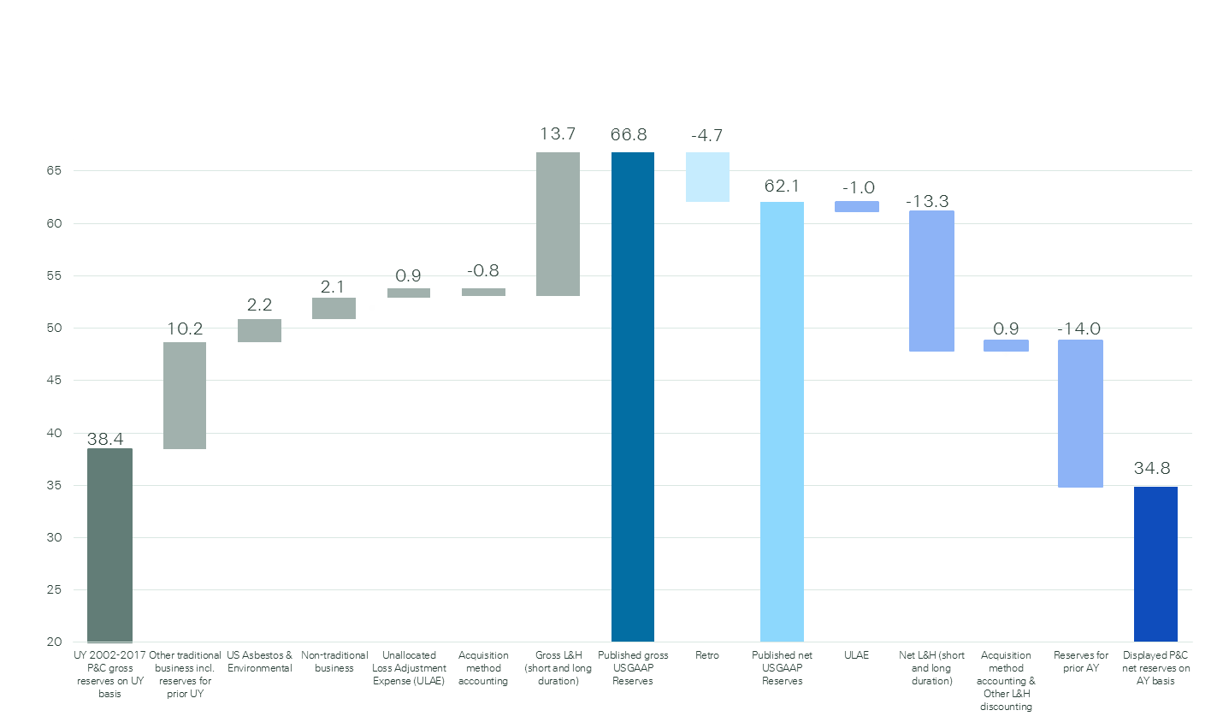
P&C gross reserves displayed in the underwriting year triangles to gross US GAAP reserves as published in Note 5 in the Financial Report
P&C and L&H reserves as published in the Financial Report
Net US GAAP reserves to net P&C reserves displayed in the accident year triangles

SR GROUP
Total Paid and Reported Losses as a Percentage of Ultimate Earned Premium

 |  |  |  |  |  |  |  |  |  |  |  |  |  |  |  |  |  | SR GROUP

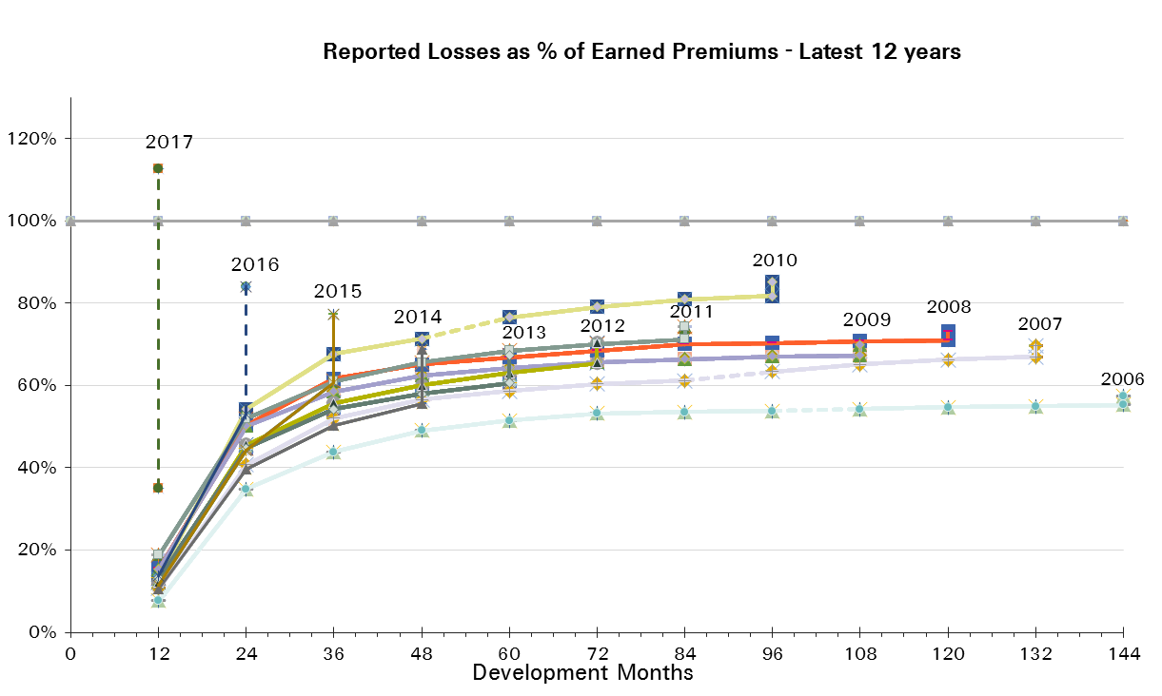
UWY Year | Earned Premium in USDm | Reported Loss Ratios per Development Month

 |  | 12 | 24 | 36 | 48 | 60 | 72 | 84 | 96 | 108 | 120 | 132 | 144 | 156 | 168 | 180 | 192
2002 | 16,087 | 18% | 42% | 53% | 61% | 63% | 64% | 66% | 67% | 67% | 67% | 67% | 68% | 68% | 68% | 68% | 68%
2003 | 15,759 | 16% | 34% | 43% | 48% | 51% | 53% | 54% | 54% | 54% | 54% | 54% | 54% | 54% | 55% | 55%
2004 | 15,247 | 21% | 47% | 58% | 62% | 65% | 66% | 67% | 68% | 68% | 68% | 68% | 68% | 69% | 69%
2005 | 14,654 | 25% | 70% | 81% | 84% | 87% | 88% | 89% | 89% | 89% | 89% | 90% | 90% | 90%
2006 | 13,346 | 8% | 35% | 44% | 49% | 52% | 53% | 54% | 54% | 54% | 55% | 55% | 55%
2007 | 12,582 | 11% | 41% | 52% | 57% | 59% | 60% | 61% | 63% | 65% | 66% | 67%
2008 | 11,221 | 16% | 50% | 62% | 65% | 67% | 68% | 70% | 70% | 71% | 71%
2009 | 10,744 | 15% | 50% | 59% | 62% | 64% | 66% | 66% | 67% | 67%
2010 | 9,869 | 13% | 54% | 68% | 71% | 76% | 79% | 81% | 82%
2011 | 11,984 | 19% | 52% | 61% | 66% | 68% | 70% | 71%
2012 | 15,051 | 12% | 46% | 56% | 60% | 63% | 65%
2013 | 14,054 | 13% | 45% | 54% | 58% | 61%
2014 | 14,177 | 11% | 40% | 50% | 56%
2015 | 14,416 | 11% | 44% | 61%
2016 | 16,264 | 14% | 53%
2017 | 9,091 | 35%

UWY Year | Earned Premium in USDm | Paid Loss Ratios per Development Month
 |  | 12 | 24 | 36 | 48 | 60 | 72 | 84 | 96 | 108 | 120 | 132 | 144 | 156 | 168 | 180 | 192
2002 | 16,087 | 5% | 24% | 36% | 43% | 47% | 52% | 55% | 57% | 59% | 60% | 61% | 62% | 63% | 64% | 64% | 64%
2003 | 15,759 | 3% | 18% | 28% | 34% | 39% | 42% | 44% | 46% | 47% | 48% | 49% | 50% | 51% | 51% | 51%
2004 | 15,247 | 4% | 26% | 40% | 47% | 52% | 57% | 59% | 61% | 63% | 64% | 64% | 65% | 65% | 66%
2005 | 14,654 | 5% | 35% | 56% | 67% | 75% | 79% | 81% | 83% | 84% | 85% | 86% | 87% | 87%
2006 | 13,346 | 2% | 18% | 29% | 37% | 41% | 45% | 47% | 48% | 49% | 50% | 51% | 51%
2007 | 12,582 | 4% | 23% | 37% | 43% | 48% | 52% | 55% | 57% | 59% | 60% | 62%
2008 | 11,221 | 4% | 30% | 44% | 51% | 56% | 60% | 63% | 64% | 66% | 67%
2009 | 10,744 | 6% | 30% | 44% | 51% | 55% | 58% | 61% | 62% | 63%
2010 | 9,869 | 4% | 27% | 45% | 55% | 64% | 70% | 74% | 76%
2011 | 11,984 | 6% | 29% | 46% | 54% | 61% | 64% | 66%
2012 | 15,051 | 6% | 31% | 45% | 52% | 56% | 59%
2013 | 14,054 | 5% | 28% | 42% | 49% | 53%
2014 | 14,177 | 4% | 25% | 38% | 46%
2015 | 14,416 | 4% | 26% | 45%
2016 | 16,264 | 4% | 28%
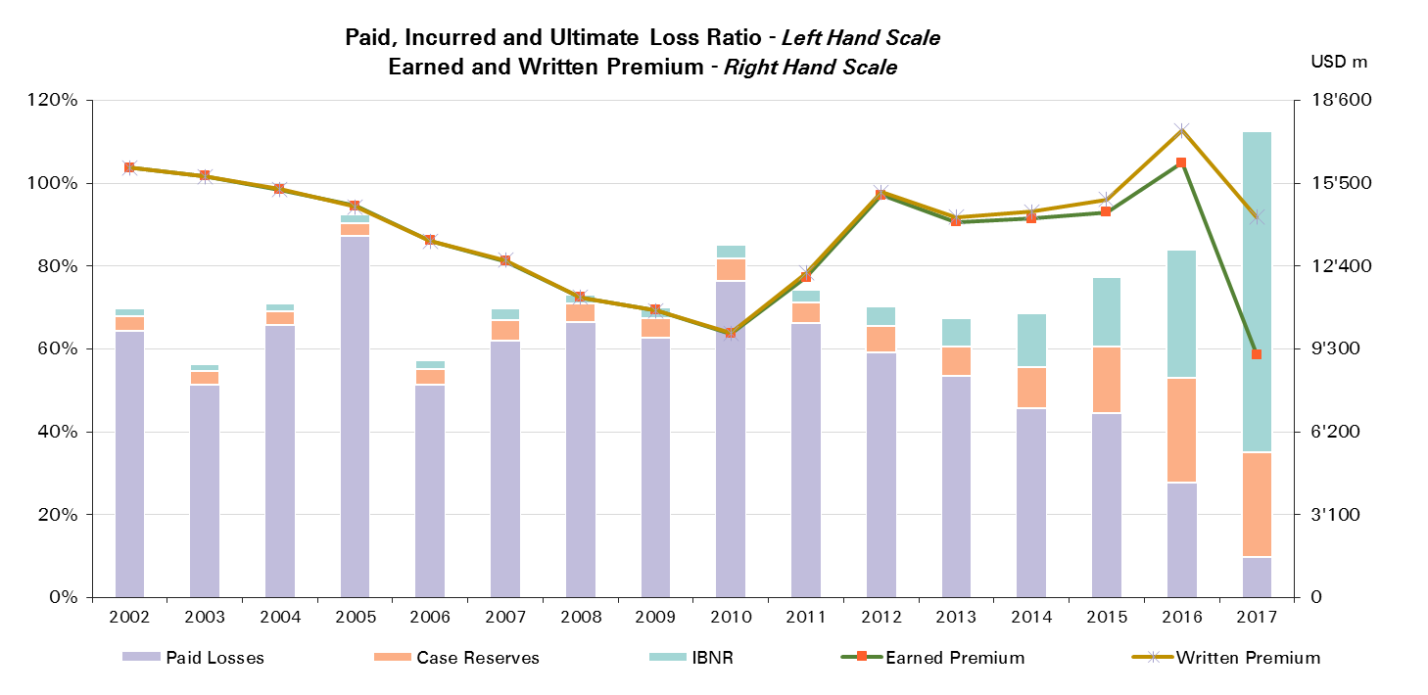
2017 | 9,091 | 10%

UWY Year | Ult Loss Ratio | Paid Losses | Case Reserves | IBNR
2002 | 70% | 64% | 4% | 2%
2003 | 56% | 51% | 3% | 1%
2004 | 71% | 66% | 3% | 2%
2005 | 92% | 87% | 3% | 2%
2006 | 57% | 51% | 4% | 2%
2007 | 70% | 62% | 5% | 3%
2008 | 73% | 67% | 4% | 2%
2009 | 70% | 63% | 5% | 3%
2010 | 85% | 76% | 5% | 3%
2011 | 74% | 66% | 5% | 3%
2012 | 70% | 59% | 6% | 5%
2013 | 67% | 53% | 7% | 7%
2014 | 69% | 46% | 10% | 13%
2015 | 77% | 45% | 16% | 17%
2016 | 84% | 28% | 25% | 31%
2017 | 113% | 10% | 25% | 78%

SR Reinsurance
Total Paid and Reported Losses as a Percentage of Ultimate Earned Premium

 |  |  |  |  |  |  |  |  |  |  |  |  |  |  |  |  |  | SR Reinsurance

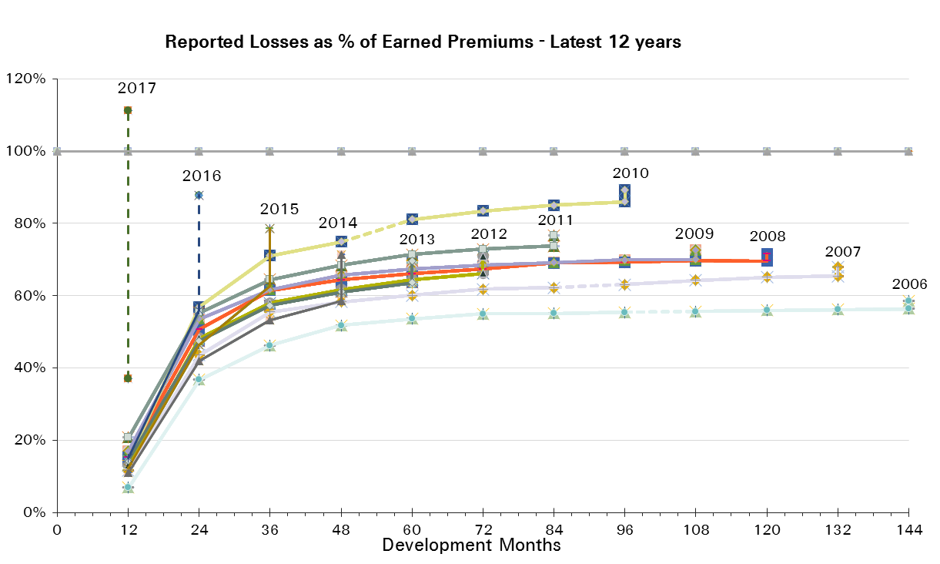
UWY Year | Earned Premium in USDm | Reported Loss Ratios per Development Month

 |  | 12 | 24 | 36 | 48 | 60 | 72 | 84 | 96 | 108 | 120 | 132 | 144 | 156 | 168 | 180 | 192
2002 | 12,098 | 19% | 45% | 55% | 64% | 64% | 65% | 66% | 67% | 67% | 67% | 67% | 67% | 67% | 67% | 67% | 67%
2003 | 11,771 | 18% | 36% | 45% | 48% | 51% | 52% | 53% | 52% | 53% | 53% | 53% | 53% | 53% | 53% | 53%
2004 | 11,649 | 22% | 49% | 59% | 63% | 65% | 67% | 68% | 68% | 68% | 68% | 68% | 68% | 68% | 69%
2005 | 11,631 | 23% | 73% | 84% | 87% | 90% | 91% | 91% | 92% | 92% | 92% | 92% | 93% | 93%
2006 | 10,448 | 7% | 37% | 46% | 52% | 54% | 55% | 55% | 55% | 56% | 56% | 56% | 56%
2007 | 10,087 | 12% | 44% | 56% | 58% | 60% | 62% | 62% | 63% | 64% | 65% | 65%
2008 | 9,328 | 15% | 51% | 61% | 64% | 66% | 67% | 69% | 69% | 70% | 70%
2009 | 9,071 | 17% | 54% | 62% | 66% | 67% | 68% | 69% | 70% | 70%
2010 | 8,166 | 14% | 57% | 71% | 75% | 81% | 83% | 85% | 86%
2011 | 10,116 | 21% | 55% | 65% | 68% | 71% | 73% | 74%
2012 | 12,743 | 13% | 48% | 58% | 62% | 64% | 66%
2013 | 11,378 | 14% | 47% | 57% | 61% | 64%
2014 | 11,266 | 11% | 42% | 53% | 58%
2015 | 11,505 | 12% | 46% | 63%
2016 | 13,126 | 15% | 56%
2017 | 7,338 | 37%

UWY Year | Earned Premium in USDm | Paid Loss Ratios per Development Month
 |  | 12 | 24 | 36 | 48 | 60 | 72 | 84 | 96 | 108 | 120 | 132 | 144 | 156 | 168 | 180 | 192
2002 | 12,098 | 5% | 25% | 37% | 43% | 48% | 51% | 54% | 56% | 58% | 60% | 60% | 61% | 62% | 62% | 63% | 63%
2003 | 11,771 | 4% | 19% | 29% | 35% | 38% | 41% | 43% | 45% | 46% | 47% | 47% | 48% | 49% | 49% | 49%
2004 | 11,649 | 4% | 27% | 40% | 47% | 52% | 57% | 59% | 61% | 63% | 63% | 64% | 65% | 65% | 66%
2005 | 11,631 | 4% | 37% | 58% | 69% | 77% | 81% | 83% | 85% | 86% | 87% | 88% | 89% | 89%
2006 | 10,448 | 1% | 18% | 31% | 38% | 42% | 46% | 48% | 49% | 50% | 51% | 52% | 52%
2007 | 10,087 | 4% | 24% | 39% | 45% | 49% | 53% | 55% | 57% | 58% | 60% | 61%
2008 | 9,328 | 4% | 30% | 44% | 51% | 55% | 58% | 61% | 63% | 64% | 65%
2009 | 9,071 | 7% | 32% | 47% | 54% | 57% | 61% | 63% | 65% | 65%
2010 | 8,166 | 5% | 29% | 47% | 57% | 66% | 72% | 77% | 80%
2011 | 10,116 | 6% | 31% | 48% | 57% | 63% | 66% | 68%
2012 | 12,743 | 6% | 33% | 47% | 54% | 57% | 60%
2013 | 11,378 | 5% | 29% | 45% | 52% | 55%
2014 | 11,266 | 4% | 27% | 40% | 48%
2015 | 11,505 | 4% | 27% | 46%
2016 | 13,126 | 4% | 29%
2017 | 7,338 | 10%
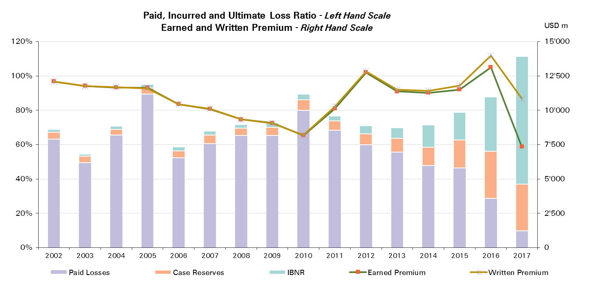

UWY Year | Ult Loss Ratio | Paid Losses | Case Reserves | IBNR
2002 | 69% | 63% | 4% | 2%
2003 | 54% | 49% | 4% | 1%
2004 | 71% | 66% | 3% | 2%
2005 | 95% | 89% | 4% | 2%
2006 | 59% | 52% | 4% | 2%
2007 | 68% | 61% | 5% | 2%
2008 | 72% | 65% | 4% | 2%
2009 | 73% | 65% | 5% | 3%
2010 | 89% | 80% | 6% | 3%
2011 | 77% | 68% | 5% | 3%
2012 | 71% | 60% | 6% | 5%
2013 | 70% | 55% | 8% | 6%
2014 | 71% | 48% | 11% | 13%
2015 | 79% | 46% | 16% | 16%
2016 | 88% | 29% | 27% | 32%
2017 | 111% | 10% | 27% | 74%

SR Corporate Solutions
Total Paid and Reported Losses as a Percentage of Ultimate Earned Premium

 |  |  |  |  |  |  |  |  |  |  |  |  |  |  |  |  |  | SR Corporate Solutions

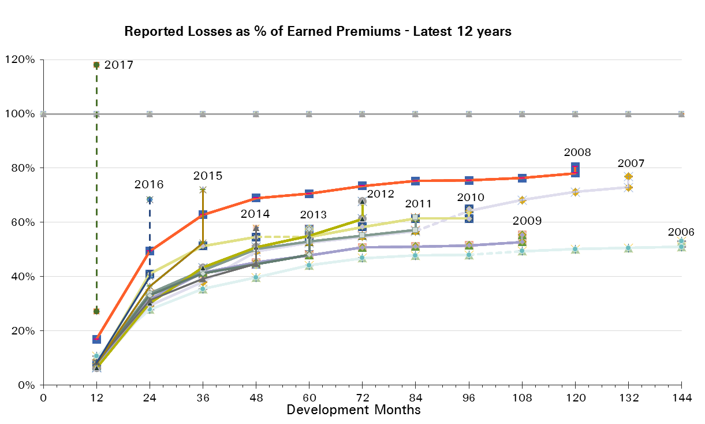
UWY Year | Earned Premium in USDm | Reported Loss Ratios per Development Month

 |  | 12 | 24 | 36 | 48 | 60 | 72 | 84 | 96 | 108 | 120 | 132 | 144 | 156 | 168 | 180 | 192
2002 | 3,988 | 13% | 32% | 46% | 53% | 59% | 62% | 66% | 67% | 67% | 69% | 69% | 70% | 70% | 70% | 70% | 70%
2003 | 3,989 | 10% | 26% | 38% | 48% | 51% | 55% | 56% | 57% | 58% | 58% | 59% | 59% | 59% | 59% | 59%
2004 | 3,598 | 19% | 42% | 53% | 58% | 62% | 63% | 66% | 67% | 68% | 69% | 69% | 69% | 69% | 69%
2005 | 3,023 | 35% | 60% | 68% | 73% | 76% | 77% | 78% | 78% | 79% | 79% | 80% | 80% | 80%
2006 | 2,898 | 11% | 28% | 35% | 40% | 44% | 47% | 48% | 48% | 49% | 50% | 51% | 51%
2007 | 2,495 | 7% | 29% | 38% | 49% | 52% | 55% | 57% | 64% | 68% | 71% | 73%
2008 | 1,894 | 17% | 49% | 63% | 69% | 71% | 73% | 75% | 75% | 76% | 78%
2009 | 1,673 | 7% | 32% | 41% | 45% | 48% | 51% | 51% | 51% | 53%
2010 | 1,703 | 7% | 41% | 51% | 55% | 55% | 58% | 61% | 61%
2011 | 1,868 | 8% | 34% | 42% | 50% | 53% | 55% | 57%
2012 | 2,307 | 6% | 30% | 43% | 51% | 55% | 61%
2013 | 2,676 | 8% | 33% | 41% | 45% | 48%
2014 | 2,911 | 8% | 31% | 39% | 45%
2015 | 2,911 | 8% | 37% | 52%
2016 | 3,138 | 8% | 40%
2017 | 1,753 | 27%

UWY Year | Earned Premium in USDm | Paid Loss Ratios per Development Month
 |  | 12 | 24 | 36 | 48 | 60 | 72 | 84 | 96 | 108 | 120 | 132 | 144 | 156 | 168 | 180 | 192
2002 | 3,988 | 6% | 21% | 33% | 41% | 47% | 53% | 56% | 59% | 61% | 62% | 64% | 65% | 66% | 67% | 68% | 68%
2003 | 3,989 | 3% | 14% | 25% | 33% | 39% | 43% | 46% | 49% | 51% | 52% | 53% | 56% | 56% | 57% | 57%
2004 | 3,598 | 7% | 25% | 37% | 45% | 52% | 56% | 59% | 61% | 63% | 64% | 65% | 66% | 66% | 67%
2005 | 3,023 | 8% | 31% | 49% | 59% | 67% | 71% | 73% | 74% | 75% | 76% | 77% | 78% | 79%
2006 | 2,898 | 4% | 15% | 24% | 30% | 34% | 40% | 42% | 44% | 45% | 46% | 46% | 47%
2007 | 2,495 | 3% | 17% | 28% | 35% | 44% | 48% | 52% | 56% | 60% | 63% | 67%
2008 | 1,894 | 4% | 28% | 45% | 54% | 61% | 68% | 70% | 71% | 72% | 73%
2009 | 1,673 | 3% | 17% | 31% | 37% | 41% | 46% | 48% | 48% | 49%
2010 | 1,703 | 2% | 19% | 35% | 43% | 51% | 55% | 59% | 60%
2011 | 1,868 | 4% | 20% | 33% | 40% | 49% | 52% | 55%
2012 | 2,307 | 3% | 19% | 31% | 41% | 50% | 55%
2013 | 2,676 | 4% | 20% | 32% | 39% | 44%
2014 | 2,911 | 3% | 17% | 29% | 38%
2015 | 2,911 | 3% | 20% | 37%
2016 | 3,138 | 5% | 24%
2017 | 1,753 | 10%
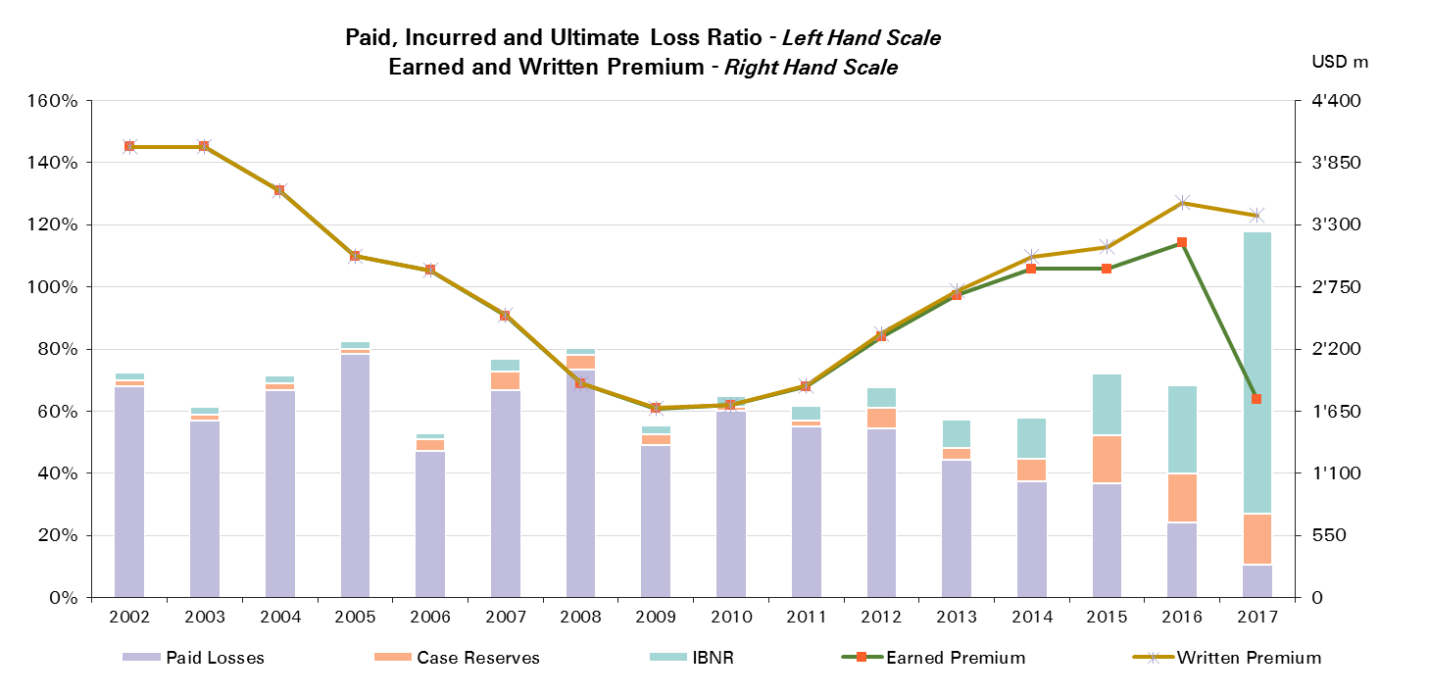

UWY Year | Ult Loss Ratio | Paid Losses | Case Reserves | IBNR
2002 | 72% | 68% | 2% | 2%
2003 | 61% | 57% | 2% | 2%
2004 | 71% | 67% | 2% | 2%
2005 | 82% | 79% | 1% | 2%
2006 | 53% | 47% | 4% | 2%
2007 | 77% | 67% | 6% | 4%
2008 | 80% | 73% | 5% | 2%
2009 | 55% | 49% | 4% | 3%
2010 | 65% | 60% | 1% | 4%
2011 | 62% | 55% | 2% | 5%
2012 | 68% | 55% | 7% | 6%
2013 | 57% | 44% | 4% | 9%
2014 | 58% | 38% | 7% | 13%
2015 | 72% | 37% | 16% | 20%
2016 | 68% | 24% | 16% | 28%
2017 | 118% | 10% | 17% | 91%

Property
Total Paid and Reported Losses as a Percentage of Ultimate Earned Premium

 |  |  |  |  |  |  |  |  |  |  |  |  |  |  |  |  |  | Property

UWY Year | Earned Premium in USDm | Reported Loss Ratios per Development Month
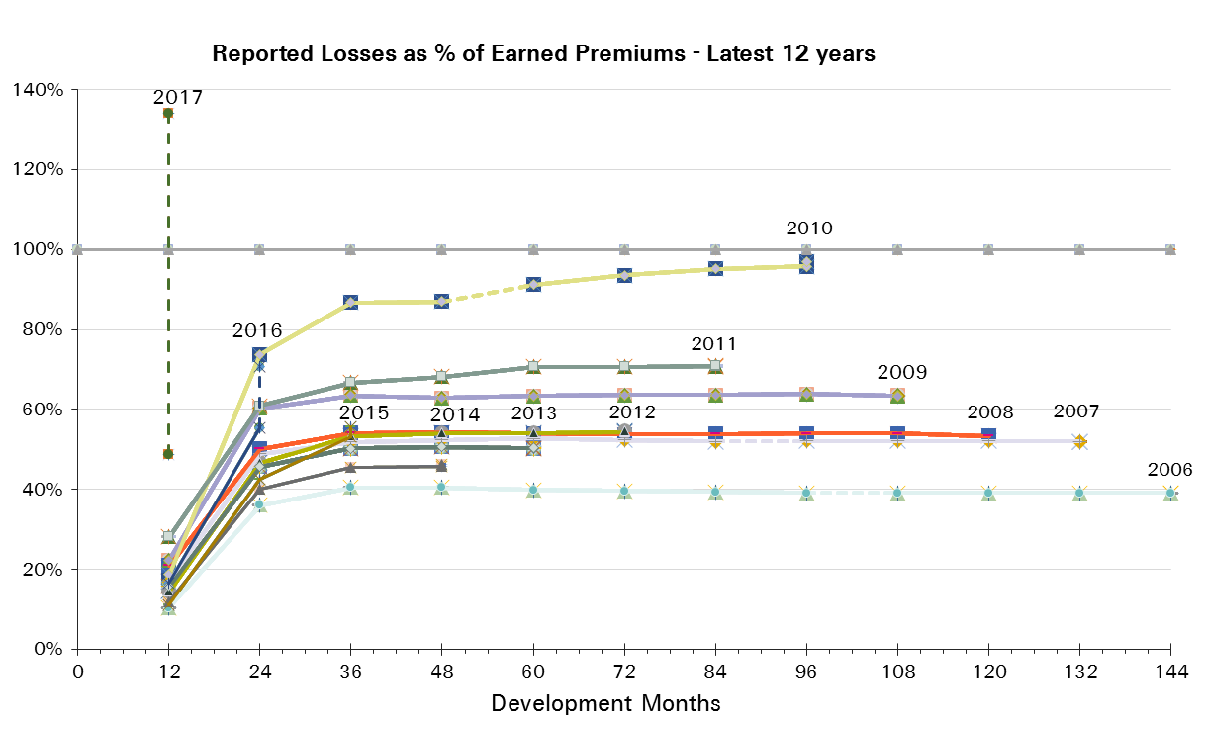
 |  | 12 | 24 | 36 | 48 | 60 | 72 | 84 | 96 | 108 | 120 | 132 | 144 | 156 | 168 | 180 | 192
2002 | 4,752 | 27% | 53% | 56% | 56% | 56% | 56% | 55% | 55% | 55% | 55% | 55% | 55% | 55% | 55% | 55% | 55%
2003 | 4,729 | 22% | 40% | 47% | 47% | 47% | 47% | 47% | 46% | 46% | 46% | 46% | 46% | 46% | 46% | 46%
2004 | 4,794 | 36% | 72% | 82% | 81% | 82% | 82% | 81% | 81% | 81% | 81% | 81% | 81% | 81% | 81%
2005 | 4,874 | 53% | 120% | 128% | 128% | 128% | 127% | 126% | 126% | 126% | 126% | 126% | 126% | 126%
2006 | 4,640 | 10% | 36% | 41% | 40% | 40% | 40% | 39% | 39% | 39% | 39% | 39% | 39%
2007 | 4,525 | 17% | 49% | 52% | 52% | 53% | 52% | 52% | 52% | 52% | 52% | 52%
2008 | 4,518 | 21% | 50% | 54% | 54% | 54% | 54% | 54% | 54% | 54% | 53%
2009 | 4,701 | 22% | 60% | 64% | 63% | 63% | 64% | 64% | 64% | 64%
2010 | 4,553 | 19% | 74% | 87% | 87% | 91% | 94% | 95% | 96%
2011 | 5,587 | 28% | 61% | 67% | 68% | 71% | 71% | 71%
2012 | 7,175 | 14% | 47% | 53% | 54% | 54% | 54%
2013 | 6,553 | 16% | 46% | 50% | 51% | 50%
2014 | 6,156 | 12% | 40% | 46% | 46%
2015 | 6,415 | 11% | 42% | 53%
2016 | 6,576 | 16% | 55%
2017 | 4,297 | 49%

UWY Year | Earned Premium in USDm | Paid Loss Ratios per Development Month
 |  | 12 | 24 | 36 | 48 | 60 | 72 | 84 | 96 | 108 | 120 | 132 | 144 | 156 | 168 | 180 | 192
2002 | 4,752 | 9% | 35% | 47% | 51% | 53% | 54% | 54% | 54% | 55% | 55% | 55% | 55% | 55% | 55% | 55% | 55%
2003 | 4,729 | 3% | 23% | 34% | 42% | 44% | 45% | 45% | 46% | 46% | 46% | 46% | 46% | 46% | 46% | 46%
2004 | 4,794 | 7% | 44% | 65% | 73% | 77% | 79% | 80% | 80% | 80% | 81% | 81% | 81% | 81% | 81%
2005 | 4,874 | 8% | 67% | 101% | 113% | 121% | 123% | 123% | 124% | 125% | 125% | 125% | 125% | 125%
2006 | 4,640 | 3% | 21% | 33% | 37% | 38% | 38% | 39% | 39% | 39% | 39% | 39% | 39%
2007 | 4,525 | 5% | 31% | 42% | 46% | 48% | 50% | 51% | 51% | 51% | 51% | 51%
2008 | 4,518 | 4% | 34% | 45% | 49% | 52% | 52% | 53% | 53% | 53% | 53%
2009 | 4,701 | 8% | 37% | 54% | 59% | 61% | 62% | 62% | 63% | 63%
2010 | 4,553 | 5% | 36% | 57% | 69% | 79% | 85% | 91% | 94%
2011 | 5,587 | 7% | 32% | 50% | 60% | 66% | 68% | 70%
2012 | 7,175 | 5% | 31% | 45% | 50% | 51% | 52%
2013 | 6,553 | 4% | 27% | 41% | 46% | 48%
2014 | 6,156 | 4% | 26% | 37% | 42%
2015 | 6,415 | 3% | 25% | 43%
2016 | 6,576 | 5% | 32%
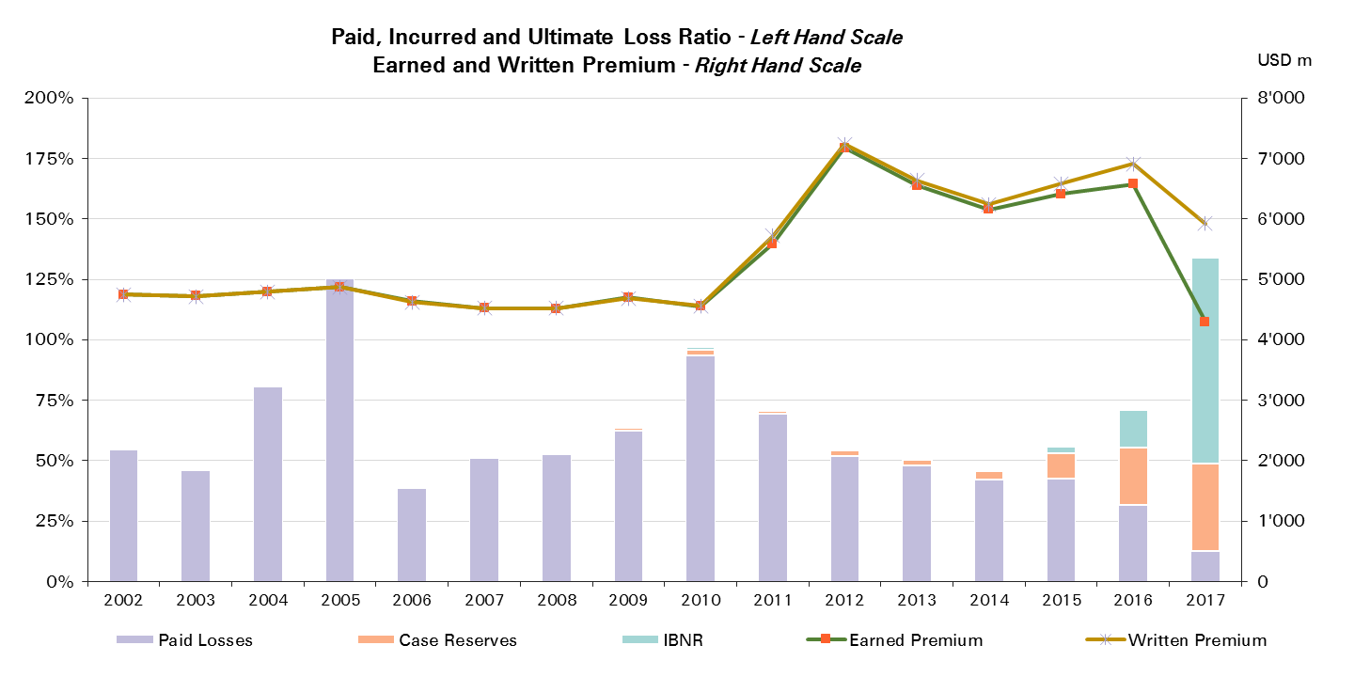
2017 | 4,297 | 13%

UWY Year | Ult Loss Ratio | Paid Losses | Case Reserves | IBNR
2002 | 55% | 55% | 0% | 0%
2003 | 46% | 46% | 0% | 0%
2004 | 81% | 81% | 0% | 0%
2005 | 126% | 125% | 0% | 0%
2006 | 39% | 39% | 0% | 0%
2007 | 52% | 51% | 1% | 0%
2008 | 53% | 53% | 1% | 0%
2009 | 63% | 63% | 1% | 0%
2010 | 97% | 94% | 2% | 1%
2011 | 71% | 70% | 1% | 0%
2012 | 55% | 52% | 2% | 0%
2013 | 51% | 48% | 2% | 0%
2014 | 46% | 42% | 4% | 0%
2015 | 56% | 43% | 11% | 3%
2016 | 71% | 32% | 24% | 15%
2017 | 134% | 13% | 36% | 85%

Property Reinsurance
Total Paid and Reported Losses as a Percentage of Ultimate Earned Premium

 |  |  |  |  |  |  |  |  |  |  |  |  |  |  |  |  |  | Property Reinsurance

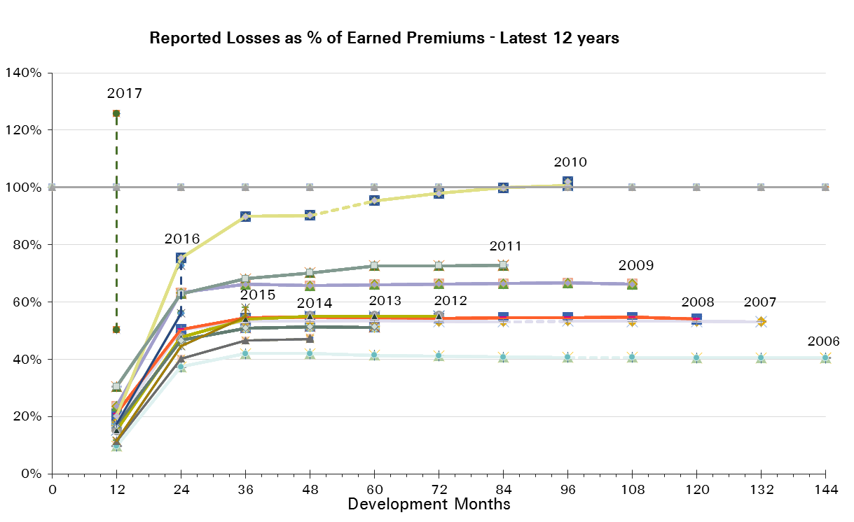
UWY Year | Earned Premium in USDm | Reported Loss Ratios per Development Month

 |  | 12 | 24 | 36 | 48 | 60 | 72 | 84 | 96 | 108 | 120 | 132 | 144 | 156 | 168 | 180 | 192
2002 | 3,880 | 27% | 57% | 59% | 58% | 58% | 58% | 58% | 57% | 58% | 57% | 57% | 57% | 57% | 57% | 57% | 57%
2003 | 3,889 | 23% | 39% | 47% | 48% | 47% | 47% | 47% | 47% | 46% | 46% | 46% | 46% | 46% | 46% | 46%
2004 | 3,983 | 32% | 66% | 75% | 74% | 75% | 75% | 75% | 74% | 74% | 74% | 74% | 74% | 74% | 74%
2005 | 4,070 | 45% | 116% | 125% | 124% | 124% | 123% | 123% | 122% | 122% | 122% | 122% | 122% | 122%
2006 | 3,772 | 10% | 37% | 42% | 42% | 41% | 41% | 41% | 41% | 41% | 41% | 41% | 41%
2007 | 3,920 | 18% | 50% | 53% | 53% | 54% | 53% | 53% | 53% | 53% | 53% | 53%
2008 | 4,038 | 21% | 50% | 55% | 55% | 55% | 54% | 55% | 55% | 55% | 54%
2009 | 4,216 | 24% | 63% | 66% | 66% | 66% | 66% | 66% | 67% | 66%
2010 | 4,028 | 20% | 75% | 90% | 90% | 95% | 98% | 100% | 101%
2011 | 4,954 | 30% | 63% | 68% | 70% | 73% | 73% | 73%
2012 | 6,367 | 15% | 48% | 54% | 55% | 55% | 55%
2013 | 5,561 | 17% | 47% | 51% | 51% | 51%
2014 | 5,055 | 11% | 40% | 47% | 47%
2015 | 5,274 | 12% | 45% | 55%
2016 | 5,419 | 18% | 56%
2017 | 3,608 | 50%

UWY Year | Earned Premium in USDm | Paid Loss Ratios per Development Month
 |  | 12 | 24 | 36 | 48 | 60 | 72 | 84 | 96 | 108 | 120 | 132 | 144 | 156 | 168 | 180 | 192
2002 | 3,880 | 8% | 36% | 49% | 53% | 55% | 56% | 56% | 57% | 57% | 57% | 57% | 57% | 57% | 57% | 57% | 57%
2003 | 3,889 | 3% | 23% | 34% | 42% | 44% | 45% | 45% | 46% | 46% | 46% | 46% | 46% | 46% | 46% | 46%
2004 | 3,983 | 4% | 41% | 60% | 67% | 70% | 72% | 73% | 73% | 73% | 74% | 74% | 74% | 74% | 74%
2005 | 4,070 | 6% | 65% | 97% | 109% | 117% | 119% | 120% | 120% | 121% | 121% | 122% | 122% | 122%
2006 | 3,772 | 2% | 22% | 34% | 38% | 39% | 40% | 40% | 40% | 40% | 40% | 40% | 40%
2007 | 3,920 | 5% | 32% | 43% | 47% | 49% | 51% | 52% | 52% | 52% | 52% | 52%
2008 | 4,038 | 4% | 34% | 45% | 50% | 52% | 53% | 53% | 53% | 54% | 53%
2009 | 4,216 | 9% | 39% | 56% | 61% | 63% | 64% | 65% | 65% | 65%
2010 | 4,028 | 6% | 37% | 59% | 72% | 82% | 88% | 95% | 98%
2011 | 4,954 | 7% | 34% | 50% | 61% | 68% | 70% | 71%
2012 | 6,367 | 6% | 33% | 46% | 51% | 53% | 53%
2013 | 5,561 | 5% | 28% | 42% | 47% | 49%
2014 | 5,055 | 4% | 26% | 38% | 43%
2015 | 5,274 | 3% | 26% | 44%
2016 | 5,419 | 5% | 33%
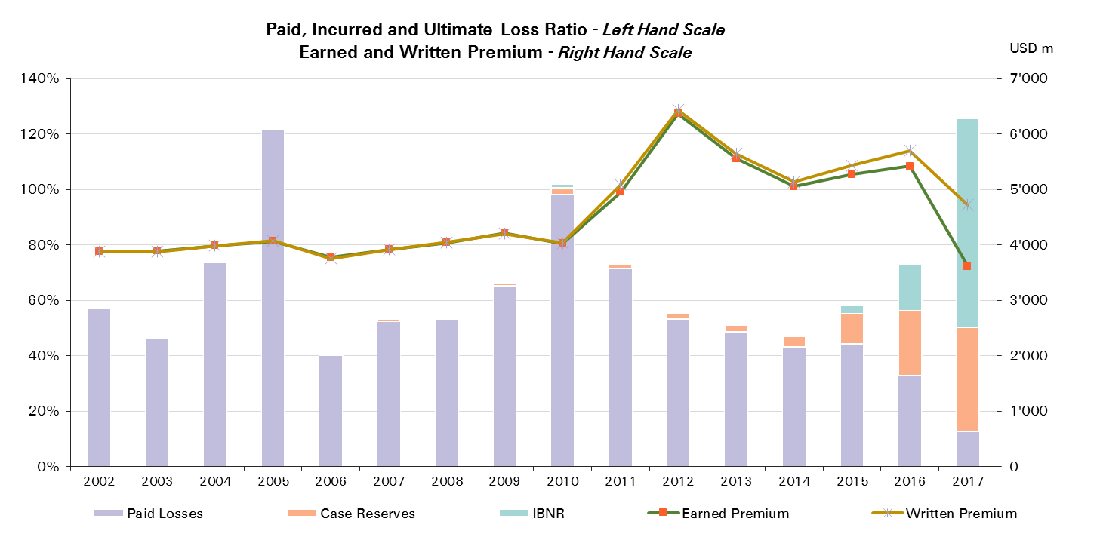
2017 | 3,608 | 13%

UWY Year | Ult Loss Ratio | Paid Losses | Case Reserves | IBNR
2002 | 57% | 57% | 0% | 0%
2003 | 46% | 46% | 0% | 0%
2004 | 74% | 74% | 0% | 0%
2005 | 122% | 122% | 0% | 0%
2006 | 41% | 40% | 0% | 0%
2007 | 53% | 52% | 1% | 0%
2008 | 54% | 53% | 1% | 0%
2009 | 66% | 65% | 1% | 0%
2010 | 102% | 98% | 2% | 1%
2011 | 73% | 71% | 1% | 0%
2012 | 55% | 53% | 2% | 0%
2013 | 51% | 49% | 2% | 0%
2014 | 48% | 43% | 4% | 0%
2015 | 58% | 44% | 11% | 3%
2016 | 73% | 33% | 23% | 17%
2017 | 126% | 13% | 38% | 76%

Property CS
Total Paid and Reported Losses as a Percentage of Ultimate Earned Premium

 |  |  |  |  |  |  |  |  |  |  |  |  |  |  |  |  |  | Property Corporate Solutions

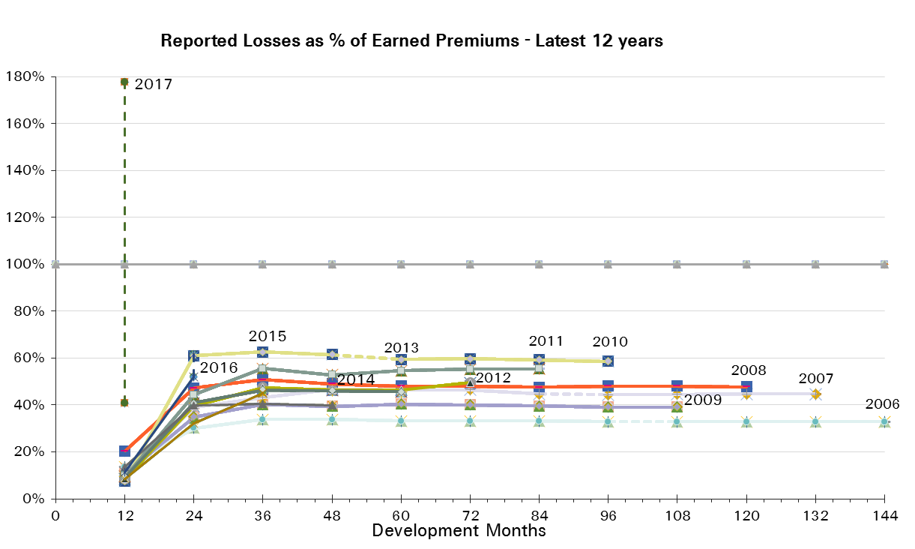
UWY Year | Earned Premium in USDm | Reported Loss Ratios per Development Month

 |  | 12 | 24 | 36 | 48 | 60 | 72 | 84 | 96 | 108 | 120 | 132 | 144 | 156 | 168 | 180 | 192
2002 | 872 | 24% | 38% | 43% | 46% | 46% | 45% | 45% | 45% | 45% | 45% | 45% | 45% | 45% | 45% | 45% | 45%
2003 | 840 | 20% | 42% | 46% | 46% | 45% | 46% | 46% | 46% | 46% | 46% | 46% | 46% | 46% | 46% | 46%
2004 | 812 | 53% | 102% | 116% | 117% | 115% | 116% | 115% | 115% | 115% | 115% | 115% | 115% | 114% | 115%
2005 | 805 | 94% | 141% | 145% | 146% | 145% | 144% | 143% | 143% | 143% | 143% | 143% | 143% | 143%
2006 | 868 | 14% | 30% | 34% | 34% | 33% | 33% | 33% | 33% | 33% | 33% | 33% | 33%
2007 | 605 | 10% | 39% | 43% | 47% | 47% | 46% | 45% | 44% | 45% | 45% | 45%
2008 | 480 | 20% | 47% | 51% | 49% | 48% | 48% | 48% | 48% | 48% | 48%
2009 | 485 | 11% | 35% | 40% | 39% | 40% | 40% | 40% | 39% | 39%
2010 | 525 | 8% | 61% | 63% | 62% | 59% | 60% | 59% | 59%
2011 | 633 | 10% | 44% | 56% | 53% | 55% | 55% | 55%
2012 | 808 | 9% | 40% | 47% | 46% | 46% | 49%
2013 | 993 | 9% | 41% | 47% | 46% | 46%
2014 | 1,101 | 14% | 40% | 40% | 40%
2015 | 1,141 | 8% | 32% | 45%
2016 | 1,158 | 11% | 52%
2017 | 688 | 41%

UWY Year | Earned Premium in USDm | Paid Loss Ratios per Development Month
 |  | 12 | 24 | 36 | 48 | 60 | 72 | 84 | 96 | 108 | 120 | 132 | 144 | 156 | 168 | 180 | 192
2002 | 872 | 12% | 28% | 37% | 42% | 44% | 44% | 44% | 45% | 45% | 45% | 45% | 45% | 45% | 45% | 45% | 45%
2003 | 840 | 7% | 23% | 34% | 41% | 43% | 45% | 45% | 45% | 45% | 46% | 46% | 46% | 46% | 46% | 46%
2004 | 812 | 17% | 58% | 88% | 101% | 108% | 112% | 112% | 114% | 114% | 114% | 114% | 114% | 114% | 114%
2005 | 805 | 18% | 79% | 120% | 134% | 141% | 142% | 142% | 143% | 143% | 143% | 143% | 143% | 143%
2006 | 868 | 5% | 19% | 28% | 31% | 32% | 33% | 33% | 33% | 33% | 33% | 33% | 33%
2007 | 605 | 5% | 26% | 37% | 41% | 43% | 44% | 44% | 44% | 44% | 45% | 45%
2008 | 480 | 7% | 33% | 45% | 47% | 47% | 48% | 48% | 48% | 48% | 48%
2009 | 485 | 3% | 22% | 34% | 38% | 39% | 40% | 40% | 39% | 39%
2010 | 525 | 2% | 24% | 43% | 49% | 58% | 58% | 58% | 58%
2011 | 633 | 4% | 20% | 44% | 51% | 54% | 54% | 55%
2012 | 808 | 2% | 21% | 33% | 38% | 40% | 41%
2013 | 993 | 3% | 21% | 37% | 41% | 44%
2014 | 1,101 | 3% | 22% | 34% | 38%
2015 | 1,141 | 2% | 16% | 35%
2016 | 1,158 | 5% | 26%
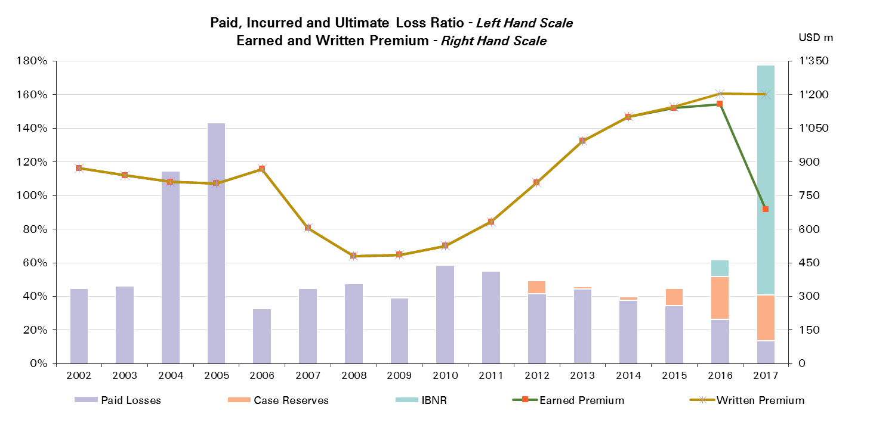
2017 | 688 | 14%

UWY Year | Ult Loss Ratio | Paid Losses | Case Reserves | IBNR
2002 | 45% | 45% | 0% | 0%
2003 | 46% | 46% | 0% | 0%
2004 | 115% | 114% | 0% | 0%
2005 | 143% | 143% | 0% | 0%
2006 | 33% | 33% | 0% | 0%
2007 | 45% | 45% | 0% | 0%
2008 | 48% | 48% | 0% | 0%
2009 | 39% | 39% | 0% | 0%
2010 | 59% | 58% | 0% | 0%
2011 | 55% | 55% | 0% | 0%
2012 | 49% | 41% | 8% | 0%
2013 | 46% | 44% | 1% | 0%
2014 | 40% | 38% | 2% | 0%
2015 | 45% | 35% | 10% | 0%
2016 | 62% | 26% | 26% | 10%
2017 | 178% | 14% | 27% | 137%

Motor
Total Paid and Reported Losses as a Percentage of Ultimate Earned Premium

 |  |  |  |  |  |  |  |  |  |  |  |  |  |  |  |  |  | Motor

UWY Year | Earned Premium in USDm | Reported Loss Ratios per Development Month
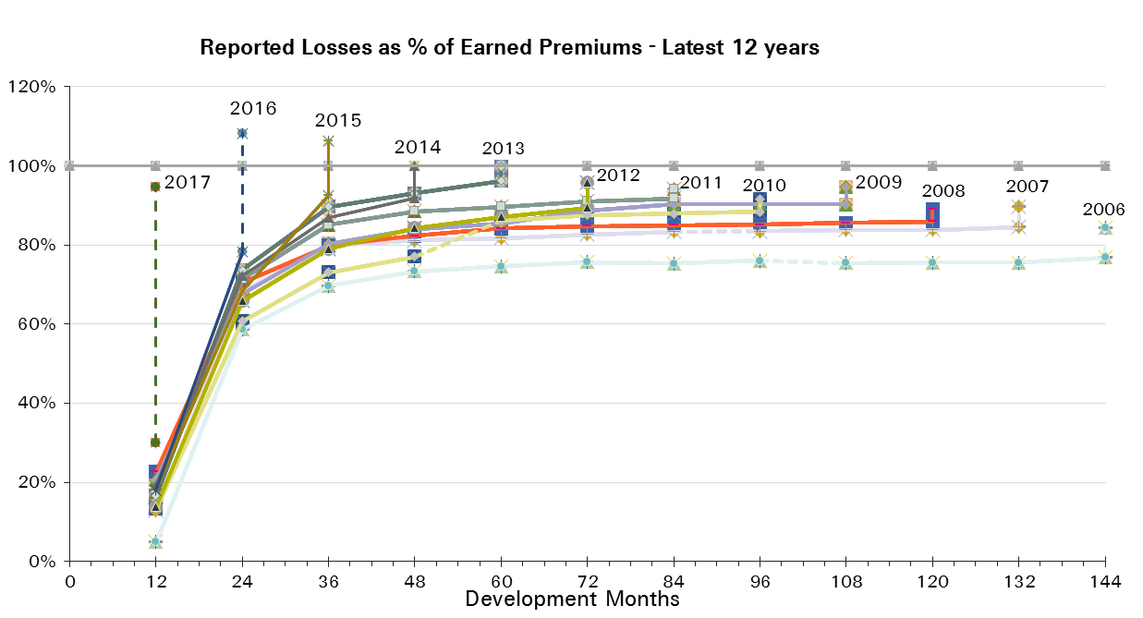
 |  | 12 | 24 | 36 | 48 | 60 | 72 | 84 | 96 | 108 | 120 | 132 | 144 | 156 | 168 | 180 | 192
2002 | 1,758 | 38% | 67% | 81% | 86% | 88% | 88% | 88% | 89% | 89% | 89% | 89% | 89% | 90% | 90% | 90% | 91%
2003 | 1,839 | 40% | 64% | 74% | 78% | 79% | 80% | 80% | 80% | 80% | 80% | 80% | 80% | 81% | 81% | 82%
2004 | 1,844 | 37% | 65% | 74% | 79% | 80% | 81% | 81% | 81% | 81% | 81% | 81% | 81% | 81% | 82%
2005 | 1,474 | 17% | 60% | 67% | 69% | 71% | 71% | 71% | 71% | 72% | 72% | 73% | 73% | 74%
2006 | 1,282 | 5% | 59% | 70% | 73% | 75% | 76% | 75% | 76% | 75% | 76% | 76% | 77%
2007 | 1,440 | 13% | 68% | 80% | 81% | 82% | 83% | 83% | 84% | 84% | 84% | 85%
2008 | 1,433 | 23% | 70% | 80% | 82% | 84% | 85% | 85% | 85% | 86% | 86%
2009 | 1,471 | 21% | 68% | 80% | 84% | 85% | 89% | 90% | 90% | 90%
2010 | 1,167 | 13% | 61% | 73% | 77% | 86% | 88% | 88% | 88%
2011 | 1,998 | 18% | 71% | 85% | 88% | 90% | 91% | 92%
2012 | 2,566 | 14% | 66% | 79% | 84% | 87% | 89%
2013 | 2,423 | 17% | 74% | 90% | 93% | 96%
2014 | 2,212 | 19% | 72% | 87% | 92%
2015 | 2,559 | 18% | 68% | 92%
2016 | 3,032 | 18% | 78%
2017 | 1,383 | 30%

UWY Year | Earned Premium in USDm | Paid Loss Ratios per Development Month
 |  | 12 | 24 | 36 | 48 | 60 | 72 | 84 | 96 | 108 | 120 | 132 | 144 | 156 | 168 | 180 | 192
2002 | 1,758 | 12% | 44% | 57% | 63% | 68% | 70% | 72% | 75% | 76% | 77% | 79% | 79% | 80% | 81% | 82% | 82%
2003 | 1,839 | 13% | 40% | 49% | 54% | 60% | 63% | 65% | 67% | 68% | 69% | 69% | 70% | 71% | 72% | 72%
2004 | 1,844 | 12% | 39% | 50% | 56% | 61% | 63% | 66% | 68% | 70% | 71% | 72% | 72% | 73% | 73%
2005 | 1,474 | 10% | 33% | 42% | 49% | 53% | 56% | 58% | 60% | 61% | 62% | 63% | 64% | 64%
2006 | 1,282 | -1% | 31% | 45% | 51% | 56% | 59% | 61% | 63% | 64% | 65% | 65% | 66%
2007 | 1,440 | 8% | 43% | 59% | 64% | 67% | 69% | 71% | 73% | 74% | 75% | 76%
2008 | 1,433 | 14% | 49% | 61% | 68% | 71% | 73% | 76% | 77% | 78% | 79%
2009 | 1,471 | 11% | 46% | 63% | 69% | 72% | 78% | 80% | 82% | 82%
2010 | 1,167 | 8% | 40% | 53% | 62% | 73% | 76% | 78% | 79%
2011 | 1,998 | 9% | 50% | 72% | 78% | 82% | 84% | 85%
2012 | 2,566 | 10% | 51% | 68% | 75% | 78% | 81%
2013 | 2,423 | 9% | 54% | 76% | 82% | 86%
2014 | 2,212 | 11% | 52% | 71% | 79%
2015 | 2,559 | 11% | 49% | 73%
2016 | 3,032 | 8% | 46%
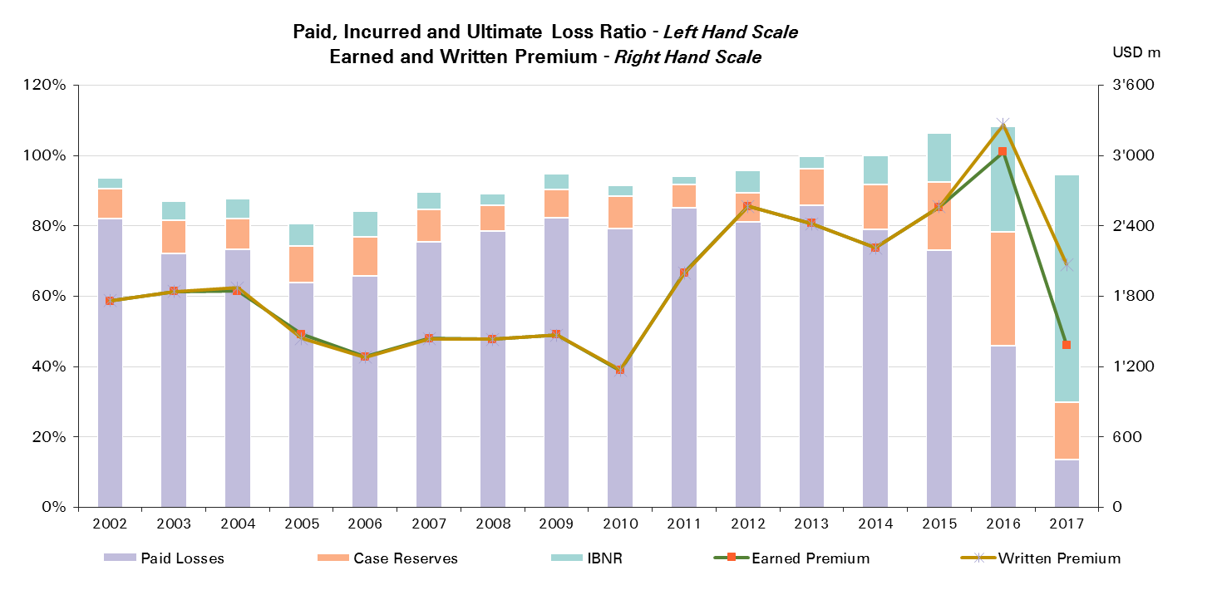
2017 | 1,383 | 13%

UWY Year | Ult Loss Ratio | Paid Losses | Case Reserves | IBNR
2002 | 94% | 82% | 9% | 3%
2003 | 87% | 72% | 9% | 5%
2004 | 88% | 73% | 9% | 5%
2005 | 81% | 64% | 10% | 6%
2006 | 84% | 66% | 11% | 7%
2007 | 90% | 76% | 9% | 5%
2008 | 89% | 79% | 7% | 3%
2009 | 95% | 82% | 8% | 4%
2010 | 92% | 79% | 9% | 3%
2011 | 94% | 85% | 7% | 2%
2012 | 96% | 81% | 8% | 6%
2013 | 100% | 86% | 10% | 4%
2014 | 100% | 79% | 13% | 8%
2015 | 106% | 73% | 19% | 14%
2016 | 108% | 46% | 32% | 30%
2017 | 95% | 13% | 16% | 65%

Motor Reinsurance
Total Paid and Reported Losses as a Percentage of Ultimate Earned Premium

 |  |  |  |  |  |  |  |  |  |  |  |  |  |  |  |  |  | Motor Reinsurance

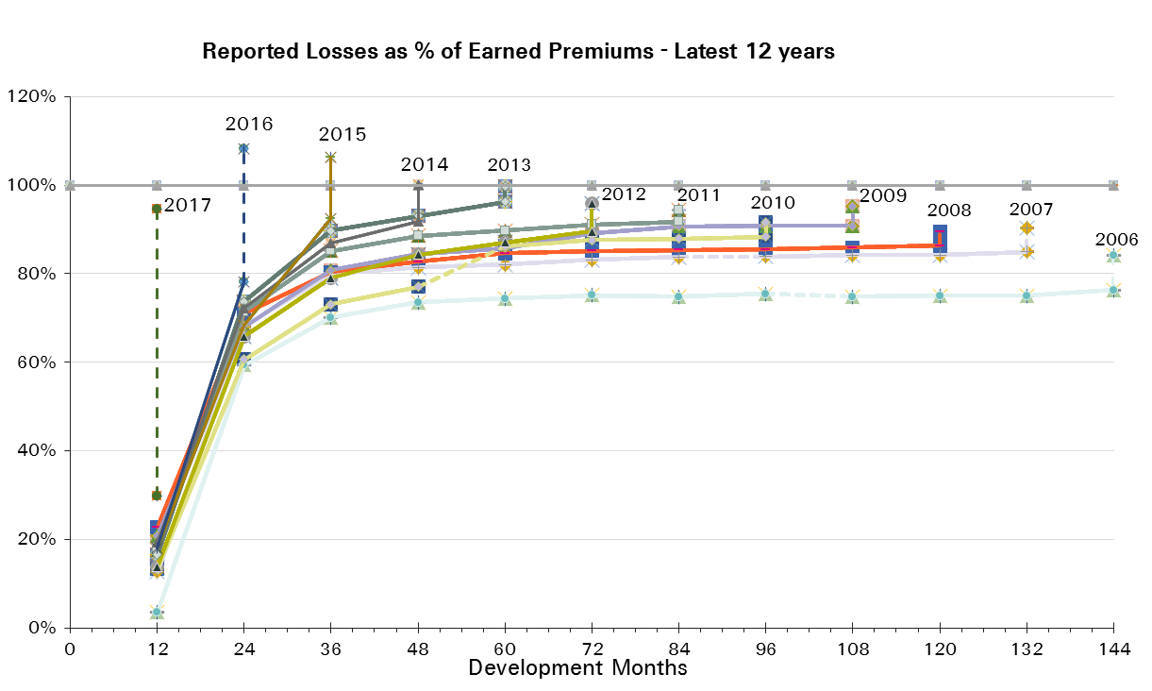
UWY Year | Earned Premium in USDm | Reported Loss Ratios per Development Month

 |  | 12 | 24 | 36 | 48 | 60 | 72 | 84 | 96 | 108 | 120 | 132 | 144 | 156 | 168 | 180 | 192
2002 | 1,584 | 41% | 72% | 86% | 90% | 92% | 92% | 92% | 92% | 92% | 92% | 92% | 93% | 93% | 94% | 94% | 94%
2003 | 1,624 | 44% | 69% | 77% | 80% | 81% | 82% | 82% | 81% | 81% | 82% | 82% | 82% | 82% | 83% | 83%
2004 | 1,648 | 39% | 69% | 76% | 82% | 82% | 82% | 83% | 82% | 83% | 82% | 82% | 82% | 82% | 83%
2005 | 1,359 | 18% | 62% | 68% | 69% | 71% | 71% | 71% | 71% | 72% | 73% | 73% | 73% | 75%
2006 | 1,204 | 4% | 59% | 70% | 74% | 74% | 75% | 75% | 75% | 75% | 75% | 75% | 76%
2007 | 1,404 | 13% | 68% | 80% | 81% | 82% | 83% | 84% | 84% | 84% | 84% | 85%
2008 | 1,415 | 23% | 71% | 80% | 83% | 85% | 85% | 85% | 86% | 86% | 86%
2009 | 1,458 | 21% | 68% | 81% | 84% | 86% | 89% | 91% | 91% | 91%
2010 | 1,163 | 13% | 61% | 73% | 77% | 86% | 88% | 88% | 88%
2011 | 1,995 | 18% | 71% | 85% | 89% | 90% | 91% | 92%
2012 | 2,563 | 14% | 66% | 79% | 84% | 87% | 90%
2013 | 2,420 | 17% | 74% | 90% | 93% | 96%
2014 | 2,208 | 19% | 72% | 87% | 92%
2015 | 2,555 | 18% | 68% | 92%
2016 | 3,028 | 18% | 78%
2017 | 1,381 | 30%

UWY Year | Earned Premium in USDm | Paid Loss Ratios per Development Month
 |  | 12 | 24 | 36 | 48 | 60 | 72 | 84 | 96 | 108 | 120 | 132 | 144 | 156 | 168 | 180 | 192
2002 | 1,584 | 13% | 47% | 60% | 66% | 70% | 72% | 75% | 77% | 78% | 80% | 81% | 82% | 83% | 83% | 84% | 85%
2003 | 1,624 | 15% | 43% | 52% | 55% | 60% | 63% | 65% | 67% | 68% | 69% | 70% | 71% | 72% | 72% | 73%
2004 | 1,648 | 12% | 41% | 51% | 57% | 61% | 63% | 66% | 68% | 70% | 71% | 72% | 72% | 73% | 73%
2005 | 1,359 | 10% | 35% | 43% | 48% | 52% | 55% | 57% | 59% | 61% | 62% | 62% | 63% | 64%
2006 | 1,204 | -1% | 31% | 45% | 50% | 55% | 58% | 60% | 61% | 63% | 63% | 64% | 65%
2007 | 1,404 | 8% | 44% | 59% | 64% | 67% | 69% | 72% | 73% | 74% | 75% | 76%
2008 | 1,415 | 14% | 49% | 61% | 68% | 71% | 74% | 76% | 77% | 78% | 79%
2009 | 1,458 | 12% | 46% | 63% | 69% | 72% | 78% | 80% | 82% | 83%
2010 | 1,163 | 8% | 40% | 53% | 62% | 73% | 76% | 78% | 79%
2011 | 1,995 | 9% | 50% | 72% | 78% | 82% | 84% | 85%
2012 | 2,563 | 10% | 51% | 68% | 75% | 78% | 81%
2013 | 2,420 | 9% | 54% | 76% | 82% | 86%
2014 | 2,208 | 11% | 52% | 71% | 79%
2015 | 2,555 | 11% | 49% | 73%
2016 | 3,028 | 8% | 46%
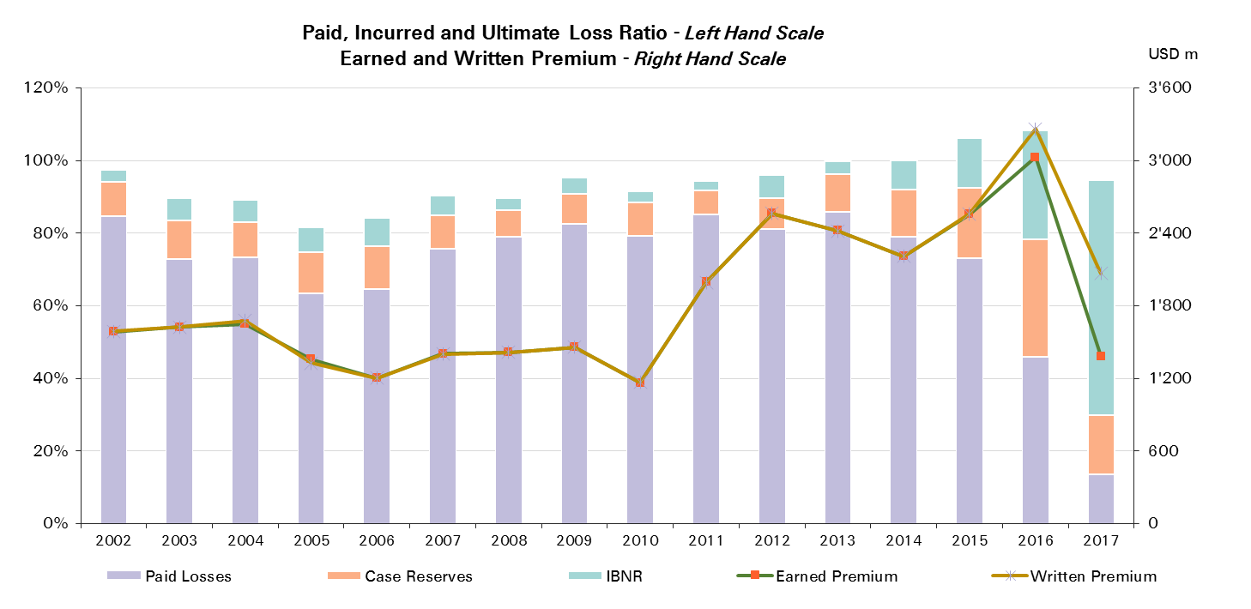
2017 | 1,381 | 13%

UWY Year | Ult Loss Ratio | Paid Losses | Case Reserves | IBNR
2002 | 97% | 85% | 10% | 3%
2003 | 90% | 73% | 11% | 6%
2004 | 89% | 73% | 10% | 6%
2005 | 82% | 64% | 11% | 7%
2006 | 84% | 65% | 12% | 8%
2007 | 90% | 76% | 9% | 5%
2008 | 90% | 79% | 7% | 3%
2009 | 95% | 83% | 8% | 4%
2010 | 92% | 79% | 9% | 3%
2011 | 94% | 85% | 7% | 2%
2012 | 96% | 81% | 8% | 6%
2013 | 100% | 86% | 10% | 4%
2014 | 100% | 79% | 13% | 8%
2015 | 106% | 73% | 19% | 14%
2016 | 108% | 46% | 32% | 30%
2017 | 95% | 13% | 16% | 65%

Motor - Prop Reinsurance
Total Paid and Reported Losses as a Percentage of Ultimate Earned Premium

 |  |  |  |  |  |  |  |  |  |  |  |  |  |  |  |  |  | Motor Prop Reinsurance

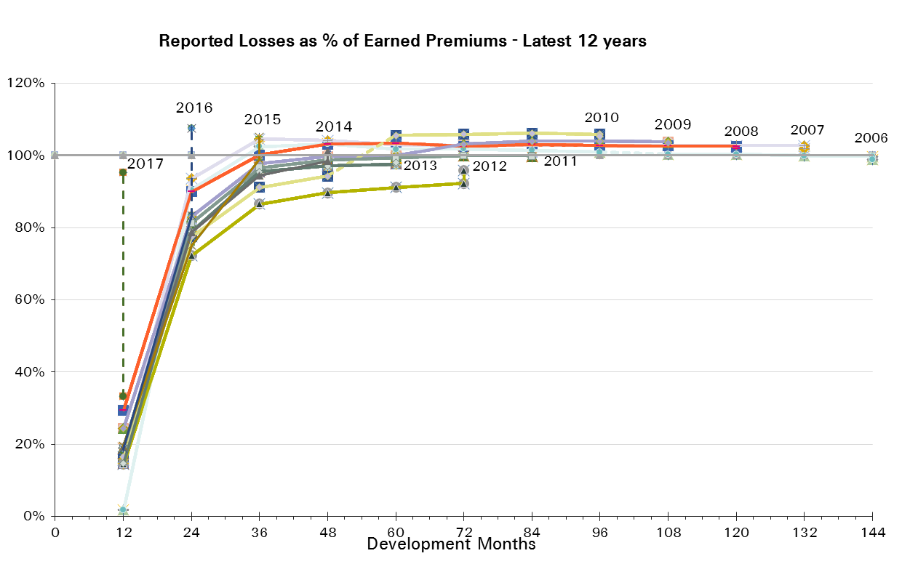
UWY Year | Earned Premium in USDm | Reported Loss Ratios per Development Month

 |  | 12 | 24 | 36 | 48 | 60 | 72 | 84 | 96 | 108 | 120 | 132 | 144 | 156 | 168 | 180 | 192
2002 | 988 | 57% | 91% | 105% | 105% | 104% | 103% | 102% | 102% | 101% | 101% | 101% | 101% | 101% | 101% | 101% | 101%
2003 | 960 | 64% | 89% | 98% | 98% | 98% | 97% | 97% | 96% | 96% | 95% | 95% | 95% | 95% | 95% | 95%
2004 | 957 | 58% | 93% | 98% | 102% | 101% | 100% | 99% | 99% | 99% | 99% | 99% | 99% | 99% | 99%
2005 | 690 | 26% | 89% | 95% | 92% | 92% | 91% | 90% | 90% | 90% | 90% | 89% | 89% | 89%
2006 | 621 | 2% | 90% | 102% | 103% | 102% | 102% | 101% | 101% | 100% | 100% | 100% | 100%
2007 | 877 | 16% | 94% | 104% | 104% | 103% | 103% | 103% | 103% | 103% | 103% | 103%
2008 | 910 | 29% | 90% | 100% | 103% | 103% | 103% | 103% | 103% | 103% | 103%
2009 | 1,034 | 24% | 83% | 98% | 100% | 100% | 103% | 104% | 104% | 104%
2010 | 789 | 16% | 77% | 91% | 94% | 105% | 106% | 106% | 106%
2011 | 1,595 | 19% | 81% | 97% | 99% | 99% | 100% | 100%
2012 | 2,128 | 14% | 72% | 86% | 90% | 91% | 92%
2013 | 1,995 | 15% | 79% | 95% | 97% | 98%
2014 | 1,780 | 19% | 79% | 94% | 98%
2015 | 2,091 | 19% | 75% | 99%
2016 | 2,482 | 19% | 83%
2017 | 992 | 33%

UWY Year | Earned Premium in USDm | Paid Loss Ratios per Development Month
 |  | 12 | 24 | 36 | 48 | 60 | 72 | 84 | 96 | 108 | 120 | 132 | 144 | 156 | 168 | 180 | 192
2002 | 988 | 20% | 72% | 87% | 91% | 94% | 95% | 96% | 97% | 97% | 98% | 98% | 98% | 98% | 99% | 99% | 99%
2003 | 960 | 24% | 68% | 80% | 82% | 87% | 88% | 90% | 91% | 91% | 91% | 91% | 92% | 92% | 92% | 92%
2004 | 957 | 20% | 66% | 79% | 85% | 88% | 89% | 92% | 92% | 94% | 94% | 94% | 95% | 95% | 95%
2005 | 690 | 20% | 63% | 75% | 79% | 81% | 83% | 84% | 84% | 85% | 85% | 86% | 86% | 86%
2006 | 621 | -3% | 57% | 79% | 85% | 88% | 91% | 92% | 93% | 94% | 94% | 95% | 95%
2007 | 877 | 12% | 68% | 89% | 93% | 95% | 96% | 97% | 98% | 98% | 99% | 99%
2008 | 910 | 20% | 70% | 86% | 92% | 94% | 96% | 98% | 99% | 99% | 99%
2009 | 1,034 | 16% | 61% | 82% | 88% | 91% | 97% | 99% | 100% | 100%
2010 | 789 | 12% | 58% | 73% | 84% | 98% | 99% | 101% | 102%
2011 | 1,595 | 11% | 61% | 87% | 93% | 95% | 96% | 97%
2012 | 2,128 | 12% | 61% | 80% | 85% | 88% | 90%
2013 | 1,995 | 11% | 62% | 86% | 91% | 94%
2014 | 1,780 | 14% | 62% | 84% | 91%
2015 | 2,091 | 14% | 59% | 85%
2016 | 2,482 | 10% | 54%
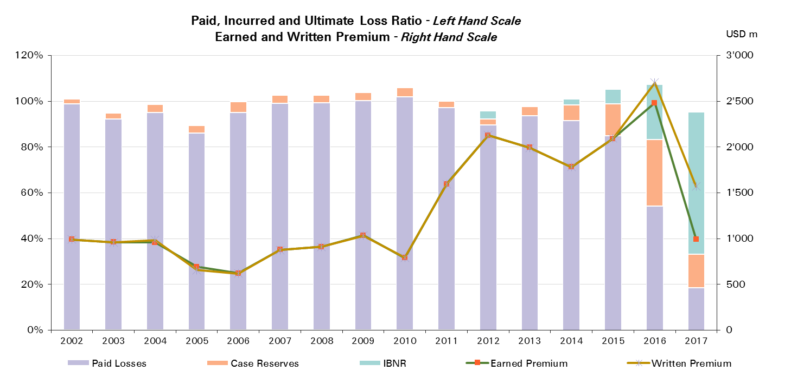
2017 | 992 | 19%

UWY Year | Ult Loss Ratio | Paid Losses | Case Reserves | IBNR
2002 | 101% | 99% | 2% | 0%
2003 | 94% | 92% | 3% | 0%
2004 | 98% | 95% | 4% | -1%
2005 | 89% | 86% | 3% | -1%
2006 | 99% | 95% | 5% | -1%
2007 | 102% | 99% | 4% | -1%
2008 | 102% | 99% | 3% | -1%
2009 | 103% | 100% | 4% | 0%
2010 | 105% | 102% | 4% | -1%
2011 | 100% | 97% | 3% | 0%
2012 | 96% | 90% | 3% | 4%
2013 | 98% | 94% | 4% | 0%
2014 | 101% | 91% | 7% | 3%
2015 | 105% | 85% | 14% | 6%
2016 | 107% | 54% | 29% | 24%
2017 | 95% | 19% | 15% | 62%

Motor - NP Reinsurance
Total Paid and Reported Losses as a Percentage of Ultimate Earned Premium

 |  |  |  |  |  |  |  |  |  |  |  |  |  |  |  |  |  | Motor NP Reinsurance

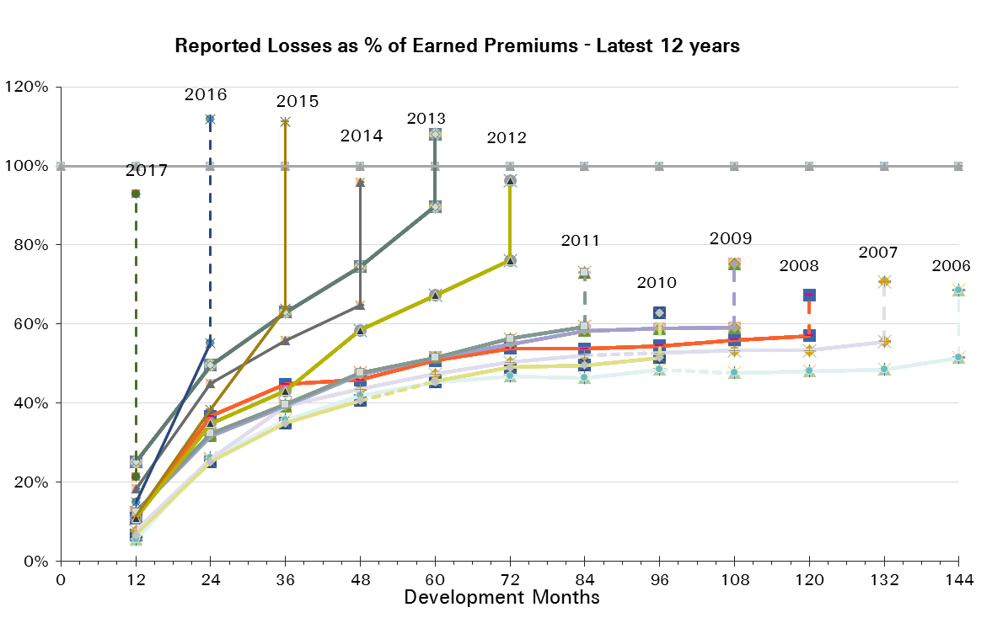
UWY Year | Earned Premium in USDm | Reported Loss Ratios per Development Month

 |  | 12 | 24 | 36 | 48 | 60 | 72 | 84 | 96 | 108 | 120 | 132 | 144 | 156 | 168 | 180 | 192
2002 | 596 | 14% | 40% | 54% | 64% | 70% | 73% | 75% | 76% | 77% | 78% | 77% | 79% | 80% | 82% | 82% | 83%
2003 | 665 | 15% | 40% | 47% | 55% | 57% | 59% | 61% | 60% | 60% | 63% | 63% | 62% | 64% | 65% | 67%
2004 | 691 | 13% | 35% | 45% | 54% | 56% | 58% | 59% | 60% | 60% | 60% | 58% | 59% | 60% | 62%
2005 | 669 | 9% | 35% | 41% | 46% | 50% | 51% | 52% | 52% | 54% | 55% | 56% | 57% | 59%
2006 | 583 | 6% | 26% | 36% | 42% | 45% | 47% | 46% | 48% | 48% | 48% | 48% | 51%
2007 | 527 | 8% | 26% | 39% | 44% | 47% | 50% | 52% | 53% | 53% | 53% | 56%
2008 | 505 | 11% | 37% | 45% | 46% | 51% | 54% | 54% | 55% | 56% | 57%
2009 | 424 | 12% | 32% | 39% | 47% | 52% | 55% | 58% | 59% | 59%
2010 | 374 | 7% | 25% | 35% | 41% | 45% | 49% | 50% | 52%
2011 | 400 | 12% | 32% | 40% | 48% | 51% | 56% | 59%
2012 | 435 | 11% | 35% | 43% | 58% | 67% | 76%
2013 | 425 | 25% | 50% | 63% | 74% | 90%
2014 | 428 | 18% | 45% | 56% | 65%
2015 | 464 | 12% | 38% | 64%
2016 | 546 | 15% | 55%
2017 | 390 | 21%

UWY Year | Earned Premium in USDm | Paid Loss Ratios per Development Month
 |  | 12 | 24 | 36 | 48 | 60 | 72 | 84 | 96 | 108 | 120 | 132 | 144 | 156 | 168 | 180 | 192
2002 | 596 | 1% | 6% | 16% | 24% | 30% | 35% | 40% | 44% | 47% | 50% | 53% | 54% | 57% | 58% | 60% | 61%
2003 | 665 | 1% | 6% | 11% | 16% | 22% | 27% | 29% | 33% | 35% | 37% | 39% | 41% | 43% | 44% | 45%
2004 | 691 | 2% | 7% | 13% | 19% | 24% | 27% | 30% | 33% | 37% | 38% | 40% | 41% | 43% | 43%
2005 | 669 | 1% | 5% | 10% | 17% | 22% | 27% | 30% | 33% | 35% | 37% | 38% | 40% | 40%
2006 | 583 | 0% | 4% | 9% | 13% | 19% | 22% | 25% | 28% | 29% | 31% | 31% | 32%
2007 | 527 | 2% | 4% | 11% | 16% | 21% | 25% | 29% | 32% | 34% | 35% | 37%
2008 | 505 | 2% | 11% | 18% | 25% | 29% | 34% | 37% | 39% | 41% | 42%
2009 | 424 | 1% | 10% | 17% | 23% | 28% | 31% | 35% | 39% | 40%
2010 | 374 | 0% | 3% | 9% | 15% | 20% | 26% | 30% | 31%
2011 | 400 | 1% | 7% | 14% | 20% | 28% | 33% | 37%
2012 | 435 | 0% | 4% | 10% | 24% | 32% | 40%
2013 | 425 | 2% | 16% | 30% | 41% | 50%
2014 | 428 | 1% | 10% | 20% | 27%
2015 | 464 | 0% | 5% | 20%
2016 | 546 | 1% | 9%
2017 | 390 | 0%
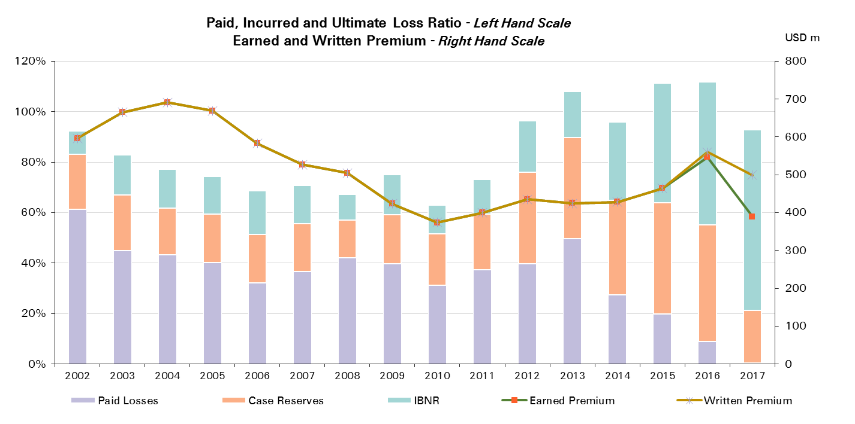

UWY Year | Ult Loss Ratio | Paid Losses | Case Reserves | IBNR
2002 | 92% | 61% | 22% | 9%
2003 | 83% | 45% | 22% | 16%
2004 | 77% | 43% | 18% | 15%
2005 | 74% | 40% | 19% | 15%
2006 | 69% | 32% | 19% | 17%
2007 | 71% | 37% | 19% | 15%
2008 | 67% | 42% | 15% | 10%
2009 | 75% | 40% | 19% | 16%
2010 | 63% | 31% | 20% | 11%
2011 | 73% | 37% | 22% | 14%
2012 | 96% | 40% | 36% | 20%
2013 | 108% | 50% | 40% | 18%
2014 | 96% | 27% | 37% | 31%
2015 | 111% | 20% | 44% | 47%
2016 | 112% | 9% | 46% | 57%
2017 | 93% | 0% | 21% | 72%

Liability
Total Paid and Reported Losses as a Percentage of Ultimate Earned Premium

 |  |  |  |  |  |  |  |  |  |  |  |  |  |  |  |  |  | Liability

UWY Year | Earned Premium in USDm | Reported Loss Ratios per Development Month
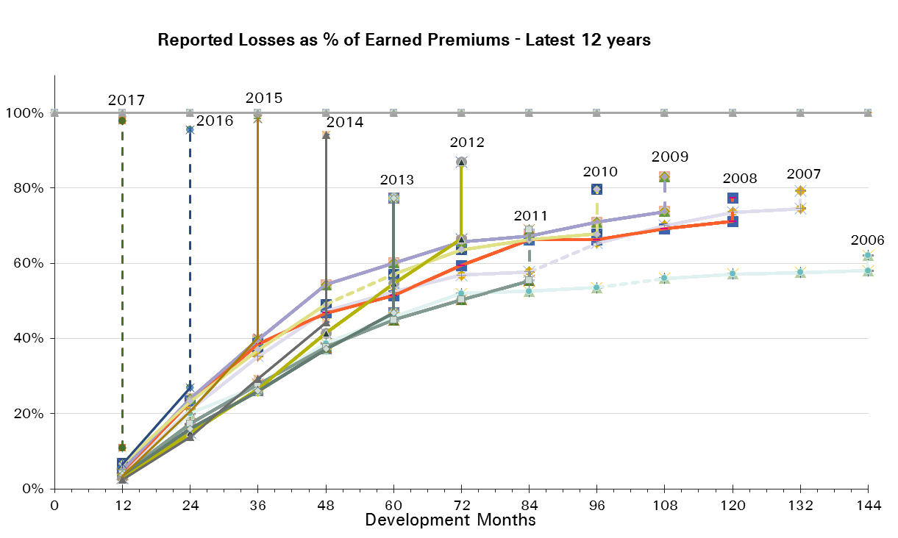
 |  | 12 | 24 | 36 | 48 | 60 | 72 | 84 | 96 | 108 | 120 | 132 | 144 | 156 | 168 | 180 | 192
2002 | 4,305 | 6% | 18% | 32% | 58% | 60% | 66% | 71% | 74% | 74% | 75% | 75% | 76% | 76% | 75% | 76% | 76%
2003 | 4,379 | 6% | 16% | 23% | 36% | 44% | 48% | 49% | 50% | 52% | 53% | 54% | 53% | 53% | 53% | 54%
2004 | 4,176 | 6% | 19% | 29% | 38% | 43% | 47% | 49% | 52% | 53% | 54% | 54% | 54% | 55% | 55%
2005 | 3,561 | 2% | 17% | 26% | 33% | 39% | 42% | 44% | 45% | 46% | 46% | 47% | 48% | 49%
2006 | 3,117 | 4% | 20% | 27% | 39% | 46% | 52% | 53% | 54% | 56% | 57% | 58% | 58%
2007 | 2,583 | 4% | 21% | 35% | 47% | 52% | 57% | 58% | 65% | 70% | 74% | 74%
2008 | 2,011 | 5% | 23% | 39% | 47% | 51% | 59% | 66% | 66% | 69% | 71%
2009 | 1,758 | 5% | 24% | 40% | 54% | 60% | 66% | 67% | 71% | 74%
2010 | 1,661 | 7% | 23% | 37% | 49% | 57% | 64% | 66% | 68%
2011 | 1,723 | 4% | 17% | 28% | 38% | 45% | 50% | 55%
2012 | 2,203 | 3% | 15% | 27% | 41% | 55% | 66%
2013 | 2,252 | 4% | 16% | 26% | 37% | 47%
2014 | 2,710 | 2% | 14% | 29% | 44%
2015 | 2,506 | 3% | 21% | 40%
2016 | 3,204 | 7% | 27%
2017 | 1,514 | 11%

UWY Year | Earned Premium in USDm | Paid Loss Ratios per Development Month
 |  | 12 | 24 | 36 | 48 | 60 | 72 | 84 | 96 | 108 | 120 | 132 | 144 | 156 | 168 | 180 | 192
2002 | 4,305 | 1% | 5% | 14% | 23% | 32% | 42% | 50% | 55% | 60% | 63% | 65% | 66% | 68% | 70% | 71% | 72%
2003 | 4,379 | 1% | 4% | 9% | 17% | 22% | 29% | 33% | 37% | 40% | 42% | 43% | 47% | 47% | 48% | 49%
2004 | 4,176 | 0% | 5% | 11% | 18% | 26% | 33% | 38% | 42% | 45% | 47% | 48% | 50% | 51% | 52%
2005 | 3,561 | 0% | 4% | 9% | 16% | 23% | 30% | 34% | 37% | 39% | 41% | 42% | 44% | 45%
2006 | 3,117 | 0% | 4% | 10% | 18% | 25% | 37% | 41% | 45% | 47% | 49% | 51% | 52%
2007 | 2,583 | 1% | 5% | 14% | 24% | 36% | 42% | 48% | 52% | 57% | 60% | 64%
2008 | 2,011 | 1% | 6% | 14% | 21% | 28% | 38% | 50% | 54% | 58% | 61%
2009 | 1,758 | 2% | 9% | 18% | 31% | 38% | 48% | 53% | 58% | 61%
2010 | 1,661 | 2% | 8% | 19% | 29% | 40% | 50% | 54% | 57%
2011 | 1,723 | 1% | 6% | 14% | 22% | 31% | 38% | 44%
2012 | 2,203 | 1% | 7% | 13% | 26% | 40% | 50%
2013 | 2,252 | 1% | 5% | 13% | 23% | 33%
2014 | 2,710 | 1% | 5% | 13% | 26%
2015 | 2,506 | 1% | 7% | 18%
2016 | 3,204 | 1% | 6%
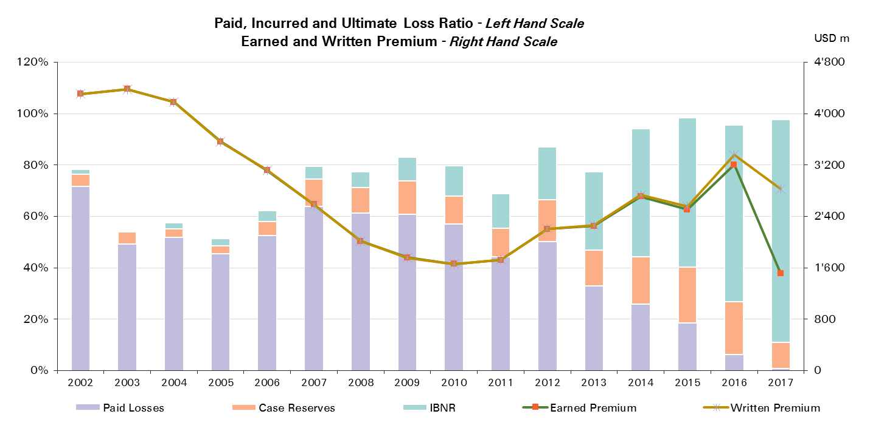
2017 | 1,514 | 1%

UWY Year | Ult Loss Ratio | Paid Losses | Case Reserves | IBNR
2002 | 78% | 72% | 5% | 2%
2003 | 54% | 49% | 5% | 0%
2004 | 58% | 52% | 3% | 2%
2005 | 51% | 45% | 3% | 3%
2006 | 62% | 52% | 6% | 4%
2007 | 79% | 64% | 11% | 5%
2008 | 77% | 61% | 10% | 6%
2009 | 83% | 61% | 13% | 9%
2010 | 80% | 57% | 11% | 12%
2011 | 69% | 44% | 11% | 13%
2012 | 87% | 50% | 16% | 21%
2013 | 77% | 33% | 14% | 30%
2014 | 94% | 26% | 18% | 50%
2015 | 98% | 18% | 22% | 58%
2016 | 95% | 6% | 21% | 69%
2017 | 98% | 1% | 10% | 87%

Liability Reinsurance
Total Paid and Reported Losses as a Percentage of Ultimate Earned Premium

 |  |  |  |  |  |  |  |  |  |  |  |  |  |  |  |  |  | Liability Reinsurance

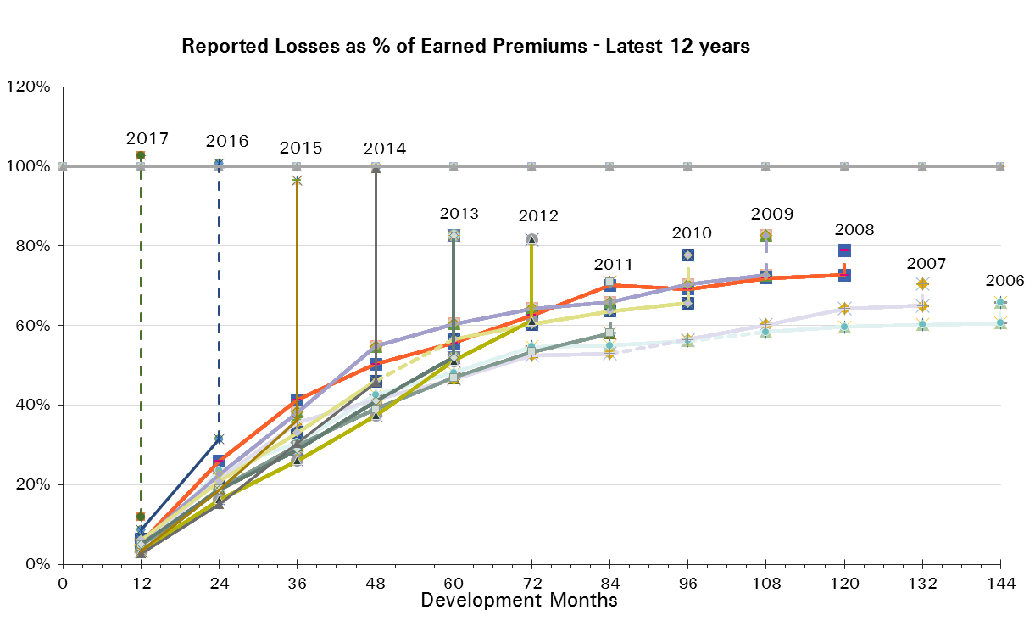
UWY Year | Earned Premium in USDm | Reported Loss Ratios per Development Month

 |  | 12 | 24 | 36 | 48 | 60 | 72 | 84 | 96 | 108 | 120 | 132 | 144 | 156 | 168 | 180 | 192
2002 | 2,748 | 7% | 19% | 31% | 63% | 59% | 64% | 68% | 71% | 72% | 70% | 71% | 71% | 72% | 71% | 72% | 73%
2003 | 2,732 | 8% | 18% | 25% | 33% | 42% | 45% | 45% | 46% | 48% | 50% | 49% | 49% | 49% | 50% | 51%
2004 | 2,642 | 9% | 24% | 34% | 43% | 48% | 51% | 53% | 55% | 56% | 57% | 57% | 57% | 58% | 59%
2005 | 2,466 | 2% | 17% | 26% | 32% | 39% | 42% | 43% | 44% | 46% | 46% | 47% | 48% | 49%
2006 | 2,046 | 4% | 23% | 31% | 43% | 48% | 55% | 55% | 56% | 58% | 60% | 60% | 61%
2007 | 1,763 | 5% | 22% | 36% | 41% | 47% | 53% | 53% | 57% | 60% | 64% | 65%
2008 | 1,355 | 5% | 26% | 41% | 50% | 56% | 62% | 70% | 69% | 72% | 73%
2009 | 1,239 | 6% | 23% | 38% | 55% | 60% | 64% | 66% | 70% | 73%
2010 | 1,131 | 6% | 21% | 33% | 46% | 57% | 60% | 64% | 66%
2011 | 1,177 | 5% | 19% | 30% | 39% | 47% | 53% | 58%
2012 | 1,526 | 3% | 16% | 26% | 37% | 51% | 61%
2013 | 1,466 | 5% | 19% | 29% | 41% | 52%
2014 | 1,868 | 3% | 15% | 30% | 46%
2015 | 1,614 | 3% | 19% | 36%
2016 | 2,274 | 9% | 31%
2017 | 1,047 | 12%

UWY Year | Earned Premium in USDm | Paid Loss Ratios per Development Month
 |  | 12 | 24 | 36 | 48 | 60 | 72 | 84 | 96 | 108 | 120 | 132 | 144 | 156 | 168 | 180 | 192
2002 | 2,748 | 1% | 4% | 10% | 18% | 26% | 35% | 43% | 49% | 54% | 58% | 59% | 61% | 63% | 63% | 65% | 66%
2003 | 2,732 | 1% | 3% | 8% | 14% | 19% | 25% | 29% | 33% | 35% | 37% | 39% | 40% | 41% | 42% | 43%
2004 | 2,642 | 0% | 5% | 12% | 18% | 27% | 34% | 40% | 44% | 47% | 49% | 50% | 52% | 53% | 55%
2005 | 2,466 | 0% | 3% | 8% | 13% | 21% | 28% | 31% | 34% | 37% | 39% | 41% | 43% | 44%
2006 | 2,046 | 1% | 4% | 9% | 19% | 26% | 37% | 41% | 45% | 47% | 50% | 51% | 53%
2007 | 1,763 | 1% | 5% | 11% | 21% | 29% | 36% | 41% | 45% | 48% | 51% | 56%
2008 | 1,355 | 1% | 6% | 15% | 21% | 28% | 35% | 50% | 55% | 60% | 63%
2009 | 1,239 | 3% | 10% | 16% | 28% | 35% | 44% | 49% | 55% | 59%
2010 | 1,131 | 2% | 8% | 15% | 24% | 35% | 43% | 47% | 51%
2011 | 1,177 | 2% | 6% | 14% | 22% | 31% | 38% | 44%
2012 | 1,526 | 1% | 8% | 14% | 23% | 34% | 43%
2013 | 1,466 | 1% | 6% | 13% | 23% | 34%
2014 | 1,868 | 1% | 5% | 14% | 26%
2015 | 1,614 | 1% | 6% | 16%
2016 | 2,274 | 1% | 6%
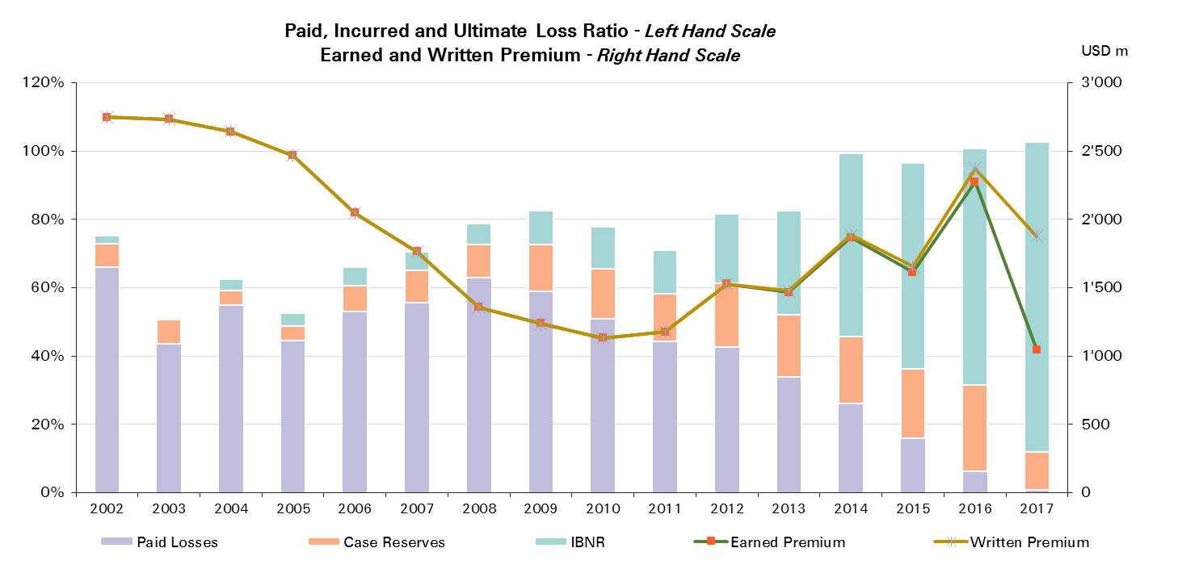
2017 | 1,047 | 1%

UWY Year | Ult Loss Ratio | Paid Losses | Case Reserves | IBNR
2002 | 75% | 66% | 7% | 2%
2003 | 51% | 43% | 7% | 0%
2004 | 62% | 55% | 4% | 3%
2005 | 52% | 44% | 4% | 4%
2006 | 66% | 53% | 8% | 5%
2007 | 71% | 56% | 9% | 6%
2008 | 79% | 63% | 10% | 6%
2009 | 83% | 59% | 14% | 10%
2010 | 78% | 51% | 15% | 12%
2011 | 71% | 44% | 14% | 13%
2012 | 82% | 43% | 19% | 20%
2013 | 83% | 34% | 18% | 31%
2014 | 99% | 26% | 20% | 54%
2015 | 96% | 16% | 20% | 60%
2016 | 101% | 6% | 25% | 69%
2017 | 103% | 1% | 11% | 91%

Liability CS
Total Paid and Reported Losses as a Percentage of Ultimate Earned Premium

 |  |  |  |  |  |  |  |  |  |  |  |  |  |  |  |  |  | Liability Corporate Solutions

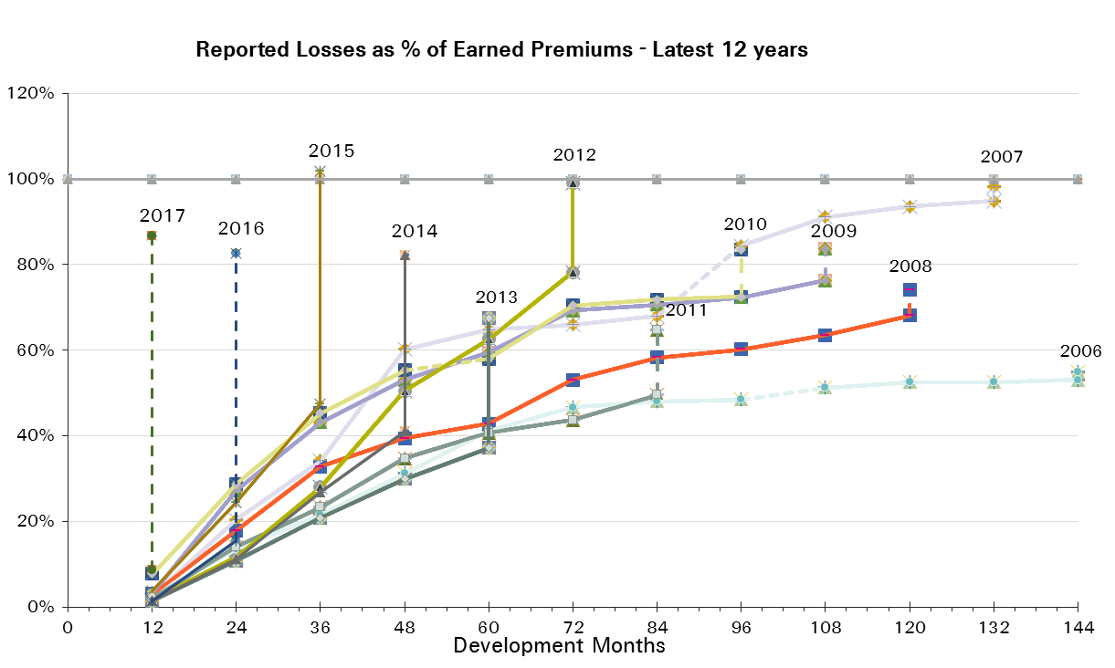
UWY Year | Earned Premium in USDm | Reported Loss Ratios per Development Month

 |  | 12 | 24 | 36 | 48 | 60 | 72 | 84 | 96 | 108 | 120 | 132 | 144 | 156 | 168 | 180 | 192
2002 | 1,557 | 4% | 16% | 33% | 50% | 62% | 69% | 77% | 80% | 79% | 82% | 83% | 83% | 84% | 83% | 82% | 82%
2003 | 1,647 | 2% | 12% | 21% | 41% | 47% | 54% | 56% | 58% | 59% | 59% | 61% | 61% | 59% | 59% | 59%
2004 | 1,534 | 2% | 11% | 20% | 28% | 35% | 39% | 43% | 46% | 47% | 49% | 49% | 49% | 50% | 49%
2005 | 1,095 | 2% | 15% | 26% | 34% | 39% | 42% | 45% | 46% | 46% | 47% | 48% | 48% | 48%
2006 | 1,071 | 3% | 13% | 22% | 31% | 41% | 47% | 48% | 48% | 51% | 52% | 53% | 53%
2007 | 821 | 3% | 20% | 34% | 60% | 65% | 66% | 68% | 84% | 91% | 94% | 95%
2008 | 656 | 3% | 18% | 33% | 39% | 43% | 53% | 58% | 60% | 64% | 68%
2009 | 519 | 3% | 27% | 43% | 53% | 59% | 69% | 71% | 72% | 76%
2010 | 530 | 8% | 29% | 45% | 55% | 58% | 70% | 72% | 72%
2011 | 546 | 2% | 14% | 23% | 35% | 41% | 44% | 50%
2012 | 677 | 2% | 12% | 28% | 50% | 63% | 78%
2013 | 786 | 1% | 11% | 21% | 30% | 37%
2014 | 842 | 1% | 11% | 27% | 41%
2015 | 892 | 4% | 24% | 47%
2016 | 931 | 1% | 16%
2017 | 467 | 9%

UWY Year | Earned Premium in USDm | Paid Loss Ratios per Development Month
 |  | 12 | 24 | 36 | 48 | 60 | 72 | 84 | 96 | 108 | 120 | 132 | 144 | 156 | 168 | 180 | 192
2002 | 1,557 | 1% | 7% | 20% | 33% | 43% | 54% | 61% | 66% | 70% | 73% | 75% | 76% | 79% | 81% | 81% | 82%
2003 | 1,647 | 1% | 4% | 11% | 21% | 28% | 36% | 41% | 45% | 48% | 50% | 51% | 58% | 58% | 58% | 59%
2004 | 1,534 | 0% | 4% | 11% | 17% | 24% | 30% | 35% | 37% | 41% | 43% | 44% | 45% | 46% | 46%
2005 | 1,095 | 0% | 5% | 11% | 21% | 29% | 36% | 39% | 41% | 43% | 44% | 46% | 47% | 48%
2006 | 1,071 | 0% | 4% | 11% | 18% | 24% | 38% | 43% | 45% | 47% | 49% | 50% | 51%
2007 | 821 | 0% | 5% | 21% | 31% | 51% | 55% | 62% | 67% | 77% | 80% | 82%
2008 | 656 | 1% | 5% | 13% | 21% | 29% | 44% | 49% | 52% | 55% | 58%
2009 | 519 | 1% | 6% | 24% | 36% | 45% | 57% | 62% | 64% | 66%
2010 | 530 | 1% | 9% | 27% | 38% | 51% | 65% | 68% | 70%
2011 | 546 | 1% | 5% | 13% | 22% | 33% | 38% | 45%
2012 | 677 | 0% | 5% | 13% | 31% | 53% | 67%
2013 | 786 | 0% | 4% | 11% | 21% | 31%
2014 | 842 | 0% | 3% | 11% | 26%
2015 | 892 | 0% | 8% | 23%
2016 | 931 | 0% | 6%
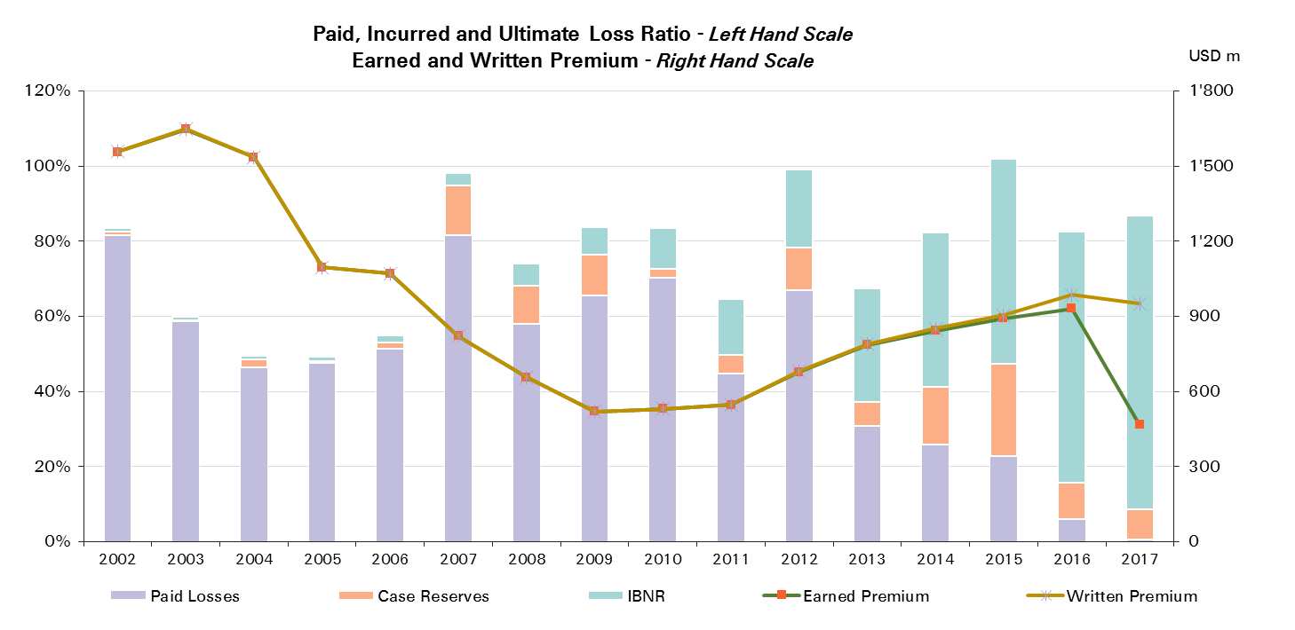
2017 | 467 | 1%

UWY Year | Ult Loss Ratio | Paid Losses | Case Reserves | IBNR
2002 | 84% | 82% | 1% | 1%
2003 | 60% | 59% | 0% | 1%
2004 | 49% | 46% | 2% | 1%
2005 | 49% | 48% | 1% | 1%
2006 | 55% | 51% | 2% | 2%
2007 | 98% | 82% | 13% | 3%
2008 | 74% | 58% | 10% | 6%
2009 | 84% | 66% | 11% | 7%
2010 | 84% | 70% | 2% | 11%
2011 | 65% | 45% | 5% | 15%
2012 | 99% | 67% | 11% | 21%
2013 | 67% | 31% | 6% | 30%
2014 | 82% | 26% | 15% | 41%
2015 | 102% | 23% | 25% | 55%
2016 | 83% | 6% | 10% | 67%
2017 | 87% | 1% | 8% | 78%

Liability - NP
Total Paid and Reported Losses as a Percentage of Ultimate Earned Premium

 |  |  |  |  |  |  |  |  |  |  |  |  |  |  |  |  |  | Liability NP Reinsurance

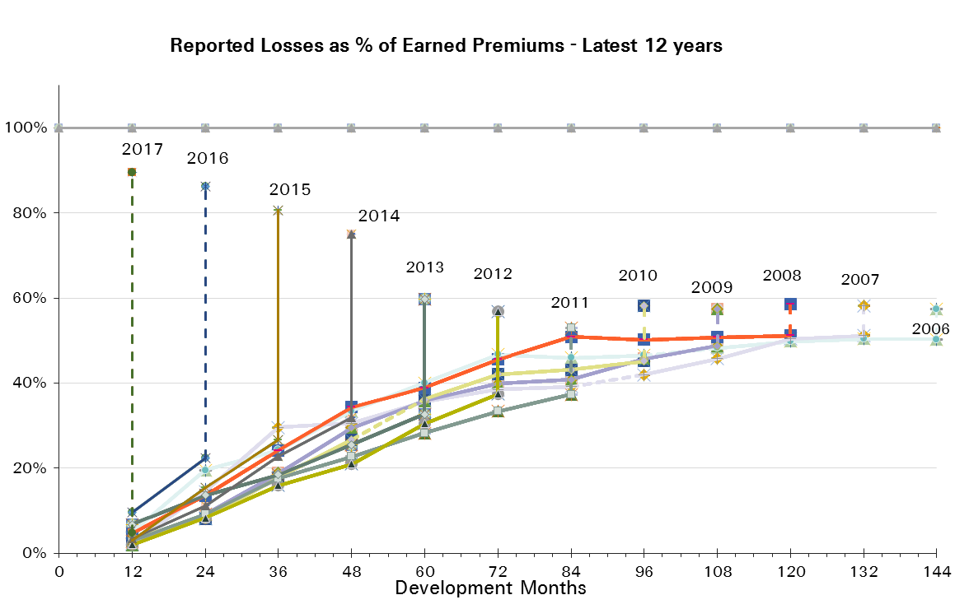
UWY Year | Earned Premium in USDm | Reported Loss Ratios per Development Month

 |  | 12 | 24 | 36 | 48 | 60 | 72 | 84 | 96 | 108 | 120 | 132 | 144 | 156 | 168 | 180 | 192
2002 | 1,544 | 3% | 11% | 23% | 69% | 54% | 57% | 60% | 65% | 65% | 63% | 62% | 64% | 64% | 64% | 64% | 65%
2003 | 1,651 | 4% | 12% | 19% | 27% | 37% | 38% | 39% | 40% | 42% | 44% | 44% | 43% | 43% | 44% | 44%
2004 | 1,567 | 8% | 22% | 33% | 43% | 46% | 47% | 47% | 49% | 50% | 51% | 51% | 51% | 52% | 52%
2005 | 1,331 | 2% | 11% | 19% | 24% | 29% | 30% | 32% | 32% | 33% | 33% | 34% | 35% | 35%
2006 | 1,058 | 5% | 20% | 24% | 33% | 40% | 47% | 46% | 46% | 48% | 50% | 50% | 50%
2007 | 851 | 2% | 15% | 30% | 31% | 36% | 38% | 39% | 42% | 46% | 50% | 51%
2008 | 669 | 5% | 13% | 24% | 34% | 39% | 46% | 51% | 50% | 51% | 51%
2009 | 534 | 2% | 9% | 19% | 29% | 36% | 40% | 41% | 46% | 49%
2010 | 531 | 4% | 8% | 18% | 27% | 36% | 42% | 43% | 45%
2011 | 543 | 3% | 9% | 18% | 23% | 28% | 33% | 37%
2012 | 545 | 2% | 8% | 16% | 21% | 30% | 37%
2013 | 573 | 7% | 14% | 18% | 26% | 33%
2014 | 557 | 3% | 11% | 23% | 32%
2015 | 531 | 3% | 15% | 27%
2016 | 519 | 10% | 22%
2017 | 332 | 5%

UWY Year | Earned Premium in USDm | Paid Loss Ratios per Development Month
 |  | 12 | 24 | 36 | 48 | 60 | 72 | 84 | 96 | 108 | 120 | 132 | 144 | 156 | 168 | 180 | 192
2002 | 1,544 | 0% | 2% | 6% | 11% | 17% | 28% | 36% | 41% | 47% | 50% | 51% | 52% | 54% | 54% | 56% | 57%
2003 | 1,651 | 0% | 1% | 4% | 9% | 14% | 19% | 22% | 26% | 28% | 29% | 31% | 32% | 32% | 33% | 35%
2004 | 1,567 | 0% | 4% | 10% | 15% | 25% | 31% | 35% | 39% | 41% | 43% | 45% | 46% | 47% | 48%
2005 | 1,331 | 0% | 2% | 5% | 9% | 14% | 18% | 20% | 23% | 24% | 27% | 28% | 30% | 30%
2006 | 1,058 | 0% | 2% | 6% | 13% | 19% | 28% | 31% | 33% | 36% | 39% | 40% | 42%
2007 | 851 | 0% | 1% | 5% | 12% | 18% | 23% | 27% | 31% | 33% | 35% | 40%
2008 | 669 | 0% | 2% | 7% | 11% | 17% | 23% | 36% | 39% | 41% | 43%
2009 | 534 | 0% | 2% | 5% | 9% | 14% | 23% | 26% | 28% | 30%
2010 | 531 | 1% | 2% | 4% | 13% | 21% | 24% | 27% | 31%
2011 | 543 | 0% | 1% | 5% | 11% | 18% | 23% | 27%
2012 | 545 | 0% | 1% | 3% | 8% | 14% | 19%
2013 | 573 | 0% | 1% | 5% | 10% | 14%
2014 | 557 | 0% | 1% | 7% | 12%
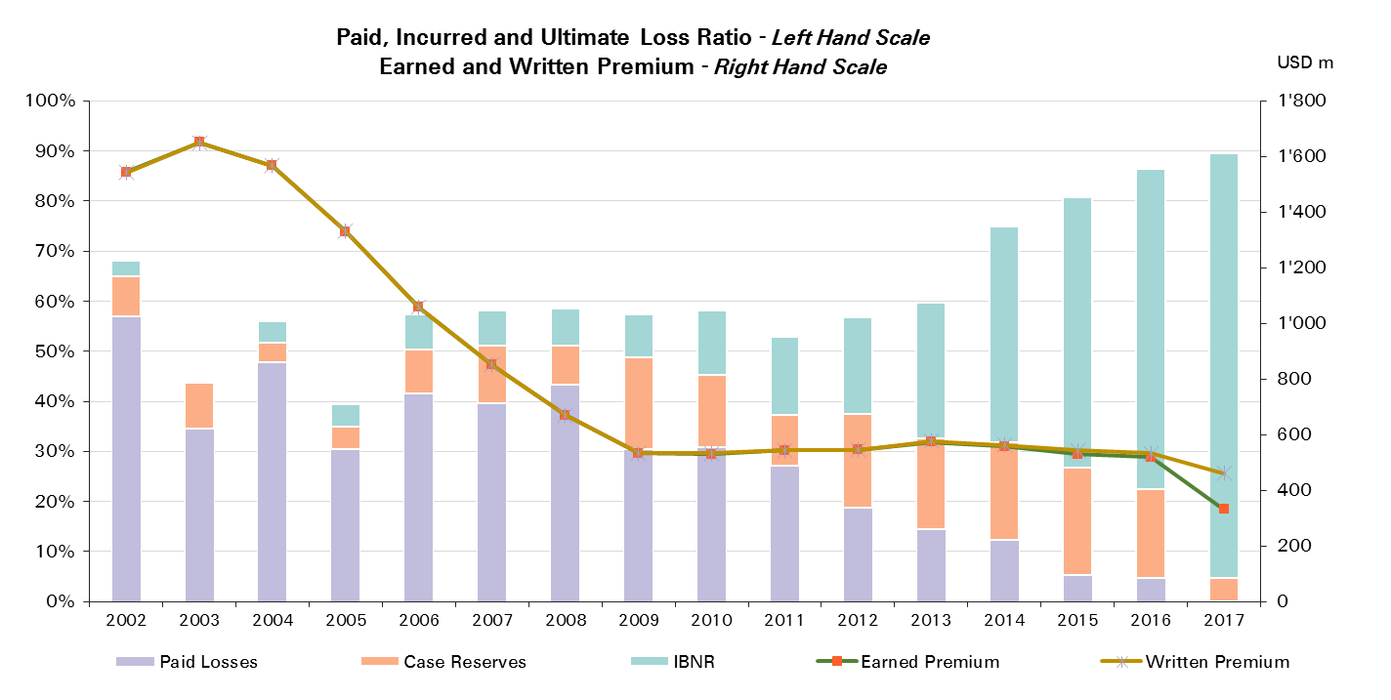
2015 | 531 | 0% | 1% | 5%
2016 | 519 | 0% | 5%
2017 | 332 | 0%

UWY Year | Ult Loss Ratio | Paid Losses | Case Reserves | IBNR
2002 | 68% | 57% | 8% | 3%
2003 | 44% | 35% | 9% | 0%
2004 | 56% | 48% | 4% | 4%
2005 | 39% | 30% | 5% | 4%
2006 | 57% | 42% | 9% | 7%
2007 | 58% | 40% | 11% | 7%
2008 | 59% | 43% | 8% | 7%
2009 | 57% | 30% | 18% | 9%
2010 | 58% | 31% | 14% | 13%
2011 | 53% | 27% | 10% | 16%
2012 | 57% | 19% | 19% | 19%
2013 | 60% | 14% | 18% | 27%
2014 | 75% | 12% | 19% | 43%
2015 | 81% | 5% | 21% | 54%
2016 | 86% | 5% | 18% | 64%
2017 | 89% | 0% | 5% | 85%

Liability - Prop
Total Paid and Reported Losses as a Percentage of Ultimate Earned Premium

 |  |  |  |  |  |  |  |  |  |  |  |  |  |  |  |  |  | Liability Prop Reinsurance

UWY Year | Earned Premium in USDm | Reported Loss Ratios per Development Month
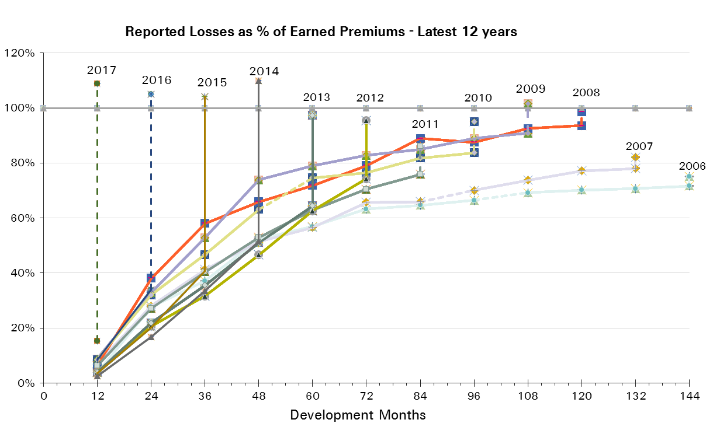
 |  | 12 | 24 | 36 | 48 | 60 | 72 | 84 | 96 | 108 | 120 | 132 | 144 | 156 | 168 | 180 | 192
2002 | 1,204 | 12% | 28% | 42% | 55% | 65% | 73% | 78% | 80% | 80% | 80% | 82% | 81% | 82% | 82% | 82% | 83%
2003 | 1,082 | 13% | 27% | 33% | 42% | 51% | 55% | 56% | 56% | 57% | 58% | 58% | 59% | 59% | 60% | 61%
2004 | 1,075 | 10% | 26% | 34% | 43% | 52% | 57% | 61% | 63% | 65% | 65% | 65% | 66% | 67% | 70%
2005 | 1,135 | 2% | 25% | 34% | 41% | 52% | 55% | 57% | 59% | 61% | 61% | 62% | 63% | 65%
2006 | 988 | 4% | 28% | 37% | 52% | 57% | 63% | 65% | 66% | 69% | 70% | 71% | 72%
2007 | 911 | 7% | 28% | 41% | 52% | 57% | 66% | 66% | 70% | 74% | 77% | 78%
2008 | 686 | 6% | 38% | 58% | 66% | 72% | 79% | 89% | 88% | 93% | 94%
2009 | 705 | 9% | 33% | 53% | 74% | 79% | 83% | 85% | 89% | 91%
2010 | 600 | 9% | 32% | 47% | 63% | 75% | 76% | 82% | 84%
2011 | 634 | 6% | 27% | 40% | 53% | 63% | 71% | 76%
2012 | 981 | 4% | 21% | 32% | 47% | 63% | 74%
2013 | 893 | 4% | 22% | 36% | 51% | 64%
2014 | 1,311 | 2% | 17% | 34% | 52%
2015 | 1,083 | 4% | 20% | 41%
2016 | 1,755 | 8% | 34%
2017 | 715 | 15%

UWY Year | Earned Premium in USDm | Paid Loss Ratios per Development Month
 |  | 12 | 24 | 36 | 48 | 60 | 72 | 84 | 96 | 108 | 120 | 132 | 144 | 156 | 168 | 180 | 192
2002 | 1,204 | 1% | 7% | 16% | 26% | 36% | 44% | 53% | 59% | 64% | 68% | 70% | 72% | 74% | 75% | 76% | 78%
2003 | 1,082 | 2% | 7% | 13% | 21% | 27% | 34% | 39% | 44% | 47% | 49% | 51% | 53% | 54% | 55% | 57%
2004 | 1,075 | 1% | 6% | 15% | 22% | 29% | 39% | 48% | 52% | 55% | 58% | 59% | 61% | 62% | 65%
2005 | 1,135 | 0% | 5% | 12% | 18% | 29% | 39% | 45% | 48% | 52% | 54% | 56% | 59% | 61%
2006 | 988 | 1% | 7% | 13% | 25% | 34% | 47% | 52% | 57% | 60% | 62% | 63% | 65%
2007 | 911 | 2% | 8% | 17% | 29% | 39% | 48% | 54% | 58% | 61% | 66% | 70%
2008 | 686 | 1% | 10% | 23% | 30% | 38% | 48% | 64% | 71% | 77% | 82%
2009 | 705 | 5% | 17% | 25% | 43% | 51% | 60% | 67% | 76% | 80%
2010 | 600 | 4% | 13% | 26% | 35% | 47% | 59% | 65% | 69%
2011 | 634 | 2% | 11% | 22% | 31% | 42% | 51% | 59%
2012 | 981 | 2% | 11% | 19% | 32% | 45% | 56%
2013 | 893 | 1% | 10% | 19% | 32% | 46%
2014 | 1,311 | 1% | 7% | 17% | 32%
2015 | 1,083 | 1% | 8% | 21%
2016 | 1,755 | 1% | 7%
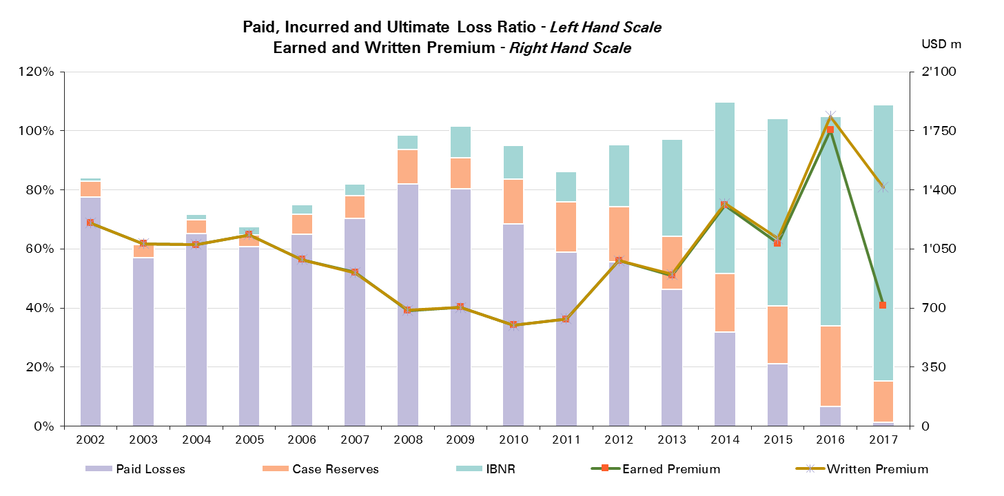
2017 | 715 | 1%

UWY Year | Ult Loss Ratio | Paid Losses | Case Reserves | IBNR
2002 | 84% | 78% | 5% | 1%
2003 | 62% | 57% | 4% | 0%
2004 | 72% | 65% | 5% | 2%
2005 | 68% | 61% | 4% | 3%
2006 | 75% | 65% | 7% | 3%
2007 | 82% | 70% | 8% | 4%
2008 | 99% | 82% | 12% | 5%
2009 | 102% | 80% | 10% | 11%
2010 | 95% | 69% | 15% | 11%
2011 | 86% | 59% | 17% | 10%
2012 | 95% | 56% | 19% | 21%
2013 | 97% | 46% | 18% | 33%
2014 | 110% | 32% | 20% | 58%
2015 | 104% | 21% | 20% | 63%
2016 | 105% | 7% | 27% | 71%
2017 | 109% | 1% | 14% | 94%

Accident & Health and WC
Total Paid and Reported Losses as a Percentage of Ultimate Earned Premium

 |  |  |  |  |  |  |  |  |  |  |  |  |  |  |  |  |  | Accident & Health and WC

UWY Year | Earned Premium in USDm | Reported Loss Ratios per Development Month
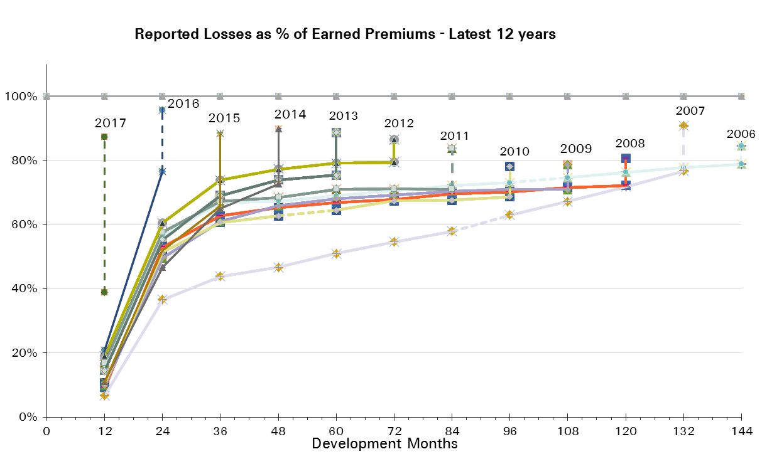
 |  | 12 | 24 | 36 | 48 | 60 | 72 | 84 | 96 | 108 | 120 | 132 | 144 | 156 | 168 | 180 | 192
2002 | 1,506 | 16% | 57% | 70% | 69% | 71% | 76% | 77% | 75% | 77% | 79% | 80% | 81% | 83% | 82% | 83% | 83%
2003 | 1,289 | 16% | 43% | 59% | 63% | 64% | 65% | 69% | 68% | 68% | 69% | 69% | 71% | 72% | 72% | 73%
2004 | 982 | 24% | 51% | 59% | 63% | 63% | 63% | 66% | 66% | 66% | 67% | 68% | 69% | 69% | 70%
2005 | 1,095 | 19% | 51% | 60% | 63% | 65% | 67% | 68% | 69% | 70% | 71% | 72% | 72% | 72%
2006 | 894 | 17% | 56% | 67% | 67% | 69% | 71% | 72% | 73% | 75% | 76% | 78% | 79%
2007 | 953 | 7% | 37% | 44% | 47% | 51% | 55% | 58% | 63% | 67% | 72% | 77%
2008 | 518 | 9% | 53% | 63% | 65% | 67% | 68% | 70% | 70% | 72% | 72%
2009 | 470 | 10% | 50% | 61% | 66% | 68% | 69% | 70% | 71% | 71%
2010 | 336 | 11% | 51% | 61% | 63% | 64% | 67% | 68% | 69%
2011 | 341 | 17% | 58% | 67% | 68% | 71% | 71% | 71%
2012 | 742 | 19% | 61% | 74% | 77% | 79% | 79%
2013 | 458 | 15% | 55% | 69% | 74% | 75%
2014 | 661 | 11% | 47% | 65% | 73%
2015 | 450 | 11% | 52% | 66%
2016 | 1,036 | 21% | 77%
2017 | 544 | 39%

UWY Year | Earned Premium in USDm | Paid Loss Ratios per Development Month
 |  | 12 | 24 | 36 | 48 | 60 | 72 | 84 | 96 | 108 | 120 | 132 | 144 | 156 | 168 | 180 | 192
2002 | 1,506 | 6% | 31% | 43% | 46% | 50% | 52% | 55% | 58% | 60% | 63% | 64% | 67% | 69% | 70% | 72% | 73%
2003 | 1,289 | 3% | 24% | 38% | 43% | 48% | 50% | 54% | 55% | 57% | 59% | 60% | 62% | 63% | 65% | 66%
2004 | 982 | 8% | 29% | 36% | 44% | 46% | 50% | 52% | 54% | 56% | 57% | 58% | 59% | 60% | 61%
2005 | 1,095 | 6% | 26% | 37% | 44% | 50% | 53% | 55% | 57% | 59% | 60% | 62% | 63% | 64%
2006 | 894 | 4% | 27% | 41% | 48% | 53% | 56% | 58% | 60% | 61% | 62% | 64% | 64%
2007 | 953 | 3% | 18% | 29% | 35% | 40% | 44% | 48% | 53% | 56% | 61% | 66%
2008 | 518 | 4% | 28% | 44% | 53% | 57% | 60% | 62% | 64% | 65% | 66%
2009 | 470 | 5% | 31% | 46% | 53% | 57% | 61% | 62% | 64% | 65%
2010 | 336 | 6% | 34% | 48% | 52% | 55% | 57% | 58% | 62%
2011 | 341 | 11% | 40% | 51% | 56% | 59% | 61% | 63%
2012 | 742 | 16% | 50% | 64% | 69% | 72% | 74%
2013 | 458 | 9% | 39% | 54% | 60% | 64%
2014 | 661 | 6% | 30% | 46% | 55%
2015 | 450 | 5% | 32% | 48%
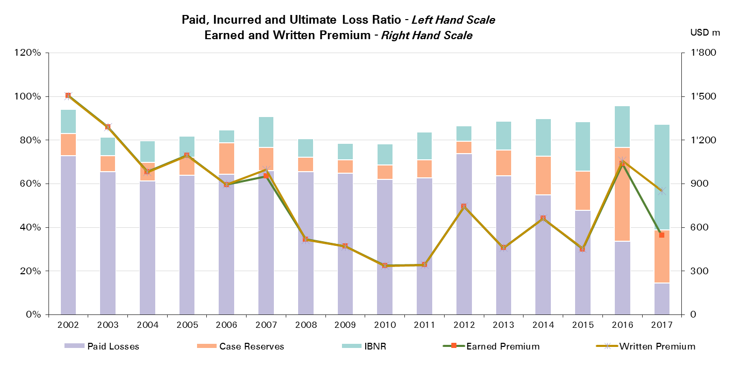
2016 | 1,036 | 7% | 34%
2017 | 544 | 15%

UWY Year | Ult Loss Ratio | Paid Losses | Case Reserves | IBNR
2002 | 94% | 73% | 10% | 11%
2003 | 81% | 66% | 7% | 9%
2004 | 80% | 61% | 8% | 10%
2005 | 82% | 64% | 8% | 10%
2006 | 85% | 64% | 14% | 6%
2007 | 91% | 66% | 11% | 14%
2008 | 81% | 66% | 7% | 9%
2009 | 79% | 65% | 6% | 8%
2010 | 78% | 62% | 7% | 10%
2011 | 84% | 63% | 8% | 13%
2012 | 86% | 74% | 6% | 7%
2013 | 89% | 64% | 12% | 13%
2014 | 90% | 55% | 18% | 17%
2015 | 88% | 48% | 18% | 23%
2016 | 96% | 34% | 43% | 19%
2017 | 87% | 15% | 24% | 49%

Accident & Health Reinsurance
Total Paid and Reported Losses as a Percentage of Ultimate Earned Premium

 |  |  |  |  |  |  |  |  |  |  |  |  |  |  |  |  |  | Accident & Health Reinsurance

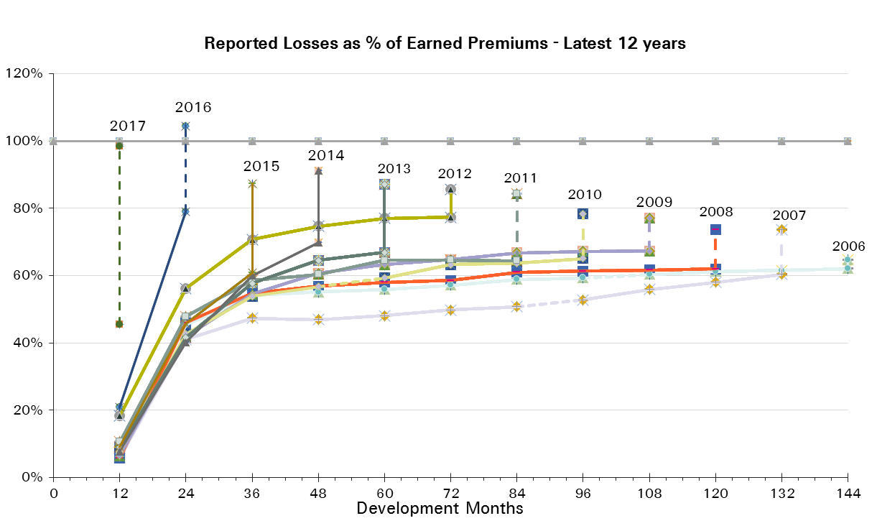
UWY Year | Earned Premium in USDm | Reported Loss Ratios per Development Month

 |  | 12 | 24 | 36 | 48 | 60 | 72 | 84 | 96 | 108 | 120 | 132 | 144 | 156 | 168 | 180 | 192
2002 | 580 | 15% | 57% | 63% | 66% | 67% | 79% | 80% | 72% | 74% | 77% | 77% | 78% | 81% | 79% | 80% | 79%
2003 | 469 | 16% | 44% | 47% | 48% | 49% | 49% | 55% | 50% | 49% | 49% | 49% | 50% | 51% | 52% | 51%
2004 | 430 | 17% | 48% | 51% | 55% | 55% | 55% | 56% | 56% | 56% | 56% | 56% | 56% | 57% | 57%
2005 | 614 | 6% | 44% | 54% | 56% | 57% | 59% | 59% | 61% | 61% | 62% | 62% | 63% | 62%
2006 | 511 | 7% | 45% | 54% | 55% | 56% | 57% | 59% | 59% | 60% | 61% | 62% | 62%
2007 | 463 | 6% | 41% | 47% | 47% | 48% | 50% | 51% | 53% | 56% | 58% | 60%
2008 | 331 | 6% | 46% | 55% | 57% | 58% | 59% | 61% | 61% | 62% | 62%
2009 | 314 | 6% | 42% | 54% | 61% | 63% | 65% | 67% | 67% | 67%
2010 | 240 | 8% | 43% | 54% | 57% | 59% | 63% | 64% | 65%
2011 | 216 | 11% | 48% | 59% | 60% | 65% | 65% | 64%
2012 | 616 | 18% | 56% | 71% | 75% | 77% | 77%
2013 | 296 | 9% | 42% | 58% | 65% | 67%
2014 | 520 | 8% | 40% | 60% | 70%
2015 | 368 | 9% | 46% | 61%
2016 | 734 | 21% | 79%
2017 | 315 | 45%

UWY Year | Earned Premium in USDm | Paid Loss Ratios per Development Month
 |  | 12 | 24 | 36 | 48 | 60 | 72 | 84 | 96 | 108 | 120 | 132 | 144 | 156 | 168 | 180 | 192
2002 | 580 | 2% | 16% | 25% | 30% | 35% | 38% | 41% | 44% | 47% | 51% | 53% | 56% | 59% | 61% | 62% | 64%
2003 | 469 | 1% | 17% | 24% | 31% | 34% | 37% | 39% | 40% | 41% | 42% | 42% | 44% | 44% | 45% | 46%
2004 | 430 | 2% | 21% | 29% | 34% | 36% | 40% | 43% | 45% | 47% | 48% | 48% | 48% | 49% | 50%
2005 | 614 | 0% | 16% | 27% | 35% | 41% | 45% | 46% | 48% | 50% | 51% | 52% | 52% | 53%
2006 | 511 | 2% | 17% | 30% | 38% | 44% | 47% | 50% | 51% | 52% | 53% | 54% | 55%
2007 | 463 | 2% | 14% | 26% | 31% | 35% | 37% | 39% | 41% | 42% | 44% | 47%
2008 | 331 | 1% | 17% | 31% | 43% | 46% | 49% | 51% | 52% | 54% | 55%
2009 | 314 | 2% | 20% | 35% | 45% | 49% | 54% | 55% | 57% | 59%
2010 | 240 | 2% | 19% | 36% | 42% | 46% | 48% | 50% | 56%
2011 | 216 | 2% | 20% | 33% | 41% | 46% | 48% | 51%
2012 | 616 | 15% | 44% | 59% | 65% | 68% | 70%
2013 | 296 | 2% | 17% | 34% | 43% | 49%
2014 | 520 | 2% | 19% | 36% | 47%
2015 | 368 | 2% | 22% | 39%
2016 | 734 | 2% | 19%
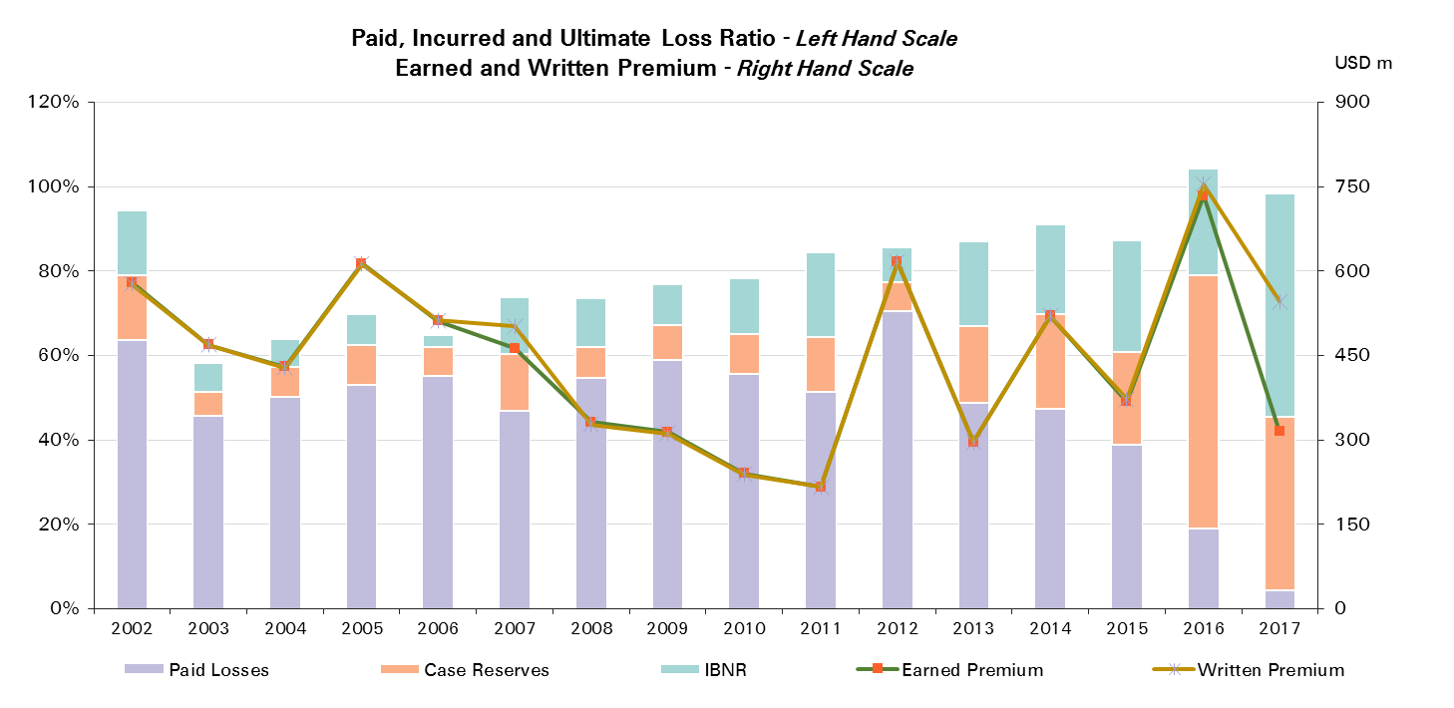
2017 | 315 | 4%

UWY Year | Ult Loss Ratio | Paid Losses | Case Reserves | IBNR
2002 | 94% | 64% | 15% | 15%
2003 | 58% | 46% | 6% | 7%
2004 | 64% | 50% | 7% | 7%
2005 | 70% | 53% | 9% | 7%
2006 | 65% | 55% | 7% | 3%
2007 | 74% | 47% | 14% | 13%
2008 | 74% | 55% | 7% | 12%
2009 | 77% | 59% | 8% | 10%
2010 | 78% | 56% | 9% | 13%
2011 | 84% | 51% | 13% | 20%
2012 | 86% | 70% | 7% | 8%
2013 | 87% | 49% | 18% | 20%
2014 | 91% | 47% | 23% | 21%
2015 | 87% | 39% | 22% | 26%
2016 | 104% | 19% | 60% | 25%
2017 | 98% | 4% | 41% | 53%

Accident & Health CS
Total Paid and Reported Losses as a Percentage of Ultimate Earned Premium

 |  |  |  |  |  |  |  |  |  |  |  |  |  |  |  |  |  | Accident & Health Corporate Solutions

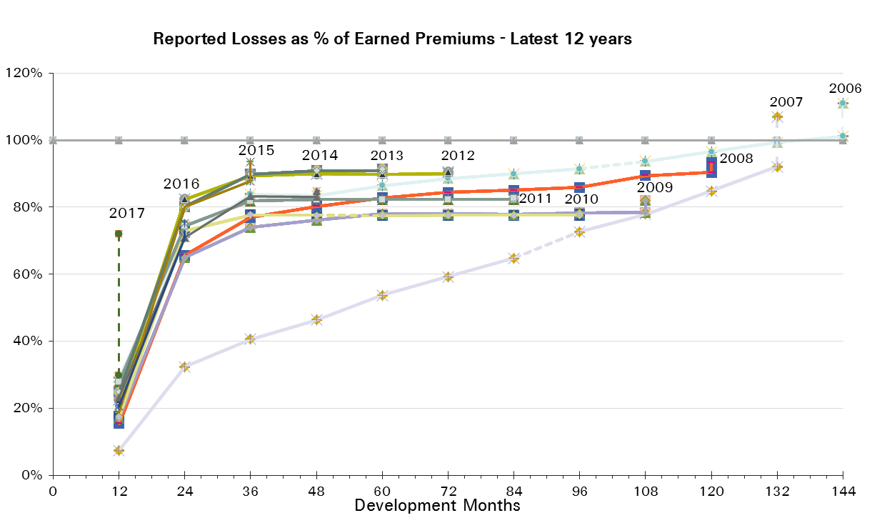
UWY Year | Earned Premium in USDm | Reported Loss Ratios per Development Month

 |  | 12 | 24 | 36 | 48 | 60 | 72 | 84 | 96 | 108 | 120 | 132 | 144 | 156 | 168 | 180 | 192
2002 | 926 | 16% | 57% | 75% | 71% | 73% | 74% | 76% | 77% | 78% | 80% | 81% | 82% | 84% | 85% | 85% | 86%
2003 | 820 | 17% | 42% | 67% | 71% | 72% | 74% | 77% | 78% | 80% | 80% | 81% | 83% | 84% | 84% | 85%
2004 | 552 | 29% | 54% | 66% | 69% | 70% | 70% | 73% | 74% | 75% | 76% | 77% | 79% | 79% | 80%
2005 | 482 | 35% | 60% | 68% | 72% | 75% | 78% | 79% | 80% | 82% | 82% | 83% | 84% | 85%
2006 | 383 | 29% | 71% | 84% | 83% | 86% | 89% | 90% | 91% | 94% | 97% | 99% | 101%
2007 | 490 | 7% | 32% | 41% | 46% | 54% | 59% | 65% | 73% | 78% | 85% | 92%
2008 | 187 | 15% | 66% | 77% | 80% | 83% | 84% | 85% | 86% | 89% | 90%
2009 | 156 | 17% | 65% | 74% | 76% | 78% | 78% | 78% | 78% | 78%
2010 | 96 | 17% | 73% | 78% | 78% | 77% | 78% | 78% | 78%
2011 | 126 | 28% | 74% | 82% | 82% | 82% | 82% | 82%
2012 | 126 | 23% | 82% | 89% | 90% | 90% | 90%
2013 | 163 | 25% | 80% | 90% | 91% | 91%
2014 | 140 | 23% | 71% | 83% | 83%
2015 | 82 | 19% | 80% | 88%
2016 | 303 | 20% | 71%
2017 | 230 | 30%

UWY Year | Earned Premium in USDm | Paid Loss Ratios per Development Month
 |  | 12 | 24 | 36 | 48 | 60 | 72 | 84 | 96 | 108 | 120 | 132 | 144 | 156 | 168 | 180 | 192
2002 | 926 | 9% | 40% | 54% | 56% | 59% | 61% | 64% | 66% | 68% | 70% | 71% | 73% | 75% | 76% | 78% | 79%
2003 | 820 | 4% | 28% | 46% | 51% | 56% | 58% | 63% | 64% | 66% | 69% | 71% | 73% | 74% | 76% | 77%
2004 | 552 | 13% | 35% | 43% | 51% | 54% | 57% | 59% | 61% | 62% | 64% | 66% | 68% | 69% | 70%
2005 | 482 | 15% | 38% | 49% | 55% | 61% | 64% | 66% | 69% | 71% | 73% | 75% | 76% | 77%
2006 | 383 | 8% | 41% | 56% | 61% | 65% | 68% | 70% | 72% | 73% | 74% | 76% | 77%
2007 | 490 | 4% | 22% | 31% | 38% | 45% | 50% | 56% | 64% | 70% | 77% | 84%
2008 | 187 | 9% | 50% | 66% | 72% | 76% | 79% | 82% | 83% | 84% | 85%
2009 | 156 | 12% | 55% | 67% | 71% | 73% | 75% | 76% | 77% | 77%
2010 | 96 | 15% | 72% | 77% | 77% | 77% | 78% | 78% | 78%
2011 | 126 | 27% | 74% | 82% | 82% | 82% | 82% | 82%
2012 | 126 | 22% | 82% | 89% | 90% | 90% | 90%
2013 | 163 | 23% | 79% | 90% | 91% | 91%
2014 | 140 | 20% | 67% | 82% | 83%
2015 | 82 | 18% | 76% | 87%
2016 | 303 | 20% | 69%
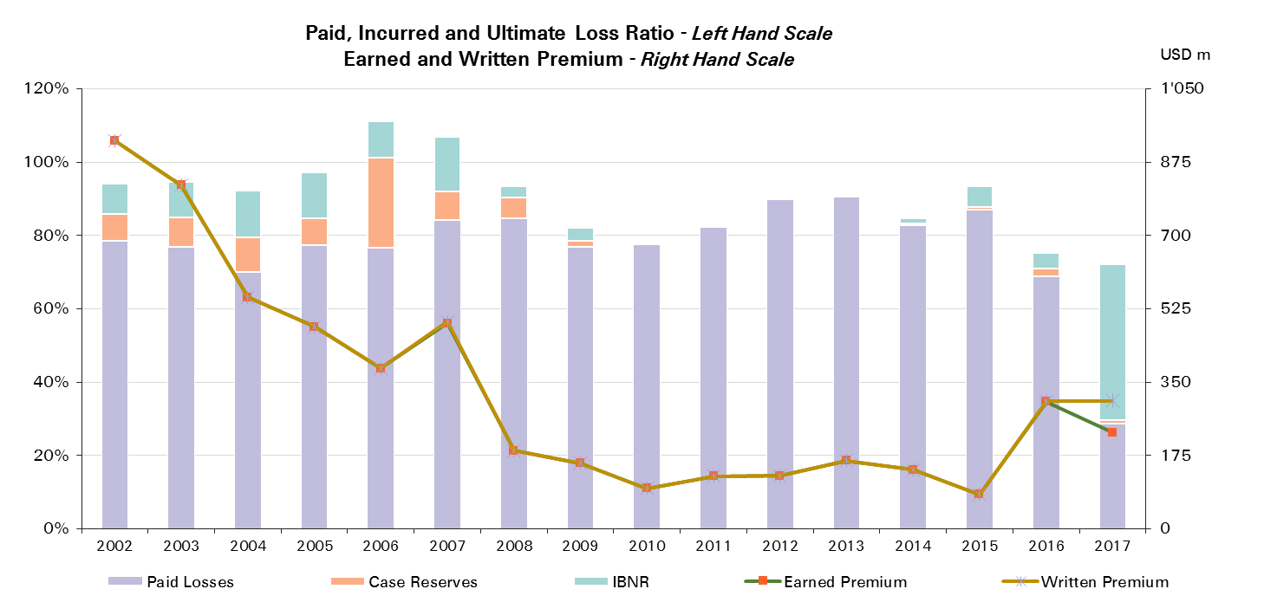
2017 | 230 | 29%

UWY Year | Ult Loss Ratio | Paid Losses | Case Reserves | IBNR
2002 | 94% | 79% | 7% | 8%
2003 | 95% | 77% | 8% | 10%
2004 | 92% | 70% | 10% | 13%
2005 | 97% | 77% | 7% | 12%
2006 | 111% | 77% | 25% | 10%
2007 | 107% | 84% | 8% | 15%
2008 | 93% | 85% | 6% | 3%
2009 | 82% | 77% | 1% | 4%
2010 | 78% | 78% | 0% | 0%
2011 | 83% | 82% | 0% | 0%
2012 | 90% | 90% | 0% | 0%
2013 | 91% | 91% | 0% | 1%
2014 | 85% | 83% | 0% | 2%
2015 | 93% | 87% | 1% | 6%
2016 | 75% | 69% | 2% | 4%
2017 | 72% | 29% | 1% | 42%

Marine
Total Paid and Reported Losses as a Percentage of Ultimate Earned Premium

 |  |  |  |  |  |  |  |  |  |  |  |  |  |  |  |  |  | Marine

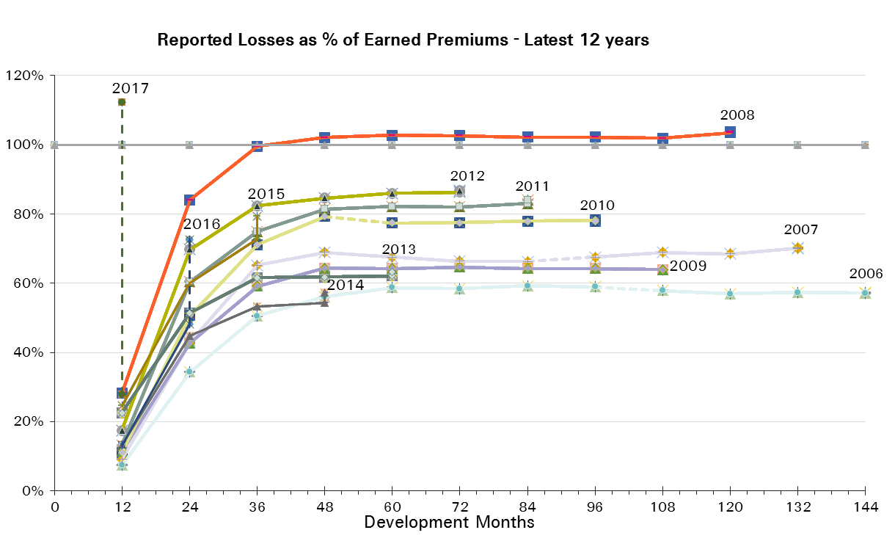
UWY Year | Earned Premium in USDm | Reported Loss Ratios per Development Month

 |  | 12 | 24 | 36 | 48 | 60 | 72 | 84 | 96 | 108 | 120 | 132 | 144 | 156 | 168 | 180 | 192
2002 | 1,072 | 15% | 43% | 64% | 68% | 69% | 69% | 69% | 69% | 68% | 68% | 68% | 68% | 68% | 67% | 67% | 68%
2003 | 1,043 | 13% | 37% | 51% | 56% | 59% | 60% | 60% | 60% | 60% | 60% | 59% | 59% | 59% | 59% | 59%
2004 | 968 | 21% | 65% | 90% | 96% | 98% | 98% | 99% | 99% | 98% | 97% | 97% | 96% | 96% | 96%
2005 | 1,114 | 38% | 149% | 182% | 188% | 188% | 189% | 190% | 191% | 189% | 189% | 189% | 189% | 189%
2006 | 978 | 7% | 34% | 51% | 56% | 59% | 58% | 59% | 59% | 58% | 57% | 57% | 57%
2007 | 816 | 9% | 43% | 65% | 69% | 68% | 66% | 66% | 68% | 69% | 69% | 70%
2008 | 773 | 28% | 84% | 100% | 102% | 103% | 103% | 102% | 102% | 102% | 103%
2009 | 684 | 11% | 43% | 59% | 64% | 64% | 65% | 64% | 64% | 64%
2010 | 577 | 11% | 51% | 71% | 79% | 77% | 78% | 78% | 78%
2011 | 661 | 13% | 60% | 75% | 81% | 82% | 82% | 83%
2012 | 785 | 18% | 70% | 82% | 85% | 86% | 86%
2013 | 802 | 23% | 51% | 62% | 62% | 62%
2014 | 788 | 13% | 45% | 53% | 54%
2015 | 771 | 25% | 60% | 73%
2016 | 754 | 13% | 48%
2017 | 526 | 28%

UWY Year | Earned Premium in USDm | Paid Loss Ratios per Development Month
 |  | 12 | 24 | 36 | 48 | 60 | 72 | 84 | 96 | 108 | 120 | 132 | 144 | 156 | 168 | 180 | 192
2002 | 1,072 | 4% | 26% | 45% | 55% | 60% | 63% | 65% | 66% | 66% | 66% | 67% | 67% | 67% | 67% | 67% | 67%
2003 | 1,043 | 4% | 19% | 35% | 43% | 51% | 54% | 56% | 57% | 58% | 58% | 58% | 58% | 58% | 59% | 59%
2004 | 968 | 3% | 37% | 61% | 75% | 83% | 88% | 91% | 93% | 94% | 94% | 94% | 94% | 94% | 94%
2005 | 1,114 | 3% | 59% | 118% | 143% | 166% | 174% | 178% | 181% | 184% | 184% | 185% | 186% | 186%
2006 | 978 | 2% | 18% | 33% | 43% | 47% | 51% | 52% | 54% | 55% | 55% | 56% | 56%
2007 | 816 | 2% | 21% | 44% | 52% | 56% | 59% | 61% | 62% | 63% | 63% | 68%
2008 | 773 | 3% | 37% | 71% | 86% | 94% | 96% | 98% | 99% | 99% | 101%
2009 | 684 | 2% | 22% | 39% | 46% | 51% | 53% | 61% | 61% | 62%
2010 | 577 | 4% | 24% | 45% | 54% | 59% | 72% | 74% | 75%
2011 | 661 | 4% | 32% | 57% | 67% | 72% | 74% | 78%
2012 | 785 | 6% | 39% | 65% | 74% | 78% | 81%
2013 | 802 | 8% | 31% | 45% | 53% | 56%
2014 | 788 | 4% | 22% | 37% | 45%
2015 | 771 | 3% | 22% | 51%
2016 | 754 | 5% | 27%
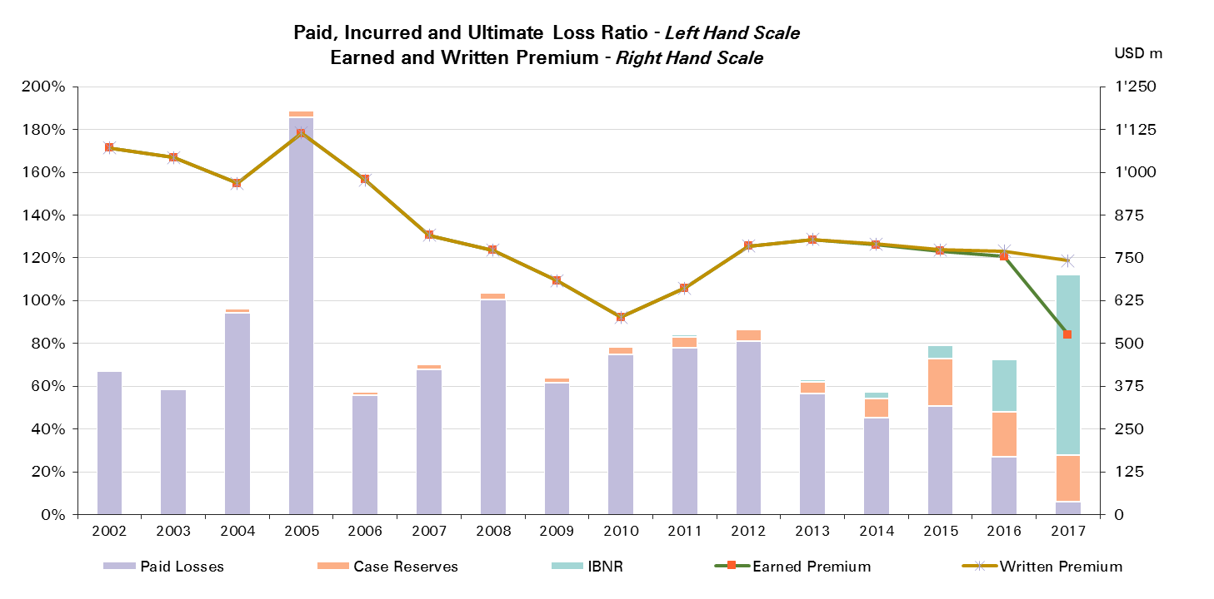
2017 | 526 | 6%

UWY Year | Ult Loss Ratio | Paid Losses | Case Reserves | IBNR
2002 | 68% | 67% | 0% | 0%
2003 | 59% | 59% | 1% | 0%
2004 | 96% | 94% | 2% | 0%
2005 | 189% | 186% | 3% | 0%
2006 | 57% | 56% | 1% | 0%
2007 | 70% | 68% | 2% | 0%
2008 | 104% | 101% | 3% | 0%
2009 | 64% | 62% | 2% | 0%
2010 | 78% | 75% | 3% | 0%
2011 | 84% | 78% | 5% | 1%
2012 | 87% | 81% | 5% | 0%
2013 | 63% | 56% | 6% | 1%
2014 | 57% | 45% | 9% | 3%
2015 | 79% | 51% | 22% | 6%
2016 | 72% | 27% | 21% | 24%
2017 | 112% | 6% | 22% | 85%

Marine Reinsurance
Total Paid and Reported Losses as a Percentage of Ultimate Earned Premium

 |  |  |  |  |  |  |  |  |  |  |  |  |  |  |  |  |  | Marine Reinsurance

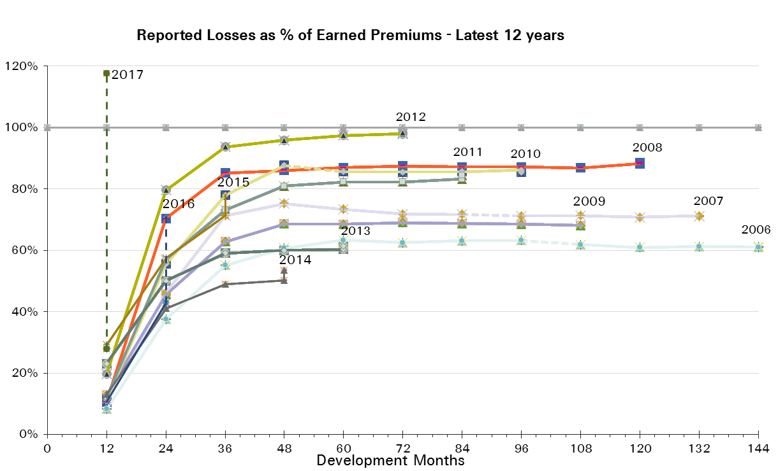
UWY Year | Earned Premium in USDm | Reported Loss Ratios per Development Month

 |  | 12 | 24 | 36 | 48 | 60 | 72 | 84 | 96 | 108 | 120 | 132 | 144 | 156 | 168 | 180 | 192
2002 | 1,019 | 16% | 44% | 64% | 68% | 68% | 68% | 68% | 68% | 67% | 67% | 67% | 67% | 66% | 66% | 66% | 66%
2003 | 985 | 14% | 38% | 51% | 55% | 58% | 58% | 58% | 58% | 58% | 58% | 58% | 58% | 58% | 58% | 58%
2004 | 914 | 20% | 63% | 86% | 93% | 95% | 95% | 95% | 95% | 94% | 93% | 93% | 93% | 92% | 93%
2005 | 1,035 | 34% | 150% | 184% | 189% | 189% | 190% | 191% | 192% | 190% | 190% | 190% | 190% | 190%
2006 | 845 | 8% | 37% | 55% | 61% | 63% | 62% | 63% | 63% | 62% | 61% | 61% | 61%
2007 | 691 | 10% | 46% | 71% | 75% | 73% | 72% | 72% | 71% | 71% | 71% | 71%
2008 | 637 | 11% | 70% | 85% | 86% | 87% | 87% | 87% | 87% | 87% | 88%
2009 | 516 | 13% | 46% | 63% | 69% | 69% | 69% | 69% | 68% | 68%
2010 | 457 | 11% | 55% | 78% | 88% | 86% | 85% | 86% | 86%
2011 | 550 | 12% | 57% | 73% | 81% | 82% | 82% | 83%
2012 | 623 | 20% | 80% | 94% | 96% | 97% | 98%
2013 | 617 | 23% | 50% | 59% | 60% | 60%
2014 | 568 | 13% | 41% | 49% | 50%
2015 | 548 | 29% | 57% | 71%
2016 | 524 | 11% | 43%
2017 | 388 | 28%

UWY Year | Earned Premium in USDm | Paid Loss Ratios per Development Month
 |  | 12 | 24 | 36 | 48 | 60 | 72 | 84 | 96 | 108 | 120 | 132 | 144 | 156 | 168 | 180 | 192
2002 | 1,019 | 4% | 26% | 46% | 55% | 60% | 62% | 64% | 65% | 65% | 65% | 65% | 66% | 66% | 66% | 66% | 66%
2003 | 985 | 4% | 19% | 35% | 43% | 49% | 52% | 54% | 55% | 56% | 56% | 56% | 57% | 57% | 57% | 57%
2004 | 914 | 3% | 34% | 56% | 72% | 79% | 84% | 87% | 89% | 90% | 90% | 90% | 90% | 90% | 90%
2005 | 1,035 | 3% | 62% | 122% | 148% | 166% | 174% | 178% | 181% | 184% | 185% | 186% | 186% | 187%
2006 | 845 | 2% | 20% | 36% | 46% | 51% | 54% | 56% | 57% | 59% | 59% | 59% | 60%
2007 | 691 | 3% | 23% | 47% | 56% | 60% | 64% | 66% | 67% | 68% | 68% | 69%
2008 | 637 | 2% | 29% | 58% | 70% | 78% | 81% | 82% | 84% | 84% | 86%
2009 | 516 | 3% | 24% | 41% | 48% | 54% | 56% | 65% | 65% | 65%
2010 | 457 | 5% | 27% | 49% | 58% | 63% | 80% | 81% | 82%
2011 | 550 | 4% | 28% | 54% | 64% | 71% | 73% | 77%
2012 | 623 | 6% | 45% | 74% | 84% | 88% | 92%
2013 | 617 | 7% | 31% | 44% | 51% | 54%
2014 | 568 | 4% | 22% | 35% | 41%
2015 | 548 | 3% | 20% | 49%
2016 | 524 | 3% | 23%
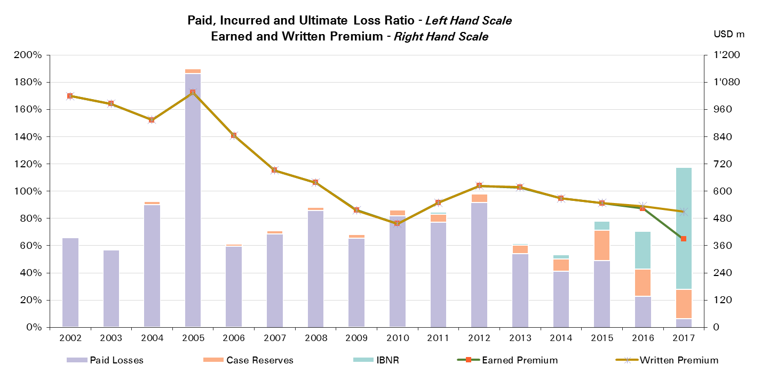
2017 | 388 | 6%

UWY Year | Ult Loss Ratio | Paid Losses | Case Reserves | IBNR
2002 | 66% | 66% | 0% | 0%
2003 | 57% | 57% | 1% | 0%
2004 | 93% | 90% | 2% | 0%
2005 | 190% | 187% | 3% | 0%
2006 | 61% | 60% | 2% | 0%
2007 | 71% | 69% | 3% | 0%
2008 | 89% | 86% | 2% | 0%
2009 | 68% | 65% | 3% | 0%
2010 | 86% | 82% | 4% | -1%
2011 | 84% | 77% | 6% | 1%
2012 | 98% | 92% | 6% | 0%
2013 | 61% | 54% | 6% | 1%
2014 | 54% | 41% | 9% | 3%
2015 | 78% | 49% | 22% | 7%
2016 | 71% | 23% | 20% | 28%
2017 | 118% | 6% | 22% | 90%

Marine CS
Total Paid and Reported Losses as a Percentage of Ultimate Earned Premium

 |  |  |  |  |  |  |  |  |  |  |  |  |  |  |  |  |  | Marine Corporate Solutions

UWY Year | Earned Premium in USDm | Reported Loss Ratios per Development Month
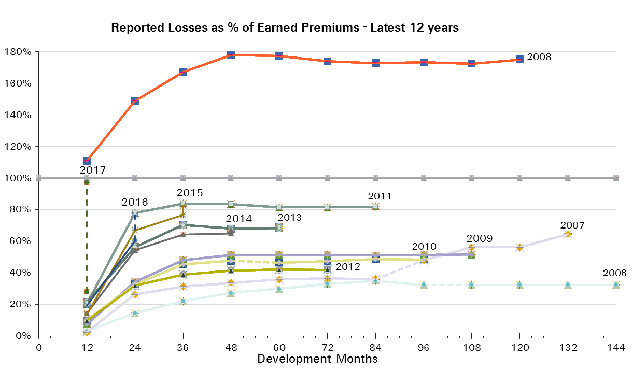
 |  | 12 | 24 | 36 | 48 | 60 | 72 | 84 | 96 | 108 | 120 | 132 | 144 | 156 | 168 | 180 | 192
2002 | 52 | 7% | 31% | 60% | 72% | 89% | 88% | 89% | 89% | 89% | 89% | 90% | 90% | 90% | 90% | 90% | 90%
2003 | 59 | 5% | 31% | 51% | 82% | 89% | 89% | 89% | 88% | 89% | 89% | 89% | 89% | 89% | 89% | 89%
2004 | 54 | 41% | 97% | 149% | 155% | 162% | 161% | 161% | 160% | 160% | 159% | 159% | 160% | 160% | 160%
2005 | 80 | 90% | 128% | 155% | 175% | 178% | 179% | 179% | 179% | 178% | 178% | 178% | 178% | 178%
2006 | 133 | 3% | 14% | 22% | 27% | 30% | 33% | 35% | 32% | 32% | 32% | 32% | 32%
2007 | 125 | 2% | 26% | 31% | 34% | 36% | 36% | 36% | 48% | 56% | 56% | 65%
2008 | 136 | 111% | 149% | 167% | 178% | 177% | 174% | 173% | 173% | 173% | 175%
2009 | 168 | 7% | 34% | 48% | 51% | 51% | 51% | 51% | 51% | 52%
2010 | 120 | 10% | 33% | 45% | 48% | 46% | 47% | 49% | 48%
2011 | 112 | 20% | 78% | 84% | 84% | 81% | 81% | 82%
2012 | 162 | 10% | 32% | 39% | 42% | 42% | 42%
2013 | 186 | 21% | 56% | 70% | 68% | 68%
2014 | 220 | 14% | 54% | 64% | 65%
2015 | 223 | 14% | 67% | 77%
2016 | 230 | 19% | 60%
2017 | 138 | 28%

UWY Year | Earned Premium in USDm | Paid Loss Ratios per Development Month
 |  | 12 | 24 | 36 | 48 | 60 | 72 | 84 | 96 | 108 | 120 | 132 | 144 | 156 | 168 | 180 | 192
2002 | 52 | 3% | 14% | 38% | 59% | 71% | 82% | 86% | 87% | 89% | 89% | 90% | 90% | 90% | 90% | 90% | 90%
2003 | 59 | 1% | 14% | 31% | 59% | 82% | 86% | 86% | 88% | 89% | 89% | 89% | 89% | 89% | 89% | 89%
2004 | 54 | 4% | 74% | 129% | 140% | 148% | 152% | 158% | 159% | 159% | 159% | 159% | 159% | 159% | 159%
2005 | 80 | 3% | 30% | 63% | 85% | 166% | 174% | 175% | 176% | 177% | 177% | 177% | 177% | 177%
2006 | 133 | 0% | 4% | 14% | 19% | 23% | 26% | 27% | 32% | 32% | 32% | 32% | 32%
2007 | 125 | 1% | 11% | 25% | 28% | 32% | 33% | 35% | 35% | 35% | 35% | 65%
2008 | 136 | 9% | 77% | 131% | 160% | 166% | 169% | 170% | 170% | 171% | 171%
2009 | 168 | 1% | 16% | 33% | 41% | 44% | 47% | 49% | 50% | 51%
2010 | 120 | 2% | 13% | 31% | 38% | 44% | 44% | 45% | 47%
2011 | 112 | 8% | 52% | 70% | 80% | 79% | 81% | 81%
2012 | 162 | 4% | 18% | 29% | 36% | 40% | 41%
2013 | 186 | 9% | 31% | 49% | 60% | 65%
2014 | 220 | 3% | 22% | 43% | 56%
2015 | 223 | 5% | 27% | 54%
2016 | 230 | 8% | 36%
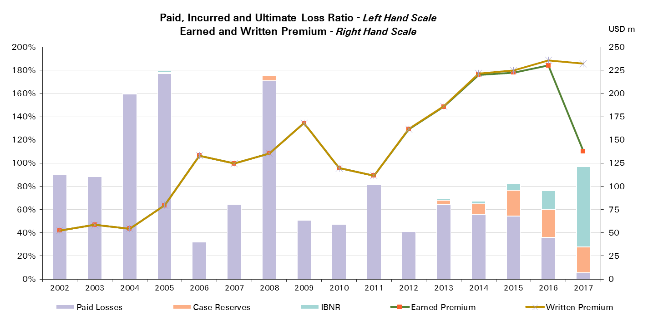
2017 | 138 | 5%

UWY Year | Ult Loss Ratio | Paid Losses | Case Reserves | IBNR
2002 | 90% | 90% | 0% | 0%
2003 | 89% | 89% | 0% | 0%
2004 | 160% | 159% | 0% | 0%
2005 | 180% | 177% | 1% | 2%
2006 | 32% | 32% | 0% | 0%
2007 | 65% | 65% | 0% | 0%
2008 | 175% | 171% | 4% | 0%
2009 | 52% | 51% | 1% | 0%
2010 | 48% | 47% | 1% | 0%
2011 | 82% | 81% | 1% | 0%
2012 | 42% | 41% | 1% | 1%
2013 | 69% | 65% | 4% | 1%
2014 | 67% | 56% | 9% | 2%
2015 | 83% | 54% | 23% | 6%
2016 | 76% | 36% | 24% | 16%
2017 | 97% | 5% | 22% | 69%

Engineering
Total Paid and Reported Losses as a Percentage of Ultimate Earned Premium

 |  |  |  |  |  |  |  |  |  |  |  |  |  |  |  |  |  | Engineering

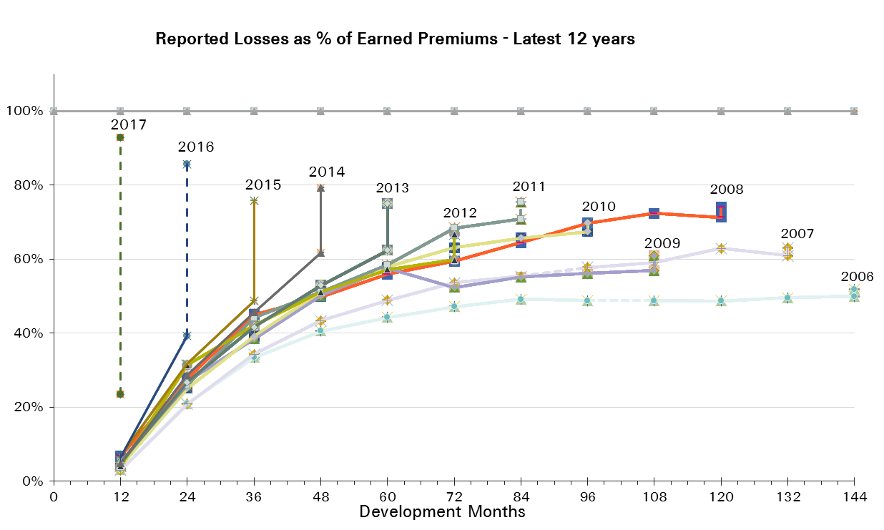
UWY Year | Earned Premium in USDm | Reported Loss Ratios per Development Month

 |  | 12 | 24 | 36 | 48 | 60 | 72 | 84 | 96 | 108 | 120 | 132 | 144 | 156 | 168 | 180 | 192
2002 | 740 | 11% | 31% | 44% | 51% | 57% | 58% | 58% | 60% | 60% | 61% | 62% | 62% | 62% | 62% | 62% | 61%
2003 | 740 | 8% | 24% | 33% | 42% | 45% | 48% | 50% | 50% | 50% | 51% | 50% | 50% | 50% | 50% | 50%
2004 | 794 | 9% | 24% | 34% | 43% | 48% | 49% | 49% | 51% | 51% | 52% | 52% | 51% | 51% | 52%
2005 | 813 | 4% | 21% | 32% | 39% | 42% | 45% | 46% | 47% | 48% | 48% | 48% | 48% | 48%
2006 | 797 | 3% | 21% | 33% | 41% | 44% | 47% | 49% | 49% | 49% | 49% | 50% | 50%
2007 | 750 | 3% | 21% | 34% | 43% | 49% | 54% | 55% | 58% | 59% | 63% | 61%
2008 | 609 | 7% | 28% | 45% | 50% | 56% | 59% | 64% | 70% | 72% | 71%
2009 | 562 | 5% | 27% | 38% | 50% | 58% | 52% | 55% | 56% | 57%
2010 | 482 | 4% | 25% | 39% | 51% | 58% | 63% | 66% | 67%
2011 | 561 | 5% | 26% | 44% | 51% | 58% | 68% | 71%
2012 | 580 | 4% | 31% | 42% | 51% | 57% | 60%
2013 | 616 | 5% | 27% | 42% | 53% | 62%
2014 | 611 | 5% | 29% | 46% | 62%
2015 | 632 | 7% | 32% | 49%
2016 | 565 | 6% | 39%
2017 | 307 | 23%

UWY Year | Earned Premium in USDm | Paid Loss Ratios per Development Month
 |  | 12 | 24 | 36 | 48 | 60 | 72 | 84 | 96 | 108 | 120 | 132 | 144 | 156 | 168 | 180 | 192
2002 | 740 | 1% | 16% | 27% | 38% | 42% | 47% | 50% | 52% | 53% | 55% | 56% | 57% | 58% | 58% | 59% | 59%
2003 | 740 | 1% | 11% | 22% | 29% | 33% | 37% | 40% | 42% | 43% | 44% | 45% | 46% | 46% | 47% | 46%
2004 | 794 | 0% | 12% | 21% | 27% | 33% | 37% | 40% | 43% | 44% | 45% | 46% | 46% | 46% | 47%
2005 | 813 | 1% | 8% | 17% | 24% | 30% | 34% | 37% | 39% | 41% | 43% | 44% | 45% | 45%
2006 | 797 | 1% | 9% | 19% | 26% | 32% | 37% | 39% | 41% | 43% | 44% | 45% | 45%
2007 | 750 | 1% | 10% | 20% | 28% | 34% | 40% | 46% | 49% | 52% | 55% | 57%
2008 | 609 | 2% | 13% | 25% | 35% | 42% | 47% | 52% | 55% | 62% | 65%
2009 | 562 | 1% | 11% | 23% | 31% | 38% | 43% | 46% | 48% | 50%
2010 | 482 | 1% | 12% | 24% | 33% | 39% | 47% | 51% | 55%
2011 | 561 | 1% | 11% | 23% | 32% | 40% | 46% | 52%
2012 | 580 | 1% | 12% | 24% | 32% | 39% | 45%
2013 | 616 | 1% | 10% | 22% | 34% | 42%
2014 | 611 | 1% | 12% | 27% | 40%
2015 | 632 | 1% | 10% | 25%
2016 | 565 | 1% | 15%
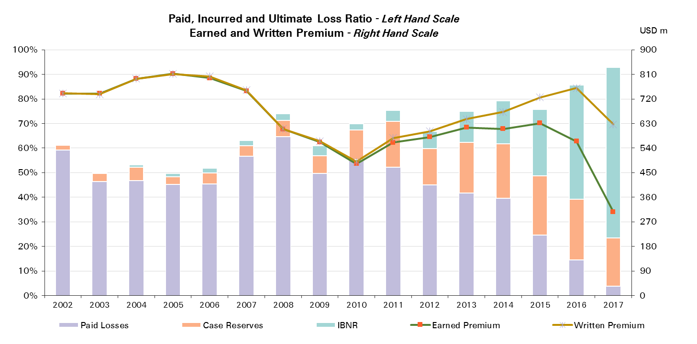
2017 | 307 | 4%

UWY Year | Ult Loss Ratio | Paid Losses | Case Reserves | IBNR
2002 | 61% | 59% | 2% | 0%
2003 | 50% | 46% | 3% | 0%
2004 | 53% | 47% | 5% | 1%
2005 | 50% | 45% | 3% | 1%
2006 | 52% | 45% | 5% | 2%
2007 | 63% | 57% | 4% | 2%
2008 | 74% | 65% | 7% | 3%
2009 | 61% | 50% | 7% | 4%
2010 | 70% | 55% | 12% | 2%
2011 | 75% | 52% | 19% | 5%
2012 | 67% | 45% | 15% | 7%
2013 | 75% | 42% | 21% | 13%
2014 | 79% | 40% | 22% | 18%
2015 | 76% | 25% | 24% | 27%
2016 | 86% | 15% | 25% | 46%
2017 | 93% | 4% | 20% | 69%

Engineering Reinsurance
Total Paid and Reported Losses as a Percentage of Ultimate Earned Premium

 |  |  |  |  |  |  |  |  |  |  |  |  |  |  |  |  |  | Engineering Reinsurance

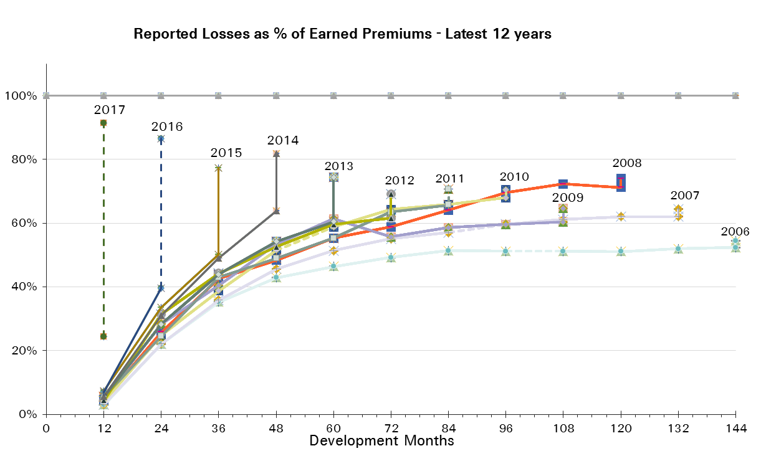
UWY Year | Earned Premium in USDm | Reported Loss Ratios per Development Month

 |  | 12 | 24 | 36 | 48 | 60 | 72 | 84 | 96 | 108 | 120 | 132 | 144 | 156 | 168 | 180 | 192
2002 | 659 | 12% | 34% | 47% | 54% | 59% | 62% | 61% | 63% | 63% | 64% | 65% | 66% | 66% | 65% | 65% | 64%
2003 | 676 | 8% | 24% | 33% | 42% | 46% | 48% | 51% | 51% | 51% | 52% | 51% | 51% | 51% | 51% | 51%
2004 | 721 | 9% | 25% | 36% | 45% | 50% | 52% | 52% | 54% | 54% | 55% | 55% | 54% | 54% | 55%
2005 | 723 | 4% | 22% | 34% | 41% | 45% | 48% | 49% | 49% | 50% | 50% | 50% | 51% | 51%
2006 | 720 | 3% | 22% | 35% | 43% | 46% | 49% | 51% | 51% | 51% | 51% | 52% | 52%
2007 | 683 | 3% | 22% | 36% | 46% | 51% | 55% | 57% | 60% | 61% | 62% | 62%
2008 | 589 | 5% | 26% | 43% | 48% | 55% | 59% | 64% | 70% | 72% | 71%
2009 | 511 | 5% | 28% | 40% | 53% | 61% | 56% | 59% | 60% | 60%
2010 | 444 | 4% | 25% | 39% | 52% | 59% | 64% | 66% | 68%
2011 | 500 | 5% | 25% | 43% | 49% | 55% | 64% | 66%
2012 | 493 | 4% | 31% | 44% | 53% | 60% | 62%
2013 | 525 | 6% | 28% | 44% | 54% | 60%
2014 | 518 | 6% | 31% | 49% | 64%
2015 | 549 | 7% | 33% | 50%
2016 | 502 | 7% | 40%
2017 | 274 | 24%

UWY Year | Earned Premium in USDm | Paid Loss Ratios per Development Month
 |  | 12 | 24 | 36 | 48 | 60 | 72 | 84 | 96 | 108 | 120 | 132 | 144 | 156 | 168 | 180 | 192
2002 | 659 | 1% | 17% | 30% | 40% | 44% | 50% | 52% | 54% | 55% | 58% | 59% | 60% | 61% | 61% | 62% | 62%
2003 | 676 | 1% | 11% | 21% | 28% | 33% | 37% | 40% | 42% | 44% | 44% | 45% | 46% | 47% | 47% | 47%
2004 | 721 | 0% | 13% | 22% | 29% | 35% | 40% | 43% | 46% | 46% | 47% | 48% | 48% | 49% | 49%
2005 | 723 | 1% | 9% | 19% | 26% | 32% | 35% | 40% | 42% | 43% | 45% | 46% | 47% | 48%
2006 | 720 | 1% | 9% | 19% | 28% | 34% | 38% | 41% | 43% | 45% | 46% | 47% | 47%
2007 | 683 | 1% | 10% | 21% | 30% | 36% | 42% | 47% | 51% | 54% | 56% | 58%
2008 | 589 | 1% | 12% | 23% | 33% | 40% | 46% | 51% | 54% | 62% | 64%
2009 | 511 | 1% | 11% | 24% | 33% | 40% | 45% | 48% | 51% | 53%
2010 | 444 | 1% | 12% | 24% | 32% | 38% | 46% | 51% | 55%
2011 | 500 | 1% | 10% | 22% | 30% | 38% | 43% | 48%
2012 | 493 | 1% | 12% | 25% | 32% | 40% | 46%
2013 | 525 | 1% | 10% | 24% | 35% | 42%
2014 | 518 | 1% | 14% | 30% | 41%
2015 | 549 | 2% | 11% | 26%
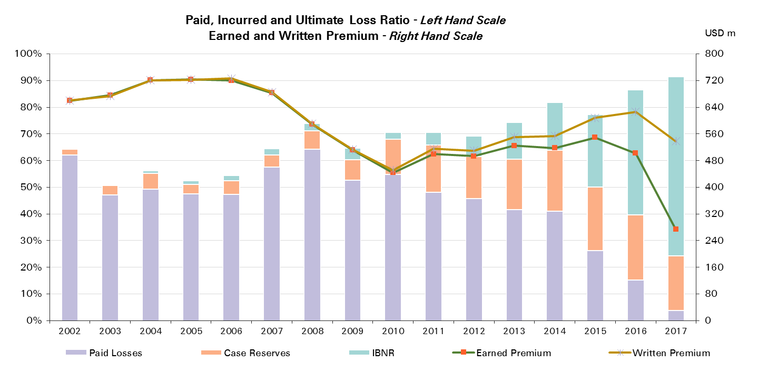
2016 | 502 | 1% | 15%
2017 | 274 | 4%

UWY Year | Ult Loss Ratio | Paid Losses | Case Reserves | IBNR
2002 | 64% | 62% | 2% | 0%
2003 | 51% | 47% | 4% | 0%
2004 | 56% | 49% | 6% | 1%
2005 | 52% | 48% | 3% | 1%
2006 | 54% | 47% | 5% | 2%
2007 | 64% | 58% | 5% | 2%
2008 | 74% | 64% | 7% | 3%
2009 | 65% | 53% | 8% | 4%
2010 | 71% | 55% | 13% | 3%
2011 | 71% | 48% | 18% | 5%
2012 | 69% | 46% | 16% | 8%
2013 | 74% | 42% | 19% | 14%
2014 | 82% | 41% | 23% | 18%
2015 | 77% | 26% | 24% | 27%
2016 | 86% | 15% | 24% | 47%
2017 | 91% | 4% | 21% | 67%

Engineering CS
Total Paid and Reported Losses as a Percentage of Ultimate Earned Premium

 |  |  |  |  |  |  |  |  |  |  |  |  |  |  |  |  |  | Engineering Corporate Solutions

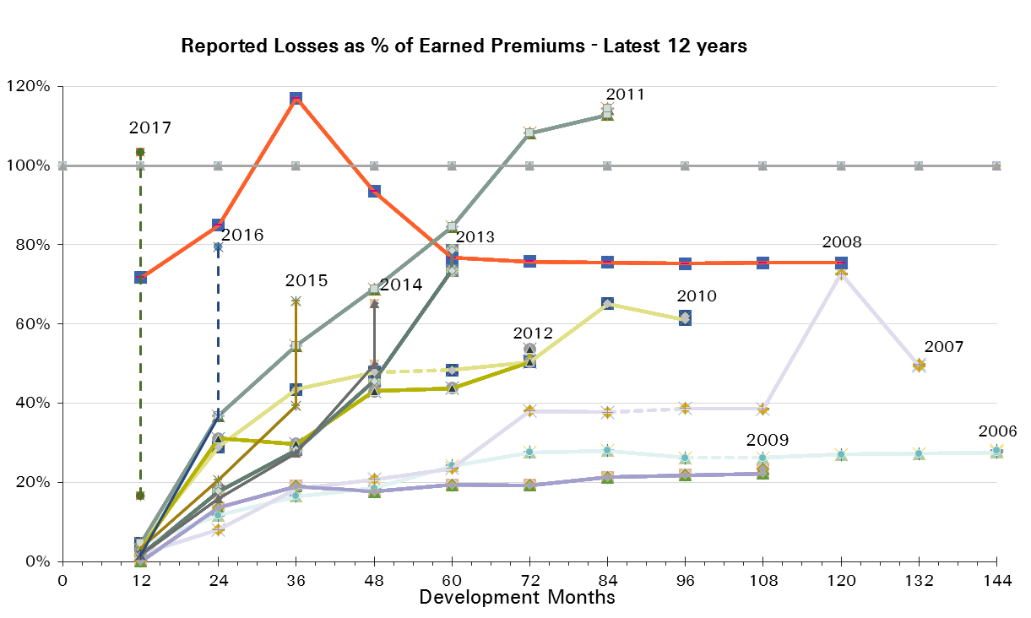
UWY Year | Earned Premium in USDm | Reported Loss Ratios per Development Month

 |  | 12 | 24 | 36 | 48 | 60 | 72 | 84 | 96 | 108 | 120 | 132 | 144 | 156 | 168 | 180 | 192
2002 | 81 | 9% | 9% | 15% | 25% | 36% | 33% | 34% | 35% | 35% | 36% | 36% | 37% | 37% | 37% | 36% | 36%
2003 | 64 | 8% | 21% | 32% | 40% | 43% | 47% | 43% | 42% | 43% | 43% | 42% | 42% | 42% | 42% | 39%
2004 | 73 | 1% | 7% | 9% | 19% | 23% | 20% | 20% | 19% | 23% | 23% | 23% | 23% | 23% | 23%
2005 | 90 | 1% | 9% | 14% | 15% | 23% | 23% | 26% | 27% | 27% | 27% | 27% | 27% | 27%
2006 | 77 | 4% | 12% | 16% | 19% | 24% | 28% | 28% | 26% | 26% | 27% | 27% | 28%
2007 | 66 | 2% | 8% | 18% | 21% | 24% | 38% | 38% | 39% | 39% | 73% | 49%
2008 | 21 | 72% | 85% | 117% | 93% | 77% | 76% | 76% | 75% | 75% | 75%
2009 | 51 | 0% | 14% | 19% | 18% | 19% | 19% | 21% | 22% | 22%
2010 | 39 | 5% | 29% | 43% | 48% | 48% | 50% | 65% | 61%
2011 | 61 | 5% | 37% | 55% | 69% | 85% | 108% | 113%
2012 | 87 | 3% | 31% | 30% | 43% | 44% | 50%
2013 | 91 | 2% | 18% | 28% | 46% | 73%
2014 | 93 | 2% | 16% | 28% | 50%
2015 | 83 | 3% | 21% | 39%
2016 | 63 | 2% | 36%
2017 | 33 | 16%

UWY Year | Earned Premium in USDm | Paid Loss Ratios per Development Month
 |  | 12 | 24 | 36 | 48 | 60 | 72 | 84 | 96 | 108 | 120 | 132 | 144 | 156 | 168 | 180 | 192
2002 | 81 | 2% | 7% | 8% | 22% | 23% | 28% | 30% | 32% | 33% | 35% | 35% | 35% | 35% | 36% | 36% | 36%
2003 | 64 | 0% | 13% | 28% | 32% | 33% | 37% | 40% | 40% | 41% | 41% | 41% | 41% | 41% | 41% | 39%
2004 | 73 | 0% | 2% | 6% | 8% | 11% | 16% | 18% | 19% | 22% | 22% | 22% | 22% | 23% | 23%
2005 | 90 | 1% | 2% | 5% | 8% | 14% | 18% | 19% | 20% | 23% | 24% | 24% | 26% | 26%
2006 | 77 | 3% | 6% | 12% | 15% | 17% | 21% | 21% | 24% | 26% | 26% | 26% | 27%
2007 | 66 | 1% | 3% | 6% | 13% | 17% | 23% | 33% | 35% | 37% | 47% | 48%
2008 | 21 | 24% | 30% | 57% | 83% | 73% | 73% | 74% | 75% | 75% | 75%
2009 | 51 | 0% | 5% | 8% | 12% | 14% | 18% | 18% | 20% | 21%
2010 | 39 | 0% | 16% | 29% | 45% | 47% | 49% | 51% | 60%
2011 | 61 | 3% | 19% | 38% | 46% | 55% | 65% | 85%
2012 | 87 | 0% | 9% | 17% | 33% | 37% | 40%
2013 | 91 | 0% | 4% | 12% | 28% | 42%
2014 | 93 | 0% | 5% | 14% | 32%
2015 | 83 | 0% | 5% | 13%
2016 | 63 | 0% | 10%
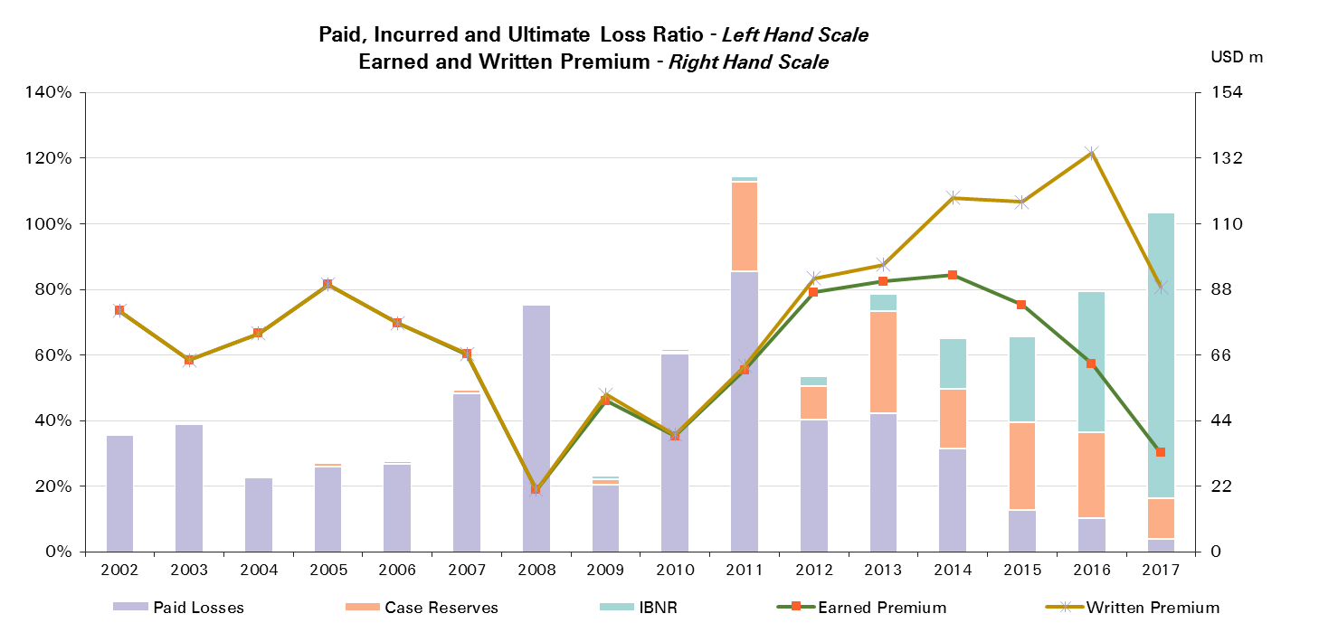
2017 | 33 | 4%

UWY Year | Ult Loss Ratio | Paid Losses | Case Reserves | IBNR
2002 | 36% | 36% | 0% | 0%
2003 | 39% | 39% | 0% | 0%
2004 | 23% | 23% | 0% | 0%
2005 | 27% | 26% | 1% | 0%
2006 | 28% | 27% | 1% | 0%
2007 | 50% | 48% | 1% | 0%
2008 | 75% | 75% | 0% | 0%
2009 | 23% | 21% | 2% | 1%
2010 | 62% | 60% | 1% | 1%
2011 | 115% | 85% | 27% | 2%
2012 | 54% | 40% | 10% | 3%
2013 | 79% | 42% | 31% | 5%
2014 | 65% | 32% | 18% | 15%
2015 | 66% | 13% | 27% | 26%
2016 | 79% | 10% | 26% | 43%
2017 | 103% | 4% | 12% | 87%

Aviation & Space
Total Paid and Reported Losses as a Percentage of Ultimate Earned Premium

 |  |  |  |  |  |  |  |  |  |  |  |  |  |  |  |  |  | Aviation & Space

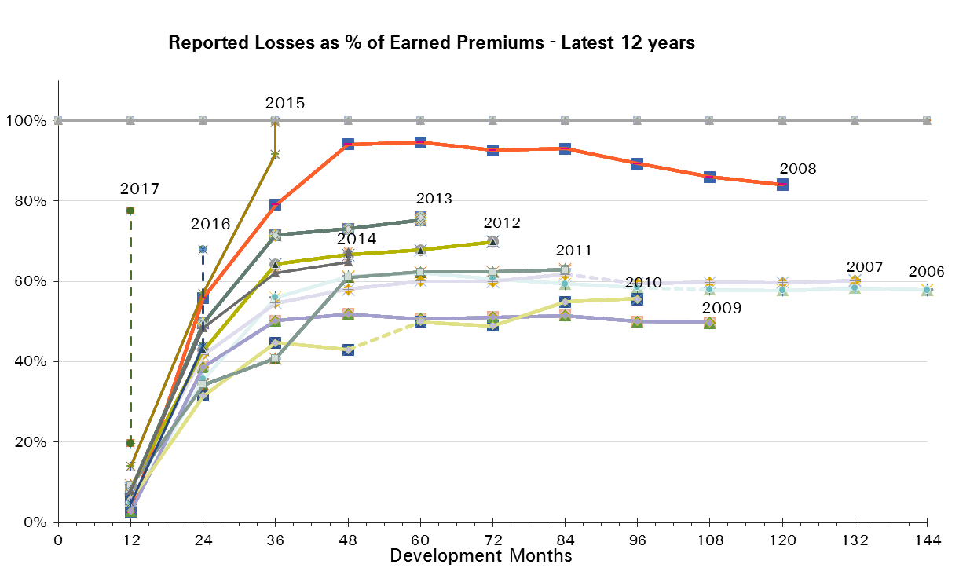
UWY Year | Earned Premium in USDm | Reported Loss Ratios per Development Month

 |  | 12 | 24 | 36 | 48 | 60 | 72 | 84 | 96 | 108 | 120 | 132 | 144 | 156 | 168 | 180 | 192
2002 | 1,186 | 4% | 25% | 35% | 35% | 38% | 37% | 37% | 36% | 37% | 36% | 36% | 36% | 36% | 36% | 35% | 35%
2003 | 1,082 | 3% | 19% | 26% | 28% | 29% | 29% | 29% | 29% | 28% | 28% | 27% | 27% | 27% | 27% | 26%
2004 | 1,072 | 4% | 24% | 33% | 36% | 38% | 38% | 38% | 38% | 38% | 37% | 37% | 37% | 37% | 36%
2005 | 936 | 7% | 30% | 40% | 48% | 48% | 49% | 49% | 48% | 48% | 47% | 47% | 46% | 46%
2006 | 702 | 5% | 36% | 56% | 61% | 62% | 61% | 59% | 59% | 58% | 58% | 58% | 58%
2007 | 620 | 9% | 42% | 55% | 58% | 60% | 60% | 62% | 59% | 60% | 60% | 60%
2008 | 626 | 2% | 56% | 79% | 94% | 95% | 93% | 93% | 89% | 86% | 84%
2009 | 496 | 3% | 39% | 50% | 52% | 51% | 51% | 51% | 50% | 50%
2010 | 589 | 6% | 32% | 45% | 43% | 50% | 49% | 55% | 56%
2011 | 467 | 9% | 34% | 41% | 61% | 62% | 62% | 63%
2012 | 465 | 9% | 43% | 64% | 67% | 68% | 70%
2013 | 367 | 8% | 50% | 72% | 73% | 75%
2014 | 419 | 8% | 48% | 62% | 65%
2015 | 469 | 14% | 57% | 92%
2016 | 470 | 5% | 44%
2017 | 191 | 20%

UWY Year | Earned Premium in USDm | Paid Loss Ratios per Development Month
 |  | 12 | 24 | 36 | 48 | 60 | 72 | 84 | 96 | 108 | 120 | 132 | 144 | 156 | 168 | 180 | 192
2002 | 1,186 | 1% | 15% | 24% | 27% | 30% | 32% | 33% | 34% | 34% | 35% | 35% | 35% | 35% | 35% | 35% | 35%
2003 | 1,082 | 1% | 9% | 16% | 20% | 23% | 24% | 25% | 25% | 26% | 26% | 26% | 26% | 26% | 26% | 26%
2004 | 1,072 | 2% | 17% | 24% | 28% | 32% | 33% | 34% | 35% | 36% | 36% | 36% | 36% | 36% | 36%
2005 | 936 | 2% | 13% | 25% | 36% | 38% | 41% | 42% | 43% | 43% | 44% | 45% | 45% | 45%
2006 | 702 | 4% | 18% | 37% | 46% | 49% | 51% | 52% | 55% | 56% | 56% | 57% | 57%
2007 | 620 | 2% | 26% | 37% | 43% | 47% | 49% | 52% | 53% | 53% | 55% | 55%
2008 | 626 | 1% | 21% | 40% | 54% | 67% | 74% | 78% | 81% | 80% | 80%
2009 | 496 | 1% | 21% | 33% | 41% | 45% | 46% | 46% | 47% | 47%
2010 | 589 | 2% | 17% | 30% | 36% | 43% | 44% | 52% | 52%
2011 | 467 | 3% | 22% | 32% | 40% | 57% | 59% | 60%
2012 | 465 | 3% | 28% | 47% | 55% | 59% | 63%
2013 | 367 | 4% | 21% | 38% | 56% | 60%
2014 | 419 | 3% | 32% | 46% | 55%
2015 | 469 | 9% | 36% | 66%
2016 | 470 | 2% | 27%

2017 | 191 | 8%

UWY Year | Ult Loss Ratio | Paid Losses | Case Reserves | IBNR
2002 | 35% | 35% | 0% | 0%
2003 | 26% | 26% | 0% | 0%
2004 | 36% | 36% | 0% | 0%
2005 | 46% | 45% | 1% | 0%
2006 | 58% | 57% | 1% | 0%
2007 | 60% | 55% | 5% | 0%
2008 | 84% | 80% | 4% | 0%
2009 | 50% | 47% | 2% | 0%
2010 | 55% | 52% | 3% | 0%
2011 | 63% | 60% | 3% | 0%
2012 | 70% | 63% | 7% | 0%
2013 | 76% | 60% | 15% | 1%
2014 | 67% | 55% | 10% | 3%
2015 | 100% | 66% | 26% | 8%
2016 | 68% | 27% | 16% | 24%
2017 | 77% | 8% | 12% | 58%

Aviation & Space Reinsurance
Total Paid and Reported Losses as a Percentage of Ultimate Earned Premium

 |  |  |  |  |  |  |  |  |  |  |  |  |  |  |  |  |  | Aviation & Space Reinsurance


UWY Year | Earned Premium in USDm | Reported Loss Ratios per Development Month

 |  | 12 | 24 | 36 | 48 | 60 | 72 | 84 | 96 | 108 | 120 | 132 | 144 | 156 | 168 | 180 | 192
2002 | 987 | 3% | 26% | 35% | 36% | 38% | 37% | 37% | 37% | 37% | 37% | 37% | 36% | 36% | 36% | 36% | 36%
2003 | 851 | 3% | 19% | 27% | 29% | 30% | 30% | 30% | 30% | 29% | 29% | 29% | 29% | 28% | 28% | 28%
2004 | 815 | 3% | 22% | 33% | 36% | 38% | 39% | 38% | 38% | 38% | 38% | 38% | 37% | 37% | 37%
2005 | 707 | 7% | 32% | 45% | 53% | 54% | 55% | 55% | 54% | 53% | 52% | 52% | 52% | 52%
2006 | 525 | 3% | 36% | 61% | 68% | 69% | 67% | 66% | 64% | 64% | 63% | 64% | 64%
2007 | 403 | 4% | 40% | 56% | 60% | 62% | 62% | 64% | 61% | 60% | 61% | 61%
2008 | 395 | 3% | 34% | 60% | 70% | 72% | 71% | 72% | 70% | 67% | 64%
2009 | 327 | 2% | 49% | 65% | 67% | 64% | 65% | 65% | 64% | 64%
2010 | 353 | 6% | 29% | 40% | 36% | 47% | 47% | 46% | 47%
2011 | 286 | 11% | 40% | 48% | 55% | 57% | 58% | 58%
2012 | 228 | 10% | 42% | 61% | 62% | 64% | 63%
2013 | 177 | 3% | 45% | 82% | 84% | 86%
2014 | 200 | 9% | 41% | 61% | 64%
2015 | 258 | 6% | 38% | 90%
2016 | 263 | 3% | 40%
2017 | 114 | 11%

UWY Year | Earned Premium in USDm | Paid Loss Ratios per Development Month
 |  | 12 | 24 | 36 | 48 | 60 | 72 | 84 | 96 | 108 | 120 | 132 | 144 | 156 | 168 | 180 | 192
2002 | 987 | 1% | 14% | 23% | 26% | 30% | 32% | 33% | 34% | 35% | 35% | 35% | 35% | 35% | 35% | 35% | 36%
2003 | 851 | 1% | 9% | 17% | 21% | 23% | 25% | 26% | 27% | 27% | 27% | 27% | 28% | 28% | 28% | 28%
2004 | 815 | 2% | 15% | 23% | 27% | 31% | 33% | 34% | 36% | 36% | 37% | 37% | 37% | 37% | 37%
2005 | 707 | 2% | 14% | 27% | 39% | 42% | 45% | 46% | 48% | 48% | 49% | 50% | 51% | 51%
2006 | 525 | 2% | 17% | 39% | 49% | 54% | 56% | 57% | 60% | 61% | 62% | 62% | 62%
2007 | 403 | 2% | 21% | 34% | 40% | 45% | 48% | 51% | 52% | 51% | 54% | 54%
2008 | 395 | 1% | 15% | 29% | 37% | 44% | 51% | 54% | 59% | 59% | 60%
2009 | 327 | 1% | 27% | 42% | 53% | 57% | 59% | 59% | 60% | 61%
2010 | 353 | 1% | 16% | 28% | 30% | 39% | 41% | 42% | 43%
2011 | 286 | 2% | 27% | 36% | 48% | 51% | 54% | 55%
2012 | 228 | 4% | 21% | 35% | 44% | 51% | 54%
2013 | 177 | 1% | 12% | 29% | 57% | 62%
2014 | 200 | 2% | 24% | 42% | 53%
2015 | 258 | 3% | 19% | 58%
2016 | 263 | 1% | 22%

2017 | 114 | 3%

UWY Year | Ult Loss Ratio | Paid Losses | Case Reserves | IBNR
2002 | 36% | 36% | 0% | 0%
2003 | 28% | 28% | 0% | 0%
2004 | 37% | 37% | 0% | 0%
2005 | 52% | 51% | 1% | 0%
2006 | 63% | 62% | 1% | 0%
2007 | 61% | 54% | 6% | 0%
2008 | 64% | 60% | 5% | 0%
2009 | 63% | 61% | 3% | 0%
2010 | 46% | 43% | 4% | 0%
2011 | 58% | 55% | 4% | 0%
2012 | 62% | 54% | 8% | -1%
2013 | 87% | 62% | 24% | 1%
2014 | 67% | 53% | 11% | 3%
2015 | 98% | 58% | 32% | 8%
2016 | 69% | 22% | 18% | 29%
2017 | 75% | 3% | 9% | 63%

Aviation & Space CS
Total Paid and Reported Losses as a Percentage of Ultimate Earned Premium

 |  |  |  |  |  |  |  |  |  |  |  |  |  |  |  |  |  | Aviation & Space Corporate Solutions


UWY Year | Earned Premium in USDm | Reported Loss Ratios per Development Month

 |  | 12 | 24 | 36 | 48 | 60 | 72 | 84 | 96 | 108 | 120 | 132 | 144 | 156 | 168 | 180 | 192
2002 | 199 | 13% | 22% | 34% | 34% | 34% | 34% | 34% | 34% | 33% | 33% | 33% | 33% | 33% | 33% | 33% | 33%
2003 | 231 | 2% | 18% | 23% | 27% | 24% | 25% | 24% | 24% | 23% | 22% | 22% | 21% | 21% | 21% | 21%
2004 | 257 | 5% | 30% | 35% | 36% | 37% | 37% | 37% | 37% | 36% | 35% | 35% | 35% | 35% | 35%
2005 | 229 | 8% | 23% | 26% | 31% | 31% | 32% | 31% | 30% | 30% | 29% | 29% | 29% | 29%
2006 | 177 | 10% | 33% | 41% | 42% | 41% | 41% | 41% | 41% | 41% | 41% | 41% | 41%
2007 | 217 | 17% | 45% | 51% | 54% | 56% | 55% | 57% | 57% | 59% | 58% | 59%
2008 | 232 | 2% | 93% | 112% | 134% | 133% | 130% | 130% | 123% | 119% | 118%
2009 | 169 | 4% | 18% | 22% | 23% | 25% | 24% | 24% | 23% | 23%
2010 | 236 | 5% | 35% | 52% | 53% | 54% | 52% | 69% | 69%
2011 | 182 | 7% | 25% | 30% | 71% | 70% | 70% | 70%
2012 | 237 | 8% | 44% | 68% | 71% | 72% | 76%
2013 | 190 | 13% | 54% | 62% | 63% | 65%
2014 | 219 | 7% | 55% | 63% | 65%
2015 | 211 | 24% | 80% | 93%
2016 | 208 | 7% | 49%
2017 | 76 | 32%

UWY Year | Earned Premium in USDm | Paid Loss Ratios per Development Month
 |  | 12 | 24 | 36 | 48 | 60 | 72 | 84 | 96 | 108 | 120 | 132 | 144 | 156 | 168 | 180 | 192
2002 | 199 | 1% | 15% | 30% | 31% | 32% | 33% | 33% | 33% | 33% | 33% | 33% | 33% | 33% | 33% | 33% | 33%
2003 | 231 | 1% | 8% | 13% | 17% | 20% | 21% | 21% | 21% | 21% | 21% | 21% | 21% | 21% | 21% | 21%
2004 | 257 | 4% | 24% | 28% | 30% | 33% | 34% | 34% | 34% | 35% | 34% | 34% | 35% | 35% | 35%
2005 | 229 | 3% | 10% | 18% | 25% | 27% | 28% | 28% | 28% | 28% | 28% | 28% | 28% | 28%
2006 | 177 | 9% | 22% | 30% | 36% | 37% | 37% | 39% | 39% | 40% | 40% | 40% | 40%
2007 | 217 | 4% | 35% | 42% | 47% | 50% | 52% | 54% | 55% | 56% | 56% | 56%
2008 | 232 | 1% | 33% | 59% | 83% | 108% | 115% | 118% | 118% | 116% | 116%
2009 | 169 | 2% | 10% | 16% | 18% | 21% | 21% | 22% | 22% | 22%
2010 | 236 | 3% | 18% | 33% | 46% | 49% | 48% | 66% | 66%
2011 | 182 | 4% | 16% | 25% | 27% | 68% | 69% | 69%
2012 | 237 | 3% | 35% | 57% | 65% | 67% | 71%
2013 | 190 | 7% | 29% | 46% | 55% | 58%
2014 | 219 | 5% | 38% | 50% | 56%
2015 | 211 | 17% | 58% | 75%
2016 | 208 | 3% | 35%

2017 | 76 | 15%

UWY Year | Ult Loss Ratio | Paid Losses | Case Reserves | IBNR
2002 | 33% | 33% | 0% | 0%
2003 | 21% | 21% | 0% | 0%
2004 | 35% | 35% | 0% | 0%
2005 | 29% | 28% | 0% | 0%
2006 | 41% | 40% | 1% | 0%
2007 | 59% | 56% | 3% | 0%
2008 | 118% | 116% | 2% | 0%
2009 | 23% | 22% | 1% | 0%
2010 | 69% | 66% | 3% | 0%
2011 | 70% | 69% | 1% | 0%
2012 | 77% | 71% | 6% | 1%
2013 | 65% | 58% | 6% | 0%
2014 | 67% | 56% | 9% | 2%
2015 | 101% | 75% | 19% | 8%
2016 | 67% | 35% | 15% | 17%
2017 | 81% | 15% | 17% | 50%

Credit & Surety
Total Paid and Reported Losses as a Percentage of Ultimate Earned Premium

 |  |  |  |  |  |  |  |  |  |  |  |  |  |  |  |  |  | Credit & Surety


UWY Year | Earned Premium in USDm | Reported Loss Ratios per Development Month

 |  | 12 | 24 | 36 | 48 | 60 | 72 | 84 | 96 | 108 | 120 | 132 | 144 | 156 | 168 | 180 | 192
2002 | 679 | 10% | 54% | 69% | 77% | 81% | 83% | 82% | 83% | 84% | 84% | 82% | 82% | 83% | 82% | 82% | 82%
2003 | 613 | 5% | 36% | 54% | 53% | 55% | 58% | 63% | 62% | 62% | 61% | 62% | 63% | 61% | 61% | 60%
2004 | 562 | 3% | 32% | 40% | 46% | 48% | 63% | 66% | 66% | 67% | 67% | 68% | 68% | 68% | 68%
2005 | 642 | 7% | 29% | 39% | 44% | 67% | 70% | 71% | 71% | 72% | 72% | 73% | 73% | 73%
2006 | 691 | 8% | 32% | 48% | 70% | 74% | 76% | 77% | 78% | 78% | 80% | 80% | 80%
2007 | 747 | 9% | 36% | 77% | 86% | 89% | 96% | 99% | 100% | 104% | 104% | 104%
2008 | 683 | 8% | 68% | 99% | 103% | 107% | 109% | 109% | 109% | 108% | 109%
2009 | 556 | 9% | 46% | 46% | 47% | 48% | 49% | 49% | 49% | 49%
2010 | 385 | 1% | 20% | 34% | 37% | 37% | 37% | 38% | 39%
2011 | 510 | 8% | 27% | 35% | 41% | 42% | 45% | 45%
2012 | 467 | 5% | 22% | 44% | 49% | 53% | 53%
2013 | 532 | 6% | 24% | 44% | 55% | 62%
2014 | 563 | 5% | 25% | 39% | 49%
2015 | 579 | 4% | 39% | 60%
2016 | 568 | 3% | 25%
2017 | 304 | 16%

UWY Year | Earned Premium in USDm | Paid Loss Ratios per Development Month
 |  | 12 | 24 | 36 | 48 | 60 | 72 | 84 | 96 | 108 | 120 | 132 | 144 | 156 | 168 | 180 | 192
2002 | 679 | 8% | 30% | 53% | 60% | 64% | 68% | 72% | 73% | 75% | 75% | 76% | 76% | 77% | 78% | 78% | 78%
2003 | 613 | 2% | 21% | 40% | 41% | 44% | 48% | 52% | 53% | 53% | 53% | 54% | 55% | 56% | 57% | 57%
2004 | 562 | 1% | 17% | 33% | 38% | 41% | 57% | 61% | 61% | 62% | 63% | 64% | 65% | 65% | 65%
2005 | 642 | 1% | 15% | 32% | 38% | 64% | 66% | 67% | 68% | 68% | 69% | 70% | 70% | 71%
2006 | 691 | 1% | 18% | 38% | 64% | 69% | 71% | 73% | 74% | 75% | 76% | 76% | 77%
2007 | 747 | 1% | 18% | 68% | 80% | 84% | 89% | 91% | 95% | 100% | 101% | 101%
2008 | 683 | 1% | 47% | 91% | 96% | 100% | 102% | 103% | 103% | 104% | 103%
2009 | 556 | 2% | 26% | 39% | 42% | 45% | 46% | 46% | 47% | 48%
2010 | 385 | 0% | 13% | 28% | 33% | 34% | 35% | 36% | 38%
2011 | 510 | 1% | 17% | 30% | 34% | 40% | 45% | 45%
2012 | 467 | 1% | 13% | 37% | 46% | 53% | 51%
2013 | 532 | 1% | 20% | 43% | 54% | 58%
2014 | 563 | 2% | 13% | 32% | 41%
2015 | 579 | 1% | 22% | 50%
2016 | 568 | 1% | 16%

2017 | 304 | 2%

UWY Year | Ult Loss Ratio | Paid Losses | Case Reserves | IBNR
2002 | 81% | 78% | 4% | -1%
2003 | 59% | 57% | 3% | -1%
2004 | 67% | 65% | 3% | -1%
2005 | 73% | 71% | 3% | 0%
2006 | 79% | 77% | 3% | 0%
2007 | 104% | 101% | 3% | 0%
2008 | 110% | 103% | 6% | 1%
2009 | 51% | 48% | 2% | 1%
2010 | 40% | 38% | 1% | 1%
2011 | 46% | 45% | 1% | 1%
2012 | 55% | 51% | 2% | 2%
2013 | 65% | 58% | 4% | 3%
2014 | 55% | 41% | 7% | 6%
2015 | 74% | 50% | 10% | 14%
2016 | 52% | 16% | 9% | 27%
2017 | 57% | 2% | 14% | 42%

Credit & Surety Reinsurance
Total Paid and Reported Losses as a Percentage of Ultimate Earned Premium

 |  |  |  |  |  |  |  |  |  |  |  |  |  |  |  |  |  | Credit & Surety Reinsurance


UWY Year | Earned Premium in USDm | Reported Loss Ratios per Development Month

 |  | 12 | 24 | 36 | 48 | 60 | 72 | 84 | 96 | 108 | 120 | 132 | 144 | 156 | 168 | 180 | 192
2002 | 553 | 6% | 57% | 73% | 81% | 86% | 87% | 85% | 86% | 87% | 88% | 86% | 86% | 87% | 85% | 85% | 86%
2003 | 503 | 6% | 42% | 60% | 60% | 62% | 66% | 71% | 70% | 70% | 69% | 70% | 71% | 70% | 69% | 68%
2004 | 445 | 3% | 37% | 45% | 52% | 53% | 73% | 76% | 76% | 76% | 77% | 78% | 79% | 79% | 78%
2005 | 517 | 9% | 34% | 46% | 52% | 80% | 84% | 84% | 84% | 85% | 86% | 87% | 87% | 87%
2006 | 580 | 9% | 37% | 54% | 80% | 84% | 86% | 87% | 87% | 88% | 89% | 89% | 89%
2007 | 610 | 11% | 42% | 91% | 101% | 105% | 112% | 112% | 114% | 119% | 118% | 119%
2008 | 517 | 10% | 84% | 118% | 120% | 123% | 126% | 126% | 125% | 124% | 125%
2009 | 444 | 10% | 54% | 51% | 52% | 54% | 54% | 55% | 54% | 54%
2010 | 232 | 2% | 25% | 41% | 46% | 48% | 49% | 49% | 51%
2011 | 304 | 12% | 39% | 51% | 55% | 57% | 58% | 59%
2012 | 262 | 8% | 35% | 54% | 62% | 64% | 65%
2013 | 270 | 11% | 34% | 66% | 85% | 95%
2014 | 280 | 10% | 42% | 62% | 75%
2015 | 313 | 7% | 48% | 74%
2016 | 332 | 7% | 34%
2017 | 184 | 17%

UWY Year | Earned Premium in USDm | Paid Loss Ratios per Development Month
 |  | 12 | 24 | 36 | 48 | 60 | 72 | 84 | 96 | 108 | 120 | 132 | 144 | 156 | 168 | 180 | 192
2002 | 553 | 4% | 29% | 54% | 61% | 66% | 69% | 74% | 75% | 76% | 77% | 78% | 79% | 79% | 80% | 81% | 81%
2003 | 503 | 2% | 25% | 43% | 46% | 50% | 53% | 58% | 59% | 59% | 60% | 61% | 62% | 64% | 64% | 64%
2004 | 445 | 1% | 19% | 37% | 43% | 46% | 65% | 69% | 70% | 71% | 72% | 73% | 74% | 75% | 75%
2005 | 517 | 1% | 18% | 37% | 44% | 76% | 79% | 80% | 80% | 81% | 82% | 84% | 84% | 84%
2006 | 580 | 1% | 21% | 43% | 73% | 77% | 80% | 81% | 82% | 83% | 84% | 85% | 86%
2007 | 610 | 1% | 20% | 81% | 93% | 99% | 103% | 106% | 109% | 114% | 115% | 115%
2008 | 517 | 1% | 52% | 101% | 109% | 112% | 115% | 116% | 117% | 118% | 118%
2009 | 444 | 1% | 29% | 43% | 46% | 49% | 51% | 51% | 52% | 52%
2010 | 232 | 0% | 14% | 35% | 42% | 44% | 46% | 48% | 50%
2011 | 304 | 2% | 22% | 42% | 49% | 52% | 55% | 55%
2012 | 262 | 1% | 21% | 43% | 53% | 57% | 58%
2013 | 270 | 2% | 21% | 60% | 77% | 82%
2014 | 280 | 2% | 24% | 45% | 59%
2015 | 313 | 1% | 20% | 56%
2016 | 332 | 1% | 18%

2017 | 184 | 3%

UWY Year | Ult Loss Ratio | Paid Losses | Case Reserves | IBNR
2002 | 85% | 81% | 5% | -1%
2003 | 67% | 64% | 4% | -1%
2004 | 77% | 75% | 3% | -1%
2005 | 86% | 84% | 3% | -1%
2006 | 88% | 86% | 3% | -1%
2007 | 118% | 115% | 3% | 0%
2008 | 126% | 118% | 7% | 1%
2009 | 56% | 52% | 2% | 1%
2010 | 53% | 50% | 2% | 2%
2011 | 60% | 55% | 4% | 1%
2012 | 68% | 58% | 7% | 3%
2013 | 99% | 82% | 13% | 4%
2014 | 84% | 59% | 16% | 9%
2015 | 92% | 56% | 18% | 18%
2016 | 68% | 18% | 16% | 34%
2017 | 71% | 3% | 14% | 54%

Credit & Surety CS
Total Paid and Reported Losses as a Percentage of Ultimate Earned Premium

 |  |  |  |  |  |  |  |  |  |  |  |  |  |  |  |  |  | Credit & Surety Corporate Solutions


UWY Year | Earned Premium in USDm | Reported Loss Ratios per Development Month

 |  | 12 | 24 | 36 | 48 | 60 | 72 | 84 | 96 | 108 | 120 | 132 | 144 | 156 | 168 | 180 | 192
2002 | 126 | 29% | 42% | 54% | 59% | 62% | 67% | 66% | 66% | 67% | 67% | 67% | 67% | 67% | 67% | 67% | 67%
2003 | 110 | 1% | 10% | 25% | 23% | 24% | 24% | 26% | 26% | 24% | 24% | 24% | 24% | 24% | 24% | 24%
2004 | 117 | 5% | 13% | 22% | 25% | 27% | 28% | 30% | 29% | 29% | 29% | 29% | 29% | 29% | 29%
2005 | 125 | 1% | 5% | 9% | 11% | 14% | 15% | 15% | 15% | 15% | 15% | 15% | 15% | 15%
2006 | 111 | 1% | 5% | 14% | 20% | 25% | 23% | 29% | 29% | 31% | 31% | 31% | 31%
2007 | 137 | 0% | 7% | 14% | 20% | 21% | 27% | 39% | 39% | 40% | 40% | 39%
2008 | 165 | 1% | 17% | 42% | 49% | 58% | 57% | 58% | 59% | 59% | 59%
2009 | 112 | 4% | 14% | 24% | 27% | 27% | 28% | 28% | 28% | 28%
2010 | 153 | 0% | 13% | 22% | 23% | 20% | 20% | 20% | 20%
2011 | 206 | 1% | 10% | 12% | 21% | 21% | 26% | 25%
2012 | 204 | 0% | 5% | 31% | 34% | 38% | 37%
2013 | 262 | 0% | 15% | 20% | 25% | 29%
2014 | 283 | 0% | 8% | 16% | 23%
2015 | 267 | 0% | 29% | 42%
2016 | 236 | -3% | 13%
2017 | 119 | 13%

UWY Year | Earned Premium in USDm | Paid Loss Ratios per Development Month
 |  | 12 | 24 | 36 | 48 | 60 | 72 | 84 | 96 | 108 | 120 | 132 | 144 | 156 | 168 | 180 | 192
2002 | 126 | 27% | 32% | 48% | 53% | 57% | 64% | 65% | 66% | 66% | 66% | 67% | 66% | 66% | 66% | 67% | 67%
2003 | 110 | 0% | 6% | 25% | 19% | 20% | 22% | 23% | 25% | 24% | 24% | 24% | 24% | 24% | 24% | 24%
2004 | 117 | 1% | 9% | 16% | 21% | 25% | 26% | 28% | 28% | 28% | 29% | 29% | 29% | 29% | 29%
2005 | 125 | 1% | 3% | 7% | 10% | 13% | 14% | 15% | 15% | 15% | 15% | 15% | 15% | 15%
2006 | 111 | 1% | 4% | 11% | 22% | 27% | 26% | 31% | 31% | 32% | 33% | 32% | 31%
2007 | 137 | 0% | 7% | 14% | 20% | 21% | 25% | 28% | 37% | 37% | 37% | 39%
2008 | 165 | 0% | 32% | 57% | 55% | 61% | 60% | 60% | 59% | 59% | 59%
2009 | 112 | 5% | 12% | 23% | 26% | 27% | 28% | 28% | 28% | 28%
2010 | 153 | 0% | 11% | 18% | 20% | 19% | 19% | 19% | 19%
2011 | 206 | 0% | 9% | 13% | 12% | 21% | 30% | 30%
2012 | 204 | 0% | 3% | 29% | 38% | 48% | 42%
2013 | 262 | 0% | 20% | 26% | 31% | 34%
2014 | 283 | 1% | 1% | 18% | 23%
2015 | 267 | 0% | 24% | 42%
2016 | 236 | 0% | 13%

2017 | 119 | 0%

UWY Year | Ult Loss Ratio | Paid Losses | Case Reserves | IBNR
2002 | 67% | 67% | 0% | 0%
2003 | 25% | 24% | 0% | 0%
2004 | 29% | 29% | 0% | 0%
2005 | 15% | 15% | 0% | 0%
2006 | 31% | 31% | -1% | 1%
2007 | 40% | 39% | 0% | 0%
2008 | 59% | 59% | 0% | 0%
2009 | 30% | 28% | 0% | 2%
2010 | 21% | 19% | 1% | 1%
2011 | 26% | 30% | -4% | 1%
2012 | 37% | 42% | -5% | 1%
2013 | 31% | 34% | -5% | 1%
2014 | 26% | 23% | -1% | 4%
2015 | 52% | 42% | 1% | 9%
2016 | 29% | 13% | 0% | 16%
2017 | 36% | 0% | 13% | 23%

Various other lines & multilin
Total Paid and Reported Losses as a Percentage of Ultimate Earned Premium

 |  |  |  |  |  |  |  |  |  |  |  |  |  |  |  |  |  | Various other lines & multilines


UWY Year | Earned Premium in USDm | Reported Loss Ratios per Development Month

 |  | 12 | 24 | 36 | 48 | 60 | 72 | 84 | 96 | 108 | 120 | 132 | 144 | 156 | 168 | 180 | 192
2002 | 89 | 17% | 27% | 30% | 38% | 44% | 44% | 43% | 43% | 43% | 43% | 43% | 43% | 43% | 43% | 44% | 43%
2003 | 43 | 5% | 12% | 14% | 16% | 20% | 20% | 20% | 20% | 21% | 21% | 21% | 20% | 20% | 20% | 20%
2004 | 54 | 4% | 11% | 13% | 24% | 27% | 25% | 24% | 21% | 21% | 21% | 21% | 21% | 21% | 21%
2005 | 144 | 22% | 55% | 74% | 66% | 65% | 66% | 66% | 65% | 65% | 65% | 65% | 65% | 65%
2006 | 246 | 9% | 48% | 59% | 58% | 58% | 59% | 59% | 59% | 59% | 59% | 59% | 59%
2007 | 149 | 1% | 6% | 12% | 12% | 12% | 11% | 11% | 11% | 11% | 11% | 11%
2008 | 50 | 2% | 23% | 29% | 29% | 26% | 25% | 25% | 25% | 27% | 27%
2009 | 47 | 4% | 15% | 22% | 22% | 26% | 30% | 30% | 30% | 30%
2010 | 119 | 12% | 37% | 50% | 51% | 52% | 54% | 54% | 55%
2011 | 136 | 2% | 40% | 45% | 52% | 53% | 55% | 56%
2012 | 68 | 0% | 3% | 4% | 4% | 4% | 4%
2013 | 51 | 1% | 4% | 6% | 6% | 6%
2014 | 56 | 4% | 9% | 11% | 10%
2015 | 37 | 0% | 19% | 20%
2016 | 58 | 2% | 25%
2017 | 26 | 3%

UWY Year | Earned Premium in USDm | Paid Loss Ratios per Development Month
 |  | 12 | 24 | 36 | 48 | 60 | 72 | 84 | 96 | 108 | 120 | 132 | 144 | 156 | 168 | 180 | 192
2002 | 89 | 15% | 22% | 23% | 35% | 42% | 43% | 42% | 43% | 43% | 43% | 43% | 43% | 43% | 43% | 43% | 43%
2003 | 43 | 1% | 7% | 8% | 11% | 17% | 19% | 19% | 19% | 20% | 19% | 19% | 19% | 19% | 20% | 20%
2004 | 54 | 0% | 4% | 5% | 17% | 17% | 18% | 18% | 20% | 20% | 20% | 21% | 21% | 21% | 21%
2005 | 144 | 8% | 36% | 55% | 105% | 63% | 64% | 65% | 65% | 65% | 65% | 65% | 65% | 65%
2006 | 246 | 3% | 34% | 52% | 55% | 57% | 58% | 58% | 58% | 58% | 58% | 58% | 58%
2007 | 149 | 0% | 3% | 5% | 9% | 10% | 10% | 10% | 10% | 10% | 10% | 11%
2008 | 50 | 1% | 11% | 15% | 15% | 17% | 17% | 18% | 18% | 19% | 19%
2009 | 47 | 3% | 12% | 17% | 18% | 22% | 24% | 29% | 29% | 29%
2010 | 119 | 5% | 23% | 43% | 44% | 46% | 47% | 48% | 49%
2011 | 136 | 2% | 27% | 37% | 40% | 41% | 42% | 43%
2012 | 68 | 0% | 1% | 2% | 3% | 3% | 3%
2013 | 51 | 1% | 2% | 2% | 3% | 4%
2014 | 56 | 0% | 6% | 7% | 8%
2015 | 37 |  | 4% | 12%
2016 | 58 | 0% | 5%

2017 | 26 | 3%

UWY Year | Ult Loss Ratio | Paid Losses | Case Reserves | IBNR
2002 | 43% | 43% | 0% | 0%
2003 | 20% | 20% | 0% | 0%
2004 | 22% | 21% | 0% | 0%
2005 | 65% | 65% | 0% | 0%
2006 | 59% | 58% | 0% | 0%
2007 | 11% | 11% | 1% | 0%
2008 | 27% | 19% | 8% | 0%
2009 | 30% | 29% | 1% | 0%
2010 | 55% | 49% | 6% | 0%
2011 | 56% | 43% | 12% | 0%
2012 | 6% | 3% | 1% | 2%
2013 | 9% | 4% | 1% | 4%
2014 | 16% | 8% | 2% | 6%
2015 | 24% | 12% | 8% | 4%
2016 | 48% | 5% | 20% | 23%
2017 | 56% | 3% | 0% | 53%

